START HERE
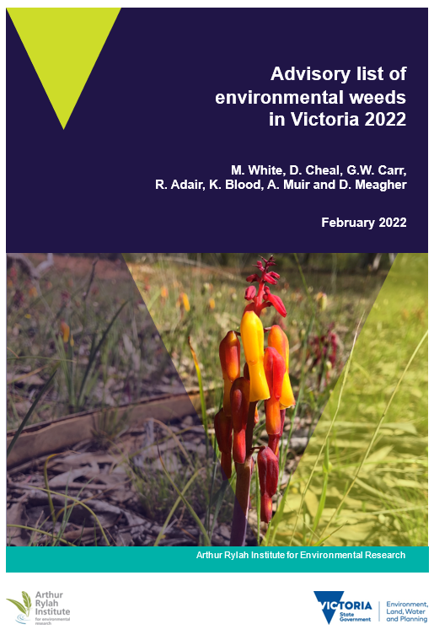
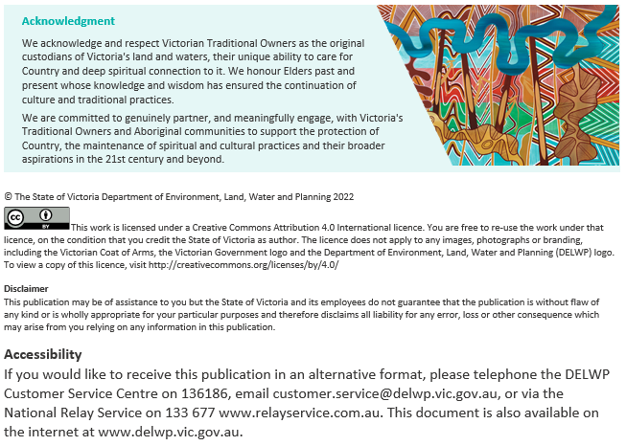
Advisory list of environmental weeds in Victoria
Purpose
This list is intended to provide general advice to conservation managers on the relative risks posed by different environmental weeds and the relative urgency of managing them across Victoria’s natural ecosystems. The environmental weeds documented in this list are ranked to indicate priority for control or management in native vegetation, based largely on the ‘stage’ of the invasion process for each species, the impact of the species on native ecosystems, and the species’ rate of spread.
It is important to note that the advisory list cannot be comprehensive, and unlisted species may also be problematic for native flora, fauna and ecosystems. Furthermore, different approaches for management and control may be appropriate for different species on the list. For example, declaring species as noxious weeds is not an appropriate or feasible approach for all species, particularly those that may be environmental weeds in some areas of bushland, but valuable in other contexts or places.
Important
Go to the tab 'Limitations' for information on limitations and cautions in using the advisory list.
More information on risk ratings
There is a guide that describes how to assess the risk of weeds. It is part of a series about early invader weeds in Victoria and how to manage them, available at Early invader weeds (environment.vic.gov.au): Blood, K., James, R. and Panetta, F. D. (2018) Managing weeds: assess the risk guide (2nd Edition). A guide for assessing the risk for weeds at the early stage of invasion on public land in Victoria. Department of Environment, Land, Water and Planning, Victoria.
Acknowledgements
This advisory list update was funded by the Weeds and Pests on Public Land program, Biodiversity Division within the Department of Environment, Land, Water and Planning (DELWP). The update has been a deliverable of DELWP’s Weeds at the Early Stage of Invasion (WESI) project, part of the Weed Management Program with Kate Blood, Bianca Gold and Bec James. The update has been coordinated and undertaken by Matt White, with Annette Muir at Arthur Rylah Institute for Environmental Research (ARIER), DELWP. Early invader weeds (environment.vic.gov.au)
The Advisory list of environmental weeds in Victoria has been maintained by DELWP’s Biodiversity Division at Arthur Rylah Institute for Environmental Research in collaboration with Forest, Fire and Regions (FFR) through the WESI Project.
Citing the advisory list
White, M., Cheal, D., Carr, G. W., Adair, R., Blood, K., Muir, A. and Meagher, D. (2022). Advisory list of environmental weeds in Victoria 2022. Arthur Rylah Institute for Environmental Research. Department of Environment, Land, Water and Planning, Heidelberg, Victoria.
Front cover photo
Lachenalia aloides (Soldiers) have escaped from gardens and are spreading in natural areas such as at Goroke North State Forest in the Wimmera (Photo: Bianca Gold, DELWP).
Authors
¹Matt White, ²David Cheal, ³Geoff W. Carr, ⁴Robin Adair, ⁵Kate Blood, ¹Annette Muir and ⁶David Meagher
¹ Arthur Rylah Institute for Environmental Research, 123 Brown Street, Heidelberg, Victoria 3084
² Department of Applied Science, Federation University, Mt Helen, Victoria 3350
³ Ecology Australia, 88B Station Street, Fairfield, Victoria 3078
⁴ Australis Biological, PO Box 151, Bittern, Victoria 3918
⁵ Forest, Fire and Regions Group, Department of Environment, Land, Water and Planning, PO Box 7, Beaufort, Victoria 3373
⁶ School of BioSciences, The University of Melbourne, Victoria 3010
For further information, contact:
Matt White: matt.white@delwp.vic.gov.au
Kate Blood: kate.blood@delwp.vic.gov.au
This update: Version 1, 28 February 2022
Department of Environment, Land, Water and Planning, Victoria

How to use list
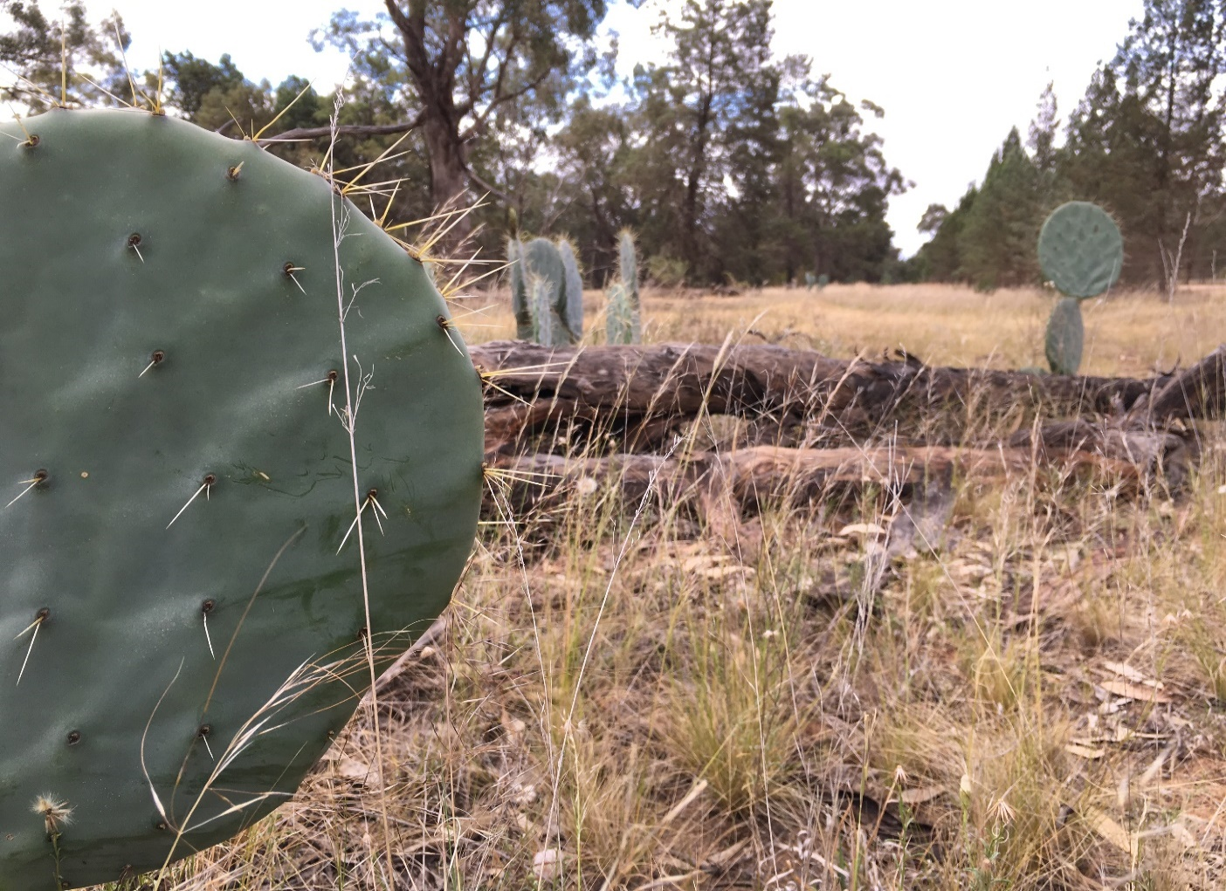
How to use the list
The spreadsheet includes relative risks posed by environmental weeds in Victoria, and can be sorted and filtered in several ways; for example, to indicate priorities for control or management in native vegetation.
When considering specific management areas, (such as a reserve, catchment or property) obtain a relevant list of weeds for the region, ideally through a combination of database searches and field survey (see steps below). The Early invader manual¹⁵ has information on how to do this. The local sub-set of species can then be initially prioritised by sorting on the basis of the Risk Ranking Score. The Area of potential distribution remaining attribute is the only species attribute score that could change when considered over planning areas or regions smaller than the entire state (see Table 1). For example, a species might be extensive across Victoria but restricted within a catchment or reserve. Conversely a weed species may be relatively common in a restricted area, but this might represent an early incursion of the weed into the State. If weed species have statewide ratings for the Potential distribution remaining attribute, that do not apply to your area of interest, consider editing the attribution and scoring for these species to produce a weed ranking that more closely represents the management priorities in your area of concern.
If you are searching for specific species, select the whole spreadsheet to search for common or botanical names as synonyms (i.e. old names) for both are now included.
Remember to check back to the weed risk ratings¹⁶ for further updates to the advisory list.
Figure 8. Opuntia robusta (Wheel Cactus) is spreading in many parts of Victoria, including Terrick Terrick National Park, north of Bendigo. (Photo: Kate Blood)
I want to use an existing species list and apply risk ratings to this list:
Step 1 - put the existing species list into an Excel spreadsheet and create columns for advisory list Risk Ranking Score and Risk Rating.
Step 2 - copy across the advisory list scores for the weeds in your list.
Step 3 - remember to search for alternative botanical and common names for the weed in the database in case it is recorded under a different name. Use the current names that occur in the VBA.
Step 4 - for weeds that don't have a risk rating in this database, go to (below): "I want to - find out the risk rating for one species that is not in the advisory list".
Step 5 - once you have updated your existing list with risk ranking scores and risk ratings, you can sort the list by the risk ranking score to start prioritising weeds, based on the comparative risk they pose. Remember it is only a guide.
I want to create a species list and work out the risk ratings for those species:
Step 1 - if a weed list for a piece of public land does not exist, copy the list in the tab titled "Advisory list" into a new Excel file. This forms the start of your base list.
Step 2 - go to the VBA (see Refs & Info tab) and search for the species recorded for the piece of public land. Tick these in your base list.
Step 3 - do a spatial search for that piece of land to bring up all the species recorded for that area. This might include the Victorian Biodiversity Atlas or any other data source that may be relevant for the public land e.g. Australia's Virtual Herbarium, Atlas of Living Australia, VicFlora, management plans, corporate spatial layers etc. Don't forget to look through hard copy material in filing cabinets in the office for material that was recorded by hand. Tick all the relevant weeds in your base list and add others not in it.
Step 4 - consider planning and undertaking a field search to record weeds that may not already be on the base list. See the "Looking for weeds: search and detect guide (2nd Edition)" (Sheehan, James and Blood 2018). Tick or add these to the base list.
Step 5 - any weeds not ticked in the base list can then be deleted or moved to another worksheet in the file as potentially present in the future.
Step 6 - then go to (above) "I want to use an existing species list and apply risk ratings to this list".
Step 7 - you should now have a good base listing of the weeds for the public land and their risk ranking score and risk ratings.
Step 8 - for additional weeds that have been included and that don't have a risk rating, double-check that the plant name is not in the synonyms columns, otherwise go to (below): "I want to - find out the risk rating for one species that is not in the advisory list".
Step 9 - once you have a base list with risk ratings, you can sort the list by the risk ranking score to start prioritising weeds, based on the comparative risk they pose. Remember it is only a guide.
I want to find out the risk rating for one species:
Step 1 - search the advisory list spreadsheet for the species - if found make a note of the risk ranking score and the risk rating.
Step 2 - if you can't find the species in the advisory list, double check that you have searched for all the alternative botanical and common names for the weed in the spreadsheet in case it is recorded under a different name.
Step 3 - for weeds that don't have a risk rating in the advisory list, go to (below): "I want to - find out the risk rating for one species that is not in the advisory list".
Step 4 - once you have a risk ranking score, you can compare it to other weeds in your public land for the comparative risk it poses. Remember it is only a guide.
I want to find out the risk rating for one species that is not in the advisory list:
Step 1 - double check that you have searched for all the alternative botanical and common names for the weed in the advisory list in case it is recorded under a different name.
Step 2 - if it is not in the advisory list, go to the "Managing weeds: assess the risk guide (2nd Edition)" (Blood, James and Panetta 2018) and use the environmental weed risk screen to work out the risk the weed poses at the location. The screen will indicate either to undertake a delimiting survey or to monitor the site.
Step 3 - when you have completed the screen template, save a copy of the completed screen.
Step 4 - if this risk rating is for a weed in a list being assessed for a piece of public land, add the screen outcome to your list in a column for screen results.
Step 5 - let the advisory list authors know about a weed that should be added to future advisory list updates.
15 https://www.environment.vic.gov.au/invasive-plants-and-animals/early-invaders
16 https://www.environment.vic.gov.au/invasive-plants-and-animals/weed-risk-ratings

Updates since 2018
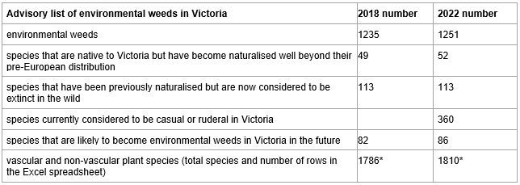
Appendix 1: Summary of updates since 2018
Changes since the 2018 update include:
There is now a total of over 1,800 taxa on the updated list including 34 species novel to the list. Some of the new additions include:
• Allium angulosum (Mouse Garlic)
• Azadirachta indica (Neem)
• Euphorbia davidii (Toothed Spurge)
• Fumaria officinalis (Common Fumitory)
• Glandularia canadensis (as Verbena canadensis, Rose Verbena)
• Helleborus foetidus (Stinking Hellebore)
• Hieracium maculatum (Spotted Hawkweed)
• Limnobium laevigatum (Amazon Frogbit)
• Potential species Phyllanthus fluitans (Red Root Floater)
• Plecostachys serpyllifolia (Petite Liquorice)
• Tradescantia crassula (Succulent Spiderwort)
Some species have been removed for various reasons including:
• now considered native
• taxonomic mergers
• now not considered to be naturalised
• taxa were removed at genera level if species were listed
• taxa were removed at species level if subspecies or varieties were listed, and attributes information was transferred
Inconsistencies between the advisory list, and VBA, VicFlora were examined and rectified for over 350 species.
Scientific names were checked and corrected for spelling variations and duplications. As much as possible, taxonomy has been reviewed in line with the Flora of Victoria (VicFlora).
A new list of synonyms i.e. previous names used for plants (many from the VBA) was added to the list for both common and botanical names, and over 80 new scientific and common names added to the VBA.
A review of the scores and risk ratings for about 180 species was undertaken. Some of the reviewed species include:
• Arctotheca populifolia (Coast Capeweed)
• Lachenalia aloides (Soldiers)
• Richardia humistrata (South American Mexican Clover)
The content of the 2018 explanatory report giving the background of the advisory list have been updated and moved into the Excel sreadsheet so that all the information is together in one file.
Minor formatting improvements have been made to the Excel spreadsheet to enhance the user experience.
Work is underway to upload the advisory list weed attributes into the VBA to assist its ongoing taxonomic curation.
The advisory list with weed distribution data in the VBA are being used to create a weed distribution layer in eMap. This layer in eMap and an associated risk register will enable increased uptake and planning around weeds during bushfire response and planned burning activities. eMap is an interactive mapping tool for fire and emergency management available for DELWP staff or registered users. A newly published Statewide Weed Data Collection Field Maps App is available to DELWP staff who can obtain an ArcGis Online licence. The App can be used to collect weed treatment (chemical and non-chemical) and assessment (survey) data from across the State. Collaboration with Parks Victoria means that the two agencies have consistent data being collected for weeds. The information collected is aligned with "Protecting Victoria’s Environment – Biodiversity 2037" activity output standards and meets the VBA requirements (as close as possible). Improved weed distribution records in the VBA in turn improve the modelling in Strategic Management Prospects (SMP) that influences future investment in environmental weed management in Victoria. The "Improving weed data management project" undertaking this piece of work is funded to June 2022 by the Victorian Government as part of the Bushfire Biodiversity Response and Recovery program.
This is a comparison of some of the weed categories from this and the 2018 advisory list:
*Note: these figures are not meant to add-up as there is an overlapping category: 'species that are native to Victoria but have become naturalised well beyond their pre-European distribution' are also environmental weeds.
The Advisory list of environmental weeds in Victoria has been maintained by DELWP’s Biodiversity Division at Arthur Rylah Institute for Environmental Research in collaboration with Forest, Fire and Regions (FFR) through the WESI Project.

Introduction
Introduction
Environmental weeds are plants that invade native ecosystems and have the potential to adversely affect the survival of native flora or fauna or the functioning of ecosystems. They include species that have been introduced to Australia from other countries, as well as native species that have spread beyond their previous (natural) range. Environmental weeds are a threat to Australia’s biodiversity because they may displace native species, disrupt ecological processes such as fire and soil erosion patterns, and may alter the genetic composition of native plant populations (Carr et al. 1992; Carr 1993).
Globally, invasive species (including environmental weeds) are recognised as a significant threat to biodiversity (Early et al. 2016), and their impacts are likely to be exacerbated by operating in concert with other emerging and ongoing threats such as climate change (Gonzales et al. 2010; Diez et al. 2012) and habitat degradation (Vicente et al. 2010; Catford 2012). There are at least 1250 environmental weed taxa (species, subspecies, varieties, hybrids) established in native vegetation in Victoria — almost double the number recognised 25 years ago by Carr (1993).
"Protecting Victoria’s Environment – Biodiversity 2037" (Biodiversity 2037) is Victoria’s plan to stop the decline of our native plants and animals and improve our natural environment. Biodiversity 2037 (DELWP 2017) was published in 2017 and includes 20 priorities for implementation over 20 years. The maintenance of this advisory list aligns with 4 of these priorities:
• Priority 1: Deliver cost-effective results utilising decision support tools in biodiversity planning processes to help achieve and measure against the targets.
• Priority 2: Increase the collection of targeted data for evidence-based decision making and make all data more accessible.
• Priority 3: Raise the awareness of all Victorians about the importance of the state’s natural environment.
• Priority 17: Deliver excellence in management of all land and waters.
Given the growing number of invasive plants, there is a need to usefully discriminate between the risks posed by individual weed species, such that, resources allocated to pest management can be deployed to best advantage. Preventing weeds from becoming established in a reserve, a region, an ecosystem or Victoria as a whole, is the highest priority (see Figure 1). This can be done by remaining alert for weeds and reporting and acting upon new occurrences.
This report describes an objective ‘expert system’ for ranking environmental weed species with respect to management urgency. Many more plant species than those currently recognised as environmental weeds have been introduced into Australia and Victoria, and a proportion of these are likely to escape their current confines such as gardens or aquariums, and become established in the wild. In the last 100 years, an average of about 20 new plant species have become naturalised in Australia each year (Dodd et al. 2015). Therefore, any advice concerning the status of weeds in Victoria must be considered dynamic. The advisory list is intended to provide regularly updated, ‘non-statutory’ advice to Victorian conservation managers. As such, we welcome and value feedback about the impacts of weeds in different ecosystems.
The list consists of these explanatory notes and the accompanying spreadsheet. The detailed list with complete annotations is available online (web search for 'advisory list of environmental weeds in Victoria'). This state-wide list replaces the five advisory lists of environmental weeds for different Victorian bioregions, published in the late 2000s (Adair et al. 2008a,b; 2009a,b,c) and the combined list published in April 2018 (White et al. 2018). A summary of the updates since 2018 are in Appendix 1.

Purpose
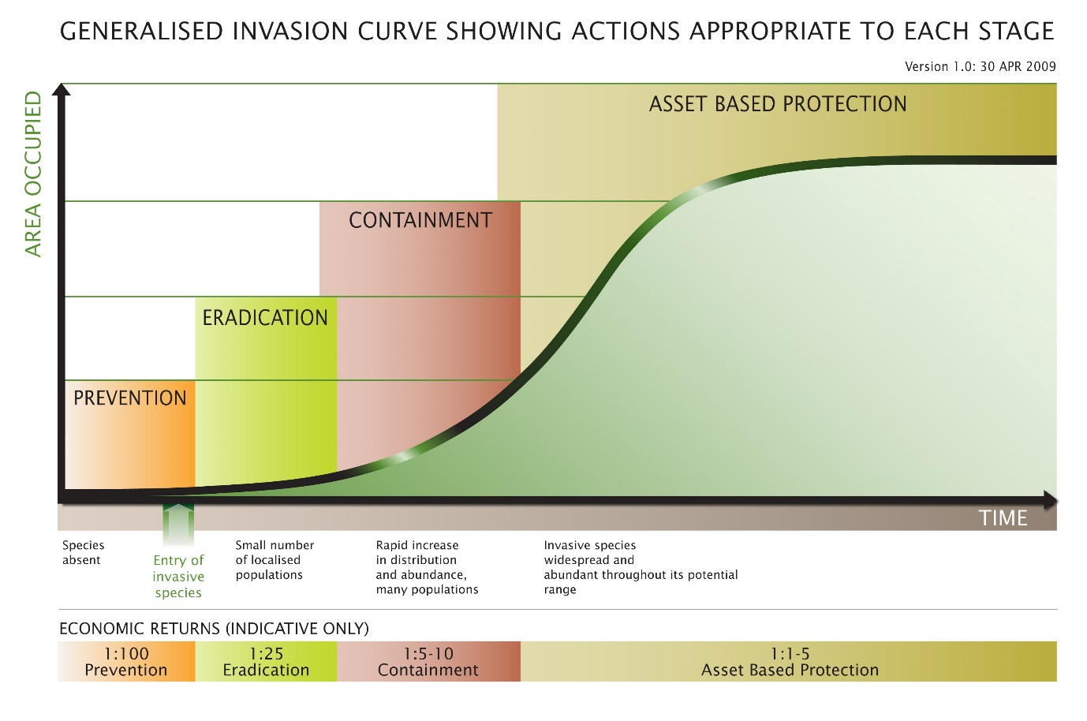
Purpose of the list
This list is intended to provide general advice to conservation managers on the relative risks posed by different environmental weeds and the relative urgency of managing them across Victoria’s natural ecosystems. The environmental weeds documented in this list are ranked to indicate priority for control or management in native vegetation, based largely on the ‘stage’ of the invasion process for each species, the impact of the species on native ecosystems, and the species’ rate of spread.
Figure 1. The invasion curve illustrates the different management approaches and the benefit of investing in control effort at different stages of the invasion process. (Victorian Government 2010)
It is important to note that the advisory list cannot be comprehensive, and unlisted species may also be problematic for native flora, fauna and ecosystems. Furthermore, different approaches for management and control may be appropriate for different species on the list. For example, declaring species as noxious weeds is not an appropriate or feasible approach for all species, particularly those that may be environmental weeds in some areas of bushland, but valuable in other contexts or places.

Limitations
Limitations and cautions
The list is intended to assist in prioritising the eradication or ongoing management of weeds in native vegetation. It will be less applicable to weed management priorities in other contexts such as ecosystem restoration, horticulture and agriculture.
Many weed management actions will be based on multi-species invasions and priorities will need to be adjusted to consider the multiple impacts of multiple species at a site or across a region.
Prioritising weed actions within a region should also explicitly consider the values or assets threatened by weed invasions (see Platt et al. 2008).
The list contains species that are native to Victoria but have expanded beyond their natural range. The Advisory List does not provide information on where these species would be considered weeds and where they occur naturally. It is critically important that weed management efforts are not directed towards these species within their natural range², because in these areas they are likely to be protected by law. Some listed species may be rare or threatened within their natural range and environmental weeds outside that range. For example, Spotted Gum (Corymbia maculata) and Coastal Umbrella-bush (Acacia cupularis) are rare native species in Victoria but are invasive in some areas of the state where they have been used in ornamental plantings. Please consult with relevant Department of Environment, Land, Water and Planning (DELWP) or Catchment Management Authority (CMA) staff if you are planning to control or destroy weed species that are native to Victoria.
Because of the rapidly increasing number of invasive plants, some species that may be actively invading natural ecosystems will not be listed. The advisory list cannot be comprehensive, and therefore unlisted species may also have potential to cause harm.
Rankings are based on expert opinion and should be considered as a guide only.
Environmental changes, such as climate change, the introduction of new pollinators or changes in land-use can affect the risks posed by weeds.
Rankings are based on state-wide concerns. Applying the weed species rankings or priorities at smaller geographic scales may not be relevant or useful without filtering the list species and resorting.
Accurately identifying weeds and native plants is critical for minimising disturbance and damage to bushland during weed management activities. Identifying plants, particularly those that are not flowering or fruiting, is a specialised skill. If you are not confident in identifying plant species, seek assistance from those with suitable expertise. Some useful tips for identifying weeds can be found in Blood and James (2016).
2 https://www.environment.vic.gov.au/conserving-threatened-species/threatened-list

Legislation
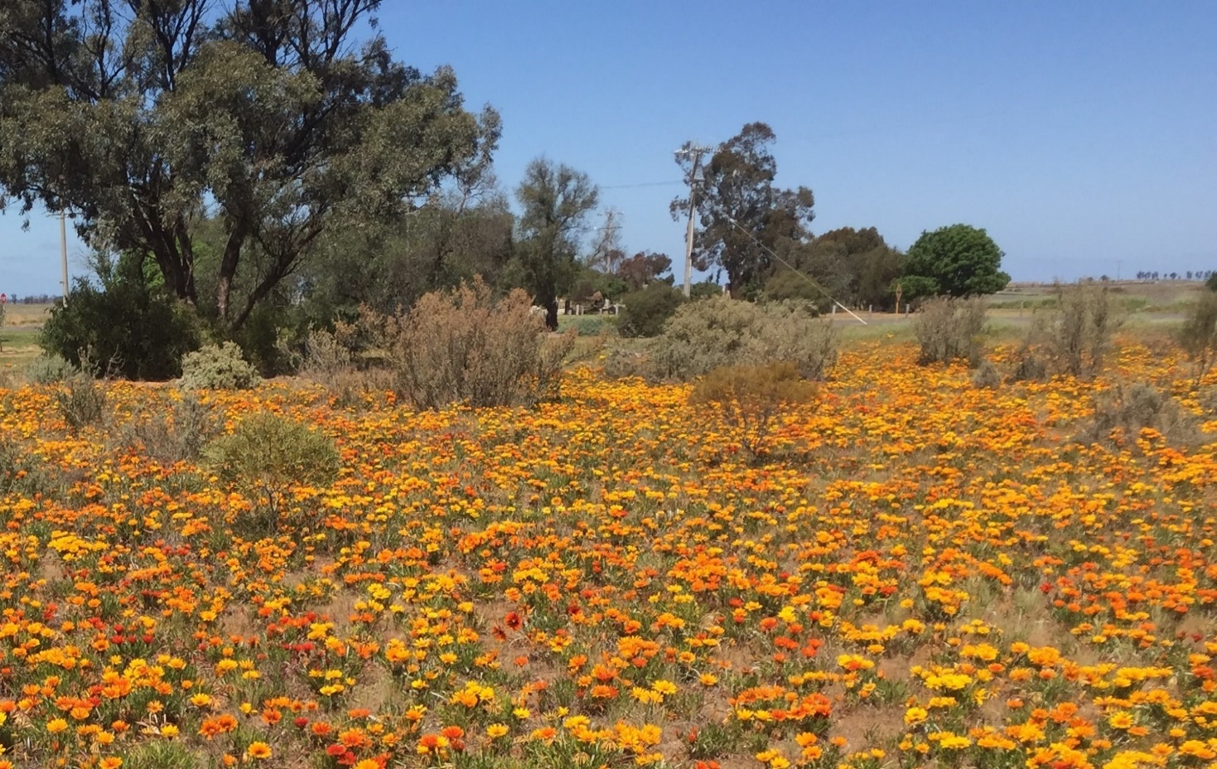
Relationship to statutory lists and legislation
The primary piece of legislation relating to weed management in Victoria is the Catchment and Land Protection Act 1994 (CALP Act), under which weeds may be declared noxious. However, many weeds that affect native vegetation have not been declared ‘noxious’. These weeds may be managed under the environmental objectives of a range of Acts, including the Flora and Fauna Guarantee Act 1988 (FFG Act), National Parks Act 1975 and Sustainable Forests (Timber) Act 2004.
This advisory list is not the same as the statutory list of weeds declared under the CALP Act. There are neither legal requirements nor consequences that flow from the inclusion of a species in this advisory list. The CALP Act can be viewed at the Victorian Legislation website³ and Victoria’s consolidated list of ‘declared’ weeds can be found on the Agriculture Victoria biosecurity website⁴.
‘The invasion of native vegetation by environmental weeds’ is listed as a potentially threatening process under the FFG Act⁵. Section 4 of that Act states that it is the responsibility of all public authorities to have regard to the flora and fauna and management objectives of the Act. The FFG Act also lists the establishment and spread of specific environmental weeds as potentially threatening processes: Sweet Pittosporum (Pittosporum undulatum), Coast Wattle (Acacaia longifolia subsp. sophorae) and Sallow Wattle (Acacia longifolia subsp. longifolia) into areas outside their respective natural distributions; Blackberry (Rubus fruticosus spp. agg.); the Cord-grasses (Spartina spp.); and Tall Wheat-grass (Lophopyrum ponticum). The FFG Act restricts these species from being inappropriately released or abandoned into the wild in Victoria.
Figure 2. Gazania linearis and Gazania rigens (and their hybrids) have become widespread across Victoria, and are often mistaken as indigenous wildflowers. (Photo: Bec James, DELWP)
3 https://www.legislation.vic.gov.au/
4 https://agriculture.vic.gov.au/biosecurity/weeds
5 The full list of potentially threatening processes is available on the Victorian Government website https://www.environment.vic.gov.au/__data/assets/pdf_file/0012/50241/201612-FFG-Processes-list.pdf

Composition
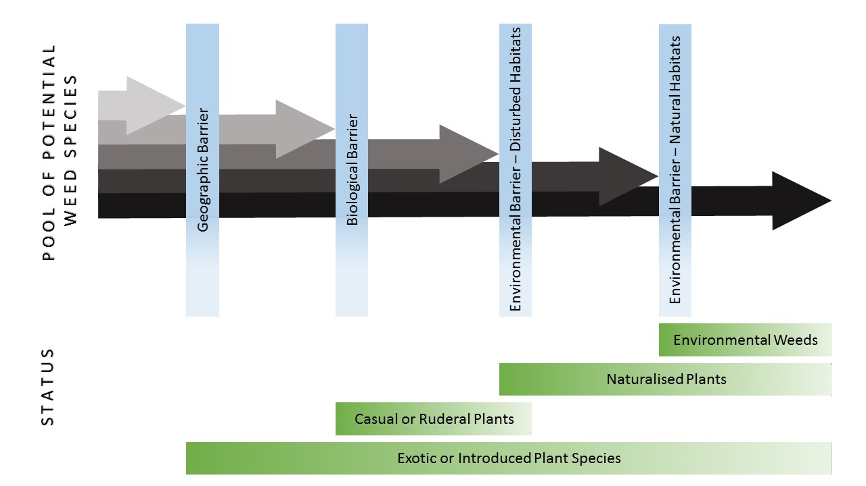
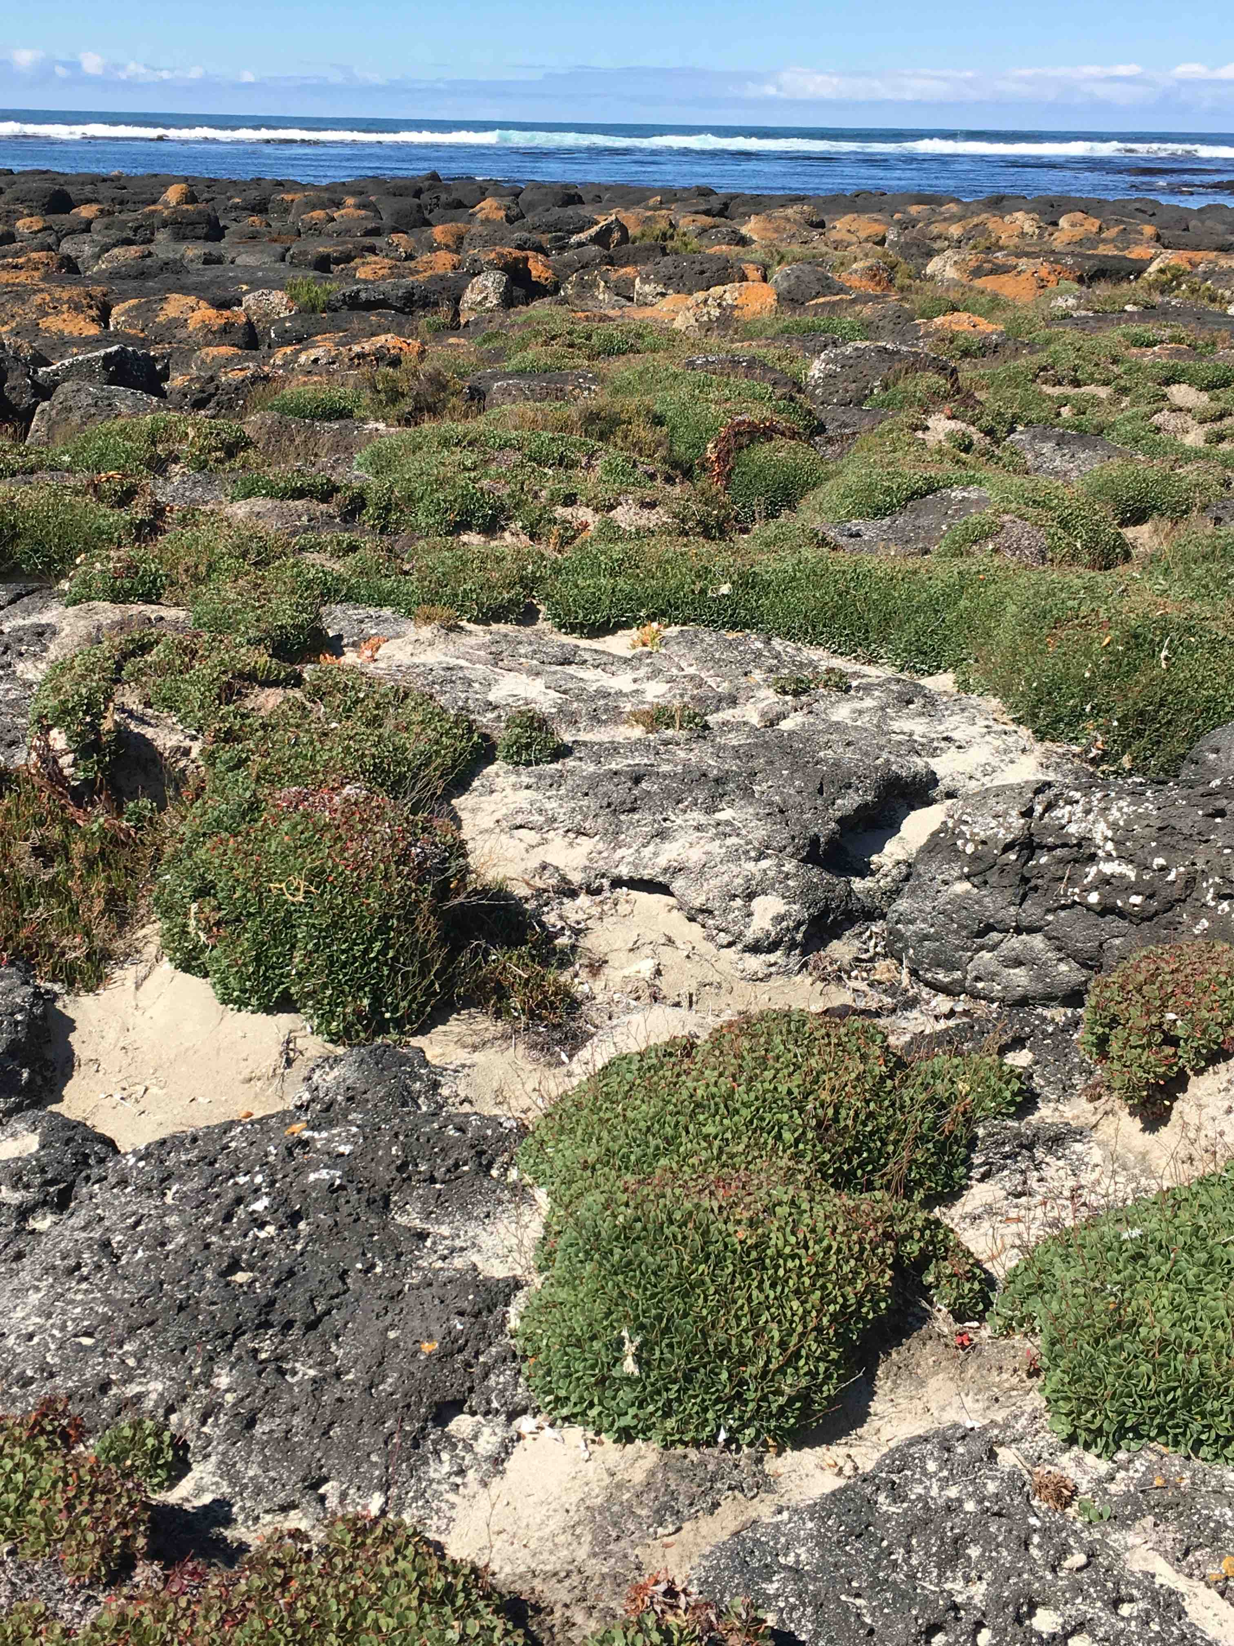
Composition of the list and assessment of the species
Since the early part of the 19th century, many plant species have been introduced to Victoria and these have been characterised in different ways in the Advisory List (see also Figure 3). ‘Introduced’ species are those that have been brought by humans across a geographic barrier. ‘Casual or ruderal’ species can grow and occasionally successfully reproduce in this new geographic context but cannot, or have not, yet established long-term self-sustaining populations. ‘Naturalised’ plants are those species that have established long-term self-sustaining populations in their new geographic context. A significant proportion of the naturalised flora have subsequently become environmental weeds. These are species that have demonstrated a capacity to invade native ecosystems and are the species that have been ranked in the list for conservation management purposes.
Figure 3. A graphical representation of weed definitions used in this document (adapted from Richardson et al. 2000).
Although the focus of the advisory list is weeds that currently threaten native vegetation, it includes some species that are likely to become environmental weeds in Victoria. This ‘anticipated’ category, which is not likely to be exhaustive, includes:
• Some introduced species that are believed to be restricted at present, to Victoria’s agricultural, horticultural or urban environments.
• Some known environmental weeds that occur in ecologically similar regions elsewhere in Australia.
• Species that are known to be environmental weeds in other temperate regions of the world.
In summary, the advisory list contains:
• 1810 vascular and non-vascular plant species, including 1251 that are environmental weeds.
• 52 species that are native to Victoria but have become naturalised well beyond their pre-European distribution.
• 113 species that have been previously naturalised but are now considered to be extinct in the wild.
• 360 species currently considered to be casual or ruderal in Victoria.
• 86 species that will potentially become environmental weeds in Victoria in the future.
The list is likely to change as new information on the ecology, distribution or impact of weed species becomes available. Most plants in this advisory list have been introduced from other countries, but Australian native plants naturalised beyond their pre-European distribution are included in this list. The list includes several mosses and liverworts but no algae, hornworts, lichens or fungi. This is, at least in part, indicative of the poor knowledge about the distribution, status and impact of any introduced species in these groups.
Most of the species presented in this advisory list are recorded as naturalised in digital databases, including but not restricted to, the Victorian Biodiversity Atlas (VBA), VICFLORA, and the Atlas of Living Australia. Although these databases contain many records of naturalised plants, they are incomplete. Invasive plants are generally not well represented in herbaria and records. Cryptic, rare or newly arrived species are likely to be poorly documented. Submission of new records substantiated with voucher material to the National Herbarium of Victoria is encouraged. The Australian National Herbarium website has information on collecting and preparing specimens for herbaria.
Figure 4. Limonium hyblaeum (Sicilian Sea Lavender) is smothering coastal areas in Victoria. (Photo: Kate Blood)
6 https://www.environment.vic.gov.au/biodiversity/victorian-biodiversity-atlas
7 https://vicflora.rbg.vic.gov.au/
8 https://www.ala.org.au/
9 https://www.anbg.gov.au/cpbr/herbarium/collecting/collection-procedures.html

Ranking Method
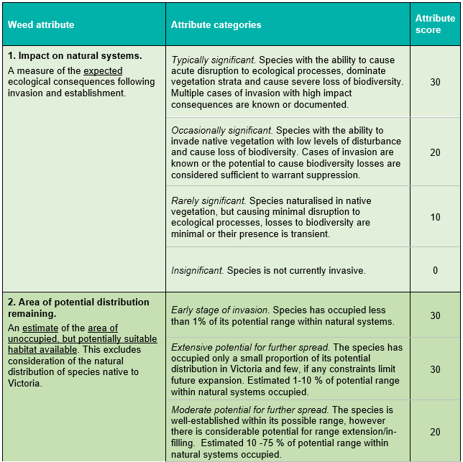
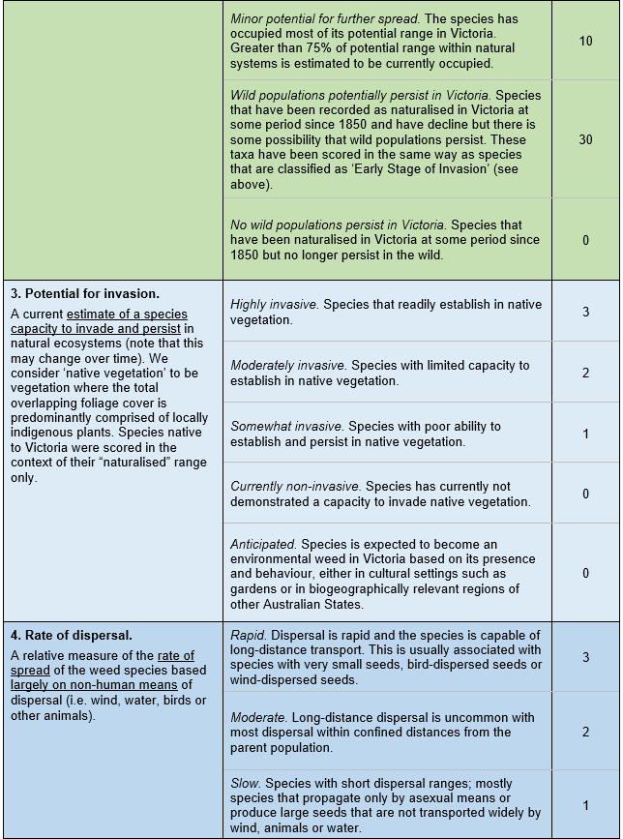
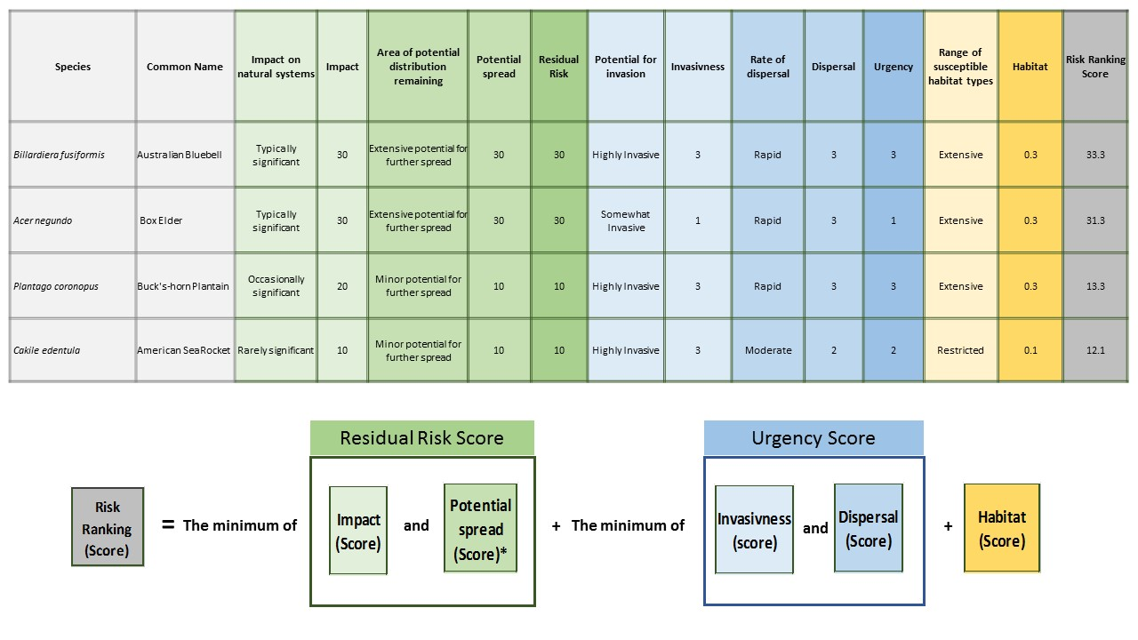
Method used to rank species
The ranking scores allocated to each environmental weed species were generated by considering five attributes:
• impact on natural systems
• area of potential distribution remaining
• potential for invasion
• rate of dispersal
• range of susceptible habitat types.
The attributes include several categories of increasing significance (see Table 1) to which each species has been independently allocated. Species with high final scores pose a higher risk to biodiversity than species with low final scores.
Table 1. Environmental weed attributes and categories.
The scoring method allocates environmental weed species to one of 28 possible Risk Ranking Scores. The higher the Risk Ranking Score, the higher the priority for control or eradication. All species that are not currently environmental weeds have been given a default Risk Ranking Score of 0. Apart from a score of zero the remaining 27 possible Risk Ranking Scores reflect the total number of unique combinations of the categorical inputs. The magnitude of the score establishes a species’ position in a rank order; it is not strictly related to the degree of risk posed by the weed. Many species will have an identical or equivalent set of attributes and therefore will have the same risk ranking. The ranking process used a sequential, weighted scoring approach. First the weed attribute categories were assigned individual scores (see Table 1), then some of these attributes scores were combined to produce a residual risk score and an urgency score, for the purposes of ranking.
The residual risk score for each weed species is intended to characterise the magnitude and spatial extent of anticipated biodiversity impacts. It is the minimum score of either: the attribute score achieved for Impact on natural systems; or the attribute score achieved for Area of potential distribution remaining (see Figure 5). For species that are at the Early stage of invasion, impacts on natural systems are typically poorly known and therefore, prior to taking the minimum of the two relevant scores for these emerging weeds species, 10 points are added to the score for Impact on natural systems to accommodate this uncertainty. The residual risk score highlights those species that will have a deleterious impact on native ecosystems, but this impact has not been fully realised.
The urgency score reflects the rate at which weed species will invade native ecosystems. It is calculated by taking the minimum of either: the attribute score achieved for: Rate of dispersal; or the attribute score achieved for Potential for invasion (see Figure 5). Species that readily invade native vegetation and have a high dispersal rate, will have a relatively high urgency score.
The Risk Ranking Score is calculated by adding together the residual risk score, the urgency score and the score for the Range of susceptible habitat types. The residual risk score has the highest weighting, the urgency score is next, and the susceptible habitat score has the lowest weighting. See Figure 5 for some examples of the scoring approach as it applies to various species.
Values allocated to each weed attribute were produced by a consensus process by the authors. Consensus processes are subjective and can be prone to error. This scoring process addresses this issue by documenting individual attribute scores, allowing modifications and reassessments if contradictory data become available. The advisory list is therefore dynamic and will evolve as new information or views are taken into consideration.
Figure 5. The scoring approach for ranking environmental weeds based on risk.
*Note that species which are identified as ‘Early Stage of Invasion’ have an augmented Impact score (+10 points) for the purposes of calculating the ‘Residual Risk’. This is done to account for uncertainties around the likely impact of species that have recently become invasive in Victoria.

Risk Ratings
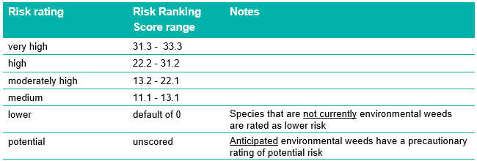
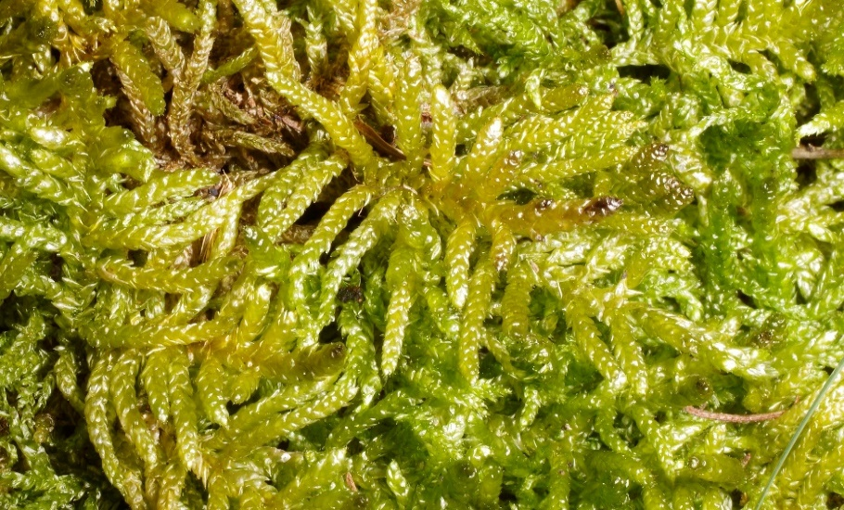
Environmental weed risk ratings
The final Risk Ranking Scores have been grouped into five Risk ratings, with the addition of ‘potential’, creating a sixth unscored risk rating (Table 2). Since the publication of previous lists, the Risk ratings of some species have been reassessed because of observed changes in their distribution and ecology. Although the Risk rating is a useful descriptive summary, the Risk Ranking Score should be used when planning management or policy directions. Species that are currently not considered to be environmental weeds are by default rated lower risk. Species that are anticipated environmental weeds have not been given a Risk Ranking Score but have a precautionary rating of potential risk. The Risk Ranking Score range for each Risk rating is as follows:
Table 2. Risk rating categories based on urgency.
Figure 6. The moss Pseudoscleropodium purum (Neat Feather-moss) invades grasslands and grassy woodlands. (Photo: David Meagher)

Arrangement
Arrangement of the list
The Advisory list, with the complete set of annotations and attribute scores is available online as a searchable and sortable spreadsheet at: https://www.environment.vic.gov.au/invasive-plants-and-animals/weed-risk-ratings (or use the search term ‘Victoria weed risk ratings’ in your browser).
The complete advisory list is presented in a spreadsheet format within the Excel file. The following is an explanation of the meaning of each of the columns in the online spreadsheet.
Scientific name, Authorship, Plant family, Common name
Plant taxonomy largely follows the most recently accessed online version of the Flora of Victoria¹⁰ for vascular plants, and AusMoss Australian Moss Name Index¹¹ and McCarthy (2006) for bryophytes. Common names and synonyms are taken mainly from the Victorian Biodiversity Atlas¹².
Victorian biomes
This column lists the Victorian biomes in which the weeds are either existing or likely to invade. Biomes are groupings of Victoria’s 28 bioregions, which are derived from a landscape-scale classification of the environment using a range of attributes such as climate, geomorphology, geology, soils and vegetation. The advisory list recognises five weed biomes: Coasts and Heathlands, Ranges, Mallee and Semi-arid, Inland Plains, and Aquatic. The approximate extent of these biomes is shown in Figure 7. The Aquatic biome, consisting of streams, lakes and other waterbodies, is not shown because it occurs within each of the other biomes.
Victorian status
Weeds are classified as either introduced to Victoria from other countries or parts of Australia, or native to Victoria.
Weed status in Victoria
This identifies whether the weed is currently considered to be (a) casual or ruderal, (b) naturalised, or (c) an environmental weed (see Figure 3). Introduced species that have been recognised in the past as having wild populations but no longer exist in Victoria or are now confined to cultural settings such as gardens, are recognised as ‘Previously naturalised’ or ‘Previously casual or ruderal’. A small number of potentially invasive species that are not recorded from Victoria are classified as ‘anticipated environmental weeds’; that is, naturalisation is anticipated because of the behaviour of the species in neighbouring Australian states or indicative behaviours observed in gardens or other cultural settings.
Weed attributes and attribute scores
The weed species and their attributes and associated scores listed in Table 1, are shown in various columns. The derived scores for residual risk and urgency for each species are also shown.
Horticultural/agricultural use
This column indicates species that are spread through their use in amenity horticulture or agriculture, which provides a continual source of propagules. Species are categorised as ‘Commonly used’, ‘Occasionally used’ and ‘Not typically used’. The last category includes species that may have been widely used before the 1970s, and species that are grown by only a small number of enthusiasts. This attribute is not a component of the overall, summary risk assessment of each species.
Risk ranking score
The ranking score for each species was generated by considering five key attributes and allocating one of several qualitative values (see the ‘Method used to rank weeds’ section). Note that species that are not currently environmental weeds have been given a default Risk Ranking Score of 0.
Risk rating
This is a six-class descriptive summary of the 27 Risk Ranking Scores. There are only 27 possible Risk Ranking Scores, as this reflects the unique number of combinations of the categorical inputs (see the ‘Method used to rank weeds’ section). Weed species are rated as either very high risk, high risk, moderately high risk, medium risk, lower risk or potential risk. All species that are not currently environmental weeds are rated as lower risk. Species that are anticipated environmental weeds have a precautionary rating of potential risk.
Weeds of National Significance (WONS)
A ‘YES’ in this column indicates that the species is listed as a Weed of National Significance based on its invasiveness, potential for spread and environmental, social and economic impacts¹³.
Victorian CALP Act
A ‘YES’ in this column indicates that the species is declared as a noxious weed under the CALP Act and as such there are legal requirements associated with its trade, spread, management or control¹⁴. The source list should be checked regularly for updates.
Victorian Scientific Name Synonyms
Previous scientific names under which this taxon has been recognised.
Common Name Synonyms
Other common names used for this taxon.
10 https://vicflora.rbg.vic.gov.au/
11 https://moss.biodiversity.org.au/nsl/services/search/names
12 https://www.environment.vic.gov.au/biodiversity/victorian-biodiversity-atlas/about-the-vba
13 https://weeds.org.au/weeds-profiles/
14 http://agriculture.vic.gov.au/agriculture/pests-diseases-and-weeds/weeds/invasive-plant-classifications

Biome MAP
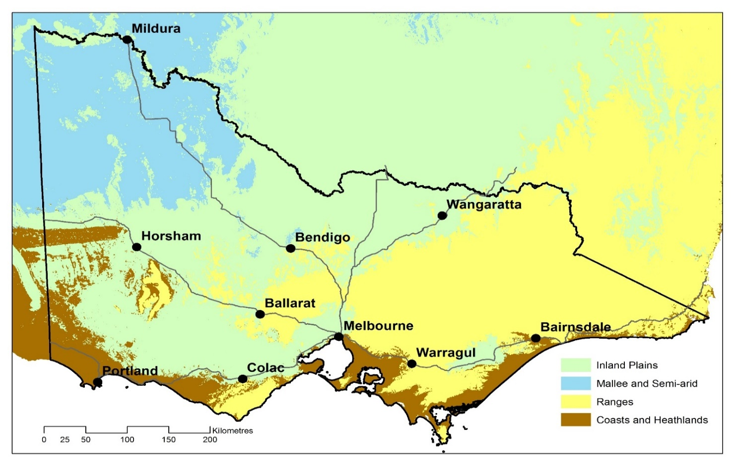
Victoria's weed biomes
Figure 7. Victoria’s weed biomes. A fifth biome, Aquatic, consists of streams, lakes and other waterbodies and covers the state.

References
References
Adair R., Cheal D. and White M. (2008a). Advisory list of environmental weeds of aquatic habitats of Victoria. Victorian Department of Sustainability and Environment: Melbourne.
Adair R., Cheal D. and White M. (2008b). Advisory list of environmental weeds of coastal plains and heathy forests bioregions of Victoria. Victorian Department of Sustainability and Environment: Melbourne.
Adair R., Cheal D. and White M. (2009a). Advisory list of environmental weeds of the inland plains bioregions of Victoria. Victorian Department of Sustainability and Environment: Melbourne.
Adair R., Cheal D. and White M. (2009b). Advisory list of environmental weeds of the mallee bioregions of Victoria. Victorian Department of Sustainability and Environment: Melbourne.
Adair R., Cheal D. and White M. (2009c). Advisory list of environmental weeds of the ranges bioregions of Victoria. Victorian Department of Sustainability and Environment: Melbourne.
Blood, K. and James, R. (2016). Looking for weeds: name and notify guide. A guide for identifying weeds at the early stage of invasion on public land in Victoria. Department of Environment, Land, Water and Planning, Victoria. (See https://www.environment.vic.gov.au/invasive-plants-and-animals/early-invaders).
Catford J. A. et al. (2012). The intermediate disturbance hypothesis and plant invasions: Implications for species richness and management. Perspectives in Plant Ecology, Evolution and Systematic 14: 231–241.
Carr G.W., Yugovic J.V. & Robinson K.E. (1992). Environmental weed invasions in Victoria: conservation and management implications. Victorian Department of Conservation & Environment and Ecological Horticulture Pty Ltd: Melbourne.
Carr, G.W. (1993). Exotic flora of Victoria and its impact on indigenous biota. In Flora of Victoria Volume 1, pages 256–297. Foreman, D.B. and Walsh, N.G. (eds) Inkata Press: Melbourne.
DELWP (2017) Protecting Victoria's Environment – Biodiversity 2037. Department of Environment, Land, Water and Planning, Vic. ISBN 978-1-76047-397-6 (pdf/online).
DEPI (2014) Advisory List of rare or threatened plants in Victoria – 2014. Department of Environment and Primary Industries, Victoria, Melbourne.
Diez J.M., D’Antonio C.M., Dukes J.S., Grosholz E.D. and Olden J.D. (2012). Will extreme climatic events facilitate biological invasions? Frontiers in Ecology and the Environment 10: 249–257.
Dodd A.J., Burgman M.A., McCarthy M.A. and Ainsworth N. (2015). The changing patterns of plant naturalization in Australia. Diversity and Distributions 21: 1038–1050.
Early R., Bradley B.A., Dukes J.S., Lawler J.J., Olden J.D., Blumenthal D.M., Gonzalez P., Grosholz E.D., Ibañez I., Miller L.P., Sorte C.J.B. and Tatem A.J. (2016). Global threats from invasive alien species in the twenty-first century and national response capacities. Nature Communications 7.
Gonzalez P., Nielson R.P., Lenihan J.M. and Drapek R.J. (2010). Global patterns in the vulnerability of ecosystems to vegetation shifts due to climate change. Global Ecology and Biogeography 19: 755–768.
McCarthy, P.M. (2006), Checklist of Australian Liverworts and Hornworts. Australian Biological Resources Study, Canberra. Version 6 April 2006.
Platt S. J., Adair R. and White M. (2008). Local area planning for managing the environmental impacts of weeds on public land in Victoria — Otway weeds case study 2008. Victorian Department of Sustainability and Environment: Melbourne.
Richardson D.M., Pysek P., Rejmánek M., Barbour M.G., Panetta F.D. and West C.J. (2000). Naturalization and invasion of alien plants: concepts and definitions. Diversity and Distributions 6: 93–107.
Vicente J., Alves P., Randin C., Guisan A. and Honrado J. (2010). What drives invasibility? A multi-model inference test and spatial modelling of alien plant species richness patterns in northern Portugal. Ecography 33: 1081–1092.
Victorian Government (2010). Invasive plants and animals policy framework. Victorian Department of Primary Industries: Melbourne.(see https://agriculture.vic.gov.au/biosecurity/protecting-victoria/legislation-policy-and-permits/invasive-plants-and-animals-policy-framework).
White, M., Cheal, D., Carr, G. W., Adair, R., Blood, K. and Meagher, D. (2018) Advisory list of environmental weeds in Victoria. Arthur Rylah Institute for Environmental Research Technical Report Series No. 287. Department of Environment, Land, Water and Planning, Heidelberg, Victoria. ISBN 978-1-76077-001-3 (pdf/online).

