L0GW01_BE_ver5
L0GW01_BE_ver5

 |  |  |  |  | Scour |  |  |  | Soil |  |  |  |  |  |  |  |  |  |  |  |  |  | Need to be updated for Kirsch |  |  |  |  | Need to be updated for PISA
n_layers | 12 | - |  |  | local | 2 | m |  | layer | toplevel | model_py | model_axial | gamma_eff | cu | delta_cu | phi | delta_eff | K0 | c_eff | epsilon50 | delta_epsilon50 | J | Es | delta_Es | limit_skin | limit_alpha | limit_tip | G0 | delta_G0 | poisson | q_ur | delta_q_ur | k_rm | RQD | Nq | t-multiplier | z-multiplier | p-multiplier | y-multiplier | delta_phi
n_sections | 12 | - |  |  | ORD | 0 | m |  | [number] | [m VREF] | [text] | [text] | [kN/m³] | [kPa] | [kPa/m] | [degrees] | [degrees] | [-] | [kPa] | [-] | [m-1] | [-] | [kPa] | [kPa/m] | [kPa] | [-] | [kPa] | [kPa] | [kPa/m] | [-] | [kPa] | [kPa/m] | [-] | [-] | [-] | [-] | [-] | [-] | [-] | [degrees/m]
 |  |  |  |  | water depth | 7.42 | m |  | 1 | 0 | API sand | API sand | 8.4 | 0.00 | 0.00 | 30 | 25 | 0.8 | 0 | 0.000 | 0.000 | 0.5 | 15000 | 0 | 81 | 1 | 4800 | 300000.00 | 0.00 | 0.46 | 0.00 | 0.00 | 0.00 | 0.00 | 20 | 1 | 1 | 1 | 1 | 0
Pile |  |  |  |  | Loads |  |  |  | 2 | -3.8 | API clay | API clay | 6.1 | 12.00 | 1.48 | 0 | -5 | 0.8 | 0 | 0.023 | 0.000 | 0.5 | 5000 | 0 | #N/A | 1 | #N/A | 400000.00 | 0.00 | 0.46 | 0.00 | 0.00 | 0.00 | 0.00 | #N/A | 1 | 1 | 1 | 1 | 0
head | 0 | m VREF |  |  | H | 2278 | kN |  | 3 | -11.9 | API sand | API sand | 9.5 | 0.00 | 0.00 | 35 | 30 | 0.8 | 0 | 0.000 | 0.000 | 0.5 | 15000 | 0 | 96 | 1 | 9600 | 300000.00 | 0.00 | 0.46 | 0.00 | 0.00 | 0.00 | 0.00 | 40 | 1 | 1 | 1 | 1 | 0
length (start) | 33 | m | 33 |  | Mxy | -122786 | kNm |  | 4 | -15.9 | API clay | API clay | 8.5 | 70.00 | 0.00 | 0 | -5 | 0.8 | 0 | 0.017 | 0.000 | 0.5 | 18000 | 0 | #N/A | 1 | #N/A | 400000.00 | 0.00 | 0.46 | 0.00 | 0.00 | 0.00 | 0.00 | #N/A | 1 | 1 | 1 | 1 | 0
length (end) | 33 | m | 60 |  | Vc | 7357 | kN |  | 5 | -17.6 | API clay | API clay | 8.7 | 90.00 | 0.00 | 0 | -5 | 0.8 | 0 | 0.016 | 0.000 | 0.5 | 15000 | 0 | #N/A | 1 | #N/A | 300000.00 | 0.00 | 0.46 | 0.00 | 0.00 | 0.00 | 0.00 | #N/A | 1 | 1 | 1 | 1 | 0
length (increment) | 0.5 | m |  |  | Vt | 0 | kN |  | 6 | -20.8 | API clay | API clay | 9.1 | 108.00 | 0.00 | 0 | -5 | 0.8 | 0 | 0.015 | 0.000 | 0.5 | 15000 | 0 | #N/A | 1 | #N/A | 300000.00 | 0.00 | 0.46 | 0.00 | 0.00 | 0.00 | 0.00 | #N/A | 1 | 1 | 1 | 1 | 0
outer diameter | 5.5 | m |  |  | Mz | 10850 | kN |  | 7 | -25.9 | API clay | API clay | 9.1 | 130.00 | 0.00 | 0 | -5 | 0.8 | 0 | 0.014 | 0.000 | 0.5 | 5000 | 0 | #N/A | 1 | #N/A | 400000.00 | 0.00 | 0.46 | 0.00 | 0.00 | 0.00 | 0.00 | #N/A | 1 | 1 | 1 | 1 | 0
density | 78 | kN/m³ |  |  | Settings |  |  |  | 8 | -30.1 | API clay | API clay | 9.2 | 140.00 | 0.00 | 0 | -5 | 0.8 | 0 | 0.012 | 0.000 | 0.5 | 15000 | 0 | #N/A | 1 | #N/A | 300000.00 | 0.00 | 0.46 | 0.00 | 0.00 | 0.00 | 0.00 | #N/A | 1 | 1 | 1 | 1 | 0
sigma_y | 355000 | kPa |  |  | pile_type | open | text |  | 9 | -36.1 | API sand | API sand | 9.8 | 0.00 | 0.00 | 37 | 32 | 0.8 | 0 | 0.000 | 0.000 | 0.5 | 18000 | 0 | 103.6 | 1 | 10560 | 400000.00 | 0.00 | 0.46 | 0.00 | 0.00 | 0.00 | 0.00 | 44 | 1 | 1 | 1 | 1 | 0
E | 2.1E+08 | kPa |  |  |  |  |  |  | 10 | -39.9 | API sand | API sand | 10.1 | 0.00 | 0.00 | 38 | 33 | 0.8 | 0 | 0.000 | 0.000 | 0.5 | 15000 | 0 | 107.4 | 1 | 11040 | 300000.00 | 0.00 | 0.46 | 0.00 | 0.00 | 0.00 | 0.00 | 46 | 1 | 1 | 1 | 1 | 0
G | 7.9E+07 | kPa |  |  |  | 3794.508 |  |  | 11 | -44.4 | API sand | API sand | 10.2 | 0.00 | 0.00 | 37.5 | 32.5 | 0.8 | 0 | 0.000 | 0.000 | 0.5 | 18000 | 0 | 103.6 | 1 | 10560 | 400000.00 | 0.00 | 0.46 | 0.00 | 0.00 | 0.00 | 0.00 | 44 | 1 | 1 | 1 | 1 | 0
ksf | 0.53 |  |  |  |  |  |  |  | 12 | -49 | API clay | API clay | 9.3 | 150.00 | 0.00 | 0 | -5 | 0.8 | 0 | 0.011 | 0.000 | 0.5 | 15000 | 0 | #N/A | 1 | #N/A | 300000.00 | 0.00 | 0.46 | 0.00 | 0.00 | 0.00 | 0.00 | #N/A | 1 | 1 | 1 | 1 | 0
section | cross_section.toplevel | cross_section.thickness
[number] | [m VREF] | [m] |  |  |  |  |  | height
1 | 0 | 0.062 |  | 1 | 0 | 0.062 |  | 3
2 | 0.825 | 0.065 |  | 2 | 0.825 | 0.065 |  | 3
3 | 3.825 | 0.057 |  | 3 | 3.825 | 0.057 |  | 3
4 | 6.825 | 0.055 |  | 4 | 6.825 | 0.055 |  | 3
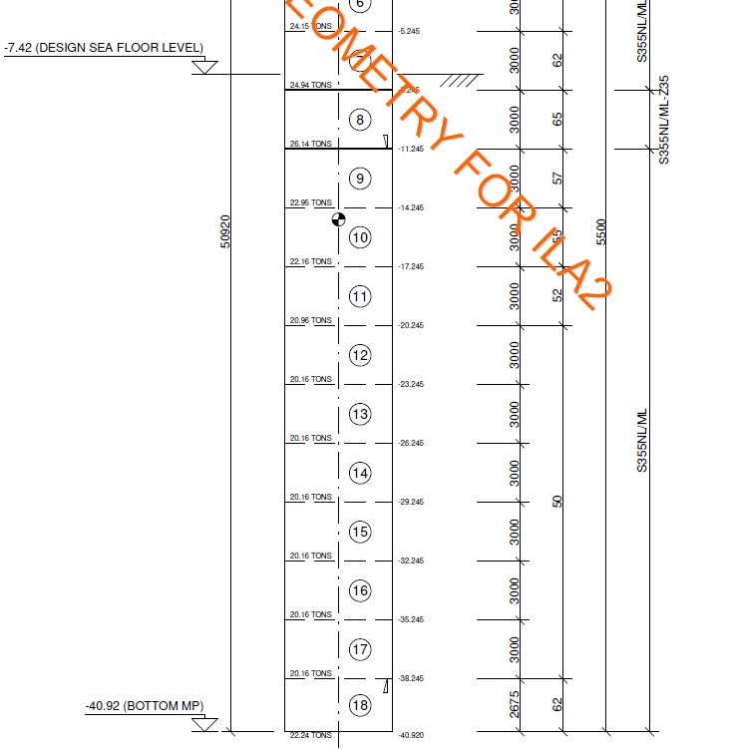
5 | 9.825 | 0.052 |  | 5 | 9.825 | 0.052 |  | 3
6 | 12.825 | 0.05 |  | 6 | 12.825 | 0.05 |  | 3
7 | 15.825 | 0.05 |  | 7 | 15.825 | 0.05 |  | 3
8 | 18.825 | 0.05 |  | 8 | 18.825 | 0.05 |  | 3
9 | 21.825 | 0.05 |  | 9 | 21.825 | 0.05 |  | 3
10 | 24.825 | 0.05 |  | 10 | 24.825 | 0.05 |  | 3
11 | 27.825 | 0.05 |  | 11 | 27.825 | 0.05 |  | 3
12 | 30.825 | 0.062 |  | 12 | 30.825 | 0.062 |  | 2.675

 |  |  |  |  |  |  |  |  |  |  |  |  |  |  |  |  |  |  |  |  |  |  |  |  |  |  |  |  |  |  | skin | tip | Nq
 |  |  |  |  |  |  |  |  |  |  |  |  |  |  |  |  |  |  |  |  |  |  |  |  |  |  |  |  |  | delta | f1 | q1
 |  |  |  |  |  |  |  |  |  |  |  |  |  |  |  |  |  |  |  |  |  |  |  |  |  |  |  |  |  | 15 | 48 | 1900 | 8
 |  |  |  |  |  |  |  |  |  |  |  |  |  |  |  |  |  |  |  |  |  |  |  |  |  |  |  |  |  | 16 | 51.8 | 2100 | 8.8
 |  |  |  |  |  |  |  |  |  |  |  |  |  |  |  |  |  |  |  |  |  |  |  |  |  |  |  |  |  | 17 | 55.6 | 2300 | 9.6
 |  |  |  |  |  |  |  |  |  |  |  |  |  |  |  |  |  |  |  |  |  |  |  |  |  |  |  |  |  | 18 | 59.4 | 2500 | 10.4
 |  |  |  |  |  |  |  |  |  |  |  |  |  |  |  |  |  |  |  |  |  |  |  |  |  |  |  |  |  | 19 | 63.2 | 2700 | 11.2
 |  |  |  |  |  |  |  |  |  |  |  |  |  |  |  |  |  |  |  |  |  |  |  |  |  |  |  |  |  | 20 | 67 | 2900 | 12
 |  |  |  |  |  |  |  |  |  |  |  |  |  |  |  |  |  |  |  |  |  |  |  |  |  |  |  |  |  | 21 | 69.8 | 3280 | 13.6
 |  |  |  |  |  |  |  |  |  |  |  |  |  |  |  |  |  |  |  |  |  |  |  |  |  |  |  |  |  | 22 | 72.6 | 3660 | 15.2
 |  |  |  |  |  |  |  |  |  |  |  |  |  |  |  |  |  |  |  |  |  |  |  |  |  |  |  |  |  | 23 | 75.4 | 4040 | 16.8
 |  |  |  |  |  |  |  |  |  |  |  |  |  |  |  |  |  |  |  |  |  |  |  |  |  |  |  |  |  | 24 | 78.2 | 4420 | 18.4
 |  |  |  |  |  |  |  |  |  |  |  |  |  |  |  |  |  |  |  |  |  |  |  |  |  |  |  |  |  | 25 | 81 | 4800 | 20
 |  |  |  |  |  |  |  |  |  |  |  |  |  |  |  |  |  |  |  |  |  |  |  |  |  |  |  |  |  | 26 | 84 | 5760 | 24
 |  |  |  |  |  |  |  |  |  |  |  |  |  |  |  |  |  |  |  |  |  |  |  |  |  |  |  |  |  | 27 | 87 | 6720 | 28
 |  |  |  |  |  |  |  |  |  |  |  |  |  |  |  |  |  |  |  |  |  |  |  |  |  |  |  |  |  | 28 | 90 | 7680 | 32
 |  |  |  |  |  |  |  |  |  |  |  |  |  |  |  |  |  |  |  |  |  |  |  |  |  |  |  |  |  | 29 | 93 | 8640 | 36
 |  |  |  |  |  |  |  |  |  |  |  |  |  |  |  |  |  |  |  |  |  |  |  |  |  |  |  |  |  | 30 | 96 | 9600 | 40
 |  |  |  |  |  |  |  |  |  |  |  |  |  |  |  |  |  |  |  |  |  |  |  |  |  |  |  |  |  | 31 | 99.8 | 10080 | 42
 |  |  |  |  |  |  |  |  |  |  |  |  |  |  |  |  |  |  |  |  |  |  |  |  |  |  |  |  |  | 32 | 103.6 | 10560 | 44
 |  |  |  |  |  |  |  |  |  |  |  |  |  |  |  |  |  |  |  |  |  |  |  |  |  |  |  |  |  | 33 | 107.4 | 11040 | 46
 |  |  |  |  |  |  |  |  |  |  |  |  |  |  |  |  |  |  |  |  |  |  |  |  |  |  |  |  |  | 34 | 111.2 | 11520 | 48
 |  |  |  |  |  |  |  |  |  |  |  |  |  |  |  |  |  |  |  |  |  |  |  |  |  |  |  |  |  | 35 | 115 | 12000 | 50
 |  |  |  |  |  |  |  |  |  |  |  |  |  |  |  |  |  |  |  |  |  |  |  |  |  |  |  |  |  | 36
 |  |  |  |  |  |  |  |  |  |  |  |  |  |  |  |  |  |  |  |  |  |  |  |  |  |  |  |  |  | 37

