crypto_analysis
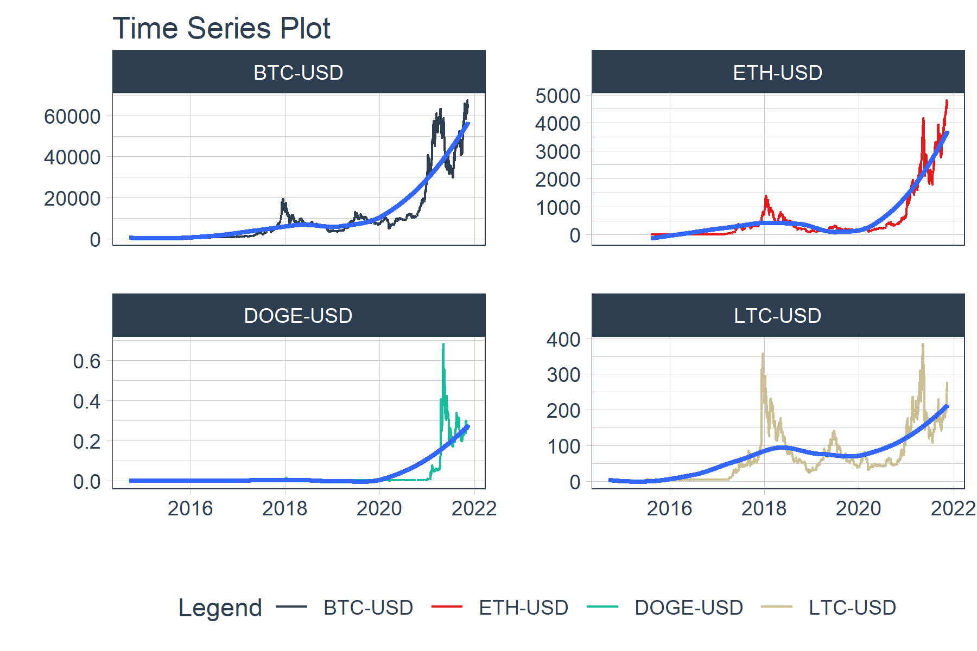
year | BTC-USD | DOGE-USD | LTC-USD | ETH-USD
2014 | -0.29987059239 | -0.30223880597 | -0.46250803096
2015 | 0.37014595302 | -0.17486338798 | 0.28940553158 | -0.66323896512
2016 | 1.218898239 | 0.44805194805 | 0.23263455477 | 7.4060108183
2017 | 13.180151975 | 38.350877193 | 50.44438945 | 91.594247709
2018 | -0.72595404727 | -0.73667078235 | -0.86697016004 | -0.82738651255
2019 | 0.87161744535 | -0.15217391304 | 0.29268799861 | -0.07959525495
2020 | 3.0279192461 | 1.3030004919 | 1.967565255 | 4.6406124885
2021 | 1.2287226905 | 45.246613896 | 1.2023824984 | 5.3342886218

