Sprint 3 Backlog and Burndown
 | Class | CST-247
 | Developers | Vrijesh Patel, Tyler Wiggins
 | Description | Burndown
 | Date | 2021-04-18
Minesweeper - Sprints
 |  |  |  |  |  | Available working hours in the sprint |  |  |  | Days in sprint: | 4.5
 |  |  |  |  |  |  | M | Tu | W | Th | F | Total
 |  |  |  |  |  | Developers | <DD> Sprint Planning | <DD> Sprint Planning | <DD> Sprint Planning | <DD> Sprint Planning | <DD> Sprint Review + Retrospective
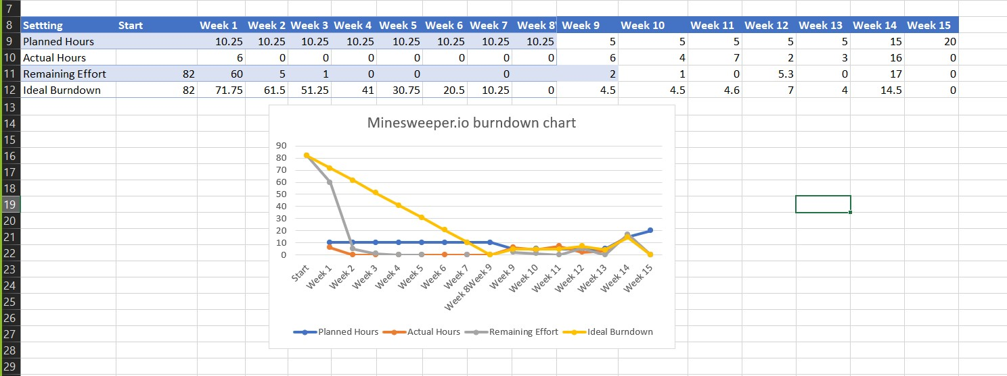
 |  |  |  |  |  | Vrijesh Patel | 5 | 2 | 4 | 4 | 2 | 17
 |  |  |  |  |  | Tyler Wiggins | 4 | 3 | 3 | 3 | 2 | 15
 |  |  |  |  |  |  |  |  |  |  | Total sprint hours: | 32
 |  |  |  |  |  |  |  |  |  |  | Total per day: | 7

 | Completely Updated burndown chart

 |  |  |  |  |  |  | M | Tu | W | Th | F
 |  |  |  |  | Story Points | Responsible | <DD> Sprint Planning | <DD> Sprint Planning | <DD> Sprint Planning | <DD> Sprint Planning | <DD> Sprint Review + Retrospective | Done (Y) | Accepted (Y/N)
Feature Burndown - Based on estimated hours remaining |  |  |  |  | 45 | All | 45 | 45 | 45 | 45 | 45
 |  |  |  |  | 3 | All | 3 | 3 | 3 | 3 | 3
ID | Task | Description | Acceptance Criteria | Type
0001 | Create Minewseeper Board | As a user, I want to play Minesweeper | When I login, I can play minesweeper. | Requirement
 | Finish Game Logic | Build View | View must interact with user. | Required |  |  | 27 | 27 | 27 | 27 | 27
 |  |  |  |  |  |  | 27 | 20 | 14 | 7 | 0
 |  |  |  |  |  | Day: | 1 | 2 | 3 | 4 | 5
Actual Hrs Remaining
Schedule Hrs Remaining

Issues
Team Member
N/A

Design Report
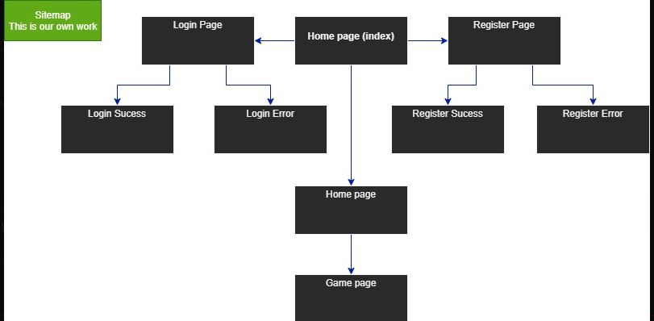
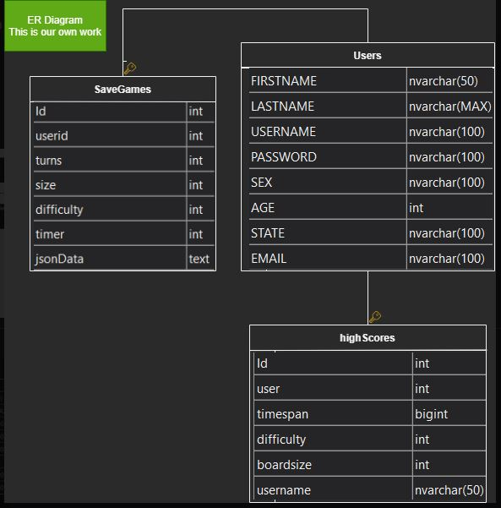
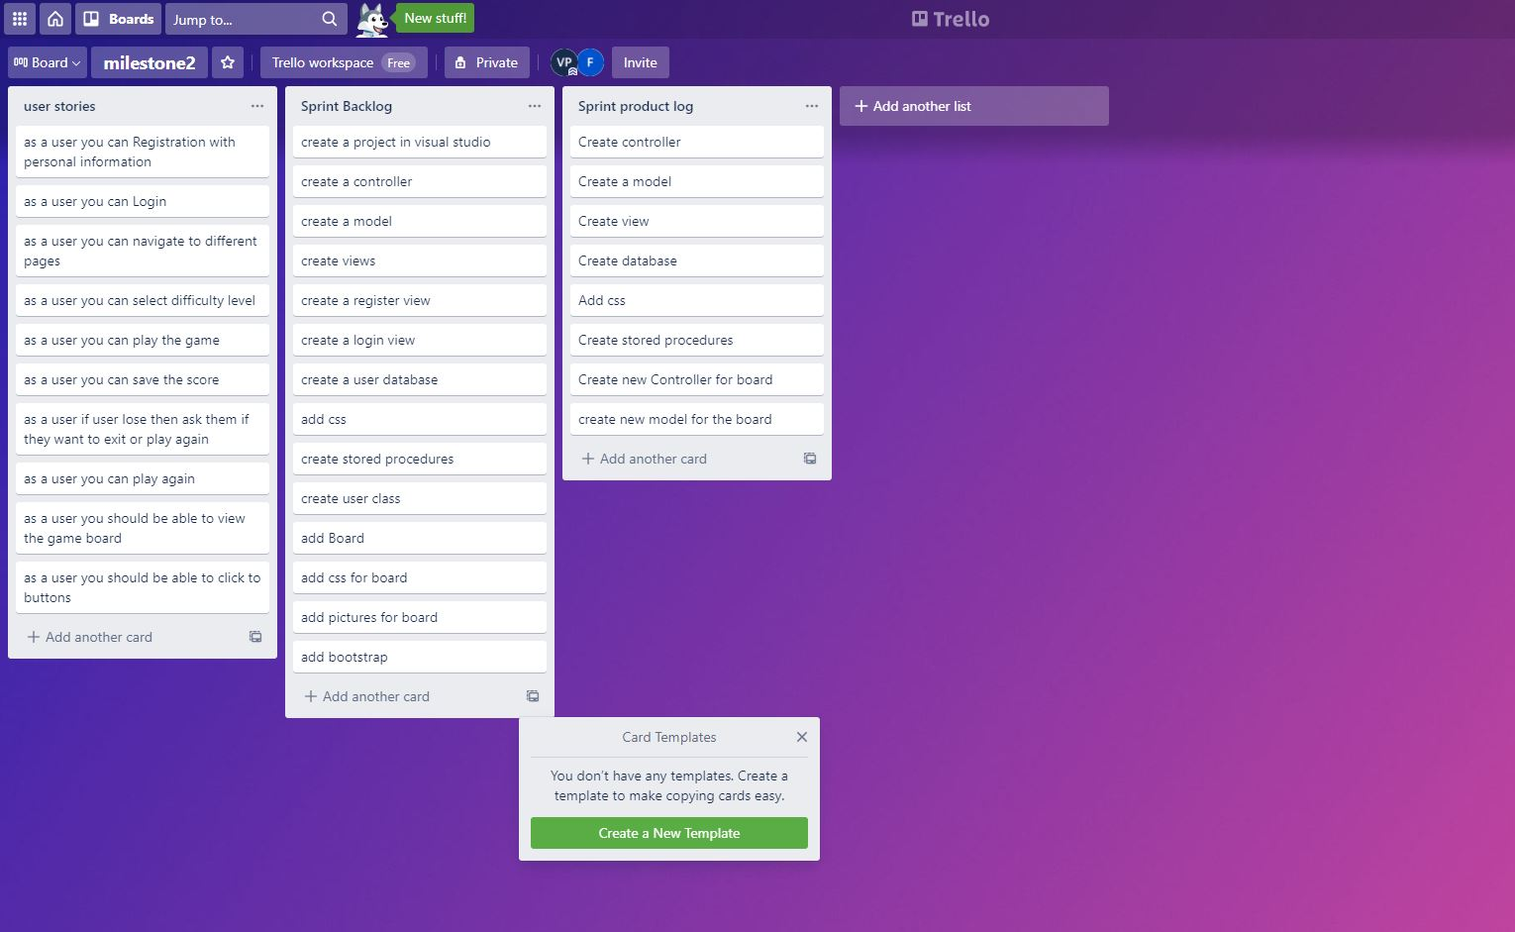
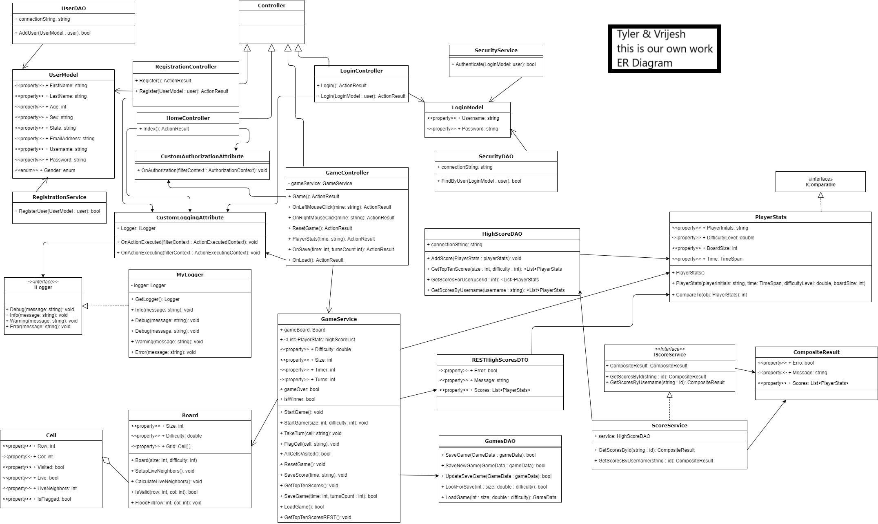
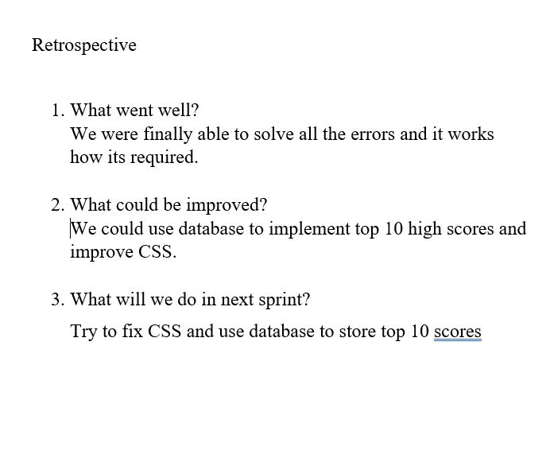
 | Class | CST-247
 | Students | Vrijesh Patel, Tyler Wiggins
 | Description | Site map and Diagram

Current Diagram |  |  | Class Diagram | Sprint Backlog | Sprint Productlog

