Sheet1

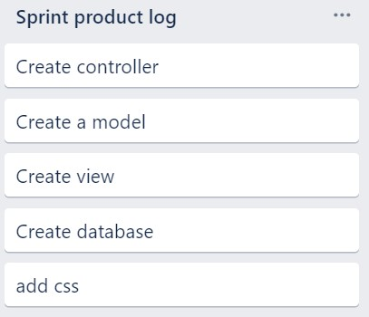
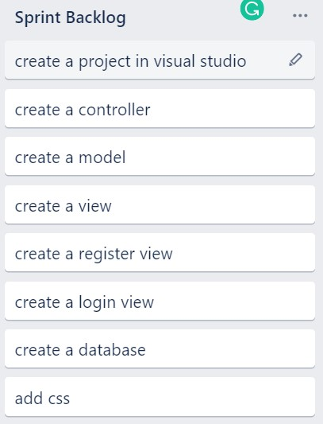
Minesweeper App
 | Planned Hours | Actual Hours | Remaining Effort | Ideal Burndown
Start |  |  | 82 | 82
Week 1 | 10.25 | 6 | 60 | 71.75
Week 2 | 10.25 | 0 |  | 61.5
Week 3 | 10.25 | 0 |  | 51.25
Week 4 | 10.25 | 0 |  | 41
Week 5 | 10.25 | 0 |  | 30.75
Week 6 | 10.25 | 0 |  | 20.5
Week 7 | 10.25 | 0 |  | 10.25
Week 8 | 10.25 | 0 |  | 0
Feature | Initial Estimate | Week 1 | Week 2 | Week 3 | Week 4 | Week 5 | Week 6 | Week 7 | Week 8 | Hours Left
User Story | 40 | 1 | 0 | 0 | 0 | 0 | 0 | 0 | 0 | 0
Sprint Product Log | 20 | 1 | 0 | 0 | 0 | 0 | 0 | 0 | 0 | 0
Spint backlog | 20 | 1 | 0 | 0 | 0 | 0 | 0 | 0 | 0 | 0
Any extra work | 2 | 1 | 0 | 0 | 0 | 0 | 0 | 0 | 0 | 0

Settting | Start | Week 1 | Week 2 | Week 3 | Week 4 | Week 5 | Week 6 | Week 7 | Week 8
Planned Hours |  | 10.25 | 10.25 | 10.25 | 10.25 | 10.25 | 10.25 | 10.25 | 10.25
Actual Hours |  | 6 | 0 | 0 | 0 | 0 | 0 | 0 | 0
Remaining Effort | 82 | 60
Ideal Burndown | 82 | 71.75 | 61.5 | 51.25 | 41 | 30.75 | 20.5 | 10.25 | 0

