Figure Thèse Theresa
Fig3.5. Dévelopement en comparant DIV11, DIV12, DIV14 et DIV15.
93 neurons were analysed originating from 8 independent cultures
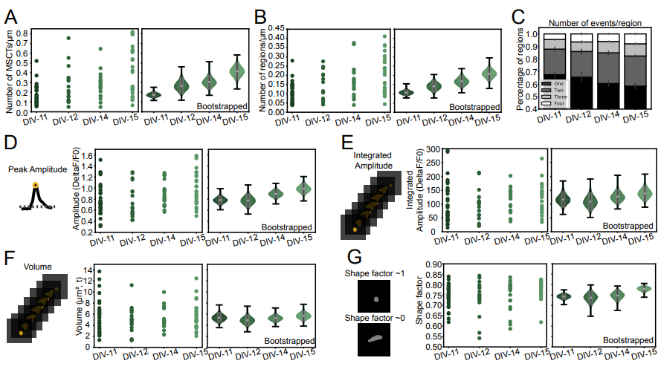

Fig 3.6. Homeostatic plasticity. Comparaison avec ctrl à DIV 9 et DIV16.
21, 27, 27, 25 Neurons ,DIV9 CTRL, DIV9 TTX, DIV16 CTRL, DIV16 TTX respectively, were analysed originating from 4 independent cultures
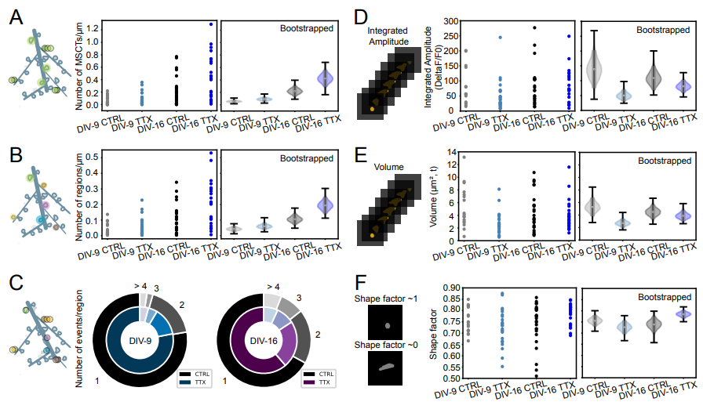

Fig3.6. 3.7 et 3.8 ctrl vs cLTP vs cLTP+APV
10, 10, 8 neurons for CTRL, cLTP, cLTP+APV, respectively, were analysed from 3 (CTRL and cLTP) and 2 (cLTP+APV) independent culture weeks.
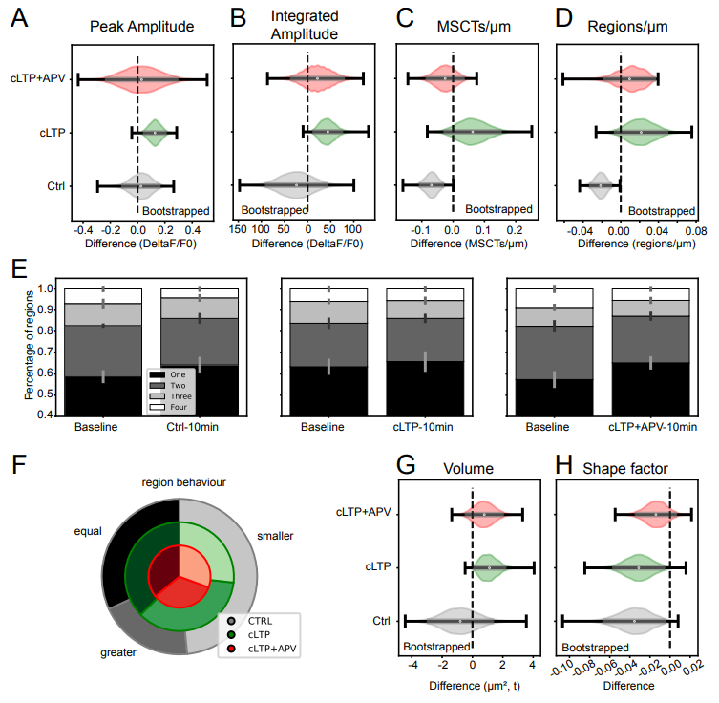
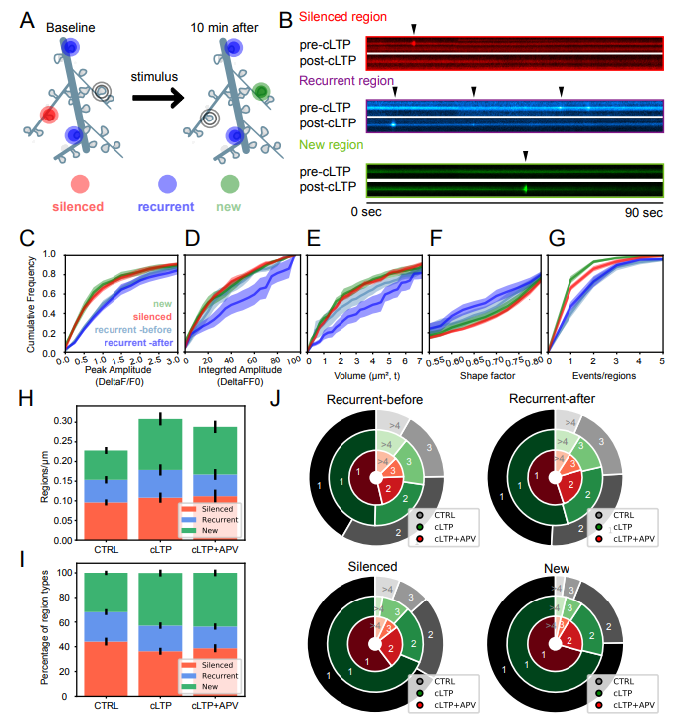
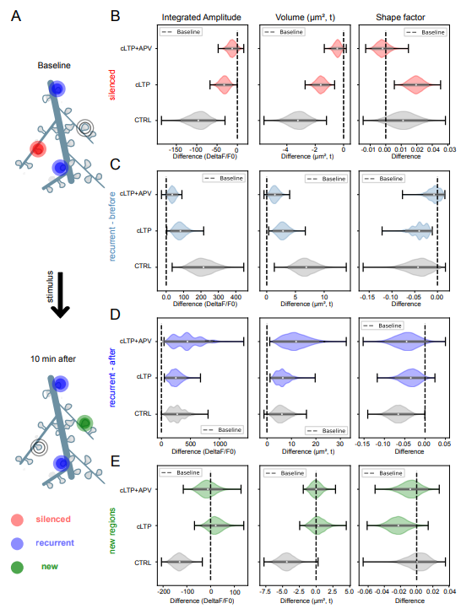
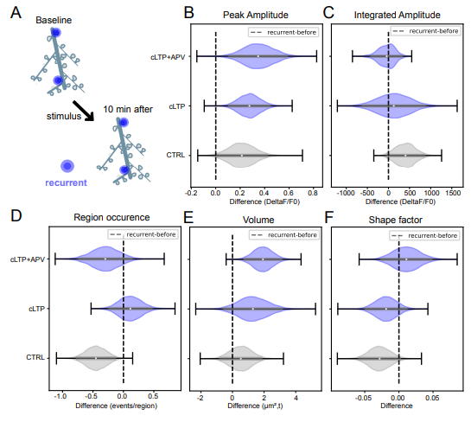

Dans la liste results_CTRL_10min.csv, il y a 11 neurones. | Dans la liste results_cLTP, il y a 11 neurones au lieu de 10!!: | * le nombre de neurone ne correspond pas à la légende, et je ne trouve pas les autres listes de neurones.
116 | 112
117 | 114
122 | 120
123 | 121
125 | 128
130 | 131
134 | 132
135 | 138
252 | 246
253 | 249
257 | 256

comparaison minifinder Neuron10
Exemple utilisé en train: \\PDK-NAS\Users\twiesner\image\DATA\2017\2017-07-12\cs3-CTRL

weird par contre parce que des pixels vraiment intenses au centre ne sont pas détectés… comme si ça a été fait avant qu'on ajoute la valeur de ksdtimecourse qui réduit le seuil pour trouver tous les points du pics, et non pas seulement près de son max.
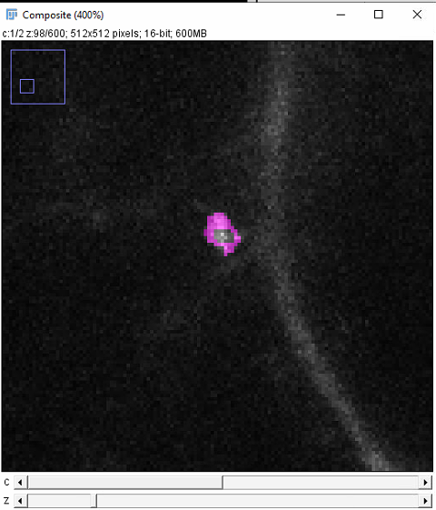
 | 1 | 5349
 | 2 | 4925 | 558.60406146
 | 3 | 5561 | 5077.6195652
 | 4 | 5188
 | 5 | 6554
 | 6 | 5076
 | 7 | 5671
 | 8 | 5741
 | 9 | 5941
 | 10 | 4865
 | 11 | 4161
 | 12 | 4694
 | 13 | 4549
 | 14 | 5100
 | 15 | 6154
 | 16 | 5729
 | 17 | 6267
 | 18 | 4794
 | 19 | 4777
 | 20 | 4622
 | 21 | 5036
 | 22 | 4803
 | 23 | 4691
 | 24 | 5843
 | 25 | 5113
 | 26 | 5704
 | 27 | 5293
 | 28 | 6133
Quand je roule le code actuel de minifinder, la détection est plus large, et le centre est détecté au même endroit, même plan | 29 | 5731
 | 30 | 5584
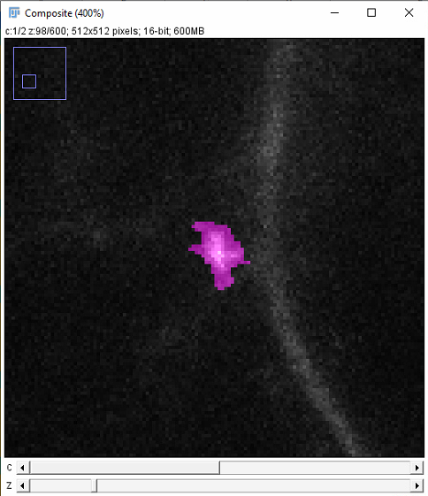
 | 31 | 5473
 | 32 | 6502
 | 33 | 4530
 | 34 | 4827
 | 35 | 5835
 | 36 | 5508
 | 37 | 5525
 | 38 | 5143
 | 39 | 5556
 | 40 | 4562
 | 41 | 4389
 | 42 | 4688
 | 43 | 5462
 | 44 | 5672
 | 45 | 4713
 | 46 | 5005
 | 47 | 4301
 | 48 | 5448
 | 49 | 4786
 | 50 | 3759
 | 51 | 6070
 | 52 | 4721
 | 53 | 4631
 | 54 | 6033
 | 55 | 6065
 | 56 | 5357
 | 57 | 5368
 | 58 | 5755
 | 59 | 5074
détection semble ok en général
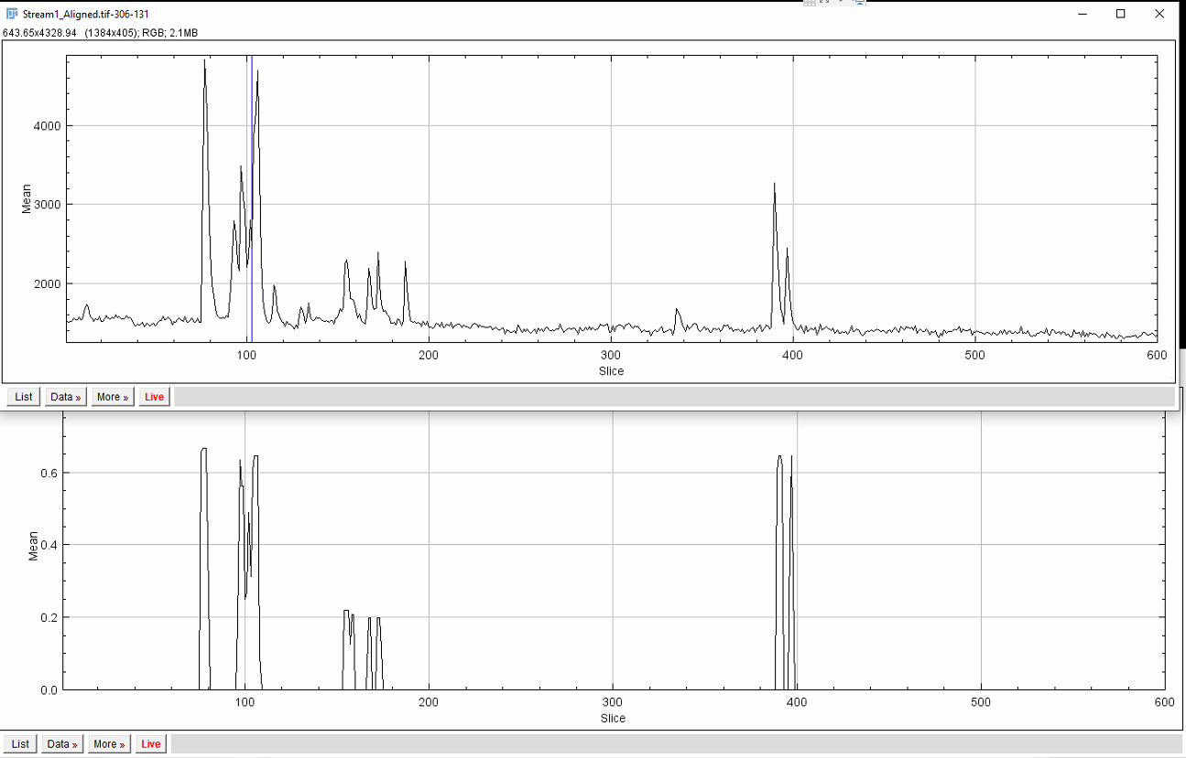

 | 103 | 6077
 | 104 | 4677
 | 105 | 5516
 | 106 | 5408
 | 107 | 5285
 | 108 | 5711
 | 109 | 5179
 | 110 | 4836
 | 111 | 5019
 | 112 | 3943
 | 113 | 4801
 | 114 | 4341
 | 115 | 4524
 | 116 | 4349
 | 117 | 4850
 | 118 | 5150
 | 119 | 4607
 | 120 | 4820
 | 121 | 3943
 | 122 | 5274
 | 123 | 4906
 | 124 | 6015
 | 125 | 4681
 | 126 | 4390
 | 127 | 5373
 | 128 | 4928
 | 129 | 5186
 | 130 | 4638
 | 131 | 4072
 | 132 | 5417
 | 133 | 4723
 | 134 | 4738
 | 135 | 4114
 | 136 | 5171
 | 137 | 5037
 | 138 | 5252
 | 139 | 5047
 | 140 | 5661
 | 141 | 4674
 | 142 | 4473
 | 143 | 5625
 | 144 | 4630
 | 145 | 4362
 | 146 | 5469
 | 147 | 4994
 | 148 | 4867
 | 149 | 4950
 | 150 | 4946
 | 151 | 5598
 | 152 | 5365
 | 153 | 5508
 | 154 | 4418
 | 155 | 5126
 | 156 | 5281
 | 157 | 5389
 | 158 | 4944
 | 159 | 5057
 | 160 | 5194
 | 161 | 4235
 | 162 | 5559
 | 163 | 4802
 | 164 | 4596
 | 165 | 5094
 | 166 | 4687
 | 167 | 4831
 | 168 | 5245
 | 169 | 4588
 | 170 | 4338
 | 171 | 5330
 | 172 | 5762
 | 173 | 5454
 | 174 | 5500
 | 175 | 5081
 | 176 | 4836
 | 177 | 4973
 | 178 | 5118
 | 179 | 5065
 | 180 | 5308
 | 181 | 6413
 | 182 | 4344
 | 183 | 5643
 | 184 | 4805
 | 185 | 4835
 | 186 | 4973
 | 187 | 5642
 | 188 | 4880
 | 189 | 5871
 | 190 | 5058
 | 191 | 5390
 | 192 | 5623
 | 193 | 4720
 | 194 | 4653
 | 195 | 5130
 | 196 | 4653
 | 197 | 4519
 | 198 | 4469
 | 199 | 5844
 | 200 | 6266
 | 201 | 5002
 | 202 | 4626
 | 203 | 5395
 | 204 | 5078
 | 205 | 5589
 | 206 | 4978
 | 207 | 4707
 | 208 | 4656
 | 209 | 5554
 | 210 | 5350
 | 211 | 5798
 | 212 | 5397
 | 213 | 5980
 | 214 | 4768
 | 215 | 5193
 | 216 | 4894
 | 217 | 4651
 | 218 | 4649
 | 219 | 5100
 | 220 | 5590
 | 221 | 4668
 | 222 | 5980
 | 223 | 5272
 | 224 | 5795
 | 225 | 5331
 | 226 | 4866
 | 227 | 4751
 | 228 | 5439
 | 229 | 5467
 | 230 | 4903
 | 231 | 4807
 | 232 | 4644
 | 233 | 4550
 | 234 | 5842
 | 235 | 6154
 | 236 | 5356
 | 237 | 5188
 | 238 | 4849
 | 239 | 4515
 | 240 | 4746
 | 241 | 5194
 | 242 | 4538
 | 243 | 4775
 | 244 | 5753
 | 245 | 4793
 | 246 | 3572
 | 247 | 4651
 | 248 | 5313
 | 249 | 4960
 | 250 | 4559
 | 251 | 4527
 | 252 | 5091
 | 253 | 5270
 | 254 | 5114
 | 255 | 4668
 | 256 | 3639
 | 257 | 4418
 | 258 | 3996
 | 259 | 5482
 | 260 | 4707
 | 261 | 5316
 | 262 | 5233
 | 263 | 4878
 | 264 | 3985
 | 265 | 5513
 | 266 | 4847
 | 267 | 3689
 | 268 | 5007
 | 269 | 5182
 | 270 | 4866
 | 271 | 5109
 | 272 | 4061
 | 273 | 5078
 | 274 | 4820
 | 275 | 5764
 | 276 | 3359
 | 277 | 4879
 | 278 | 5245
 | 279 | 4738
 | 280 | 5185
 | 281 | 4166
 | 282 | 4969
 | 283 | 5326
 | 284 | 4781
 | 285 | 4747
 | 286 | 4188
 | 287 | 5859
 | 288 | 5526
 | 289 | 4781
 | 290 | 5139
 | 291 | 4893
 | 292 | 4279
 | 293 | 5148
 | 294 | 6070
 | 295 | 6215
 | 296 | 4839
 | 297 | 6054
 | 298 | 5012
 | 299 | 4718
 | 300 | 5224
 | 301 | 5113
 | 302 | 5861
 | 303 | 6051
 | 304 | 5838
 | 305 | 5448
 | 306 | 4862
 | 307 | 5591
 | 308 | 5812
 | 309 | 6196
 | 310 | 5865
 | 311 | 4762
 | 312 | 5261
 | 313 | 5586
 | 314 | 5492 |  | 4stdev | 2stdev
 | 315 |  | 11513 | 7312.035811 | 6194.8276881
 | 316 |  | 8664
 | 317 |  | 7605
 | 318 |  | 7258
 | 319 |  | 6821 |  | **il me semble qu'avant on ajustait la détection seulement un seuil plus bas pour le decay… ce qui ne semble pas ici, mais pourtant, dans le cas, le ksdtimecourse est bien de 2!!! Et le ksd de 4.
 | 320 | 5397
 | 321 | 4950
 | 322 | 4932
 | 323 | 5312
 | 324 | 4561
 | 325 | 5969
 | 326 | 5453
 | 327 | 4609
 | 328 | 4591
 | 329 | 5055
 | 330 | 4596
 | 331 | 4308
 | 332 | 5490
 | 333 | 5040
 | 334 | 4950
 | 335 | 4576
 | 336 | 4436
 | 337 | 5763
 | 338 | 5984
 | 339 | 4814
 | 340 | 5405
 | 341 | 4491
 | 342 | 4394
 | 343 | 3947
 | 344 | 4215
 | 345 | 3342
 | 346 | 5002
 | 347 | 4565
 | 348 | 4017
 | 349 | 4126
 | 350 | 3758
 | 351 | 4752
 | 352 | 5328
 | 353 | 4756
 | 354 | 5273
 | 355 | 4107
 | 356 | 5145
 | 357 | 4849
 | 358 | 4893
 | 359 | 3964
 | 360 | 4898
 | 361 | 4964
 | 362 | 4642
 | 363 | 4278
 | 364 | 5076
 | 365 | 5004
 | 366 | 5049
 | 367 | 4306
 | 368 | 4667
 | 369 | 4638
 | 370 | 5738
 | 371 | 5602
 | 372 | 4302
 | 373 | 4390
 | 374 | 5909
 | 375 | 4200
 | 376 | 4871
 | 377 | 4879
 | 378 | 4143
 | 379 | 4457
 | 380 | 5611
 | 381 | 4795
 | 382 | 5590
 | 383 | 6149
 | 384 | 4572
 | 385 | 5222
 | 386 | 4637
 | 387 | 5474
 | 388 | 4448
 | 389 | 4177
 | 390 | 5326
 | 391 | 5211
 | 392 | 5491
 | 393 | 4671
 | 394 | 5836
 | 395 | 5055
 | 396 | 4896
 | 397 | 5334
 | 398 | 4676
 | 399 | 5395
 | 400 | 5831
 | 401 | 4919
 | 402 | 5400
 | 403 | 5351
 | 404 | 4799
 | 405 | 5177
 | 406 | 5698
 | 407 | 5060
 | 408 | 3724
 | 409 | 4631
 | 410 | 4847
 | 411 | 4402
 | 412 | 4866
 | 413 | 4737
 | 414 | 4446
 | 415 | 5060
 | 416 | 5254
 | 417 | 4537
 | 418 | 4964
 | 419 | 4338
 | 420 | 5265
 | 421 | 4183
 | 422 | 5909
 | 423 | 5333
 | 424 | 5116
 | 425 | 5294
 | 426 | 4720
 | 427 | 4965
 | 428 | 5075
 | 429 | 5149
 | 430 | 4710
 | 431 | 5166
 | 432 | 5095
 | 433 | 6020
 | 434 | 6524
 | 435 | 4839
 | 436 | 4828
 | 437 | 4867
 | 438 | 4401
 | 439 | 5523
 | 440 | 5189
 | 441 | 5249
 | 442 | 5589
 | 443 | 5347
 | 444 | 5350
 | 445 | 5081
 | 446 | 4746
 | 447 | 4453
 | 448 | 5304
 | 449 | 5133
 | 450 | 5345
 | 451 | 4886
 | 452 | 4901
 | 453 | 4827
 | 454 | 5349
 | 455 | 4819
 | 456 | 5313
 | 457 | 5642
 | 458 | 4797
 | 459 | 5123
 | 460 | 5391
 | 461 | 5685
 | 462 | 5046
 | 463 | 5403
 | 464 | 4876
 | 465 | 5623
 | 466 | 5847
 | 467 | 4990
 | 468 | 5045
 | 469 | 5671
 | 470 | 5273
 | 471 | 7519
 | 472 | 5436
 | 473 | 6024
 | 474 | 4652
 | 475 | 5699
 | 476 | 6076
 | 477 | 4654
 | 478 | 5001
 | 479 | 5815
 | 480 | 5637
 | 481 | 5556
 | 482 | 5276
 | 483 | 5794
 | 484 | 6011
 | 485 | 5271
 | 486 | 5798
 | 487 | 4797
 | 488 | 5367
 | 489 | 5213
 | 490 | 5677
 | 491 | 5579
 | 492 | 6335
 | 493 | 5353
 | 494 | 5998
 | 495 | 5247
 | 496 | 5110
 | 497 | 5284
 | 498 | 4341
 | 499 | 4806
 | 500 | 4650
 | 501 | 5033
 | 502 | 5635
 | 503 | 5795
 | 504 | 4760
 | 505 | 5912
 | 506 | 5924
 | 507 | 4470
 | 508 | 5400
 | 509 | 5941
 | 510 | 5087
 | 511 | 4777
 | 512 | 4351
 | 513 | 5008
 | 514 | 4786
 | 515 | 5585
 | 516 | 5167
 | 517 | 4241
 | 518 | 4593
 | 519 | 6074
 | 520 | 4701
 | 521 | 4201
 | 522 | 5076
 | 523 | 4498
 | 524 | 5436
 | 525 | 4949
 | 526 | 5057
 | 527 | 5022
 | 528 | 4972
 | 529 | 5881
 | 530 | 5018
 | 531 | 3815
 | 532 | 5004
 | 533 | 4634
 | 534 | 5783
 | 535 | 5316
 | 536 | 5217
 | 537 | 5306
 | 538 | 5197
 | 539 | 4900
 | 540 | 4845
 | 541 | 5446
 | 542 | 4716
 | 543 | 5669
 | 544 | 5433
 | 545 | 5281
 | 546 | 4881
 | 547 | 5780
 | 548 | 5116
 | 549 | 5569
 | 550 | 4245
 | 551 | 4601
 | 552 | 4928
 | 553 | 5065
 | 554 | 4904
 | 555 | 4721
 | 556 | 5050
 | 557 | 5080
 | 558 | 5308
 | 559 | 4641
 | 560 | 5259
 | 561 | 5285
 | 562 | 3706
 | 563 | 5025
 | 564 | 5543
 | 565 | 4993
 | 566 | 5761
 | 567 | 4989
 | 568 | 5666
 | 569 | 5692
 | 570 | 5225
 | 571 | 4718
 | 572 | 5400
 | 573 | 5818
 | 574 | 5507
 | 575 | 5741
 | 576 | 5167
 | 577 | 5637
 | 578 | 4235
 | 579 | 5032
 | 580 | 5836
 | 581 | 4310
 | 582 | 4109
 | 583 | 4692
 | 584 | 5569
 | 585 | 5389
 | 586 | 4490
 | 587 | 5015
 | 588 | 4710
 | 589 | 5006
 | 590 | 4581
 | 591 | 4480
 | 592 | 5663
 | 593 | 4695
 | 594 | 4932
 | 595 | 5119
 | 596 | 4675
 | 597 | 6051
 | 598 | 4454
 | 599 | 4330
 | 600 | 3961

