HeatMap
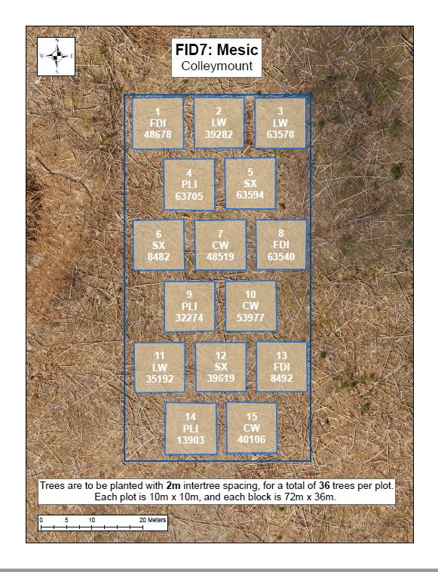
Good | Good | Good | Good | Fair | Good | Good | Good | Good | Good | Good | Good | Good | Good | Good | Good | Good | Good
Good | Good | Good | Good | Good | Good | Moribund | Good | Good | Good | Fair | Good | Good | Good | Good | Good | Good | Good
Good | Poor | Fair | Good | Good | Good | Good | Fair | Good | Dead | Good | Good | Good | Good | Fair | Fair | Good | Good
Good | Good | Good | Good | Good | Good | Fair | Good | Fair | Fair | Good | Good | Good | Good | Good | Good | Good | Good
Good | Good | Fair | Good | Fair | Good | Good | Good | Good | Good | Good | Fair | Good | Good | Good | Good | Good | Good
Good | Fair | Good | Good | Poor | Good | Good | Good | Fair | Good | Good | Good | Good | Good | Good | Fair | Fair | Good
 |  |  | Fair | Good | Good | Poor | Poor | Fair | Good | Good | Good | Fair | Good | Good
 |  |  | Good | Good | Good | Good | Good | Fair | Good | Good | Good | Good | Good | Good
 |  |  | Good | Fair | Good | Fair | Good | Good | Good | Good | Good | Good | Good | Good
 |  |  | Good | Good | Fair | Fair | Good | Good | Good | Good | Good | Good | Dead | Good
 |  |  | Fair | Poor | Fair | Good | Good | Good | Good | Good | Good | Good | Good | Good
 |  |  | Good | Good | Good | Good | Fair | Good | Good | Good | Good | Good | Good | Fair
Good | Good | Good | Good | Good | Good | Poor | Good | Good | Good | Good | Good | Good | Good | Good | Fair | Good | Good
Good | Good | Good | Good | Good | Good | Fair | Fair | Good | Good | Good | Good | Fair | Good | Fair | Good | Good | Good
Good | Good | Good | Good | Good | Good | Good | Fair | Fair | Fair | Fair | Good | Fair | Fair | Fair | Fair | Good | Good
Good | Good | Good | Good | Good | Good | Poor | Fair | Good | Fair | Good | Good | Good | Fair | Good | Good | Good | Good
Good | Good | Good | Good | Good | Good | Fair | Fair | Fair | Good | Good | Good | Good | Good | Fair | Fair | Fair | Fair
Good | Good | Good | Good | Good | Good | Good | Good | Fair | Good | Fair | Good | Good | Good | Good | Fair | Good | Fair
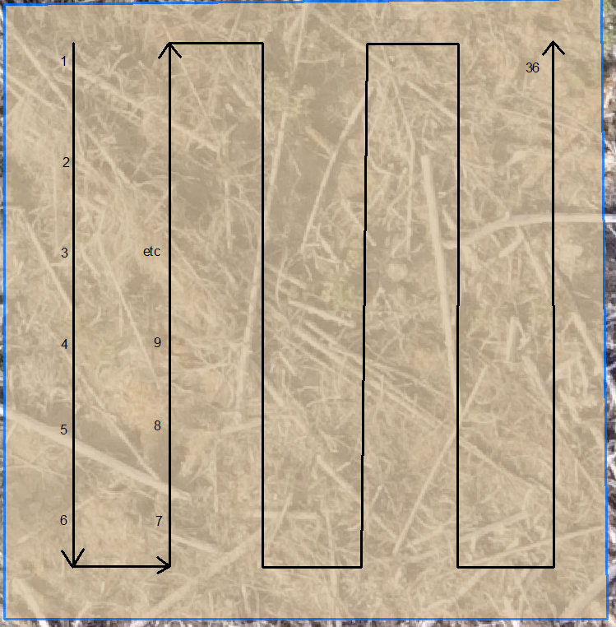
 |  |  | Good | Good | Fair | Fair | Good | Good | Good | Good | Good | Good | Good | Good
 |  |  | Good | Good | Good | Good | Good | Good | Good | Good | Good | Fair | Good | Fair
 |  |  | Good | Good | Good | Good | Good | Good | Good | Good | Good | Good | Good | Good
 |  |  | Good | Good | Good | Good | Good | Good | Good | Good | Good | Good | Good | Good
 |  |  | Good | Good | Good | Good | Good | Good | Good | Good | Good | Good | Good | Good
 |  |  | Good | Good | Good | Fair | Good | Good | Good | Good | Good | Good | Good | Good
Good | Good | Good | Good | Good | Good | Fair | Good | Good | Good | Good | Good | Good | Fair | Fair | Good | Fair | Good
Fair | Good | Good | Good | Good | Good | Good | Good | Good | Good | Good | Good | Fair | Good | Fair | Fair | Fair | Fair
Poor | Good | Good | Good | Good | Poor | Good | Fair | Good | Good | Good | Good | Fair | Good | Good | Poor | Good | Good
Good | Good | Fair | Good | Good | Good | Fair | Good | Good | Good | Good | Good | Fair | Fair | Good | Poor | Fair | Fair
Good | Good | Good | Good | Fair | Good | Good | Good | Good | Good | Good | Good | Good | Missing | Good | Good | Fair | Fair
Good | Good | Dead | Good | Fair | Good | Good | Good | Fair | Good | Good | Fair | Good | Good | Good | Good | Good | Good
 |  |  | Good | Good | Good | Good | Fair | Good | Good | Fair | Good | Good | Poor | Poor
 |  |  | Good | Good | Good | Poor | Fair | Good | Good | Good | Good | Poor | Good | Fair
 |  |  | Good | Good | Good | Good | Fair | Good | Good | Good | Good | Good | Fair | Poor
 |  |  | Good | Good | Good | Good | Fair | Fair | Fair | Good | Good | Good | Good | Good
 |  |  | Good | Good | Good | Good | Good | Good | Good | Good | Good | Good | Good | Good
 |  |  | Good | Good | Good | Good | Good | Good | Good | Good | Good | Fair | Fair | Good

