HeatMap
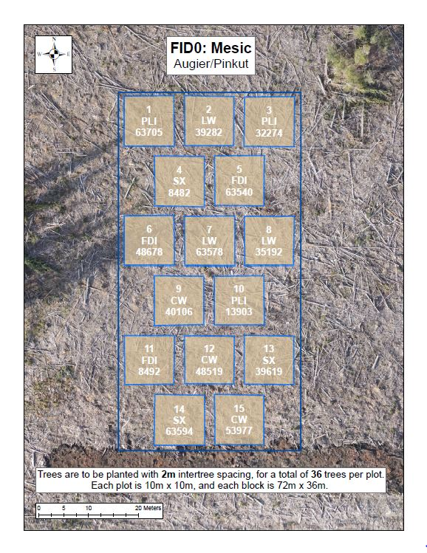
Good | Good | Fair | Good | Good | Fair | Fair | Fair | Poor | Dead | Fair | Poor | Good | Good | Good | Good | Good | Good
Good | Good | Good | Good | Good | Good | Good | Dead | Good | Good | Dead | Fair | Good | Fair | Good | Good | Good | Good
Good | Good | Good | Good | Good | Good | Good | Good | Good | Fair | Poor | Dead | Good | Good | Good | Good | Good | Good
Good | Good | Good | Good | Good | Good | Fair | Good | Fair | Good | Good | Dead | Good | Good | Good | Good | Good | Good
Fair | Good | Good | Good | Good | Good | Good | Poor | Good | Good | Fair | Good | Good | Good | Poor | Good | Good | Good
Good | Good | Good | Good | Fair | Good | Good | Good | Fair | Moribund | Good | Dead | Good | Good | Good | Fair | Good | Fair
 |  |  | Good | Good | Fair | Good | Good | Good | Fair | Good | Fair | Poor | Fair | Fair
 |  |  | Good | Good | Good | Good | Good | Good | Fair | Poor | Poor | Moribund | Fair | Fair
 |  |  | Good | Good | Good | Good | Good | Good | Poor | Fair | Dead | Fair | Fair | Fair
 |  |  | Good | Missing | Good | Good | Good | Good | Fair | Fair | Fair | Poor | Fair | Fair
 |  |  | Good | Good | Good | Fair | Good | Good | Fair | Poor | Fair | Fair | Fair | Poor
 |  |  | Good | Fair | Fair | Good | Good | Good | Poor | Fair | Fair | Good | Poor | Poor
Good | Good | Poor | Fair | Good | Good | Fair | Good | Poor | Dead | Good | Dead | Fair | Good | Poor | Dead | Good | Good
Good | Good | Good | Good | Fair | Fair | Fair | Good | Good | Good | Good | Fair | Fair | Dead | Good | Moribund | Fair | Good
Fair | Fair | Fair | Poor | Good | Good | Fair | Good | Good | Good | Good | Good | Good | Dead | Fair | Good | Good | Good
Fair | Fair | Fair | Fair | Fair | Dead | Fair | Fair | Good | Fair | Good | Good | Good | Good | Good | Good | Good | Good
Good | Fair | Fair | Fair | Good | Fair | Fair | Good | Good | Good | Good | Good | Good | Good | Good | Good | Fair | Good
Good | Good | Good | Good | Fair | Good | Good | Fair | Poor | Good | Good | Good | Good | Dead | Dead | Moribund | Poor | Good
 |  |  | Fair | Fair | Good | Fair | Good | Fair | Fair | Good | Good | Good | Good | Good
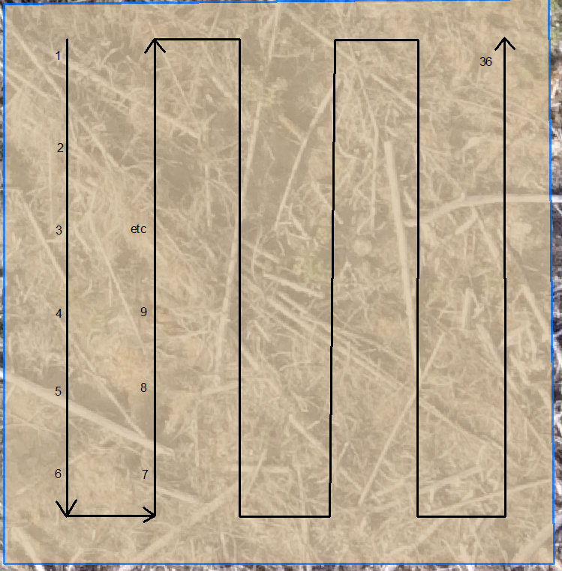
 |  |  | Fair | Poor | Poor | Good | Fair | Fair | Good | Good | Good | Good | Good | Good
 |  |  | Fair | Poor | Fair | Fair | Fair | Fair | Good | Good | Good | Fair | Good | Fair
 |  |  | Good | Fair | Fair | Fair | Fair | Fair | Good | Good | Good | Poor | Good | Fair
 |  |  | Fair | Poor | Fair | Fair | Fair | Good | Good | Fair | Good | Good | Good | Good
 |  |  | Fair | Fair | Good | Fair | Poor | Fair | Good | Good | Good | Good | Good | Good
Poor | Poor | Good | Good | Fair | Poor | Fair | Good | Fair | Fair | Fair | Fair | Good | Good | Good | Fair | Good | Good
Fair | Fair | Poor | Fair | Fair | Good | Good | Good | Poor | Fair | Good | Fair | Good | Good | Good | Poor | Good | Fair
Good | Fair | Good | Good | Dead | Fair | Good | Fair | Poor | Fair | Poor | Fair | Good | Fair | Good | Good | Good | Poor
Good | Fair | Fair | Good | Fair | Good | Good | Fair | Poor | Poor | Fair | Fair | Fair | Good | Fair | Fair | Poor | Fair
Good | Poor | Fair | Dead | Poor | Fair | Fair | Fair | Poor | Poor | Fair | Fair | Fair | Fair | Good | Fair | Fair | Fair
Dead | Dead | Poor | Poor | Poor | Fair | Fair | Fair | Fair | Poor | Fair | Good | Good | Good | Fair | Good | Fair | Good
 |  |  | Good | Good | Poor | Good | Dead | Dead | Fair | Fair | Dead | Good | Good | Good
 |  |  | Poor | Good | Good | Poor | Dead | Good | Dead | Moribund | Fair | Fair | Fair | Fair
 |  |  | Poor | Poor | Dead | Poor | Good | Dead | Fair | Good | Fair | Fair | Fair | Poor
 |  |  | Good | Fair | Good | Poor | Poor | Poor | Poor | Good | Fair | Fair | Good | Fair
 |  |  | Dead | Dead | Good | Poor | Good | Good | Fair | Fair | Fair | Fair | Good | Poor
 |  |  | Good | Good | Good | Fair | Good | Dead | Fair | Poor | Fair | Poor | Good | Poor

