HeatMap
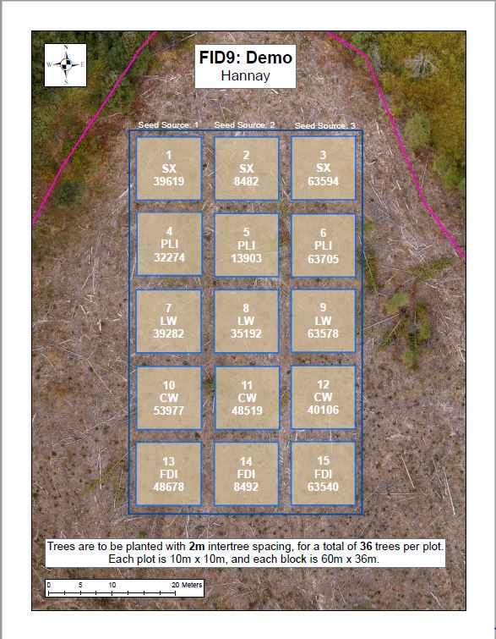
Good | Good | Good | Good | Good | Good | Fair | Good | Fair | Good | Good | Poor | Poor | Good | Good | Good | Fair | Good
Good | Good | Good | Good | Good | Good | Good | Good | Fair | Fair | Good | Fair | Good | Good | Good | Good | Good | Good
Good | Good | Good | Good | Good | Good | Good | Good | Good | Good | Good | Fair | Good | Fair | Good | Good | Good | Good
Good | Good | Good | Good | Good | Fair | Fair | Good | Good | Good | Good | Good | Good | Good | Good | Good | Good | Good
Good | Good | Good | Good | Good | Good | Good | Good | Good | Good | Good | Fair | Good | Good | Good | Good | Good | Good
Good | Good | Good | Good | Fair | Fair | Good | Good | Fair | Good | Good | Good | Good | Good | Good | Good | Good | Good
Fair | Good | Good | Good | Good | Good | Good | Good | Good | Fair | Good | Good | Good | Good | Good | Good | Good | Good
Good | Good | Good | Good | Good | Good | Fair | Good | Fair | Good | Good | Good | Good | Good | Good | Good | Good | Fair
Good | Good | Good | Good | Good | Good | Good | Good | Good | Good | Fair | Good | Good | Good | Poor | Good | Good | Good
Good | Good | Good | Good | Good | Poor | Fair | Fair | Good | Good | Good | Good | Good | Good | Good | Good | Good | Good
Fair | Good | Good | Good | Good | Good | Good | Good | Good | Good | Good | Good | Good | Good | Good | Good | Good | Good
Good | Fair | Good | Good | Good | Good | Good | Good | Good | Good | Good | Good | Good | Good | Good | Good | Good | Good
Good | Fair | Good | Dead | Good | Good | Good | Good | Fair | Good | Fair | Good | Good | Good | Good | Fair | Good | Good
Poor | Fair | Good | Dead | Fair | Good | Good | Good | Good | Good | Good | Fair | Good | Good | Good | Good | Good | Good
Fair | Good | Good | Fair | Fair | Dead | Dead | Missing | Good | Fair | Good | Fair | Good | Good | Good | Fair | Good | Poor
Good | Good | Good | Missing | Dead | Good | Dead | Good | Good | Fair | Fair | Poor | Fair | Fair | Fair | Good | Good | Fair
Fair | Good | Good | Good | Fair | Good | Good | Good | Good | Good | Fair | Good | Good | Good | Fair | Fair | Poor | Good
Good | Poor | Good | Good | Good | Good | Good | Dead | Good | Fair | Fair | Good | Fair | Fair | Good | Good | Fair | Fair
Good | Good | Good | Fair | Fair | Good | Fair | Good | Good | Good | Good | Good | Good | Good | Good | Fair | Good | Good
Fair | Good | Good | Good | Fair | Good | Fair | Fair | Good | Fair | Good | Good | Good | Poor | Poor | Good | Good | Good
Good | Good | Good | Good | Good | Good | Poor | Good | Good | Good | Good | Good | Good | Fair | Fair | Poor | Fair | Good
Good | Good | Good | Good | Good | Fair | Fair | Fair | Good | Good | Good | Good | Fair | Fair | Fair | Fair | Good | Fair
Good | Good | Missing | Poor | Fair | Good | Good | Poor | Fair | Fair | Good | Good | Good | Poor | Fair | Poor | Fair | Fair
Good | Fair | Good | Good | Poor | Good | Fair | Fair | Good | Good | Good | Good | Fair | Fair | Fair | Fair | Fair | Fair
Fair | Poor | Fair | Fair | Fair | Fair | Fair | Good | Good | Fair | Good | Good | Poor | Poor | Fair | Poor | Fair | Fair
Fair | Poor | Good | Fair | Good | Fair | Fair | Fair | Fair | Fair | Good | Fair | Fair | Poor | Fair | Poor | Fair | Fair
Fair | Fair | Good | Good | Poor | Poor | Fair | Fair | Fair | Good | Poor | Fair | Fair | Poor | Fair | Poor | Poor | Good
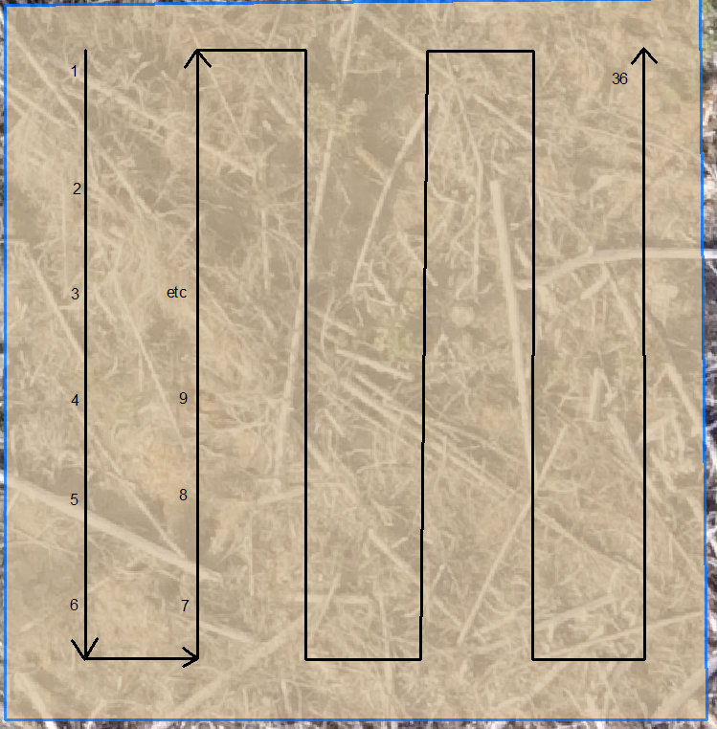
Poor | Fair | Good | Fair | Fair | Fair | Fair | Good | Good | Good | Fair | Fair | Poor | Fair | Poor | Fair | Poor | Fair
Good | Poor | Good | Fair | Fair | Fair | Good | Good | Good | Good | Good | Poor | Poor | Fair | Fair | Fair | Fair | Poor
Poor | Fair | Fair | Fair | Poor | Fair | Good | Fair | Poor | Fair | Fair | Fair | Good | Fair | Fair | Fair | Fair | Poor

