Sheet 1
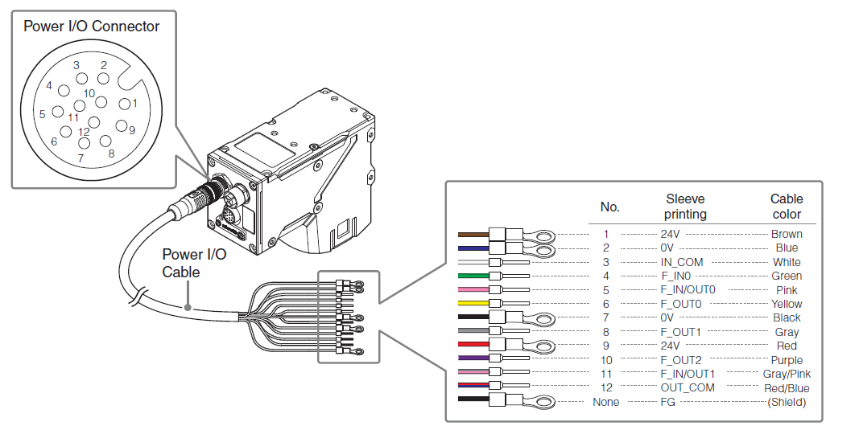
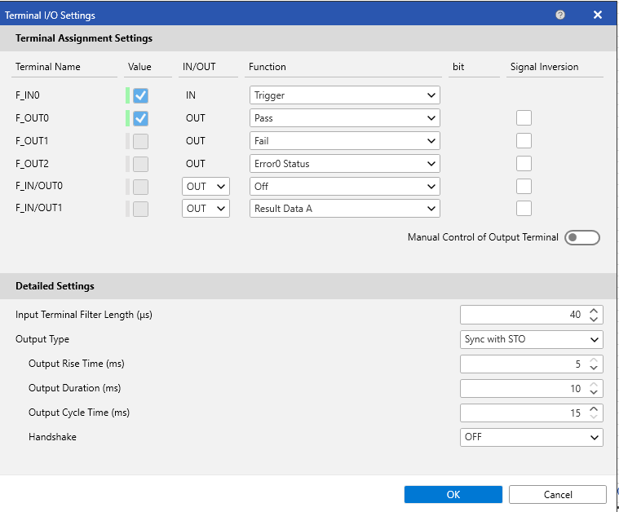
Keyence <-> CTM
Keyence Pin No. | Sleeve Printing | Cable Color | Function | CTM Connection
1 | 24V | Brown | Power Supply +24V | Cam_Pwrx (1)
2 | 0V | Blue | Power Supply 0V | Cam_GNDx (2)
3 | IN_COM | White | Input Common (0V) | Cam_GNDx (2)
4 | F_IN0 | Green | Trigger Input | Trigx (6)
5 | F_IN/OUT0 | Pink
6 | F_OUT0 | Yellow
7 | 0V | Black | Power Supply 0V | Cam_GNDx (2)
8 | F_OUT1 | Gray
9 | 24V | Red | Power Supply +24V | Cam_Pwrx (1)
10 | F_OUT2 | Purple
11 | F_IN/OUT1 | Gray/Pink | Sync Signal | Syncx (3)
12 | OUT_COM | Red/Blue | Output Common (0V) | Cam_GNDx (2)
FG | FG | Shield | Cable Shield | Earth / Chassis Ground

