Main Agreement record
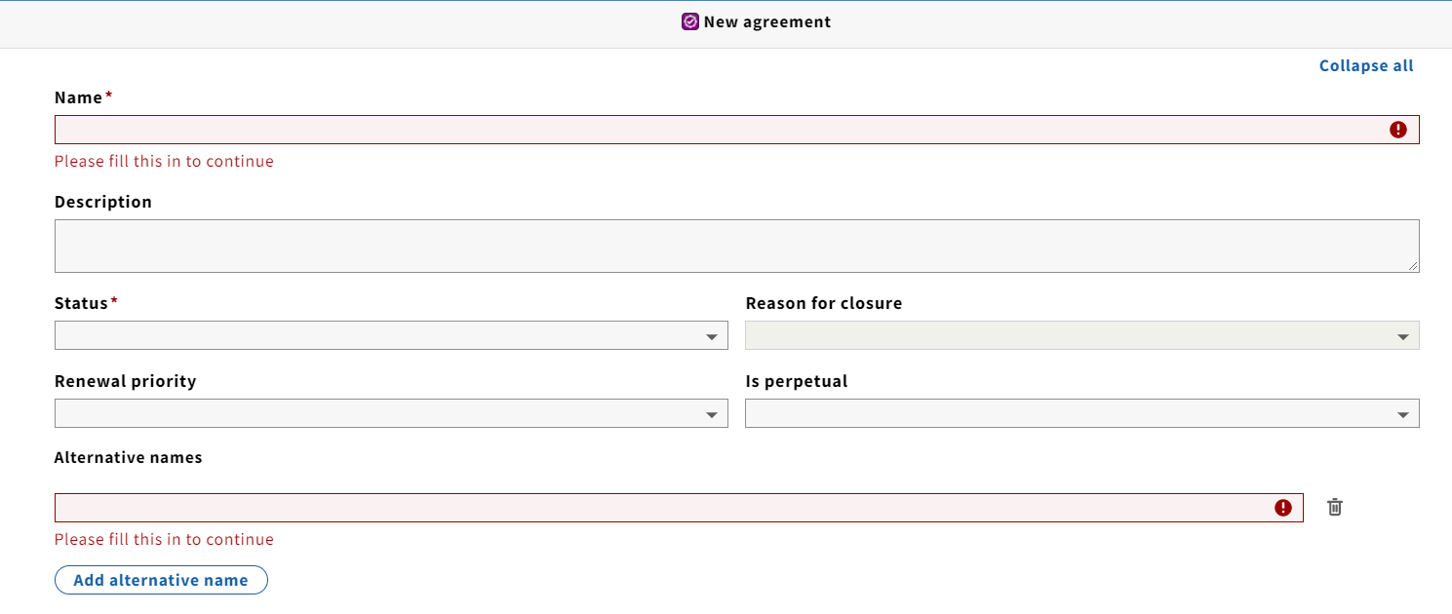
 | NOTE: For multivalued fields such as address, alt names, phones, only supply the primary one in this tab. Additional values should be supplied on the other tabs on this sheet

 | Coloured columns are mandatory.

AGREEMENT NAME | STATUS | ALT NAME | DESCRIPTION | ORG CODE | START DATE | END DATE
E.g., EBSCO | active | ebscohost |  | ebsco | 2022-01-01 | 2022-12-31

Linked documents
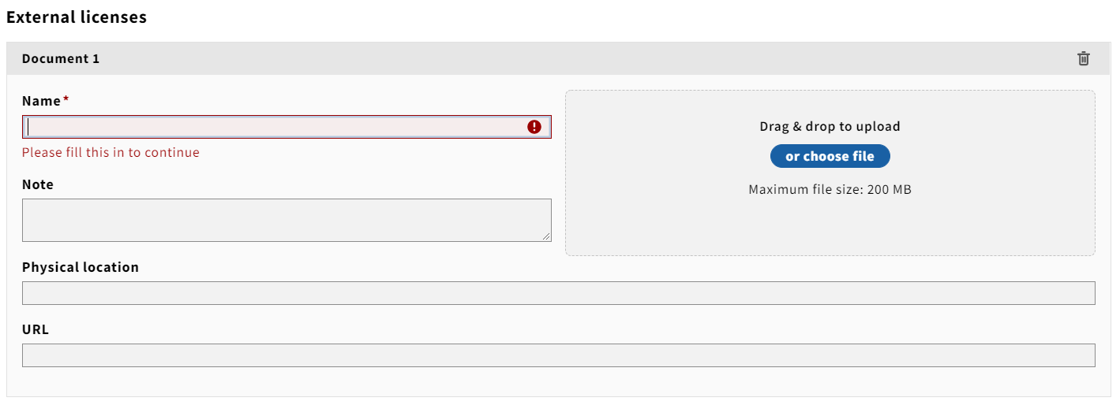
AGREEMENT NAME | DOCUMENT NAME | ELECTRONIC ADDRESS | NOTES
E.g., EBSCO | 2022 AGREEMENT | https://university.edu/AGREEMENTs/ebsco

Linked License name
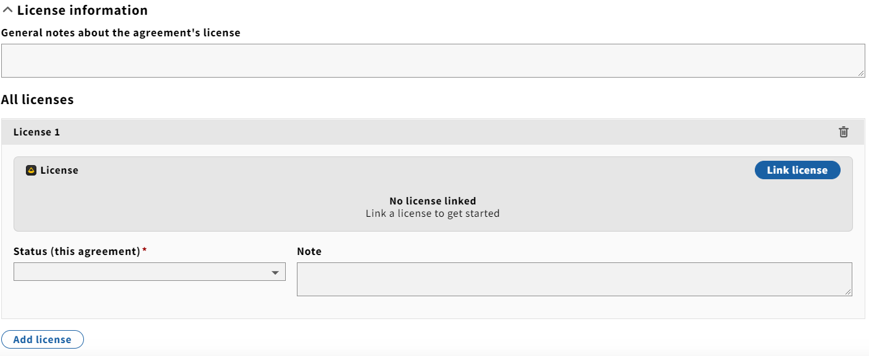
AGREEMENT NAME | LINKED LICENSE NAME | STATUS | Note

