Main Org record
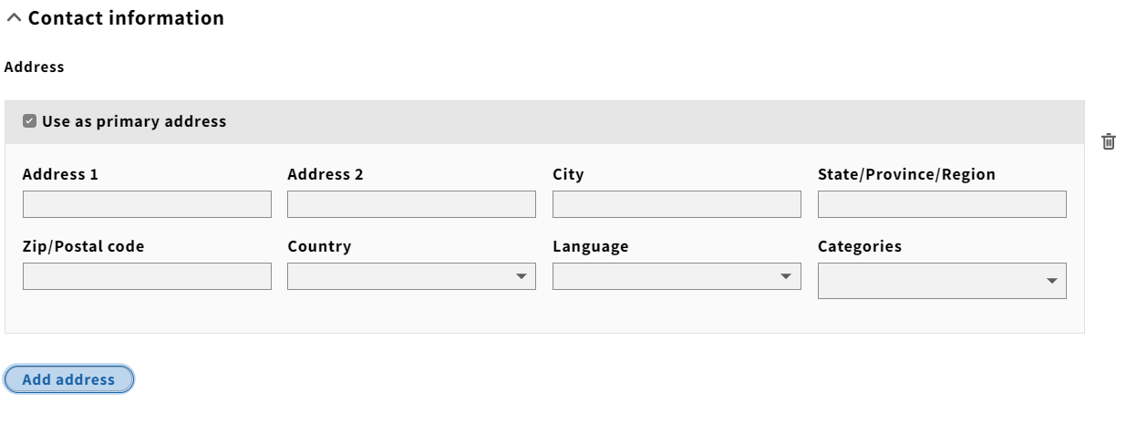
 | NOTE: For multivalued fields such as address, alt names, phones, only supply the primary one in this tab. Additional values should be supplied on the other tabs on this sheet

 | Coloured columns are mandatory.

ORG CODE | ORG NAME | ALT NAME | Vendor (Yes/No) | ORG status (Active/Inactive/Pending) | Description | ADDR1 | ADDR2 | CITY | REGION | POSTAL CODE | COUNTRY | PHONE | FAX | EMAIL | URL
E.g., ebsco | EBSCO Information Services | ebscohost |  |  |  |  |  |  |  |  |  | 800-633-4604 |  |  | https://ebsconet.com

Interfaces
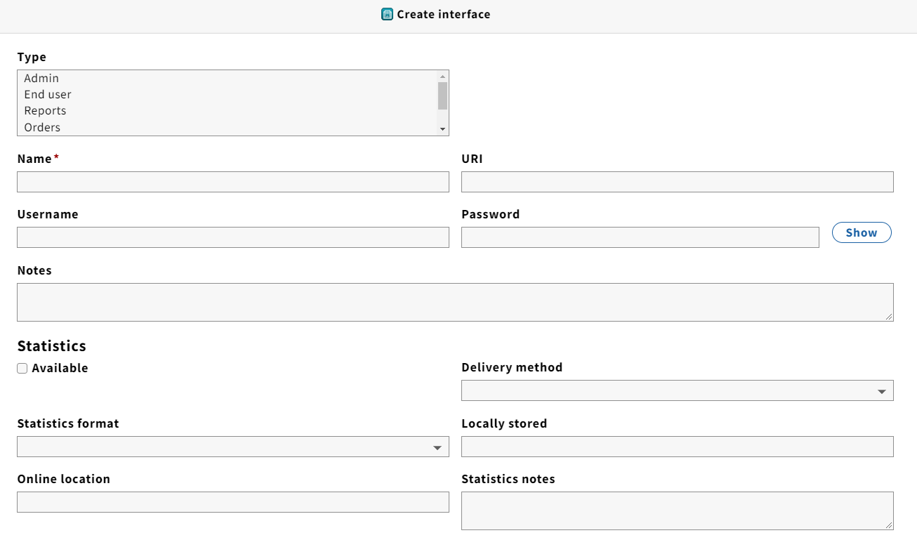
ORG CODE | NAME | URL | USERNAME | PASSWORD | DESCRIPTION | NOTES | CATEGORY
E.g., ebsco | EBSCO Admin | https://eadmin.ebscohost.com/eadmin | myuser | mypass
E.g., ebsco | EBSCONET | https://www.ebsconet.com

Contact people
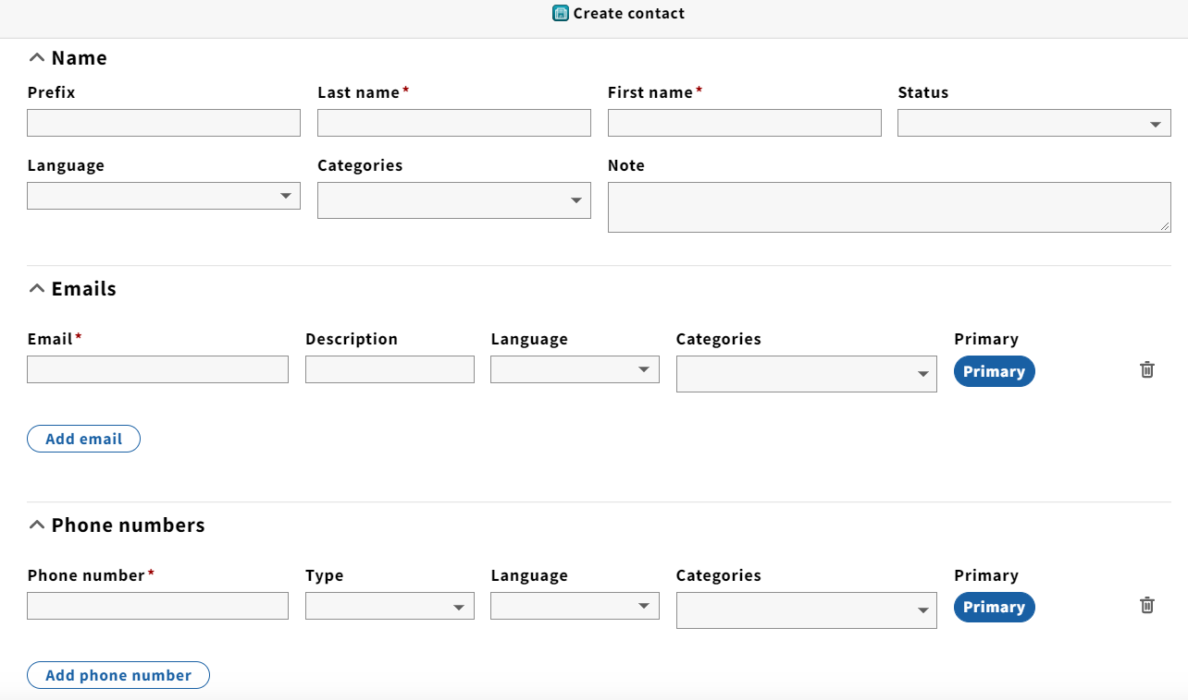
ORG CODE | LAST NAME | FIRST NAME | TITLE | NOTES | EMAIL | PHONE | DESCRIPTION | CATEGORY
E.g., ebsco | Novak | Jan |  |  | jnovak@ebsco.com | 555-555-5555 | Accounts receivable
E.g., ebsco | Rossi | Mario |  |  | mrossi@ebsco.com | 555-555-5555 | Customer service

