Sheet1
rating
C Programming: |  | WHY we need these concepts? | WHAT is this all about? And where we use it? | What exercises you solved with these concepts (minimum 5 excercises) | Is interview completed? | Interview feedback | Second interview feedback? If required?
decision making, Loops, switch case | 3 | There come situations in real life when we need to make some decisions and based on these decisions, we decide what should we do next. Similar situations arise in programming also where we need to make some decisions and based on these decisions we will execute the next block of code | decision-making statements available in C : 1. if Statement : The if statement is the most simple decision-making statement. It is used to decide whether a certain statement or block of statements will be executed or not i.e. if a certain condition is true then a block of statements is executed otherwise not. 2. if-else Statement:The if statement alone tells us that if a condition is true it will execute a block of statements and if the condition is false it won’t. But what if we want to do something else when the condition is false? Here comes the C else statement. We can use the else statement with the if statement to execute a block of code when the condition is false. The if-else statement consists of two blocks, one for false expression and one for true expression. 3. Nested if Statement:A nested if in C is an if statement that is the target of another if statement. Nested if statements mean an if statement inside another if statement. Yes, C allow us to nested if statements within if statements, i.e, we can place an if statement inside another if statement. 4. if-else-if Ladder:The if else if statements are used when the user has to decide among multiple options. The C if statements are executed from the top down. As soon as one of the conditions controlling the if is true, the statement associated with that if is executed, and the rest of the C else-if ladder is bypassed. If none of the conditions is true, then the final else statement will be executed. if-else-if ladder is similar to the switch statement. 5. switch Statement:The switch case statement is an alternative to the if else if ladder that can be used to execute the conditional code based on the value of the variable specified in the switch statement. The switch block consists of cases to be executed based on the value of the switch variable. 6. Conditional Operator:The conditional operator is used to add conditional code in our program. It is similar to the if-else statement. It is also kno
Arrays | 3 | Let’s consider the situation where we need to get 10 student’s age and store it for some calculation.Since age is an integer type, we can store it something like: int ag1, age2, age3, age4, age5, age6, age7, age8, age9, age10; if we declare like above, it will be very difficult for us to manipulate the data. If more number of student joins, then it is very difficult to declare a lot of variables and keep track of it. To overcome this kind of situation, we should use Array data structure. | An array in C is a fixed-size collection of similar data items stored in contiguous memory locations. It can be used to store the collection of primitive data types such as int, char, float, etc., and also derived and user-defined data types such as pointers, structures, etc.
Pointers | 3 | Pointers save memory space. Execution time with pointers is faster because data are manipulated with the address, that is, direct access to memory location. Memory is accessed efficiently with the pointers. The pointer assigns and releases the memory as well. Hence it can be said the Memory of pointers is dynamically allocated. Pointers are used with data structures. They are useful for representing two-dimensional and multi-dimensional arrays. An array, of any type, can be accessed with the help of pointers, without considering its subscript range. Pointers are used for file handling. Pointers are used to allocate memory dynamically. so we need pointers. | A pointer is defined as a derived data type that can store the address of other C variables or a memory location. We can access and manipulate the data stored in that memory location using pointers. syntax: datatype * ptr; Uses of pointers: To pass arguments by reference For accessing array elements To return multiple values Dynamic memory allocation To implement data structures To do system-level programming where memory addresses are useful
Strings | 3 | Using char datatype, we can store a single character. Example char c1=’a’; //characters are enclosed by single quotes char c2=’*’; How can we store a word or line? Like "india", "java programming" etc. We can store sequence of characters using string. | a string is a sequence of characters terminated with a null character \0. For example : char c[] = "c string"; Strings are used for storing text/characters. For example, "Hello World" is a string of characters. Unlike many other programming languages, C does not have a String type to easily create string variables. Instead, you must use the char type and create an array of characters to make a string in C: char greetings[] = "Hello World!";
Functions | 3 | when we want to use the same set of instructions mulitple times , instead of writing it multipe time then use functions and call it for several times. | Function in C programming is used to store the most frequently used instructions. It is used for modularizing the program. Whenever a function is called, the instruction pointer jumps to the function definition. After executing a function, instruction pointer falls back to the statement from where it jumped to the function definition.
function pointers | 1
Structures and unions | 1
Data structures | 1
File handling | 1
Storage classes, Linkage | 3 | Helps to determine the scope, visibility, lifetime of a variable. We can use more than one variable with the same name. We cannot use more than one storage class for a single variable. Changing the program to meet different needs becomes difficult, as we have to keep in mind the scope and lifetime of the variable. | 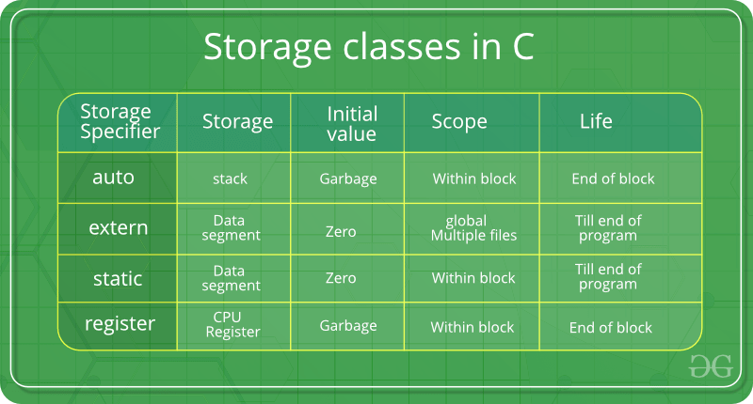
Preprocessor directives,Typedef | 3 | we use preprocessor directives when you need to do something outside of the scope of the actual application. For instance, you'll see preprocessing done to include or not include code based . Type def make the compliex data type easy and readablity. | The C preprocessor modifies a source file before handing it over to the compiler. Four Major Types of Preprocessor Directives: 1.macro expansion 2. File Inclusion 3. Conditional Compilation 4. Miscellaneous Directives List of Preprocessor Directives To execute a preprocessor program on a certain statement, some of the preprocessor directives types are: #define: It substitutes a preprocessor using macro. #include: It helps to insert a certain header from another file. #undef: It undefines a certain preprocessor macro. #ifdef: It returns true if a certain macro is defined. #ifndef: It returns true if a certain macro is not defined. #if, #elif, #else, and #endif: It tests the program using a certain condition; these directives can be nested too. typedef: The typedef is a keyword that is used to provide existing data types with a new name. The C typedef keyword is used to redefine the name of already existing data types. ex: typedef existing_name alias_name;
Bitfield operations | 3 | Need of Bit Fields in C: Reduces memory consumption. To make our program more efficient and flexible. Easy to Implement. | n C, we can specify the size (in bits) of the structure and union members. The idea of bit-field is to use memory efficiently when we know that the value of a field or group of fields will never exceed a limit or is within a small range. C Bit fields are used when the storage of our program is limited. Applications of C Bit Fields If storage is limited, we can go for bit-field. When devices transmit status or information encoded into multiple bits for this type of situation bit-field is most efficient. Encryption routines need to access the bits within a byte in that situation bit-field is quite useful.
When any program is loaded into the memory, it is organised into four parts called segments, which are:
Memory management | 3 | 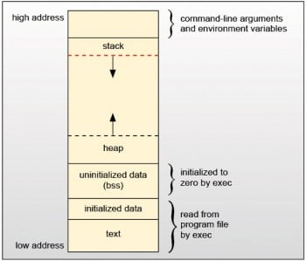 | Memory management, or memory allocation, is the process by which computer programs are assigned to physical or virtual memory space. Computer memory is a finite resource that must be efficiently managed. The memory allocation can be done either before or at the time of program implementation. There are two techniques for memory allocation: static memory allocation and dynamic memory allocation. Static Memory Allocation In this type of allocation, the compiler allocates a fixed amount of memory during compile time and the operating system internally uses a data structure known as stack to manage the memory. Exact memory requirements must be known in advance as once memory is allocated it can not be changed. int days; // Needs to be initialized or assigned some value at run time int snowfall = 0; // Normal variable const int maxScore = 10; // Constant, can not be changed Dynamic Memory Allocation In this type of allocation, system memory is managed at runtime. Dynamic memory management in C programming language is performed using the malloc(), calloc(), realloc(), and free() functions. These four functions are defined in the <stdlib.h> C standard library header file. It uses the heap space of the system memory. More can be learned about these functions below: Memory Management calloc() Dynamically allocates an array of memory blocks of a specified type. free() Dynamically de-allocates memory at runtime. malloc() Allocates a block of memory in the heap, but does not initialize. realloc() Reallocates a block of memory that was previously allocated. All contributors
Code optimization | 2
Runtime measurement | 0
Development environment (IDE) | 4
ISR (interrupt Service Routine) | 1
Micro Controller | 2
GPIO | 2
Communicaiton protocols (UART, I2C, SPI…) | 2
RTOS concepts | 2
MISRA guidelines | 2
Static code analysis | 2
Unit testing | 2
Test design techniques | 2
CAN protocol | 2
writing algorithm | 2
V-Model | 2
Agiel practices | 0

Reason | Rating
don't know about it | 0
I know the concept and attended training | 1
Attended training and implemented the concept with the help of others | 2
Independently implemented the concept multiple times | 3
Have sufficient experience to guide others | 4

