Envelop_Demo
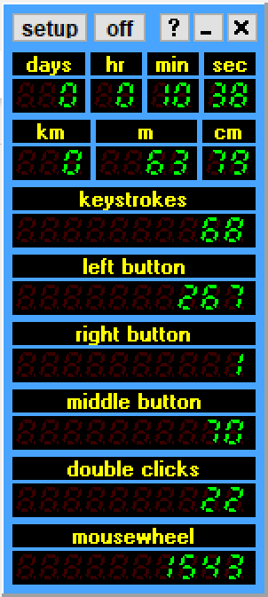
 | timestamp | delta
import plans | 0:00:00 | 0:07:00
build all floors | 0:07:00 | 2:05:00
insert side views | 2:12:00 | 1:24:00
build roof | 3:36:00 | 2:24:00
trace windows | 6:00:00 | 1:54:00
assign materials | 7:54:00 | 1:16:00
set north | 9:10:00 | 0:08:00
set scale | 9:18:00 | 0:17:00
get output | 9:35:00 | 0:10:00
paste to excel | 9:45:00 | 0:07:00
end | 9:52:00

P19101721004
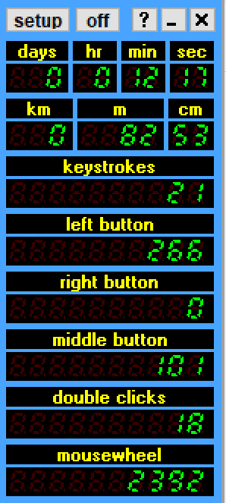
==================== |  | timestamp | delta
Tool Monitor Report | import plans | 0:14:00 | 0:24:00
-------------------- | build all floors | 0:38:00 | 3:07:00
Tool switches: 250 | insert side views and build roof | 3:45:00 | 3:59:00
 | trace windows | 7:44:00 | 2:20:00
RubyTool: 102, 486.811135sec | assign materials | 10:04:00 | 1:20:00
CameraOrbitTool: 101, 54.88189500000001sec | set scale | 11:24:00 | 0:28:00
SelectionTool: 47, 116.36576099999998sec | get output | 11:52:00 | 0:29:00
-------------------- | end | 12:21:00
Tool switches without CameraOrbitTool: 49
 | total |  | 12:07:00
RubyTool: 37, 521.2184719999999sec
SelectionTool: 12, 113.76081000000002sec
--------------------

P19101771001
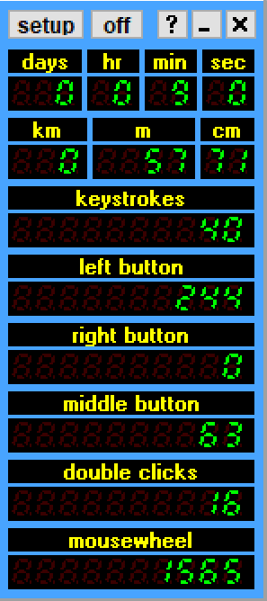
==================== |  | timestamp | delta
Tool Monitor Report | import plans | 0:18:00 | 0:11:00
-------------------- | build all floors | 0:29:00 | 2:03:00
Tool switches: 175 | insert side views and build roof | 2:32:00 | 2:46:00
 | trace windows | 5:18:00 | 1:47:00
RubyTool: 91, 380.56527300000005sec | assign materials | 7:05:00 | 1:30:00
CameraOrbitTool: 63, 36.304877000000005sec | set scale | 8:35:00 | 0:23:00
EraseTool: 1, 1.580336sec | get output | 8:58:00 | 0:10:00
SelectionTool: 20, 86.22918899999999sec | end | 9:08:00
--------------------
Tool switches without CameraOrbitTool: 49 | total |  | 8:50:00

RubyTool: 34, 411.212942sec
EraseTool: 1, 1.580336sec
SelectionTool: 14, 83.83507399999999sec
--------------------

P19101891001
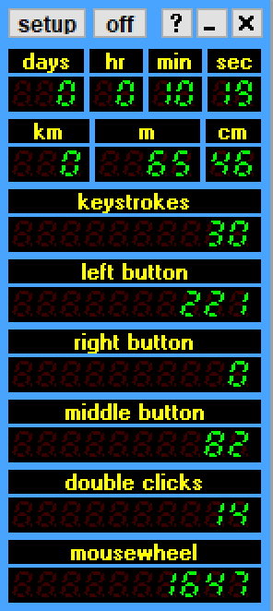
==================== |  | timestamp | delta
Tool Monitor Report | import plans | 0:10:00 | 0:10:00
-------------------- | build all floors | 0:20:00 | 2:10:00
Tool switches: 214 | insert side views and build roof | 2:30:00 | 3:09:00
 | trace windows | 5:39:00 | 2:58:00
CameraOrbitTool: 82, 49.22917100000002sec | assign materials | 8:37:00 | 1:01:00
SelectionTool: 29, 108.62279900000001sec | set scale | 9:38:00 | 0:35:00
RubyTool: 103, 423.7031850000002sec | get output | 10:13:00 | 0:06:00
-------------------- | end | 10:19:00
Tool switches without CameraOrbitTool: 51
 | total |  | 10:09:00
SelectionTool: 15, 115.019032sec
RubyTool: 36, 464.6363270000001sec
--------------------

P19102081001
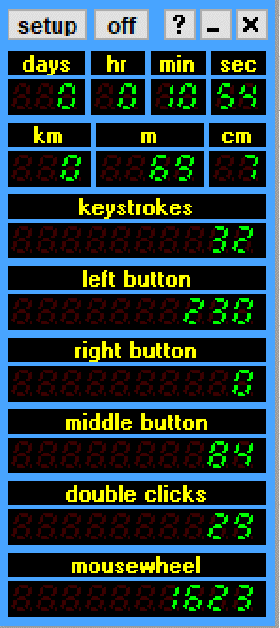
 |  | timestamp | delta
==================== | import plans | 0:09:00 | 0:14:00
Tool Monitor Report | build all floors | 0:23:00 | 4:54:00
-------------------- | insert side views and build roof | 5:17:00 | 1:57:00
Tool switches: 221 | trace windows | 7:14:00 | 2:05:00
 | assign materials | 9:19:00 | 0:59:00
CameraOrbitTool: 84, 58.803566sec | set scale | 10:18:00 | 0:25:00
SelectionTool: 48, 160.89305200000004sec | get output | 10:43:00 | 0:13:00
RubyTool: 89, 392.25057300000003sec | end | 10:56:00
--------------------
Tool switches without CameraOrbitTool: 54 | total |  | 10:47:00

SelectionTool: 18, 171.56289500000003sec
RubyTool: 36, 434.785352

KK-18007
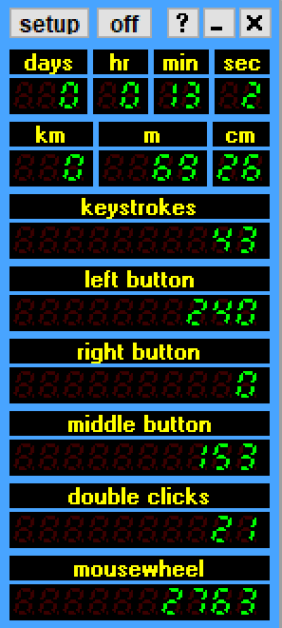
==================== |  | timestamp | delta
Tool Monitor Report | import plans | 0:11:00 | 0:14:00
-------------------- | build all floors | 0:25:00 | 5:18:00
Tool switches: 362 | insert side views and build roof | 5:43:00 | 1:55:00
 | trace windows | 7:38:00 | 2:52:00
CameraOrbitTool: 152, 101.04510000000005sec | assign materials | 10:30:00 | 1:52:00
SelectionTool: 65, 168.828226sec | set scale | 12:22:00 | 0:32:00
RubyTool: 145, 459.95768099999964sec | get output | 12:54:00 | 0:11:00
-------------------- | end | 13:05:00
Tool switches without CameraOrbitTool: 59
 | total |  | 12:54:00
SelectionTool: 21, 187.88929300000004sec
RubyTool: 38, 535.169028sec
--------------------

GR-18003
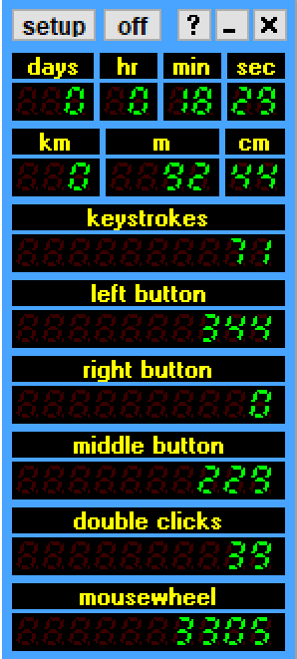
==================== |  | timestamp | delta
Tool Monitor Report | import plans | 0:11:00 | 0:11:00
-------------------- | build all floors | 0:22:00 | 5:09:00
Tool switches: 545 | insert side views and build roof | 5:31:00 | 6:06:00
 | trace windows | 11:37:00 | 4:57:00
CameraOrbitTool: 229, 162.8726530000001sec | assign materials | 16:34:00 | 1:18:00
SelectionTool: 97, 229.78771400000005sec | set scale | 17:52:00 | 0:25:00
RubyTool: 219, 672.2943979999999sec | get output | 18:17:00 | 0:08:00
-------------------- | end | 18:25:00
Tool switches without CameraOrbitTool: 88
 | total |  | 18:14:00
SelectionTool: 30, 265.205823sec
RubyTool: 58, 793.4318420000002sec
--------------------

