Sheet1
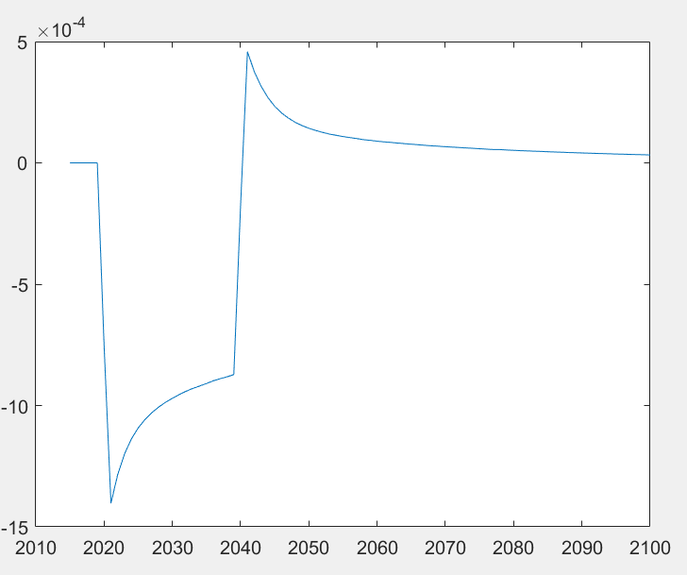
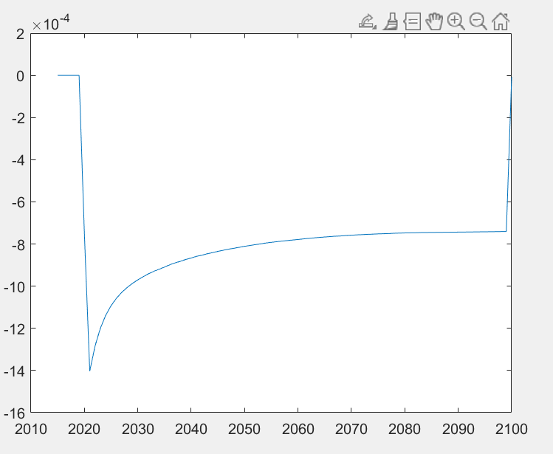
 | 20 year | 40 year | 80 year | 100 year
GWP(W/m²) (based on FAIR) | -0.0145 | -0.0296 | -0.0665 | -0.0813
GWP Methane vs carbon (IPCC) |  |  |  | 29.8
GWP Methane vs temporary carbon | 167.1 | 81.8 | 36.4 | 29.8

GWP potentials ratio for 100 years are based on the IPCC AR6. The relative global warming potential for 20 years vs 40, 80 and 100 years are based on the FAIR model (using IRFproject.m).

