Hoja1
PINOUT QUACHO BASIC AT

CONNECTOR P1
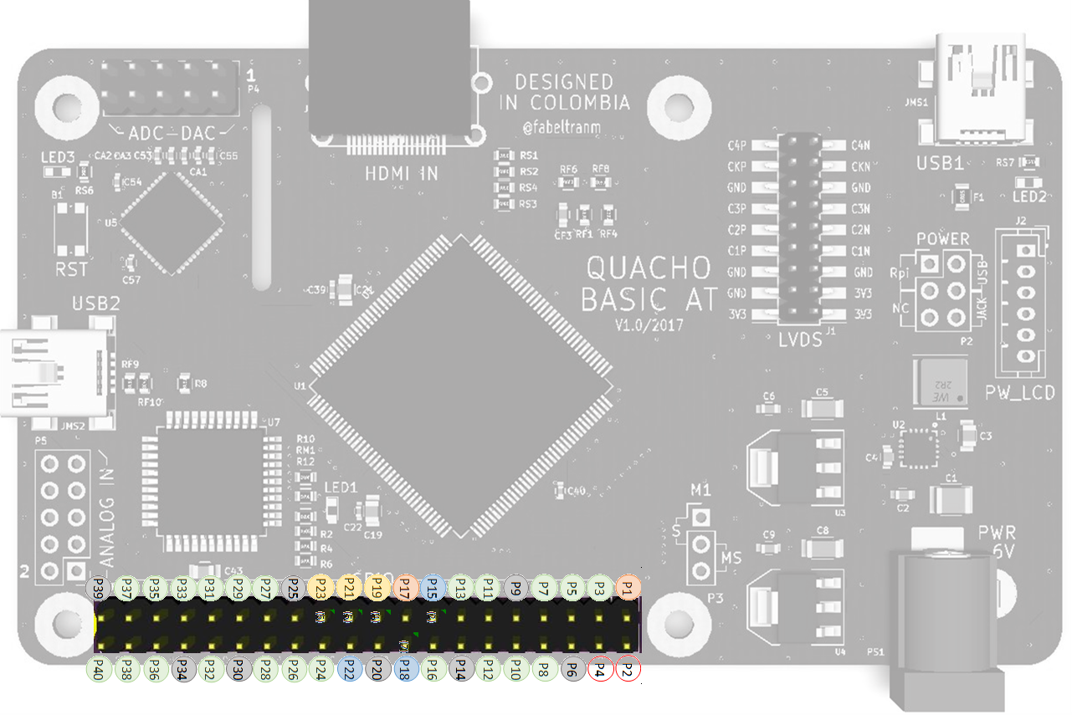

IO uC AT32u | IO FPGA | IO Rpi |  |  |  |  | IO Rpi | IO FPGA | IO uC AT32u
 |  | 3.3V | P1 |  |  | P2 | Vcc in 5v
 | P087 | SDA | P3 |  |  | P4 | Vcc in 5v
 | P085 | SCL | P5 |  |  | P6 | GND | GND | GND
 | P084 | GPIO_04 | P7 |  |  | P8 | UART0_TXD | P083/RX_Pi
GND | GND | GND | P9 |  |  | P10 | UART0_RXD | P082/TX_Pi
 | P081 | GPIO_17 | P11 |  |  | P12 | GPIO_18/PCM_CLK | P080
 | P079 | GPIO_27 | P13 |  |  | P14 | GND | GND | GND
Pin32/PC7 (2) | P039 / INIT_B (1 2) | GPIO_22 | P15 | (2) |  | P16 | GPIO_23 | P078
 |  | 3.3V | P17 |  | (7) | P18 | GPIO_24 | REBOOT (7) (8) | Pin31/PC6 (7)
Pin10/PB2 (4) | P064 / Dout (3 4) | SPI0 MOSI | P19 | (4) |  | P20 | GND | GND | GND
Pin11/PB3 (5) | P065 / DIN (3 5) | SPI0 MISO | P21 | (5) |  | P22 | GPIO_25 | P071/DONE (9) (10) | Pin01/PE6 (10)
Pin09/PB1 (6) | P070 / CCLK2 (3 6) | SPI0 SCLK | P23 | (6) |  | P24 | GPIO_08/SPI0_CE0_N | P062 |  | 1 | P039 pull up 4k7 (RR3)
GND | GND | GND | P25 |  |  | P26 | GPIO_07/SPI0_CE1_N | P074 |  | 2 | P15 conectado a P039/FPGA (R11 0ohm), Pin32/PC7/AT32U (R10 0 ohm)
 | P059 | ID_SC | P27 |  |  | P28 | ID_SC | P061 |  | 3 | Pin conectado directo a memoria Flash S25FL064LABNFI041
 | P035 | GPIO_05 | P29 |  |  | P30 | GND | GND | GND | 4 | P19 conectado a P064/FPGA (R3 0ohn) y Pin10/PB2/AT32u4 (R2 0ohm)
 | P033 | GPIO_06 | P31 |  |  | P32 | GPIO_12 | P034 |  | 5 | P21 conectado a P065/FPGA (R5 0ohn) y Pin11/PB3/AT32u4 (R4 0ohm)
 | P030 | GPIO_13 | P33 |  |  | P34 | GND | GND | GND | 6 | P23 conectado a P070/FPGA (R7 0ohn) y Pin09/PB1/AT32u4 (R6 0ohm)
 | P029 | GPIO_19 | P35 |  |  | P36 | GPIO_16 | P032 |  | 7 | P18 conectado a P37/PROGRAM_B/REBOOT/FPGA (R9 0ohn) y Pin31/PC6/AT32u4 (R8 0ohm)
 | P026 | GPIO_26 | P37 |  |  | P38 | GPIO_20 | P027 |  | 8 | REBOOT pull up 4k7 (RR1) Y boton b1
GND | GND | GND | P39 |  |  | P40 | GPIO_21 | P024 |  | 9 | P22 conectado a P071/DONE/FPGA (R13 0ohn) y Pin01/PE6/AT32u4 (R12 0ohm)
 |  |  |  |  |  |  |  |  |  | 10 | DONE pull up 330 (RR2) y LED1

