Home
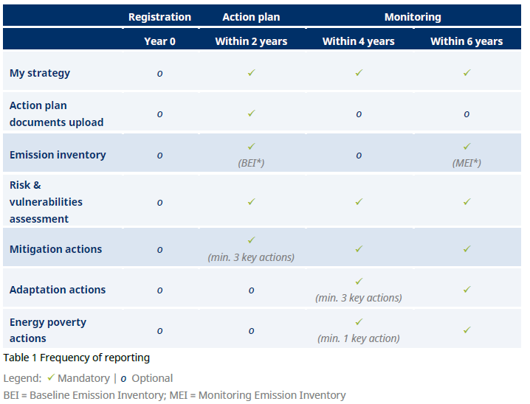
 |  | Covenant of Mayors - Europe Reporting Template | Working document version 2.0


The present template is a working document only. The official reporting to the Covenant of Mayors - Europe initiative shall be done using the online platform "MyCovenant".

 | Do not use this file for official submission

 | You can find a compilation of relevant resources related to the Covenant reporting, including the Reporting Guidelines, here:

 | https://www.covenantofmayors.eu/support/reporting.html

 | The Covenant reporting frequency is as follows:

