Info
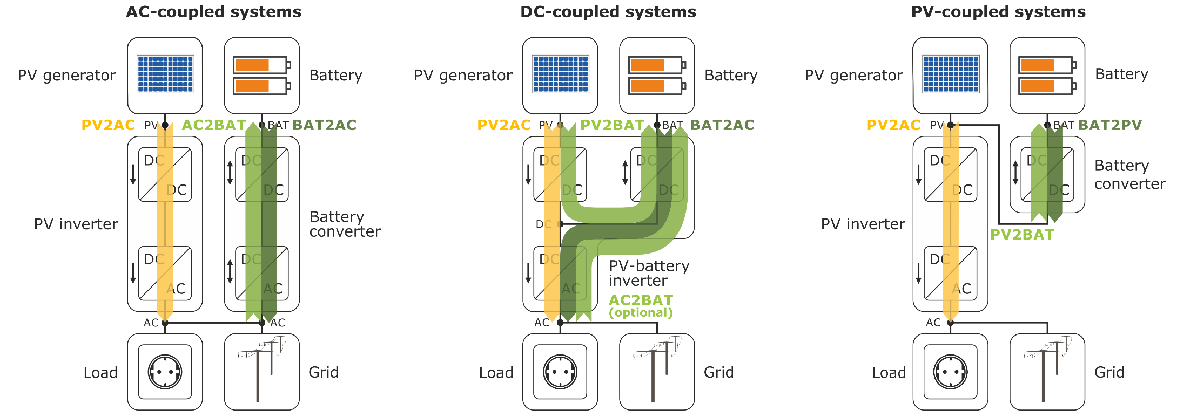
Abbreviation | Description
AC | Alternating current or AC-coupled
BAT | Battery
c | compulsory information
DC | Direct current or DC-coupled
EG | Efficiency guideline (German Effizienzleitfaden)
max | maximum
min | minimum
MPP | Maximum Power Point
nom | nominal
ns | not specified
o | optional information
PE | Power electronics
PerMod | Performance Simulation Model for PV-Battery Systems
PVINV | PV-inverter
PV | Photovoltaics or PV-coupled

