Short plan
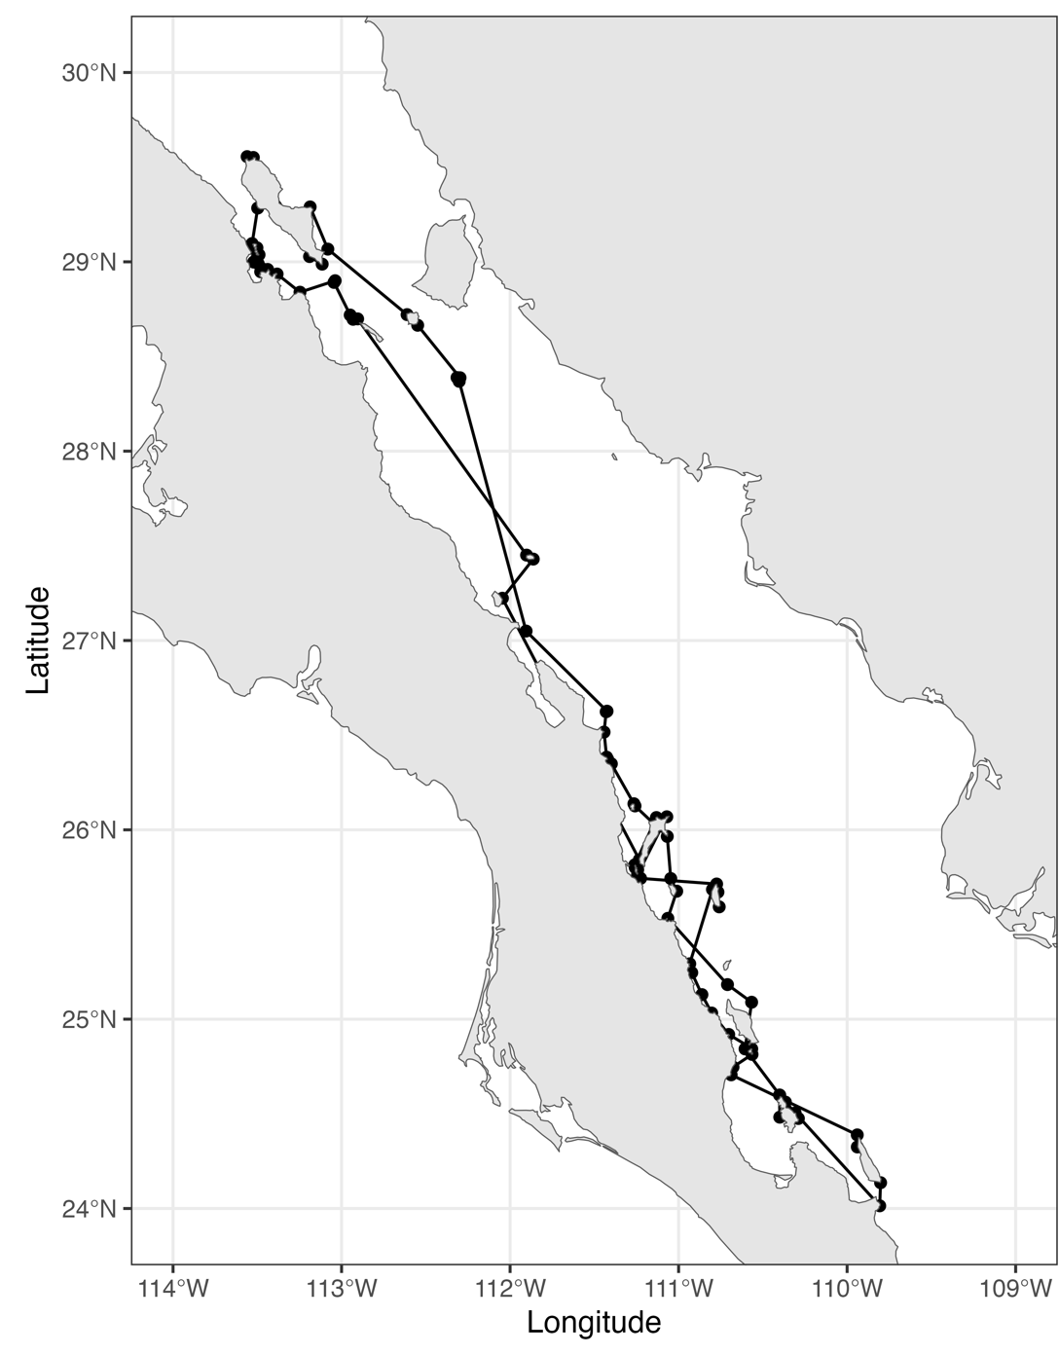
Total number of days | Number of regions | Number of Sites | Total estimated distance covered (km)
30 | 8 | 78 | 1583

