Sheet1
Location | Latitude | Longitude | Day | Date | Distance to Next Location (km)
La Paz | 24.15 | -110.3 | Day 1 | 19-04-2025 | 95.67 km
Isla San José | 24.9589 | -110.6222 | Day 2-3 | 20-04-2025 / 21-04-2025 | 58.51 km
Corredor | 25.4181 | -110.9062 | Day 4 | 22-04-2024 | 79.24 km
Loreto | 26.0118 | -111.3436 | Day 5-6 | 23-04-2024 / 24-04-2024 | 57.87 km
San Basilio | 26.5294 | -111.4044 | Day 7 | 25-04-2024 | 44.68 km
Bahía Concepción | 26.6979 | -111.8124 | Day 8-9 | 26-04-2024 / 27-04-2024 | 84.05 km
Santa Rosalia | 27.34 | -112.26 | Day 10-11 | 28-04-2024 / 29-04-2024 | 35.97 km
Isla Tortuga | 27.4833 | -111.9333 | Day 13 | 30-04-2024 | 118.30 km
San Basilio (Return) | 26.5294 | -111.4044 | Day 14 | "01-05-2025" | 57.87 km
Loreto (Return) | 26.0118 | -111.3436 | Day 15 | "02-05-2025" | 79.24 km
Corredor (Return) | 25.4181 | -110.9062 | Day 16 | "03-05-2025" | 58.51 km
Isla San José (Return) | 24.9589 | -110.6222 | Day 17 | "04-05-2025" | 71.85 km
Punta Cosme | 24.321 | -110.509 | Day 18 | "05-05-2025" | 9.82 km
San Juan de la Costa | 24.405 | -110.479 | Day 19 | "06-05-2025" | 33.66 km
La Paz (Final) | 24.15 | -110.3 | Day 20 | "07-05-2025" | Final Location

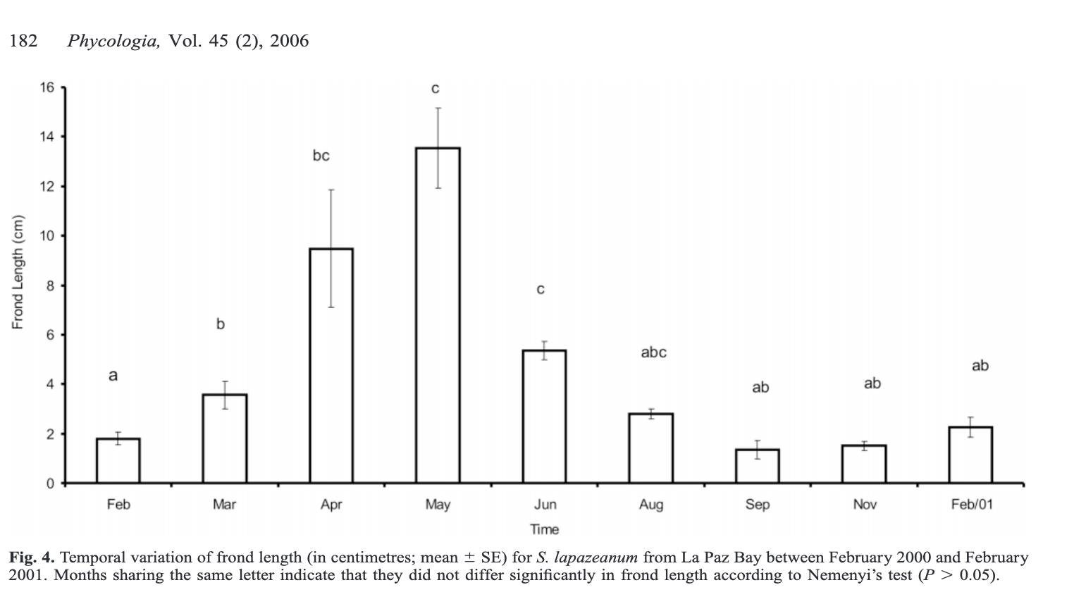
Total Distance Covered: 885.24 km

