graphs
 | zonPower
378.874 | 5.652972
379.066 | 5.652972
370.267 | 3.794737
370.466 | 3.794737
371.466 | 4.391053
371.665 | 4.391053
371.866 | 4.391053
372.067 | 5.137517
372.267 | 5.137517
373.866 | 5.137517
374.066 | 5.137517
374.667 | 5.137517
374.871 | 5.137517
375.066 | 5.137517
378.467 | 5.652972
378.666 | 5.652972
379.267 | 5.652972
379.466 | 5.652972
379.67 | 5.652972
381.667 | 5.652972
381.866 | 5.652972
385.667 | 6.356636
385.867 | 6.356636
386.066 | 6.891182
393.866 | 7.960273
394.066 | 8.494818
394.267 | 8.494818
394.467 | 8.494818
394.666 | 8.494818
396.267 | 8.230244
396.466 | 8.230244
407.068 | 11.702091
407.266 | 11.702091
417.467 | 14.909364
417.666 | 14.909364
417.867 | 14.909364
418.067 | 15.95379
418.267 | 15.95379
418.869 | 15.95379
419.066 | 15.95379
424.667 | 17.681895
424.866 | 17.681895
425.066 | 18.266204
427.068 | 19.483131
427.267 | 19.483131
490.868 | 55.838886
491.068 | 55.838886
491.267 | 54.187088
491.466 | 54.187088
491.667 | 54.187088
...

 | windPower
378.874 | 165.5290226
379.066 | 165.5290226
370.267 | 165.5290226
370.466 | 165.5290226
371.466 | 165.5290226
371.665 | 165.5290226
371.866 | 165.5290226
372.067 | 165.5290226
372.267 | 165.5290226
373.866 | 165.5290226
374.066 | 165.5290226
374.667 | 165.5290226
374.871 | 165.5290226
375.066 | 165.5290226
378.467 | 165.5290226
378.666 | 165.5290226
379.267 | 165.5290226
379.466 | 165.5290226
379.67 | 165.5290226
381.667 | 163.6097051
381.866 | 163.6097051
385.667 | 163.6097051
385.867 | 163.6097051
386.066 | 163.6097051
393.866 | 161.6903875
394.066 | 161.6903875
394.267 | 161.6903875
394.467 | 161.6903875
394.666 | 161.6903875
396.267 | 161.6903875
396.466 | 161.6903875
407.068 | 157.8517523
407.266 | 157.8517523
417.467 | 149.2769109
417.666 | 149.2769109
417.867 | 149.2769109
418.067 | 149.2769109
418.267 | 149.2769109
418.869 | 149.2769109
419.066 | 149.2769109
424.667 | 147.9103433
424.866 | 147.9103433
425.066 | 147.9103433
427.068 | 146.7499024
427.267 | 146.7499024
490.868 | 120.2694333
491.068 | 120.2694333
491.267 | 117.7093667
491.466 | 117.7093667
491.667 | 117.7093667
...

Load power
 | loadPower
378.874 | 4455.4592
379.066 | 4455.4592
370.267 | 4559.4696
370.466 | 4559.4696
371.466 | 4505.9848
371.665 | 4505.9848
371.866 | 4505.9848
372.067 | 4469.7072
372.267 | 4469.7072
373.866 | 4444.4992
374.066 | 4444.4992
374.667 | 4505.9848
374.871 | 4505.9848
375.066 | 4505.9848
378.467 | 4475.9544
378.666 | 4475.9544
379.267 | 4557.9352
379.466 | 4557.9352
379.67 | 4557.9352
381.667 | 4477.5984
381.866 | 4477.5984
385.667 | 4379.9448
385.867 | 4379.9448
386.066 | 4379.9448
393.866 | 4417.7568
394.066 | 4417.7568
394.267 | 4417.7568
394.467 | 4372.0536
394.666 | 4372.0536
396.267 | 4253.9048
396.466 | 4253.9048
407.068 | 4157.7856
407.266 | 4157.7856
417.467 | 4009.6064
417.666 | 4009.6064
417.867 | 4009.6064
418.067 | 3841.0416
418.267 | 3841.0416
418.869 | 3811.1208
419.066 | 3811.1208
424.667 | 3858.3584
424.866 | 3858.3584
425.066 | 3858.3584
427.068 | 3711.8232
427.267 | 3711.8232
490.868 | 827.1512
491.068 | 827.1512
491.267 | 806.656
491.466 | 806.656
491.667 | 806.656
...

 | elekPower
378.874 | -1.513081
379.066 | -1.513081
370.267 | -6.456811
370.466 | -6.456811
371.466 | -4.314528
371.665 | -4.314528
371.866 | -4.314528
372.067 | 4.524262
372.267 | 4.524262
373.866 | -6.247077
374.066 | -6.247077
374.667 | -1.932549
374.871 | -1.932549
375.066 | -1.932549
378.467 | -3.880079
378.666 | -3.880079
379.267 | 1.078632
379.466 | 1.078632
379.67 | 1.078632
381.667 | 0.209734
381.866 | 0.209734
385.667 | -2.591713
385.867 | -2.591713
386.066 | -2.591713
393.866 | 1.932549
394.066 | 1.932549
394.267 | 1.932549
394.467 | -4.733996
394.666 | -4.733996
396.267 | 1.932549
396.466 | 1.932549
407.068 | -0.644183
407.266 | -0.644183
417.467 | -0.853917
417.666 | -0.853917
417.867 | -0.853917
418.067 | 4.733996
418.267 | 4.733996
418.869 | 1.722815
419.066 | 1.722815
424.667 | -1.288366
424.866 | -1.288366
425.066 | -1.288366
427.068 | -1.078632
427.267 | -1.078632
490.868 | 192.733504
491.068 | 192.733504
491.267 | 230.462528
491.466 | 230.462528
491.667 | 230.462528
...

Control value
 | H2 systeem
378.874 | -42.500341387
379.066 | -42.500341387
370.267 | -52.498982354
370.466 | -52.498982354
371.466 | -47.455757172
371.665 | -47.455757172
371.866 | -47.455757172
372.067 | -43.941433084
372.267 | -43.941433084
373.866 | -41.641433084
374.066 | -41.641433084
374.667 | -47.251433084
374.871 | -47.251433084
375.066 | -47.251433084
378.467 | -44.370341387
378.666 | -44.370341387
379.267 | -51.850341387
379.466 | -51.850341387
379.67 | -51.850341387
381.667 | -48.723226423
381.866 | -48.723226423
385.667 | -39.620617664
385.867 | -39.620617664
386.066 | -39.474300328
393.866 | -46.834551186
394.066 | -46.688234124
394.267 | -46.688234124
394.467 | -42.518234124
394.666 | -42.518234124
396.267 | -31.810654015
396.466 | -31.810654015
407.068 | -30.496101442
407.266 | -30.496101442
417.467 | -34.875223212
417.666 | -34.875223212
417.867 | -34.875223212
418.067 | -19.209340182
418.267 | -19.209340182
418.869 | -16.479340182
419.066 | -16.479340182
424.667 | -23.308802536
424.866 | -23.308802536
425.066 | -23.148863942
427.068 | -11.986874945
427.267 | -11.986874945
490.868 | 203.17808916
491.068 | 203.17808916
491.267 | 198.98996942
491.466 | 198.98996942
491.667 | 198.98996942
...

frank de tank level over time
378.874 | 4.99468585
379.066 | 5.05344686
370.267 | 6.69875514
370.466 | 6.63999413
371.466 | 6.258047565
371.665 | 6.22866706
371.866 | 6.16990605
372.067 | 6.11114504
372.267 | 6.05238403
373.866 | 5.52353494
374.066 | 5.552915445
374.667 | 5.435393425
374.871 | 5.317871405
375.066 | 5.2884909
378.467 | 5.082827365
378.666 | 5.082827365
379.267 | 4.99468585
379.466 | 4.906544335
379.67 | 4.965305345
381.667 | 4.40707575
381.866 | 4.377695245
385.667 | 4.495217265
385.867 | 4.58335878
386.066 | 4.612739285
393.866 | 5.552915445
394.066 | 5.494154435
394.267 | 5.64105696
394.467 | 5.729198475
394.666 | 5.75857898
396.267 | 6.05238403
396.466 | 6.05238403
407.068 | 5.905481505
407.266 | 6.023003525
417.467 | 4.789022315
417.666 | 4.730261305
417.867 | 4.7008808
418.067 | 4.64211979
418.267 | 4.612739285
418.869 | 4.52459777
419.066 | 4.495217265
424.667 | 5.69981797
424.866 | 5.729198475
425.066 | 5.846720495
427.068 | 6.52247211
427.267 | 6.493091605
490.868 | 5.141588375
491.068 | 4.847783325
491.267 | 4.58335878
491.466 | 4.612739285
491.667 | 4.436456255
...

Sheet1
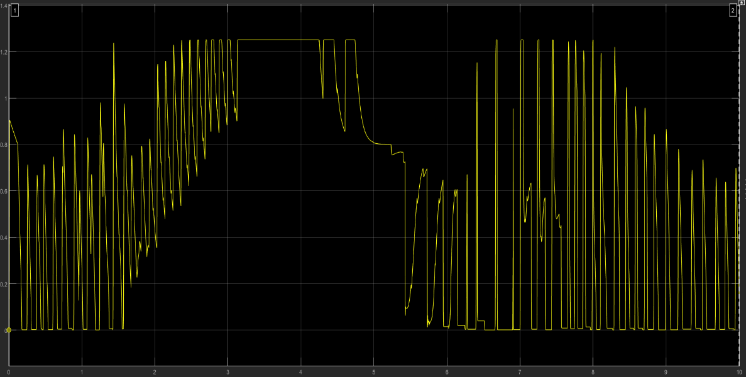
 | zonPower
378.874 | 5.652972
379.066 | 5.652972
370.267 | 3.794737
370.466 | 3.794737
371.466 | 4.391053
371.665 | 4.391053
371.866 | 4.391053
372.067 | 5.137517
372.267 | 5.137517
373.866 | 5.137517
374.066 | 5.137517
374.667 | 5.137517
374.871 | 5.137517
375.066 | 5.137517
378.467 | 5.652972
378.666 | 5.652972
379.267 | 5.652972
379.466 | 5.652972
379.67 | 5.652972
381.667 | 5.652972
381.866 | 5.652972
385.667 | 6.356636
385.867 | 6.356636
386.066 | 6.891182
393.866 | 7.960273
394.066 | 8.494818
394.267 | 8.494818
394.467 | 8.494818
394.666 | 8.494818
396.267 | 8.230244
396.466 | 8.230244
407.068 | 11.702091
407.266 | 11.702091
417.467 | 14.909364
417.666 | 14.909364
417.867 | 14.909364
418.067 | 15.95379
418.267 | 15.95379
418.869 | 15.95379
419.066 | 15.95379
424.667 | 17.681895
424.866 | 17.681895
425.066 | 18.266204
427.068 | 19.483131
427.267 | 19.483131
490.868 | 55.838886
491.068 | 55.838886
491.267 | 54.187088
491.466 | 54.187088
491.667 | 54.187088
...
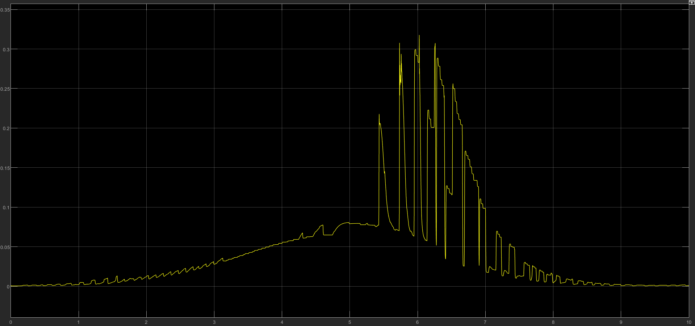

 | windPower
378.874 | 165.5290226
379.066 | 165.5290226
370.267 | 165.5290226
370.466 | 165.5290226
371.466 | 165.5290226
371.665 | 165.5290226
371.866 | 165.5290226
372.067 | 165.5290226
372.267 | 165.5290226
373.866 | 165.5290226
374.066 | 165.5290226
374.667 | 165.5290226
374.871 | 165.5290226
375.066 | 165.5290226
378.467 | 165.5290226
378.666 | 165.5290226
379.267 | 165.5290226
379.466 | 165.5290226
379.67 | 165.5290226
381.667 | 163.6097051
381.866 | 163.6097051
385.667 | 163.6097051
385.867 | 163.6097051
386.066 | 163.6097051
393.866 | 161.6903875
394.066 | 161.6903875
394.267 | 161.6903875
394.467 | 161.6903875
394.666 | 161.6903875
396.267 | 161.6903875
396.466 | 161.6903875
407.068 | 157.8517523
407.266 | 157.8517523
417.467 | 149.2769109
417.666 | 149.2769109
417.867 | 149.2769109
418.067 | 149.2769109
418.267 | 149.2769109
418.869 | 149.2769109
419.066 | 149.2769109
424.667 | 147.9103433
424.866 | 147.9103433
425.066 | 147.9103433
427.068 | 146.7499024
427.267 | 146.7499024
490.868 | 120.2694333
491.068 | 120.2694333
491.267 | 117.7093667
491.466 | 117.7093667
491.667 | 117.7093667
...
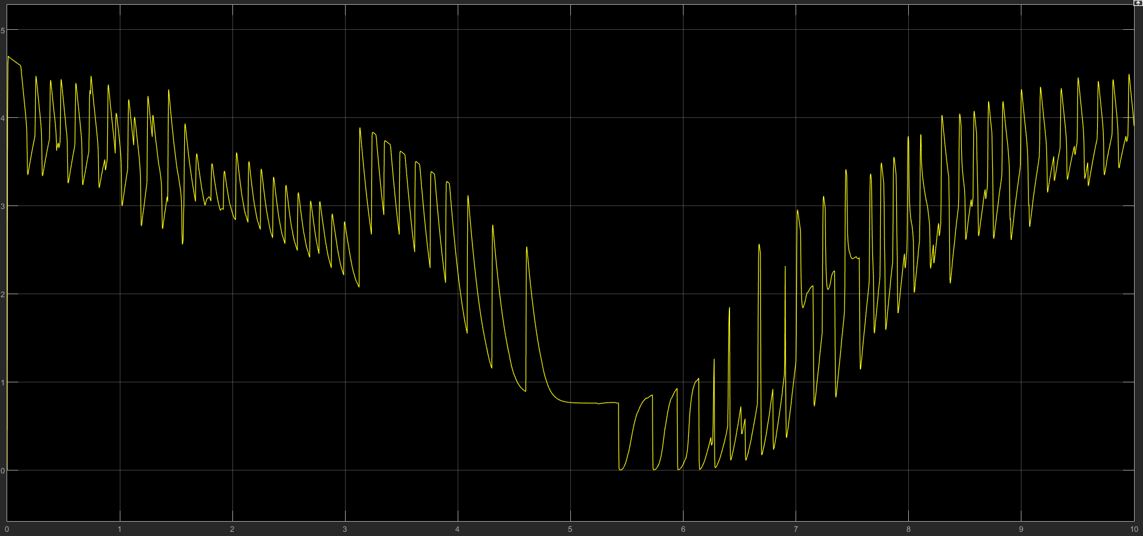

 | elekPower
378.874 | -1.513081
379.066 | -1.513081
370.267 | -6.456811
370.466 | -6.456811
371.466 | -4.314528
371.665 | -4.314528
371.866 | -4.314528
372.067 | 4.524262
372.267 | 4.524262
373.866 | -6.247077
374.066 | -6.247077
374.667 | -1.932549
374.871 | -1.932549
375.066 | -1.932549
378.467 | -3.880079
378.666 | -3.880079
379.267 | 1.078632
379.466 | 1.078632
379.67 | 1.078632
381.667 | 0.209734
381.866 | 0.209734
385.667 | -2.591713
385.867 | -2.591713
386.066 | -2.591713
393.866 | 1.932549
394.066 | 1.932549
394.267 | 1.932549
394.467 | -4.733996
394.666 | -4.733996
396.267 | 1.932549
396.466 | 1.932549
407.068 | -0.644183
407.266 | -0.644183
417.467 | -0.853917
417.666 | -0.853917
417.867 | -0.853917
418.067 | 4.733996
418.267 | 4.733996
418.869 | 1.722815
419.066 | 1.722815
424.667 | -1.288366
424.866 | -1.288366
425.066 | -1.288366
427.068 | -1.078632
427.267 | -1.078632
490.868 | 192.733504
491.068 | 192.733504
491.267 | 230.462528
491.466 | 230.462528
491.667 | 230.462528
...

Production
zonProd (mW)
 | zonProd
378.874 | 5.652972
379.066 | 5.652972
370.267 | 3.794737
370.466 | 3.794737
371.466 | 4.391053
371.665 | 4.391053
371.866 | 4.391053
372.067 | 5.137517
372.267 | 5.137517
373.866 | 5.137517
374.066 | 5.137517
374.667 | 5.137517
374.871 | 5.137517
375.066 | 5.137517
378.467 | 5.652972
378.666 | 5.652972
379.267 | 5.652972
379.466 | 5.652972
379.67 | 5.652972
381.667 | 5.652972
381.866 | 5.652972
385.667 | 6.356636
385.867 | 6.356636
386.066 | 6.891182
393.866 | 7.960273
394.066 | 8.494818
394.267 | 8.494818
394.467 | 8.494818
394.666 | 8.494818
396.267 | 8.230244
396.466 | 8.230244
407.068 | 11.702091
407.266 | 11.702091
417.467 | 14.909364
417.666 | 14.909364
417.867 | 14.909364
418.067 | 15.95379
418.267 | 15.95379
418.869 | 15.95379
419.066 | 15.95379
424.667 | 17.681895
424.866 | 17.681895
425.066 | 18.266204
427.068 | 19.483131
427.267 | 19.483131
490.868 | 55.838886
491.068 | 55.838886
491.267 | 54.187088
491.466 | 54.187088
491.667 | 54.187088
...

MPPT
MPPT performance
Control value
Disturbance

