Hoja3
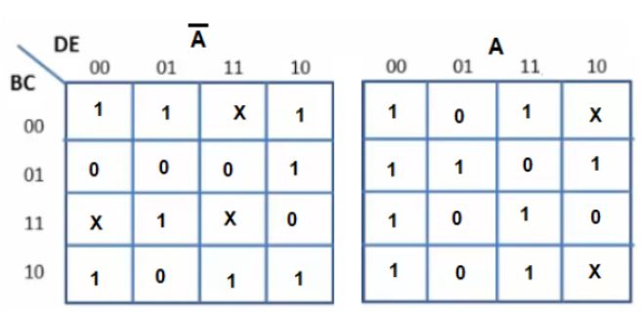

F = E'C' + DC' +B'DE'+BDE+AB'CD'+AD'E'+A'BCD'+A'B'C'

