Library pooling
read distribution iSeq run
(equivolume pooling based on TapeStation)
 |  |  | Ratio
 | reads | prct
Adapter | 1163323 | 35.01 |  |  | nmol/l target |  |  | [C] target | [C] adaptors | percent | Ratio | vol | nmol | yl ratio adjusted | ng target | ng adaptors
Bacteria | 1145615 | 34.48 | 1.0 |  | 26 |  |  | 8.4 | 0.9 | 9.68 | 1.0 | 10.00 | 260 | 10.00 | 84.0 | 9.0
Vertebrates | 378960 | 11.4 | 3.0 |  | 32.4 |  |  | 11.6 | 0.04 | 0.34 | 9.1 | 8.02 | 260 | 73.10 | 848.0 | 2.9
Insects | 236328 | 7.11 | 4.8 |  | 69.6 |  |  | 18.7 | 0.6 | 3.11 | 3.0 | 3.74 | 260 | 11.29 | 211.2 | 6.8
Fungi | 125760 | 3.78 | 9.1 |  | 34.9 |  |  | 13.1 | 2.14 | 14.04 | 4.8 | 7.45 | 260 | 36.11 | 473.1 | 77.3
unaccounted | 106682 | 3.21 |  |  | 31.8 |  |  | 13.7 | 0.06 | 0.44 | 12.8 | 8.18 | 260 | 104.75 | 1435.0 | 6.3
Plants | 89422 | 2.69 | 12.8 |  |  |  |  |  |  |  |  |  |  | 235.25 | 3051.3 | 102.3 | 3.242954481
too_short | 52233 | 1.57
phiX | 24658 | 0.74

 | iSeq run |  |  |  |  |  |  |  |  |  |  | Adapter | 1163323 | 35.01
 | Tapestation (nmol) |  | nmol |  |  |  |  |  |  |  |  | Bacteria | 1145615 | 34.48
 | jeremy | GDC | qbit | dilution | expected read ratio |  | rel expected read ratio | observed read | observed read ratio | rel Bias factor |  | Vertebrates | 378960 | 11.4
Bacteria | 39.6 |  |  | 9.34 | #REF! |  | 1.00 | 1145615 | 1.000 | 1 |  | Insects | 236328 | 7.11
Insects | 4.24 | 3.64 | 8.59 | 1.00 | #REF! |  | #REF! | 236328 | 0.206 | #REF! |  | Fungi | 125760 | 3.78
Plants | 59.7 | 34.33 | 72.21 | 14.08 | #REF! |  | #REF! | 89422 | 0.078 | #REF! |  | unaccounted | 106682 | 3.21
Vertebrates | 60 | 24.4 | 83.58 | 14.15 | #REF! |  | #REF! | 378960 | 0.331 | #REF! |  | Plants | 89422 | 2.69
Fungi | 37.9 | 14.99 | 57.82 | 8.94 | #REF! |  | #REF! | 125760 | 0.110 | #REF! |  | too_short | 52233 | 1.57
 |  |  |  |  |  |  |  |  |  |  |  | phiX | 24658 | 0.74

Sample | Dilution Factor | Dilution Sample + EB (x/y) | Pooling in uL
Bacteria | 1 / 9.34 | 2 + 16.68 | 5
Insects | - | - | 5
Plant | 1 / 14.08 | 2 + 26.16 | 5
Vertebrates | 1 / 14.15 | 2 + 26.3 | 5
Fungi | 1 / 8.94 | 2 + 15.88 | 5
Total |  |  | 25 uL 4.24 nM

 | Library | Marker | Qbit (ng/µl)
 | ISeq | Fungi | 17.9 | 21.6
 | ISeq | Plants | 36.8 | 32.6
 | ISeq | Bac | 53
 | ISeq | Ins | 2.16 | 3.38
 | ISeq | Vert | 25.9 | 23.5
 | NextSeq | Fungi | 14.4
 | NextSeq | Plants | 16.6
 | NextSeq | Bac | 1.68
 | NextSeq | Ins | 4.96
 | NextSeq | Vert | 18.3

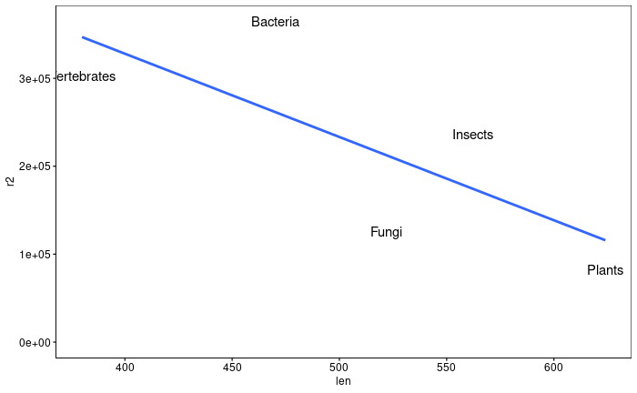
 | iSeq run
 | Tapestation (nmol)
 | jeremy | Qbit ng/µl | Fragment (bp) | Fragment (bp) GDC | Fragment (bp) final library | Fragment size expected | Qbit nmol | Dillution jeremy | dilution Qbit nmol | Qbit_corr_factor | observed read | expected reads Qbit | size bias
Bacteria | 39.6 | 53 | 512 |  | 514 | 470.00 | 170.86 | 9.34 | 29.34 | 3.14145792 | 1,145,615 | 364676 | 4.4
Insects | 4.24 | 2.16 | 596 | 569 | 583 | 562.00 | 5.82 | 1.00 | 1.00 | 1 | 236,328 | 236328 | 2.9
Plants | 59.7 | 36.8 | 684 | 675 | 667 | 624.00 | 89.36 | 14.08 | 15.34 | 1.0897762 | 89,422 | 82055 | 1.0
Vertebrates | 60 | 25.9 | 426 | 398 | 420 | 380.00 | 103.27 | 14.15 | 17.73 | 1.253179662 | 378,960 | 302399 | 3.7
Fungi | 37.9 | 17.9 | 566 | 566 | 560 | 522.00 | 51.96 | 8.94 | 8.92 | 0.9981406411 | 125,760 | 125994 | 1.5
Read vs Fragment Size

 | iSeq run
 | Tapestation (nmol)
 | jeremy | Qbit ng/µl | Fragment size expected | Qbit nmol | Dillution jeremy | dilution Qbit nmol | Qbit_corr_factor | observed read | expected reads Qbit | iSeq length bias | modeled reads | bias rel. to modeled plants | modeled bias
Bacteria | 39.6 | 53 | 470 | 170.86 | 9.34 | 29.34 | 3.14 | 1,145,615 | 364,676 | 4.4 | 261,698 | 3.1 | 2.26
Insects | 4.24 | 2.16 | 562 | 5.82 | 1.00 | 1.00 | 1.00 | 236,328 | 236,328 | 2.9 | 174,546 | 2.0 | 1.51
Plants | 59.7 | 36.8 | 624 | 89.36 | 14.08 | 15.34 | 1.09 | 89,422 | 82,055 | 1.0 | 115,814 | 0.7 | 1.00
Vertebrates | 60 | 25.9 | 380 | 103.27 | 14.15 | 17.73 | 1.25 | 378,960 | 302,399 | 3.7 | 346,955 | 2.6 | 3.00
Fungi | 37.9 | 17.9 | 522 | 51.96 | 8.94 | 8.92 | 1.00 | 125,760 | 125,994 | 1.5 | 212,439 | 1.1 | 1.83

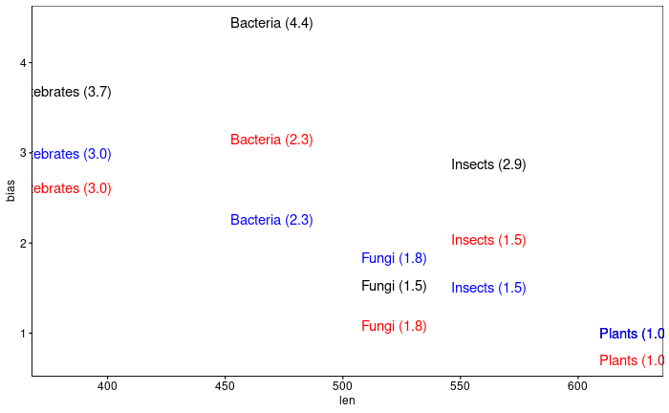
 |  | NextSeq pooling
 | Qbit ng/µl | Qbit ng/µl Diluted | Fragment size expected | Qbit nM | dilution Qbit | iSeq length bias | length corr | desired dilution ratio | corr dil fact | Volumes | nM * µl |  | modelled lb | length corr | desired dilution ratio | corr dil fact | Volumes | nM * µl
Bacteria | 1.68 | 1.68 | 470.00 | 5.42 | 1 | 4.4 | 1.00 | 1 | 1.00 | 10.0 | 54.16 |  | 2.26 | 1.00 | 1 | 1.00 | 10.0 | 54.16
Insects | 4.96 | 4.96 | 562.00 | 13.37 | 2.47 | 2.9 | 0.65 | 1 | 1.60 | 6.2 | 83.57 |  | 1.51 | 0.67 | 1 | 1.65 | 6.1 | 81.20
Plants | 16.6 | 16.6 | 624.00 | 40.31 | 7.44 | 1.0 | 0.23 | 1.5 | 2.51 | 4.0 | 160.46 |  | 1.00 | 0.44 | 1.5 | 3.29 | 3.0 | 122.38
Vertebrates | 18.3 | 3.66 | 380.00 | 14.59 | 2.69 | 3.7 | 0.83 | 1.5 | 3.35 | 3.0 | 43.54 |  | 3.00 | 1.33 | 1.5 | 3.57 | 2.8 | 40.85
Fungi | 14.4 | 14.4 | 522.00 | 41.80 | 7.72 | 1.5 | 0.35 | 1 | 2.67 | 3.8 | 156.76 |  | 1.83 | 0.81 | 1 | 6.26 | 1.6 | 66.72

 |  |  |  | requested
 |  | Vol (µl) | 27.0 | 10-15 |  |  |  |  |  |  |  |  | Vol | 23.5
 |  | nM | 18.5 | 10 |  |  |  |  |  |  |  |  | nM | 15.5

 |  |  | 18.5 | 16.65 | 30

