DEMAND
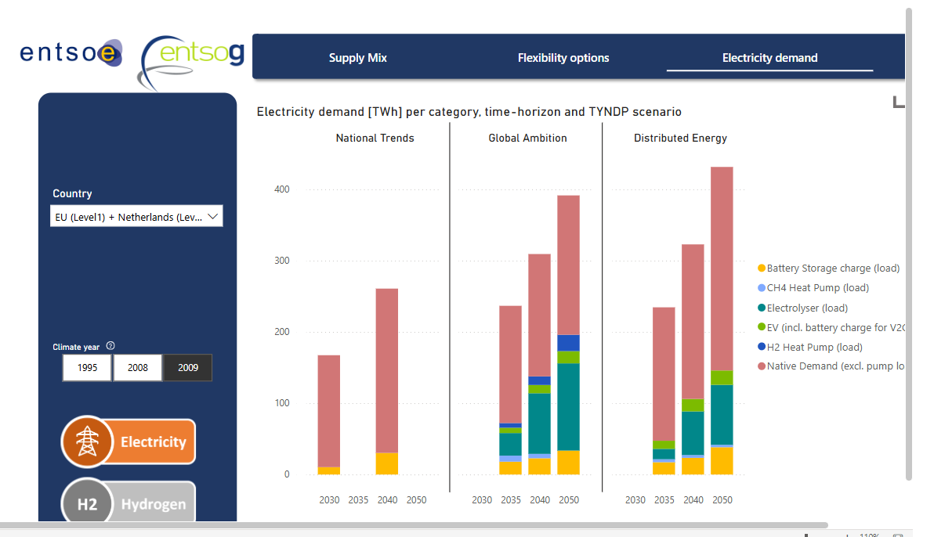
Demand

~FI_T:DEMAND
CommName | 2023 | 2025 | 2030 | 2035 | 2040 | 2045 | 2050
\I: Commodity Name | Annual Demand Value [PJ]
ELC_FIN | 393.804 | 442.11863014 | 565.2 | 698.03424658 | 828 | 953.94986301 | 1081.9076712 |  | Source: | Visualisation Platform | ENTSOs TYNDP 2024 Scenarios

Forecast
 | 2023 | 2025 | 2030 | 2035 | 2040 | 2045 | 2050 | annuelle demande
TWh | 109.39 | 122.81073059 | 157 | 193.89840183 | 230 | 264.98607306 | 300.52990868

