prb-3
(c) Load Duration Curve
Time | Customer #1 | Customer #2 | Customer #3 | Customer #4 | total load | Percentage of Duration | Total load | Total Time (min)
17:00:00 | 8.81 | 1900-01-04 23:02:24 | 11.04 | 1.44 | 26.25 | 1% | 26.7 | 240
17:15:00 | 2.12 | 1900-01-03 03:50:24 | 7.04 | 1.62 | 13.94 | 6% | 26.25
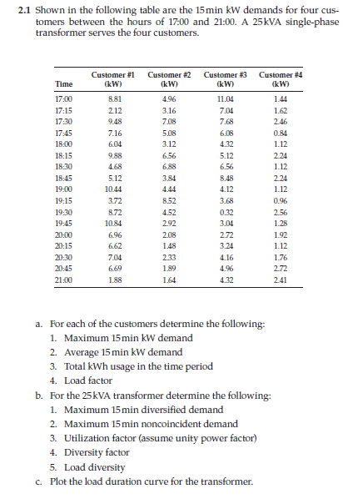
17:30:00 | 9.48 | 1900-01-07 01:55:12 | 7.68 | 2.46 | 26.7 | 13% | 23.8
17:45:00 | 7.16 | 1900-01-05 01:55:12 | 6.08 | 0.84 | 19.16 | 19% | 20.12
18:00:00 | 6.04 | 1900-01-03 02:52:48 | 4.32 | 1.12 | 14.6 | 25% | 19.68
18:15:00 | 9.88 | 1900-01-06 13:26:24 | 5.12 | 2.24 | 23.8 | 31% | 19.24
18:30:00 | 4.68 | 1900-01-06 21:07:12 | 6.56 | 1.12 | 19.24 | 38% | 19.16
18:45:00 | 5.12 | 1900-01-03 20:09:36 | 8.48 | 2.24 | 19.68 | 44% | 18.08
19:00:00 | 10.44 | 1900-01-04 10:33:36 | 4.12 | 1.12 | 20.12 | 50% | 16.88
19:15:00 | 3.72 | 1900-01-08 12:28:48 | 3.68 | 0.96 | 16.88 | 56% | 16.26
19:30:00 | 8.72 | 1900-01-04 12:28:48 | 0.32 | 2.56 | 16.12 | 63% | 16.12
19:45:00 | 10.84 | 1900-01-02 22:04:48 | 3.04 | 1.28 | 18.08 | 69% | 15.29
20:00:00 | 6.96 | 1900-01-02 01:55:12 | 2.72 | 1.92 | 13.68 | 75% | 14.6
20:15:00 | 6.62 | 1900-01-01 11:31:12 | 3.24 | 1.12 | 12.46 | 81% | 13.94
20:30:00 | 7.04 | 1900-01-02 07:55:12 | 4.16 | 1.76 | 15.29 | 88% | 13.68
20:45:00 | 6.69 | 1900-01-01 21:21:36 | 4.96 | 2.72 | 16.26 | 94% | 12.46
21:00:00 | 1.88 | 1900-01-01 15:21:36 | 4.32 | 2.41 | 10.25 | 100% | 10.25

(a) | Customer #1 | Customer #2 | Customer #3 | Customer #4
Maximum 15-min KW demand | 10.84 | 8.52 | 11.04 | 2.72
Average 15-min KW demand | 6.84 | 4.15 | 5.11 | 1.70
Total KWh usgae in the time period | 29.05 | 17.625 | 21.72 | 7.2325
Load Factor | 0.63 | 0.49 | 0.46 | 0.63

(b) For the transformer
Maximum 15-min Diversified demand | 26.7 |  | Transformer rating (KVA) | 25
Maximum 15-min noncoincidental demand | 33.12
Utilization factor | 1.068
Diversity factor | 1.24
Load Diversity | 6.42

prb-4
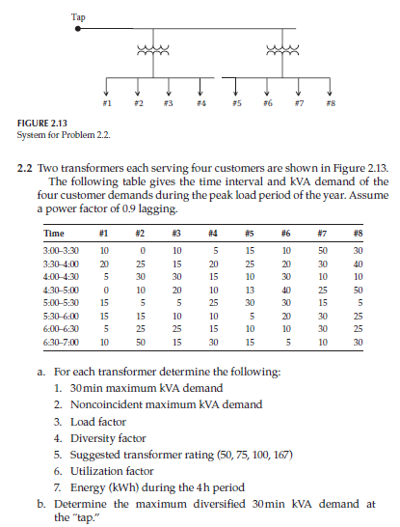
 | Transformer-1 |  |  |  | Transformer-2 |  |  |  | X-mer #1 30-min KVA demand | X-mer #2 30-min KVA demand | X-mer #1 30-min KW demand | X-mer #2 30-min KW demand | 30-min KVA Demand at Tap
Time | #1 | #2 | #3 | #4 | #5 | #6 | #7 | #8
3:00–3:30 | 10 | 0 | 10 | 5 | 15 | 10 | 50 | 30 | 25 | 105 | 22.5 | 94.5 | 130
3:30–4:00 | 20 | 25 | 15 | 20 | 25 | 20 | 30 | 40 | 80 | 115 | 72 | 103.5 | 195
4:00–4:30 | 5 | 30 | 30 | 15 | 10 | 30 | 10 | 10 | 80 | 60 | 72 | 54 | 140
4:30–5:00 | 0 | 10 | 20 | 10 | 13 | 40 | 25 | 50 | 40 | 128 | 36 | 115.2 | 168
5:00–5:30 | 15 | 5 | 5 | 25 | 30 | 30 | 15 | 5 | 50 | 80 | 45 | 72 | 130
5:30–6:00 | 15 | 15 | 10 | 10 | 5 | 20 | 30 | 25 | 50 | 80 | 45 | 72 | 130
6:00–6:30 | 5 | 25 | 25 | 15 | 10 | 10 | 30 | 25 | 70 | 75 | 63 | 67.5 | 145
6:30–7:00 | 10 | 50 | 15 | 30 | 15 | 5 | 10 | 30 | 105 | 60 | 94.5 | 54 | 165

a.
 | Transformer-1 | Transformer-2
30-min maximum KVA demand | 105 | 128
Noncoincidental maximum KVA demand | 130 | 170
Load factor | 0.60 | 0.69
Diversity factor | 1.24 | 1.33
Suggested transformer rating | 100 | 157
Utilization factor | 1.05 | 0.82
Energy (KWh) during the 4th-period | 225 | 316.35

b.
Maximum diversified 30min KVA demand at tap | 195

