MATCH & INDEX
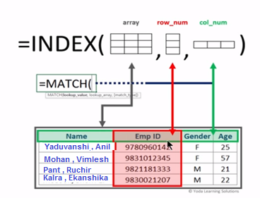
1) | The INDEX function will return the value at a given position in a range or array. The INDEX function is often used with the MATCH function. We can say it is an alternative way to do VLOOKUP.
2) | INDEX has 2 different uses: 1) look up a value that is at the intersection of a row and column, or 2) look up a specific table and then within that specific table look up a value that is at the intersection of a row and column.
3) | There are two formats for Index function 1.Array Format 2. Reference Format.The Array Format is used when we wish to return the value of a specified cell or array of cells. Syntax: index(array,row_num,[col_num]).The reference format is used when we wish to return the reference of the cell at the intersection of row_num and col_num Syntax:index(reference,row_num,col_num,[area_num])
4) | Good when you have more than one table to look values up in. (non-contiguous ranges must be in parenthesis and stored all on the same worksheet). You can also have a table with intersection lookup values where INDEX and MATCH can be used together to look up labels and return intersection of two labels. Also can be used as a replacement for VLOOKUP when the data you want to retrieve is to the left of the lookup column.

 |  | Index Explanation
 |  | Data | Data
 |  | Apples | Lemons
 |  | Bananas | Pears

 |  | Formula | Description
 |  | Pears | Value at the intersection of the second row and second column in the range(Pears)
 |  | Bananas | Value at the intersection of the second row and First column in the range(Bananas)

 |  |  |  | INDEX

 | Allowances

