PRD
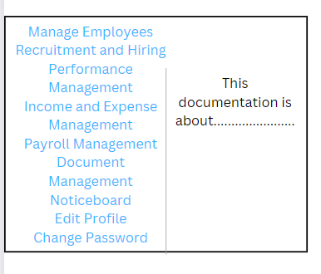

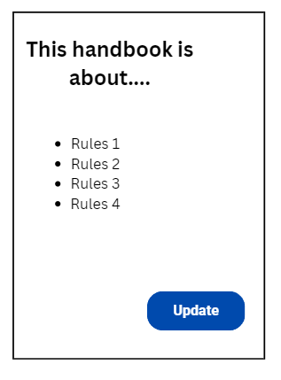
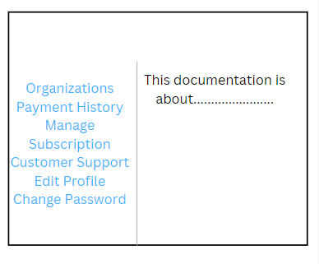
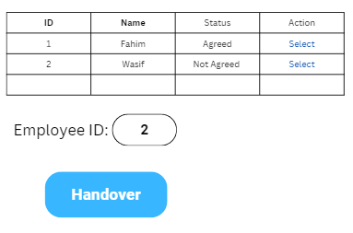
Product Requirement Document (PRD) - Version: 1.0

Template Name |  | HR Management System
Goals & Objective |  | Our goal is to create an advanced, user-friendly HR Management System that will help organizations to efficiently manage their human resource. From this website Managers / Employees can: - Manage their employee information - Can post job requirements and receive an application - Can process performance management - Time and attendance tracking - Can store and manage sensitive documents securely - Leave and Absent Management -Feedback and Survey
Client Information
Product Type |  | Web Application
Domain |  | Web2
Access Layers |  | Super Admin, Organization, Manager, Employee, Viewer
Design Required |  | Yes

Phase | Item No | Specification [Role] | Screen Definition | User Story | Acceptance Criteria | UI Screen / Wireframe | Tags
Feature: 1 |  | Auth Feature [Shajaratul Yakin]
Feature: 2 |  | Dashboard [Roknuzzaman Fahim]
phase 1 | 7 | Menu [Super Admin] | Dashboard Show All Organizations View Payment History Manage Subscription Customer Support View Profile Edit Profile Change Password | - Dashboard(link) - Send money(link) - public ledger (link) - Latest Blocks (link) - View Profile(link) - Edit profile(link) - change profile photo(link) - change password(link) | - clicking dashboard will take user to dashboard page - go to send money page on click - go to public ledger on Click - go to Latest blocks page on click - go to view profile page on click - go to edit profile page on Click - go to change profile page on Click - go to change password page on Click | 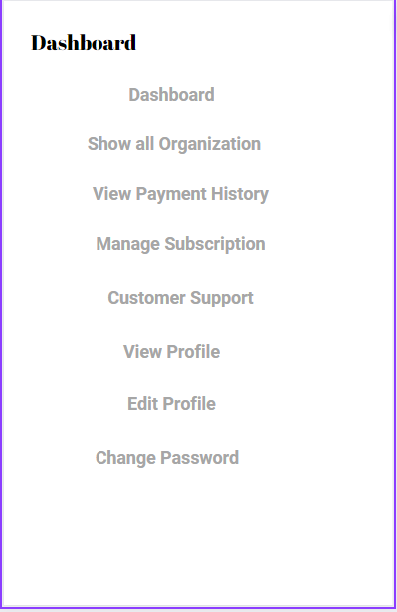 | Menu
phase 1 | 8 | Menu[Organization] | Dashboard Add Manager View Managers View All Employees Noticeboard View Profile Edit Profile Change Password | - Dashboard(link) - Send money(link) - public ledger(link) - Latest blocks(link) - Mempool(link) - Mine Blocks(link) - Verify Blocks(link) - View Profile(link) - Edit profile(link) - change profile photo(link) - change password(link) | - clicking dashboard will take user to dashboard page - go to send money page on click - go to public ledger on Click - go to Latest blocks page on click - go to mempool page on click - go to mine blocks page on click - go to verify blocks page on click - go to view profile page on click - go to edit profile page on Click - go to change profile page on Click - go to change password page on Click | 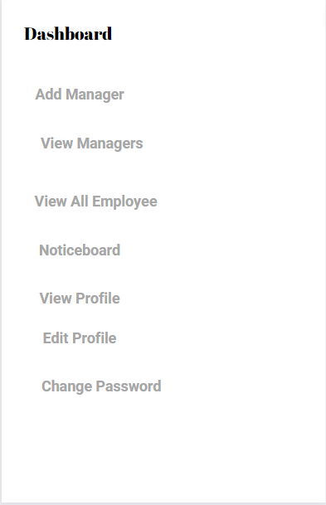
phase 1 | 9 | Menu[Manager] | Dashboard Manage Employees: -Add Employee -View All Employees -Tax Information -Attendance Tracking -Manage Leave Application Recruitment and Hiring: -Post-job requirements -Manage job posts -Candidate evaluation -Candidate shortlisted -Selected Candidates Performance Management: -Set Performance Goal -Conduct Employee Evaluation -Track progress Income and Expense Management: -Income Sheet -Income Statements -Expense Sheet -Expense Statement Payroll Management: -Salary Administration -Salary type setup -Salary set up -View Salary Details Document Management: -Upload Document -Download Document Noticeboard View Profile Edit Profile Change Password | - Dashboard(link) -Manage Employee(link) - Add Employee(link) - View All Employee(link) - Tax Informataion(link) - Attandance Tracking(link) - Manage Leave Application(link) - Recruitmrnt and Hiring(link) - Post-job requirement(link) - Manage job posts(link) - Candidate evaluation(link) - Candidate shortlist(link) - Select candidates(link) - Performance Management - Set performance Goal(link) - Conduct Employee Evaluation(link) - Track progress(link) -Income and Expence Management - Income sheet(link) - Income statement(link) - Expence sheet(link) - Expense statement(link) -Payroll Management: -Salary Administration -Salary type setup -Salary set up -View Salary Details -Document Management: -Upload Document -Download Document -Noticeboard -View Profile -Edit Profile -Change Password | - Go to Dashboard on Click -Go to Manage Employee on Click - Go to Add Employee on Click - Go to View All Employee on Click - Go to Tax Informataion on Click - Go to Attandance Tracking on Click - Go to Manage Leave Application on Click - Go to Recruitmrnt and Hiring on Click - Go to Post-job requirement on Click -Go to Manage job posts on Click -Go to Candidate evaluation on Click -Go to Candidate shortlist on Click - Go to Select candidates on Click - Go to Performance Management on Click - Go to Set performance Goal on Click - Go to Conduct Employee Evaluation on Click - Go to Track progress on Click -Go to Income and Expence Management - Go to Income sheet on Click - Go to Income statement on Click - Go to Expence sheet on Click - Go to Expense statement on Click -Go to Payroll Management on Click: -Go to Salary Administration on Click -Go to Salary type setup on Click -Go to Salary set up on Click -Go to View Salary Details on Click -Go to Document Management on Click: -Go to Upload Document on Click -Go to Download Document on Click -Go to Noticeboard on Click -Go to View Profile on Click -Go to Edit Profile on Click -Go to Change Password on Click | 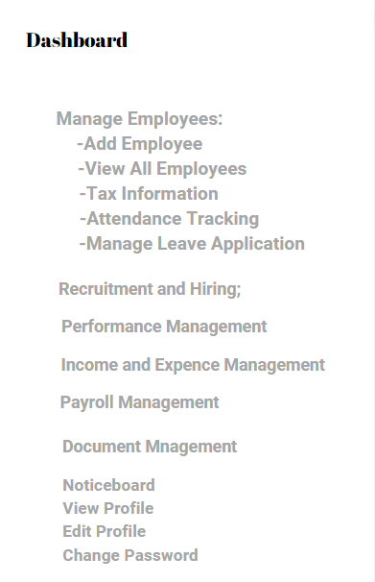
phase 1 | 10 | Menu[Employee] | Dashboard Noticeboard Drop Leave Application Performance Goal View Profile Edit Profile Change Password | -Dashboard -Noticeboard -Drop Leave Application -Performance Goal -View Profile -Edit Profile -Change Password | -Go to Dashboard on click -Go to Noticeboard on click -Go to Drop Leave Application on click -Go to Performance Goal on click -Go to View Profile on click -Go to Edit Profile on click -Go to Change Password on click | 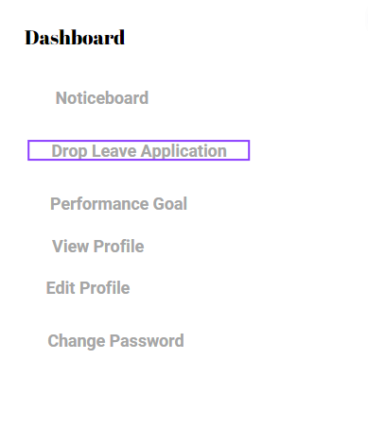
Feature: 3 |  | Job Post Processing [Shajaratul Yakin]
phase 1 | 11 | Apply for Job [Viewer] | Name: Email: Phone Number: Address: Upload CV [file upload] | -Provite full name . -Provite personal mail. -Provite personal phone number. -Provite present and permanent address. -Upload the resume . | -F30No null values -Enter my full name for identification -Enter my mail for identification -Enter phone number for identification -Enter Address for identification -Job applicants have to upload the resume so that the organization can get applicant's complete identity abd can select potential employers during the application process. | 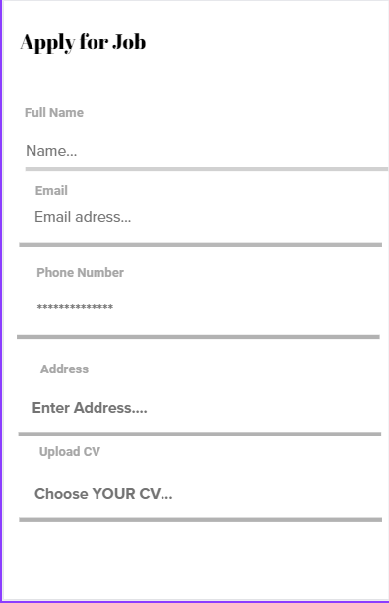
phase 1 | 12 | Post job requirements [Manager] | Title: Description: Submission Date: End Date: | -Enter required titled job. -Enter discription of jobs -Update the submission date -Set/ Update the end date | -Go to the required titled job. -GO to the discription -Update the submission date -Set/ Update the end date | 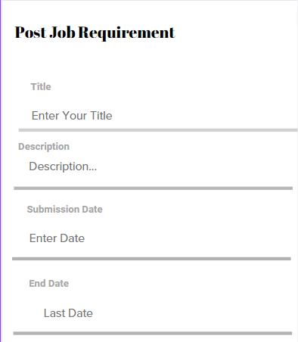
phase 1 | 13 | Manage Job Post | <table> <col=Job Post Title> <col=Date> <col=Action> <col=Status> | -Job Post title(text) -Date( all the job post's) -Action(text) -Status( text) | -create a new job post with a Job Post Title, so that they can advertise job openings within the organization. -Date when a job post was created or last updated, so that they can keep track of the posting timeline. | 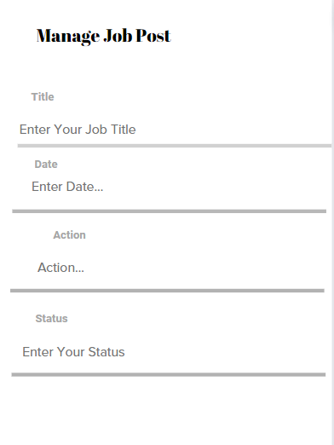
Feature: 4 |  | Job Processing [Shajaratul Yakin]
phase 2 | 14 | Candidate Evaluation [Manager] | <table> <col=Name> <col=Email> <col=Phone Number> <col=Address> <col=CV> <col=Select> | -Name(text) -Email(text) -Phone Number(number) -Address(text) -CV(in file formate) -Select(text) | - No null values - Edit button should take user to edit page | 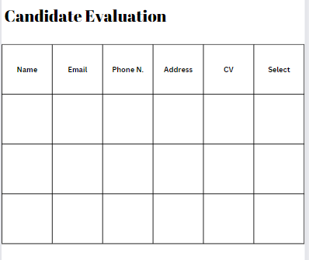
phase 2 | 15 | Candidate Shortlisted [Manager] | <table> <col=Name> <col=Email> <col=Phone Number> <col=Address> <col=CV> <col=Select> | -Name(text) -Email(text) -Phone Number(number) -Address(text) -CV(in file formate) -Select(text) | - No null values - Edit button should take user to edit page | 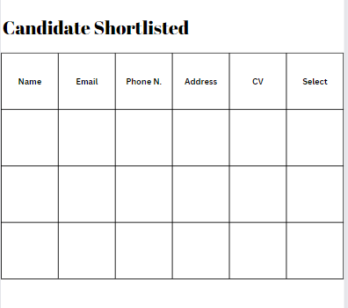
phase 2 | 16 | Selected Candidates [Manager] | <table> <col=Name> <col=Email> <col=Phone Number> <col=Address> <col=CV> | -Name(text) -Email(text) -Phone Number(number) -Address(text) -CV(in file formate) | - No null values - Edit button should take user to edit page | 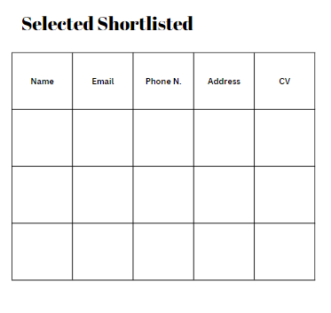
Feature: 5 |  | Tax Information [Mustafa Wasif ]
phase 2 | 17 | Tax Information [Manager] | <table> <col=Employee ID> <col=Employee Name> <col=Salary> <col=Tax> | -Employee ID(number) -Employee Name(text) -Salary(number) -Tax(number) | -A new employee record with a unique Employee ID, so that they can maintain an organized database of all employees. -Employee Name in the employee record, so that they can accurately identify and reference each employee in the system. - Salary of each employee in their record, so that they can keep track of their compensation and payroll information. -Tax details for each employee, so that they can accurately calculate and withhold taxes from their salary. | 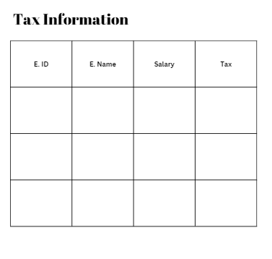
Feature: 6 |  | Attendance and Leave [Roknuzzaman Fahim]
phase 2 | 18 | Attendance Tracking [Manager] | <option> <1 = By Day> <2 = By Month> <3 = Individual> <table> <col = Employee ID> <col = Employee Name> <col = Status> | - Block number (text) - Time(text) - Number of trx(text) - size(mb in text) - Miner(name) | - full row is clickable - once clicked it'll redirect to another page [block view page where block details will be shown] - Block number should be in desending order [latest block should be in the top] - Block Size should be in MB - Number of trx should be in number [ negative number not allowed ] - Miner name | 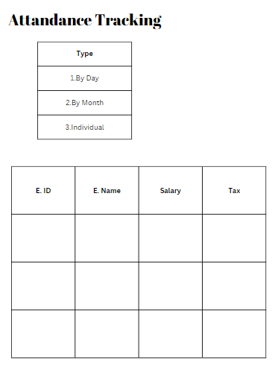
phase 2 | 19 | Leave Application [Employee] | Date: Today Leave Time: Reason: btn = Request | -Date of application -Tme of leave of the employee -Reason for leavinf of the employee -Leave request. | -Select the date for my leave request, which should default to today's date. -Specify the duration or time frame for the leave (e.g., full day, half-day, specific hours). -Provide a brief explanation or reason for the leave request. -Click the "Request" button to submit the leave request for approval. | 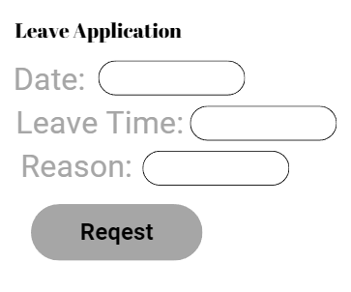
phase 2 | 20 | Manage Leave Application [Manager] | <table> <col=Employee ID> <col=Employee Name> <col=Leave Time> <col=Reason> <col=Approve> | -Employee ID(number) -Employee name(text) -Leave time(text) -Reason(text) -Approve(pending) | -Manager will be able to view a table of leave requests with Employee ID, Employee Name, Leave Time, Reason, and Approve columns so that I can quickly assess and manage employee leave requests efficiently. -Manager have the access to a history log that tracks changes made to the "Approve" column in the table, allowing me to review and audit leave request approvals. | 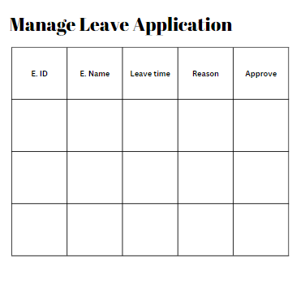
Feature: 7 |  | Subscription Type for Organization [Snahashis Dey]
phase 2 | 21 | Subscription Type setup [Super Admin] | <form> < select = Small > < select = Medium> < select = Large> < input = Employee Range Start> < input = Employee Range End> < button = Update> | - Small (select) - Medium (select) - Large (select) - Enter Employee Range Start (number) - Enter Employee Range End (number) - Update (button) | - The HR management system will allow the Super Admin to select a "Small," "Medium," or "Large" subscription and input a valid "Employee Range Start" and "Employee Range End," and have a "Update" button to initiate the corresponding data update operation. | 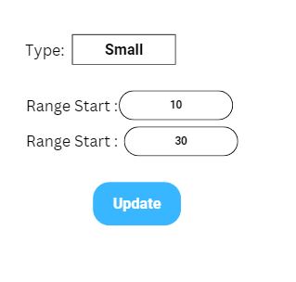
phase 2 | 22 | Subscription Type for Organization[Organization] | <form> < input = total Employee Number> < input = Required Features> < button = Submit> | - Enter total Employee Number E40(number) - Enter required features (text) - Submit (button) | - When the organization enters the total number of employees and specifies the required features in the form, the system will allow them to submit the input by clicking the "Submit" button. | 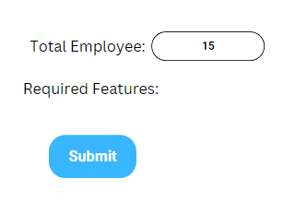
phase 2 | 23 | All Subscription Type List [Super Admin] | <table> <col = Organization ID> < col = Organization Name> < col = Total Employee> < col = Subscription Type> | - Organization ID (number) - Organization Name (text) - Total Employee (number) - Subscription Type (text) | - The table will display organizational data with columns for Organization ID, Organization Name, Total Employee count, and Subscription Type. | 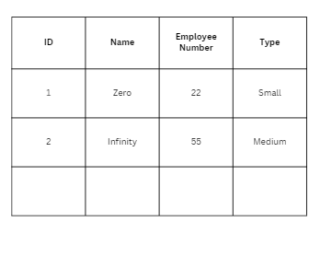
Feature: 8 |  | Subscription Control [Mustafa Wasif ]
phase2 | 24 | Subscription Control Page [Super Admin] | <form> < input = Time Period> < input = Amount> < button = Submit> | -Enter Time Period -Enter Amount | -In the HR management system screen with input fields for "Time Period" and "Amount," when a user enters valid values into both fields and clicks the "Submit" button, then the system should successfully process the input, and the entered data should be saved or used for further HR-related actions or calculations. | 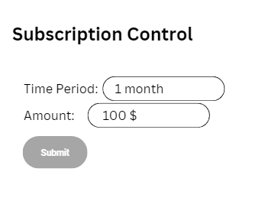
phase 2 | 25 | Subscription Request Page [Organization] | <form> < input = Time Period> < box = Amount> < input = Payment Type> < button = Submit> | -Enter Time Period -Enter Amount | - A user accesses the form, when they enter a valid "Time Period" (e.g., "Monthly" or "6 Months" or "Annual") and a valid "Payment Type" (e.g., "Credit Card" or "PayPal" or "Bkash"), and then click the "Submit" button, the system should process the input without errors and proceed to the next step of the payment or subscription process. | 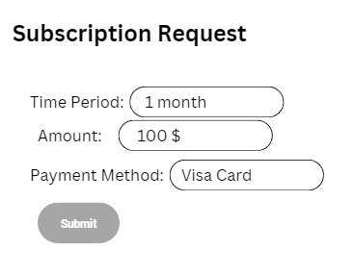
 | 26 | Subscription History [Super Admin] | <table> < col = Organization ID> < col = Organization Name> < col = Time Period> < col = Subscription Issue Date> < col = Subscription End Date> < col = Amount> | - Organization ID - Organization Name - Time Period - Subscription Issue Date - Subscription End Date - Amount | - When viewing the subscription details table, the system will display columns labeled "Organization ID," "Organization Name," "Time Period," "Subscription Issue Date," "Subscription End Date," and "Amount." These column headers should be clearly visible and properly aligned. - Each row in the table which will represent a separate subscription entry, with the respective values for "Organization ID," "Organization Name," "Time Period," "Subscription Issue Date," "Subscription End Date," and "Amount" accurately populated for each subscription. The data should be well-organized and legible for users to review subscription information easily. | 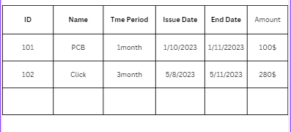
phase 2 | 27 | Subscription History [Organization] | <table> < col = Time Period> < col = Subscription Issue Date> < col = Subscription End Date> < col = Amount> | - Time Period - Subscription Issue Date - Subscription End Date - Amount | - There will be a subscription Summary screen, when the organization view the table, it should display the following columns: "Time Period" "Subscription Issue Date" "Subscription End Date" "Amount" - When the organization interact with the table on the Subscription Summary screen, I expect it to: Allow me to sort the data in each column in ascending and descending order for easy data analysis and comparison. | 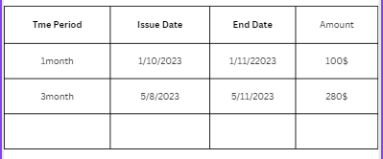
Feature: 9 |  | Notice [Shajaratul Yakin]
phase 2 | 28 | Noticeboard [Organization] | <table> <col = No> <col = Title> <col = Date> <col = Send by> <col = Status(Seen/Unseen)> <link = Report a Notice] | -Title(text) -Date -sent by (text) | -User want to view a table that displays notices, including their unique identification numbers (No), titles, publication dates (Date), senders (Send by), and their current status (Seen/Unseen), so that I can quickly access important information about notices. -Interact with the "Status" column in the table to mark notices as "Seen" or "Unseen" for tracking purposes, enabling me to keep track of which notices user have already viewed and which are pending review. | 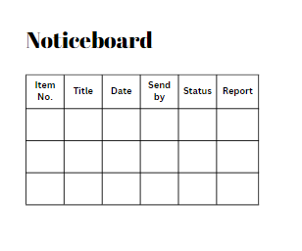
phase 2 | 29 | Noticeboard [Manager] | <table> <col = No> <col = Title> <col = Date> <col = Send by> <col = Status(Seen/Unseen)> <link = Report a Notice] | -Enter no -Enter title -Enter date | -User want to view a table that displays notices, including their unique identification numbers (No), titles, publication dates (Date), senders (Send by), and their current status (Seen/Unseen), so that I can quickly access important information about notices. -Interact with the "Status" column in the table to mark notices as "Seen" or "Unseen" for tracking purposes, enabling me to keep track of which notices user have already viewed and which are pending review. | 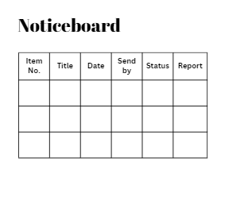
phase 2 | 30 | Noticeboard [Employee] | <table> <col = No> <col = Title> <col = Date> <col = Send by> <col = Status(Seen/Unseen)> <link = Report a Notice] | -Enter no -Enter title -Enter date | -User want to view a table that displays notices, including their unique identification numbers (No), titles, publication dates (Date), senders (Send by), and their current status (Seen/Unseen), so that I can quickly access important information about notices. -Interact with the "Status" column in the table to mark notices as "Seen" or "Unseen" for tracking purposes, enabling me to keep track of which notices user have already viewed and which are pending review. | 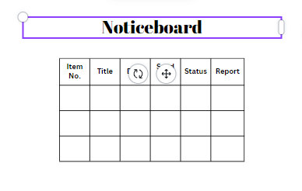
phase 2 | 31 | Report Notice [Organization] [Manager] [Employee] | <form> <input = To: > <input = Title> <input = Description> <buttton = Send> | -Enter input -Enter title -Enter description -Enter sent | -Enter the recipient's email address ("To:") in the form so that I can specify who will receive the message. -Povide a title and a description in the form to ensure that the email user send contains a subject and meaningful content, making it clear and informative for the recipient. | 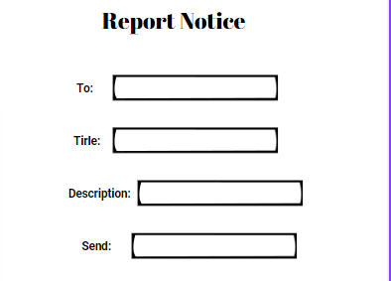
Feature: 10 |  | Profile [Roknuzzaman Fahim]
Feature: 11 |  | Salary Administration [Snahashis Dey]
phase 3 | 38 | Publish Salary for all [Manager] | <table> <col = Employee ID> <col = Employee Name> <col = Amount> <col = Bonus> <col = Total Salary> <button = Publish> | -Employee ID -Employee name -Amount -Bonus -Total salary -Publish | -To input Employee ID, Employee Name, Amount, and Bonus in the table so that user can accurately document and calculate the total salary for each employee. - "Publish" button associated with the table so that user E58can make the salary information available to employees or relevant stakeholders when necessary. | 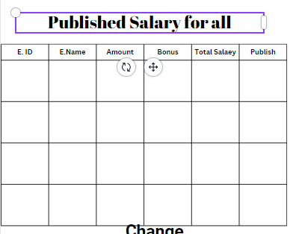
phase 3 | 39 | Publish Salary for Individual [Manager] | <form> <input = Employee ID> <button = Submit> <table> <col = Employee ID> <col = Employee Name> <col = Amount> <col = Bonus> <col = Total Salary> <button = Publish> | -Enter Employee ID -Submit -Employee ID -Employee name -Amount -Bonus -Total salary -Publish | -To input Employee ID, Employee Name, Amount, and Bonus in the table so that user can accurately document and calculate the total salary for each employee. - "Publish" button associated with the table so that user E58can make the salary information available to employees or relevant stakeholders when necessary. | 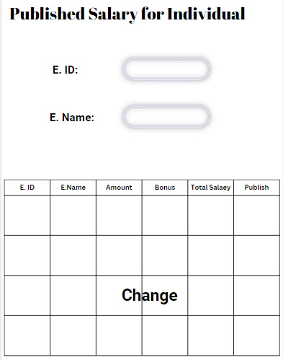
Feature: 12 |  | Salary Type Setup [Roknuzzaman Fahim]
phase 3 | 40 | Set Salary by Type [Manager] | <form> <input = Job Type> <input = Set Salary> <button = Add> | -Enter job type -Enter set salary -Add button | - Input the Job Type and set the corresponding Salary for that job type by clicking the "Add" button, so that manager can efficiently define and manage compensation rates for different positions within the organization. | 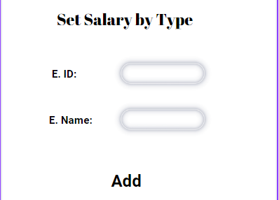
phase 3 | 41 | View All Salary Type [Manager] | <table> <col = Job Type> <col = Salary> <col = Action (Change)> | -Job type(view) -Salary( view) | -Input the Job Type and set the corresponding Salary for that job type by clicking the "Change" button, so that user can efficiently define and manage compensation rates for different positions within the organization. | 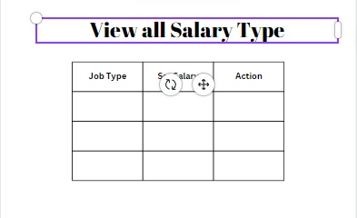
phase 3 | 42 | Set Salary for Individual [Manager] | <form> <input = employee id> <button = search> <input = job type> <input = salary > <input = bonus> <input = evertime> <button = Submit> | -Enter employee id -search -Enter job type -Enter salary -Enter bonus -Submit | -To search for an employee by their unique Employee ID using the "Search" button, so manager can quickly access their job type, salary, bonus, and overtime information for further review and management. | 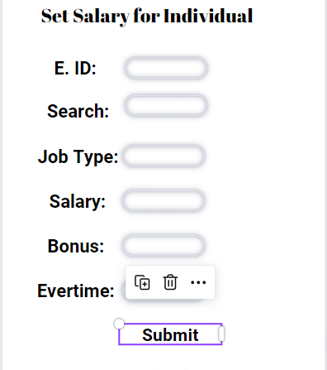
phase 3 | 43 | View Salary Details [Manager] | <table> <col = Employee ID> <col = Employee Name> <col = Basic Salary> <col = Bonus> <col = Total Salary> <col = Action (Change)> | -Employee ID -Employee Name -Basic Salary -Bonus -Total Salary -Action (Change) | -To view and manage employee information in a table that includes Employee ID, Employee Name, Basic Salary, Bonus, Total Salary, and an Action column for making changes, so that manager can efficiently track and update compensation details for each employee. | 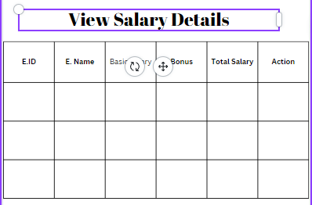
phase 3 | 44 | Salary Details [Employee] | <table> <col = Employee Name> <col = Basic Salary> <col = Bonus> <col = Total Salary> <col = Month> | -Employee Name -Basic Salary -Bonus -Total Salary -Month | -To view and manage employee information in a table that includes Employee ID, Employee Name, Basic Salary, Bonus, Total Salary, and an Action column for making changes, so that employee can efficiently track and update compensation details for each employee. | 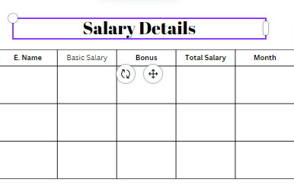
Feature: 13 |  | Employee Account Control [Mustafa Wasif ]
phase 3 | 45 | Employee Account Activation / Deactivation [Manager] | <form> < input = emplyee id> < button = Activate / Deactivate > <table> < col = employee id > < col = employee name> < col = status> < col = Action > | - Enter emplyee id - Enter employee id - Enter employee name - Enter status - Enter Action | - Employee's unique ID is entered into the "Employee ID" input field, - When the "Activate / Deactivate" button is clicked, - Then the system should activate the employee's account, updating the "Status" in the table to "Active." - Additionally, the "Action" column in the table should display an option for deactivation. | 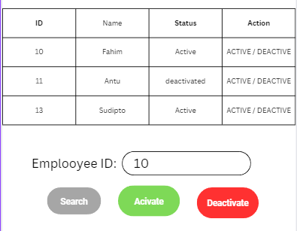
phase 3 | 46 | Employee Account [Employee] |  | If deactivated - Employee cannot use their account after login a notice will show up |  | 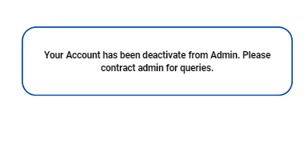
Feature: 14 |  | Document Management [Shajaratul Yakin]
Feature: 15 |  | Performance Goal [Snahashis Dey]
Feature: 16 |  | Conduct Employee Evaluation [Mustafa Wasif ]
phase 3 | 53 | Conduct Employee Evaluation [Manager] | <form> <input = Employee id> <input = Title> <input = Due Date> <input = Description> <button = Set Goal> | -Enter Employee id -Enter Title -Enter Due Date -Enter Description -Enter Set Goal | -A evaluation where manager can monitor an employees id, title, due date and description | 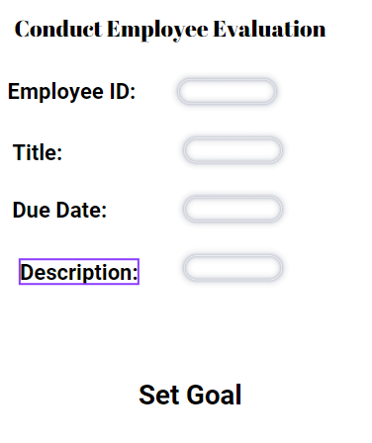
phase 3 | 54 | Conduct Employee Evaluation [Employee] | <table> <col = No> <col = Title> <col = Due Date> <col = Assigned By> <link = View> <col = Status (Complete/ Progress) | - No -Title -Due Date -Assigned By -link = View -Status | - A F76evaluation where employee can monitor an his number, title, due date and description | 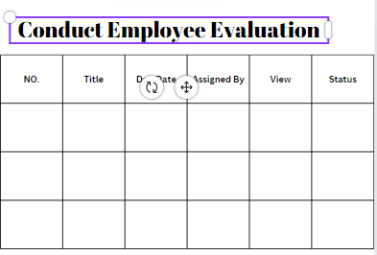
Feature: 17 |  | Track Progress [Snahashis Dey]
phase 3 | 55 | Track Progress [Organization] | <table> <col = No> <col = Title> <col = Assigned to Manager ID > <col = Due Date> <col = Status> <col = Date of Submission> | - No -Title -Due Date -Assigned By -link = View -Status -Date of submission | - A table contains No, title, assigned to manager id , due date, status and date of submission where organization can track process of manager
phase 3 | 56 | Track Progress [Manager] | <table> <col = No> <col = Title> <col = Assigned to Employee ID> <col = Due Date> <col = Status> <col = Date of Submission> | - No -Title -Due Date -Assigned to Employee ID -Status -Date of submission | - A table contains No, title, assigned to employee id , due date, status and date of submission where manager can track process of employee | 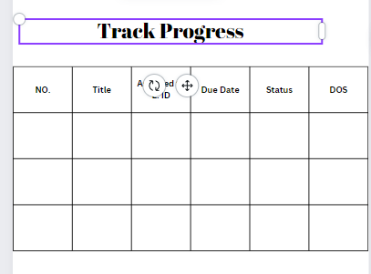
Feature : 18 |  | Multi Language Support [Roknuzzaman Fahim]
Feature : 19 |  | Credit System [Snahashis Dey]
Feature : 20 |  | FAQ and Documentation [Mustafa Wasif ]
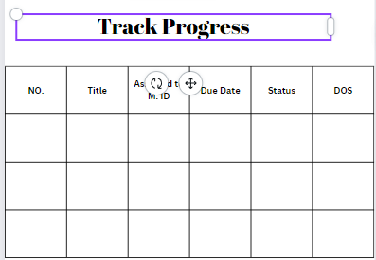
Feature: 21 |  | Employee Handbook [Roknuzzaman Fahim]

