PRD
Product Requirement Document (PRD) - Version: 1.0

Template Name |  | Money Transfer system using Blockchain
Goals & Objective |  | We all transfer money. The goal of this website is to provide a secure and efficient platform for individuals and businesses to transfer money using blockchain technology. From this website user/miner can : - Send & Receive money with low cost transaction fee - Can see transparent ledger where all activity of transaction is shown - Can see block information - Miners can mine blocks - Miners can verify blocks - User/Miners can update their profile information
Client Information
Product Type |  | Web Application
Domain |  | Web2
Access Layers |  | User, Miner
Design Required |  | Yes

Phase | Item No | Specification [Role] | Screen Definition | User Story | Acceptance Criteria | UI Screen / Wireframe | Tags
Feature: 1 |  | Auth Feature
phase 1 | 1 | Signup [Miner] [User] | <Form> <input=name> <input=email> <input=gender> <input=dob> <input=password> <input=re-password> <input=user-type> <button=signup> <link=signin> | - Enter Full name (input) - Enter unregistered email (input) - Enter password (input) [Logic: At least 8 characters long, atleast one special character] - Enter password again (input) [Logic: should match password input] - Choose user type [user,miner] - Click Signup (button) [Logic: If the email is unique, user will be registered to the sysmem (databse)] - Signin (link) [Logic: redirect user to Login page] | - Email (input) field should only accept valid unregistered email address as input, otherwise will show an 'email already used' message. - Password (input) should be minimum 8 characters long. Otherwise show an invalid message. - Re-password (input) should match password. Otherwise show 'password do not match' message. - User type must be selected. Otherwise show 'Please select a user type'. - On clicking signup button, credential will be stored in database, user will be redirected to his dashboard. - A copy of the login information will be sent to his email. | 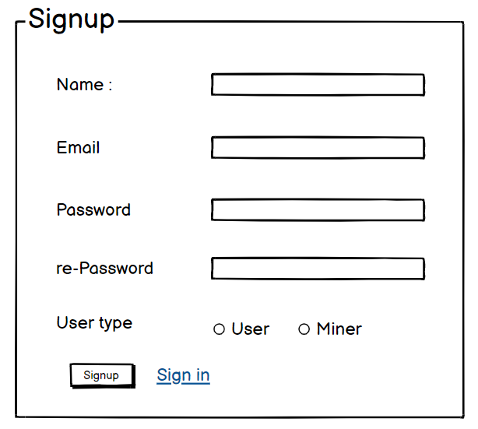 | signup
phase 1 | 2 | Signin [Miner] [User] | <Form> <input=email> <input=password> <option=remember me> <button=signin> <link=signup> <link=forgot password> | - Enter Email (input) - Enter password (input) - signin (button) - signup (link) - forgot password (link) | - Email must match database email - password must match database password - User go to dashboard (if email & password match with database) - User is promt with an error. "Email or password does not match!". (if email & password match with database) - clicking signup should take user to signup page - clicking forgot password should take him to forgot password page | 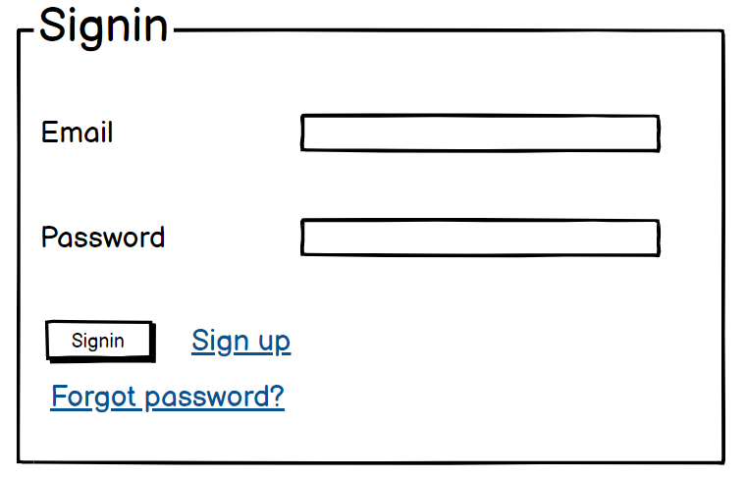 | signin
phase 1 | 3 | Forgot password[Miner] [User] | <Form> <input=email> <button=send code> <input=code> <input=password> <input=confirm Password> <button=submit> | - Enter email (input) - Press send code (button) - Enter new password (input) - Re-type new password (input) - click on change passowrd to update password (button) | - email must match DB email or promt "No email found!" - pressing send code will print a message "code sent!" and the code can be found at user info row. - enter new password [At least 8 characters long, atleast one special character] - re-type new password [it should match new password] - clicking submit button will show user -> "password changed" if all info match criteria or it'll indicate what's wrong | 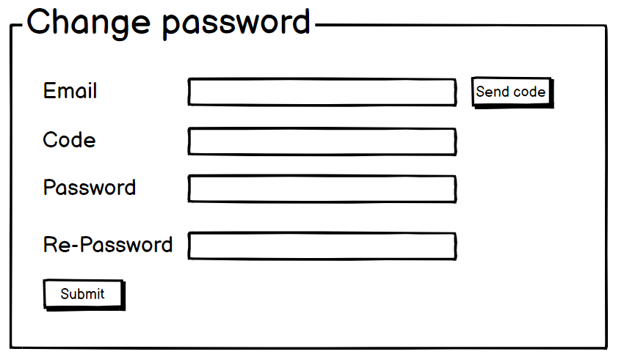 | forgot_password
Feature: 2 |  | Dashboard
phase 1 | 4 | Menu [User] | Dashboard Send money Public Ledger Latest Blocks View Profile Edit Profile Change Profile Photo Change Password | - Dashboard(link) - Send money(link) - public ledger (link) - Latest Blocks (link) - View Profile(link) - Edit profile(link) - change profile photo(link) - change password(link) | - clicking dashboard will take user to dashboard page - go to send money page on click - go to public ledger on Click - go to Latest blocks page on click - go to view profile page on click - go to edit profile page on Click - go to change profile page on Click - go to change password page on Click | 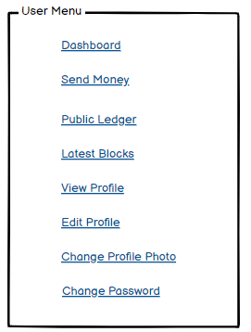 | Menu
phase 1 | 5 | Menu[Miner] | <Unordered list> Dashboard Send money Public Ledger Latest Blocks Mempool Mine block Verify blocks View Profile Edit Profile Change Profile Photo Change Password | - Dashboard(link) - Send money(link) - public ledger(link) - Latest blocks(link) - Mempool(link) - Mine Blocks(link) - Verify Blocks(link) - View Profile(link) - Edit profile(link) - change profile photo(link) - change password(link) | - clicking dashboard will take user to dashboard page - go to send money page on click - go to public ledger on Click - go to Latest blocks page on click - go to mempool page on click - go to mine blocks page on click - go to verify blocks page on click - go to view profile page on click - go to edit profile page on Click - go to change profile page on Click - go to change password page on Click | 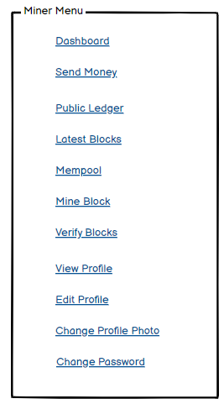
phase 1 | 6 | Dashboard [Miner] [User] | <table> Balance : 100.23 BTC View transaction history (link) Your public key Your private key Your bitcoin address | - Balance (text) - trx history(link) - public key (text) - private key(text) - bitcoin address(text) | 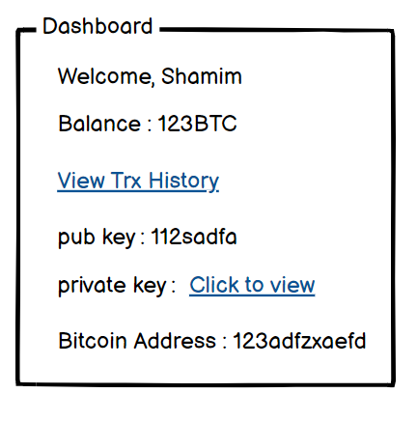 - show appropiate Balance ( should not be less than 0) - clicking trx history link will take user to trx history page - public key is shown - private key is only shown when clicked - bitcoin address is shown
Feature: 3 |  | Top bar and Bottom Bar
phase 1 | 7 | Top bar | table row 1 col1 : logo col2 : leave it blank col3 : Logged in as, cseshamim47 | logout | - clicking on logo will take user to dashboard - clicking on logout will logout user - clicking on username will take him to profile page | - logout should erase cookie and user should not be able to go to dashboard without login again | 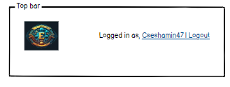
phase 1 | 8 | Bottom Bar | copyright and year | none | none | 
Feature: 4 |  | Send Money
phase 2 | 9 | Send Money[user][miner] | <form> <input = recipient address > <input = Amount> <input = re-type amount> <button = sign with private key> <input = message> <button = submit> | - Enter receipient address (input) - enter amount (input) - re-type amount (input) - click sign with private key(button) - write anything in message (input) - click submit(button) | - User must enter valid receipient address [otherwise prompt an error] - User must enter amount in valid format [negative, 0 or any charater is not allowed. Only numerics starting > 0 is allowed. The amount must be less than or equals to user's current balance] - User must re-type same amount previously mentioned - User must click sign with private key [otherwise promt an error] - User can write anything in the message box if they want - User have to click submit button after everything is set properly [ clicking submit will add the transaction to the mempool] | 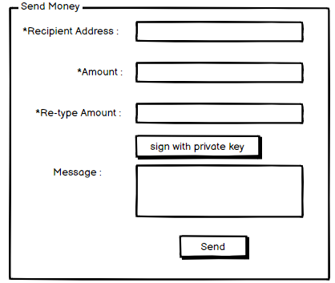
Feature: 5 |  | Public Ledger
phase 2 | 10 | Public Ledger[user][miner] | <table> <col=Transaction id> <col=Time> <col=BTC> | - User can see transactions id, time and transaction amount - User can click on any row to see the details of the transaction [redirect to transaction details page] | - Transaction id, time and transaction amount should be in the list - clicking on any row must redirect transaction details page | 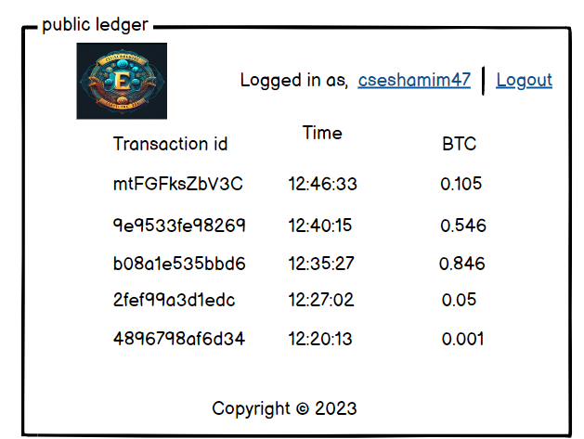
Feature: 6 |  | Block
phase 2 | 11 | Latest Blocks[user][miner] | <table> <col = Block Number> <col = Time> <col = Number of Transactions> <col = Size> <col = miner> | - Block number (text) - Time(text) - Number of trx(text) - size(mb in text) - Miner(name) | - full row is clickable - once clicked it'll redirect to another page [block view page where block details will be shown] - Block number should be in desending order [latest block should be in the top] - Block Size should be in MB - Number of trx should be in number [ negative number not allowed ] - Miner name | 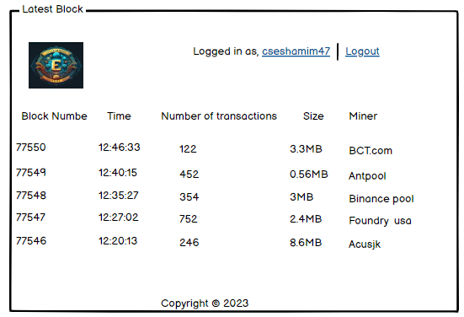
Feature: 7 |  | Mempool
phase 2 | 12 | Mempool[miner] | <table> <col = unconfirmed trx id> <col = trx fee> <col = add button> <table> <row> <col = added unconfirmed trx id> <col = trx fee> <col = remove trx> <row> <col = number of trx> <col = total fee> <col = go button> | - unconfirmed trx ids (text) - trx fee (in btc) - click add button(button) - number of added trx(number) - total fees(number) - go(button) | - add button must add the corrosponding transaction [after clicking add button, the row should disspear from the list and added to the block] - the trx list should be in decending order by the fee. [maximum fee transaction should appear on top] - total number of trx added should appear in the bottom of demo block - total fees of added trx - go button should take miner to mine block page. | 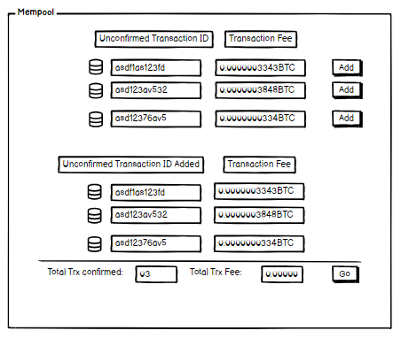
Feature: 8 |  | Mine Blocks
phase 2 | 13 | Mine Blocks[miner] | <table=block> <row = block no> <row = nonce> <row = data> <row = prev hash> <row = hash> <row = try mining with given nonce> <row = mine> | - current block no(number) - nonce(can be input) - data(all transactions) - prev hash(previous block hash) - hash(current hash with given data) - try mining with given nonce( button - it'll generate a hash with given nonce,blockno,data,prevhash and check if it's less than target) - mine (it'll try all possible nonce to find a hash which is less than target) | - block number should be 1 + previous block number. Genesis block number is 1 - default nonce value is one - data should include all valid transaction in the block - prev hash should be the hash of previous block - "try mining with given nonce" button will try to mine using the given nonce - mine button will find a valid hash that is less than the target and notify miner that it's ready to be added to the verification list | 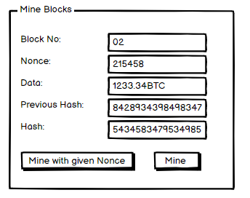
Feature: 9 |  | Verify Blocks
phase 2 | 14 | Verify Blocks[miner] | <table=block> <row = number of confirmation> <row = block no> <row = nonce(input)> <row = data> <row = prev hash> <row = hash> <row = verify> <row = confirm> | - current block no(uneditable number) - nonce(uneditable text) - data(all transactions) - prev hash(uneditable previous block hash) - hash(current hash with given data) - miners can verify a mined block whether hash value meets the target condition or not - after verifying miner will confirm the block and if 51% miner confirm that the block does not contain any tampered data, then the block will be added to the chain - verify(button) - confirm(button) | - block number should be 1 + previous block number. Genesis block number is 1 and has no prev hash - correct nonce value should be set - data should include all transaction in the block - prev hash should be the hash of previous block - clicking on confirm will not work before verifying - clicking on verify will prompt will a message "It's a valid block!". - Clicking on confirm button will increment <row = number of confirmation> | 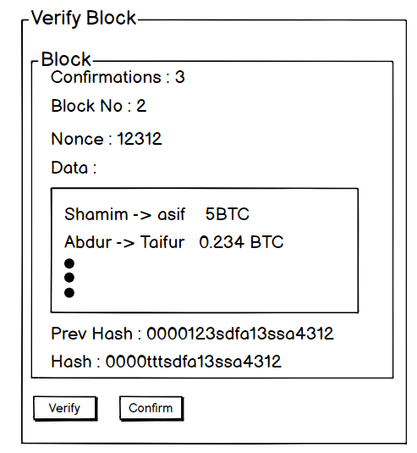
Feature: 10 |  | Profile
phase 1 | 15 | View Profile[miner][user] | <table> Name Email Phone Date of Birth gender user type edit | - Full name of user (view) - phone number of user (view) - date of birth of user (view) - gender of user (view) - user type (miner/user) - edit (link button) | 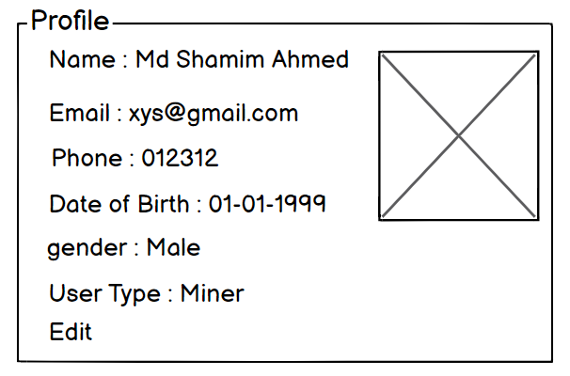 - No null values - Edit button should take user to edit page
phase 1 | 16 | Edit Profile[miner][user] | <table> <input = Name > <input = Email > <input = Phone > <date input = Date of Birth > <radio button = gender > <button = save > | - can edit name - can edit email - can edit phone - can edit date of birth - can edit gender - can click on save button | - No null values - email should be in correct format [xyz@abc.com] - phone number should be in correct format [11 digits] - date of birth should be in at least 15 years - clicking save button will either promt with an error if above rules do not meet or a promt notifying the user about successful change | 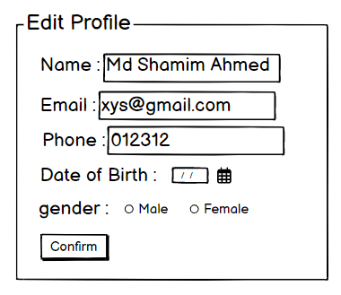
phase 1 | 17 | Change Profile Photo[miner][user] | <table> <current image> <input type="file"> <button = confirm> | - current image of user/miner is shown - user can choose new photo from device - after choosing new photo, user can confirm by pressing confirm button | - current image/ default image is shown - input file should be an image and not any other format [png,jpg format] - cofirm button should redirect user to view profile page | 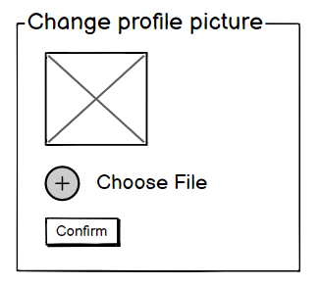
phase 1 | 18 | Change Password[miner][user] | <table> <input type="password"> current password <input type="password"> new password <input type="password"> confirm password <button=change> | - type current password - type new password - type new password again | - user can type current password [it should match database password] - Password (input) should be minimum 8 characters long. Otherwise show an invalid message. - Re-password (input) should match password. Otherwise show 'password do not match' message. - On clicking signup button, credential will be stored in database, user will be prompted with a message. [sucessfully changed / something went wrong] | 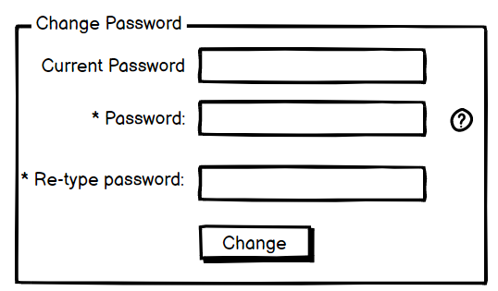
Feature: 11 |  | Transaction details
phase 3 | 19 | Transaction Details[miner][user] | <table> <li> hash id status Amount Fee From To <link = More> | - user can see unique hash id - user can see trx status(pending/confirmed) - user can see the amount - user can see fee - user can see from where the money coming - user can see to where the money is going - user can click 'More' to see more about this transaction | - hash id must be unque - trx status must be set - amount should be number and positive value - fee should be a number - the address of sender must be shown - the address of receiver is also shown - clickable link to more details about this transaction | 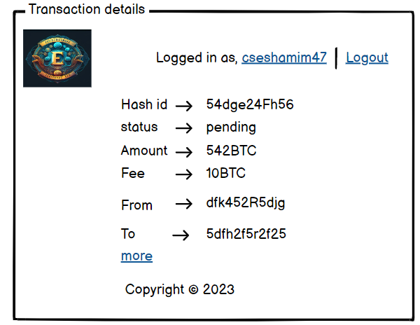
phase 3 | 20 | More[miner][user] | <table> <li> hash id status Amount Fee From To Time Age <li> inputs intputs Value <li> outputs output Value fee size | - user can see unique hash id - user can see trx status(pending/confirmed) - user can see the amount - user can see fee - user can see from where the money coming - user can see to where the money is going - trx Time is shown - age of the trx is shown - input and input vlaue is shown - output and output value is shown - fee is shown - size of the trx also can be seen | - hash id must be unque - trx status must be set - amount should be number and positive value - fee should be a number - the address of sender must be shown - the address of receiver is also shown - trx time : when the trx happened is set to see - age = current time - trx time - input (integer number) & input value(decimal) - output (integer number) & output value(decimal) - fee must be set - size of trx in bytes | 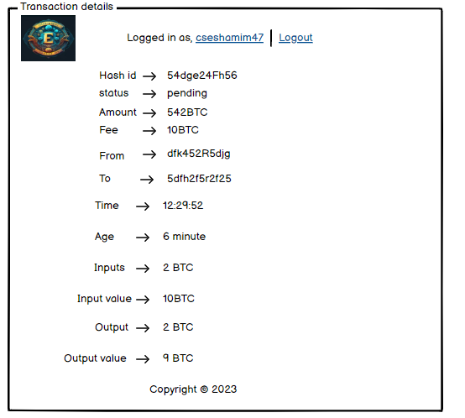
Feature: 12 |  | Block details
phase 3 | 21 | Bitcoin Block[miner][user] | <list> - Block number - miner - btc - value - more | - Block number - miner name - block BTC(sum of all trx) - value(BTC in dollar) - more(link) | Everything should be valid & verified | 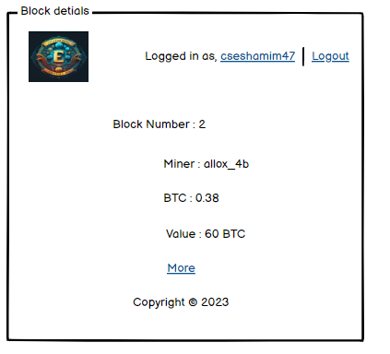
phase 3 | 22 | More[miner][user] | <list> - Block number - miner - btc - value - distance - depth - trx - input - output - fees - Reward - Nonce - Size - Confirmations | - Block number - miner name - block BTC(sum of all trx) - value(BTC in dollar) - distance(mins since mined) - depth(number of blocks that have been added after this block+1) - trx(number of transactions) - input(number of inputs) - output(number of outputs) - fees(total fees generated to verify all transaction) - Reward(block reward. currently 6.5 btc) - Nonce(number) - size (mb) | Everything should be valid & verified | 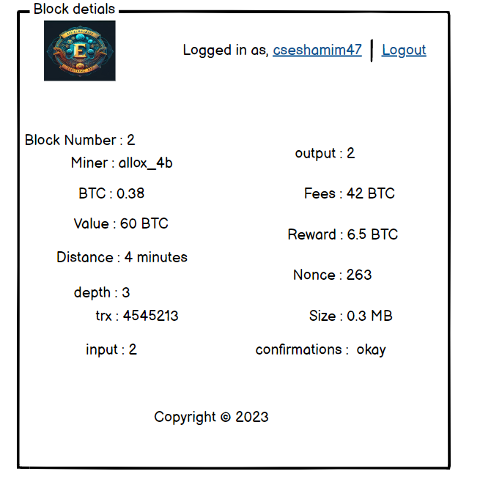
Feature: 13 |  | Notification
phase 3 | 23 | View all notification | <List> <ListItem> <Text>John Doe sent you 0.01 BTC</Text> <Text>2 hours ago</Text> </ListItem> <ListItem> <Text>Transaction confirmed: 0.01 BTC received</Text> <Text>Yesterday</Text> </ListItem> </List> | - Users can receive alerts when a transaction is confirmed or when they receive funds. - Users can set price alerts for specific cryptocurrencies, and receive notifications when the price reaches a certain threshold. - Users can receive alerts when there is unusual activity on their account, or when they need to take action to secure their account. | -Notifications should be relevant and provide users with valuable information related to their account, transactions, or the broader cryptocurrency market. -Notifications should be accurate and provide correct information. Any errors or discrepancies should be promptly corrected.
Feature: 14 |  | Fllowed User
phase 3 | 24 | View All Followed User | <List> <ListItem> <Text>User A</Text> <Text>Bitcoin address: 1Abcd...</Text> <Button>Unfollow</Button> </ListItem> <ListItem> <Text>User B</Text> <Text>Bitcoin address: 1Xyz...</Text> <Button>Unfollow</Button> </ListItem> </List> | - All the followed user should visible over here. | - All the followed user should visible over here if user follow them. | 
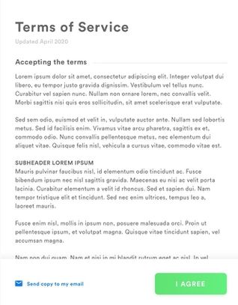
Feature: 15 |  | Legal Agreement Feature
phase 3 | 25 | View Terms and Condition | <View> <Text>Terms and Conditions</Text> <ScrollView> <Text>...Text content goes here...</Text> </ScrollView> <Button>Agree and Continue</Button> </View> | - All the term and condition should visible over here. | - The user should be presented with a clear and concise summary of the terms and conditions before agreeing to them.
Feature: 16 |  | Transaction History
phase 3 | 26 | Transaction History | <Form> <lebel>From</lebel> <input=Date> <lebel>To</lebel> <input=Date> <input=User’s Password> <button=Transactions> <link=Last Five Transactions> <link=Download Statement> | -Select Date for the time period you want to see -type current password to verify | -user’s can input the time period - user can type current password to make changes [it should match database password] - Password (input) should be minimum 8 characters long. Otherwise show an invalid message. - On clicking last five transaction it will show the recent 5 transactions - On clicking Transactions show the transactions of the time period - On clicking download statement all transactions will be written in a text file | 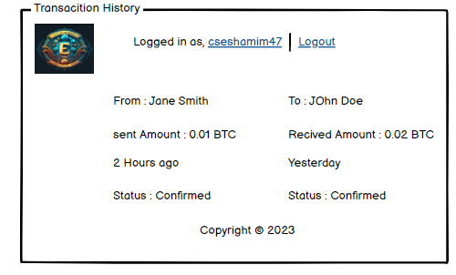
Feature: 17 |  | About
phase 3 | 27 | About | <View> <Image>...</Image> <Text>Money transaction using blockchain</Text> <Text>Version: 1.0.0</Text> <Text>Developer: Shamim</Text> <Text>Email: shamim@procoder.com</Text> <Text>Website: www.procoder.com</Text> <Text>About:</Text> <ScrollView> <Text>...Text content goes here...</Text> </ScrollView> </View> |  |  | 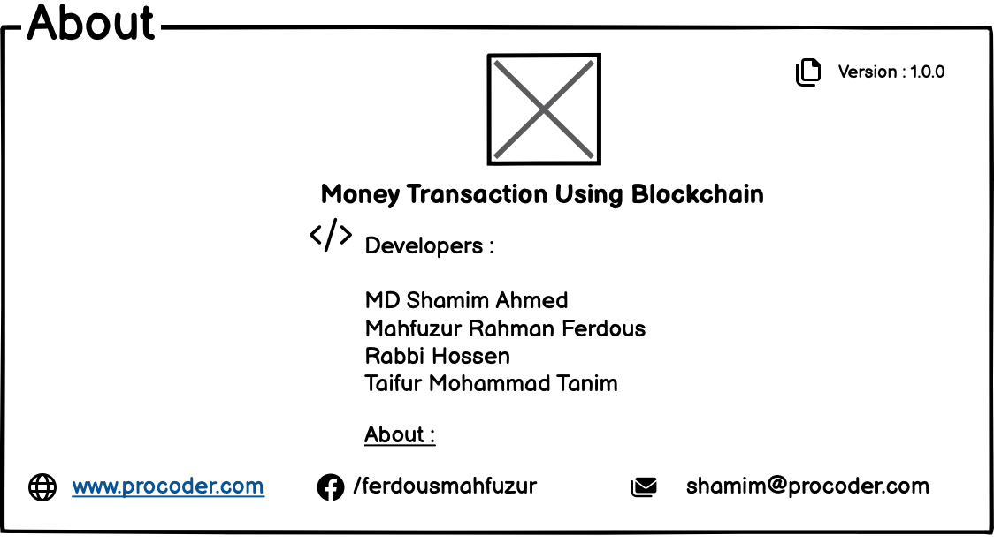
Feature: 18 |  | Learning Portal
phase 3 | 28 | Learning 101 | <View> <Text>Learning Portal</Text> <ScrollView> <Text>...Text content goes here...</Text> </ScrollView> </View>
Feature: 19 |  | Deposit
phase 3 | 29 | Deposit | <Form> <input=Amount> <option=Bkash?> <option=Nagad?> <option=Rocket?> <option=Card?> <button=Deposit> | -Enter Amount to be deposited -Select Deposit options | Type amount to be deposited -amount (Input) should be numbers.Otherwise show invalid input. -Select any option.otherwise show blank option. -deposited amount will be added in user’s account balance and transaction history. | 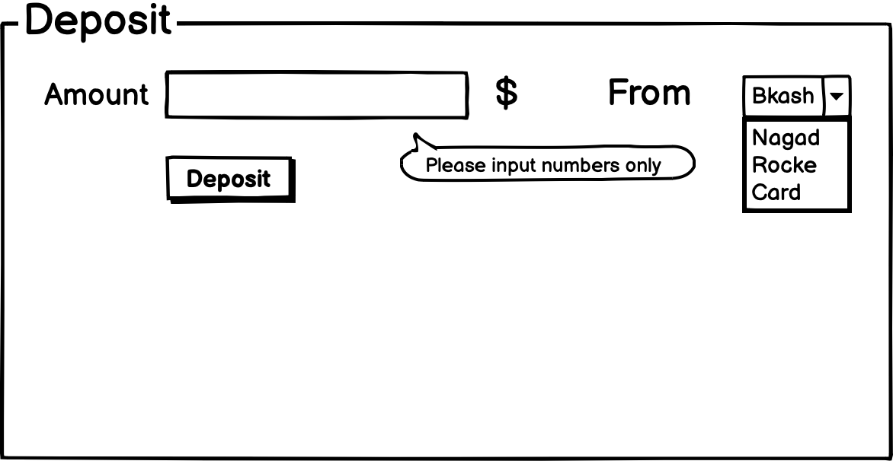
Feature: 20 |  | FAQ
phase 3 | 30 | FAQ | <View> <Text>Frequently Asked Questions</Text> <ScrollView> <Text>Question 1: What is Bitcoin?</Text> <Text>...Answer 1 goes here...</Text> <Text>Question 1: What is Bitcoin?</Text> <Text>...Answer 1 goes here...</Text> </ScrollView> </View> |  |  | 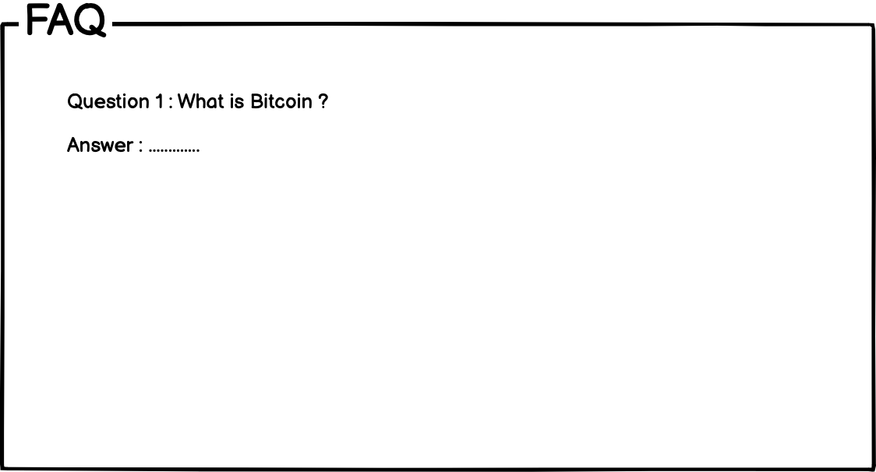
Feature: 21 |  | Currency Converstion
phase 3 | 31 | Currency Converstion | <Form> <input=amount> <select=from_currency> <option=USD> </select> <select=to_currency> <option>BTC</option> </select> <button=convert> <button=switch_currencies> </Form> | - USD to crypto conversion | -The user should be able to enter the amount they want to convert in a numerical input field. -display the converted amount. -The user should be able to switch the source and destination currencies and see the equivalent amount in the new source currency. | 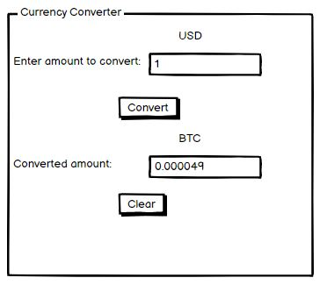
Feature: 22 |  | Request Bitcoin
phase 3 | 32 | Request Bitcoin | <Form> <input=amount> <input=recipient> <input=description> <button=request> <select=currency> <option>BTC</option> </select> </Form> | - Can request a specific amount of bitcoin from another person | -user should be able to enter the amount of Bitcoin they want to request in a numerical input field. -user should be able to enter the recipient's Bitcoin address in a text input field. -user should be able to submit the request by clicking a "Request" button. | 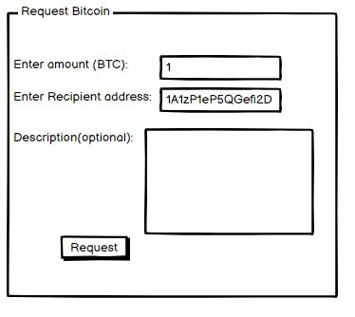
Feature: 22 |  | Bill Payment
phase 3 | 33 | Bill Payment | <Form> <input=Amount> <input=Biller ID> <option=QR Scan?> <option=Prime Video?> <option=Netflix?> <option=Amazon?> <button=Deposit> <button=Recent> | -Enter Amount to pay -input biller ID -Scan QR -Select Billers options | -Type amount to be paid -amount (Input) should be numbers.Otherwise show invalid input. -input Biller Id -Select any option.otherwise show blank option. -amount will be deducted from user’s account balance and transaction history. | 