API POST
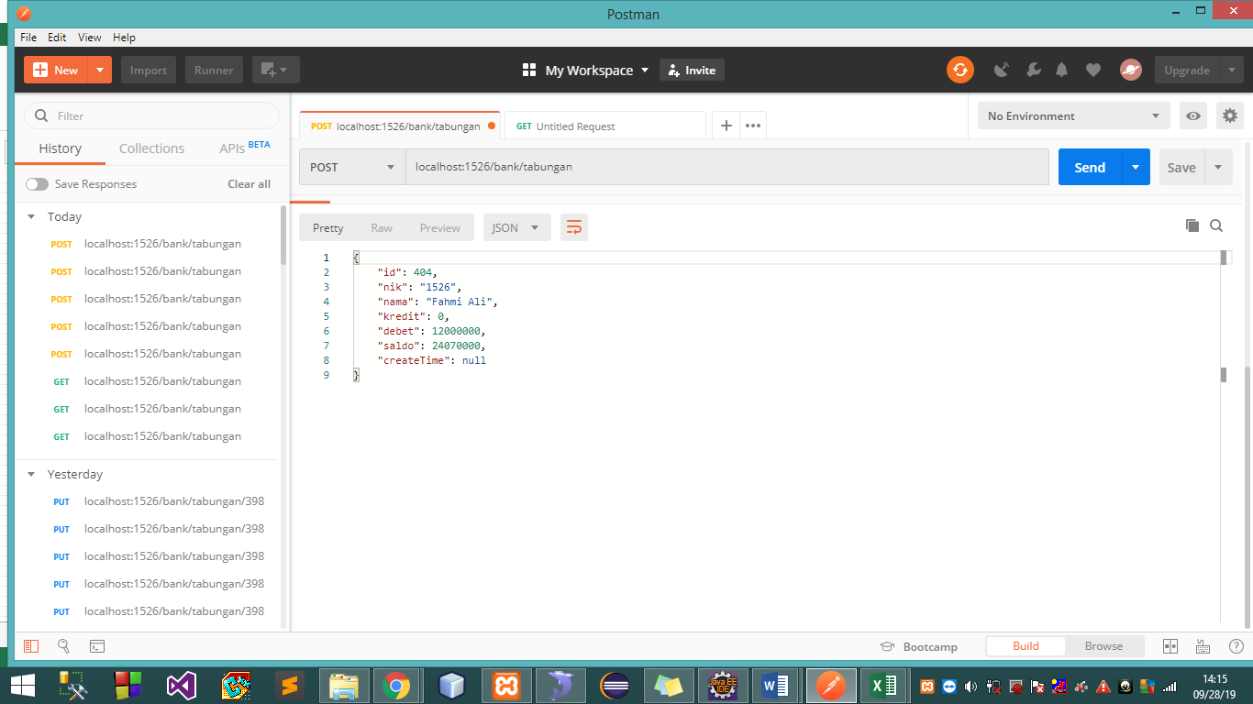
API
localhost:1526/bank/tabungan

PARAMETER
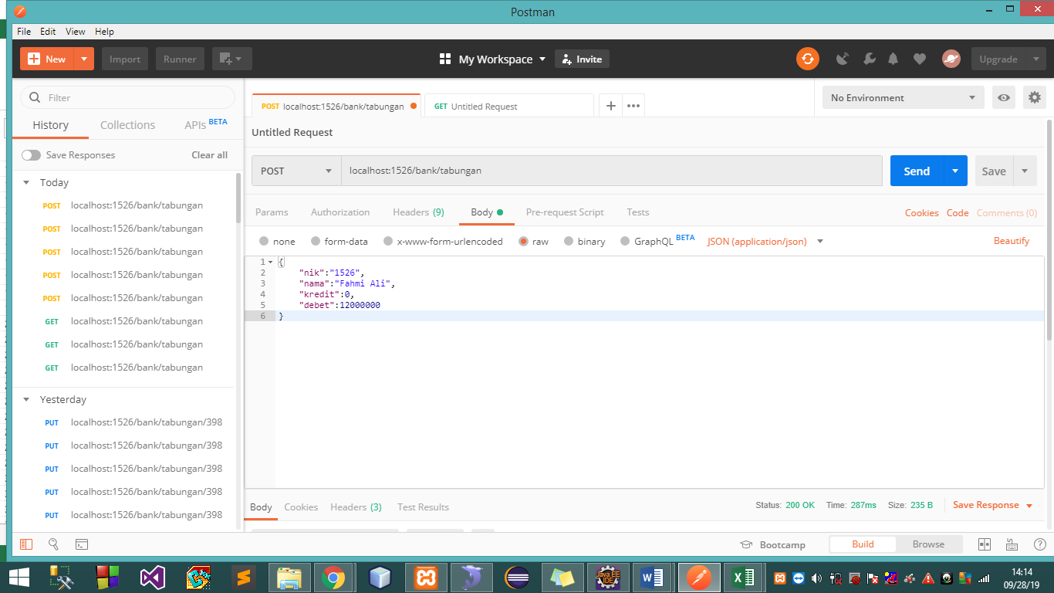

Response

API GET ID
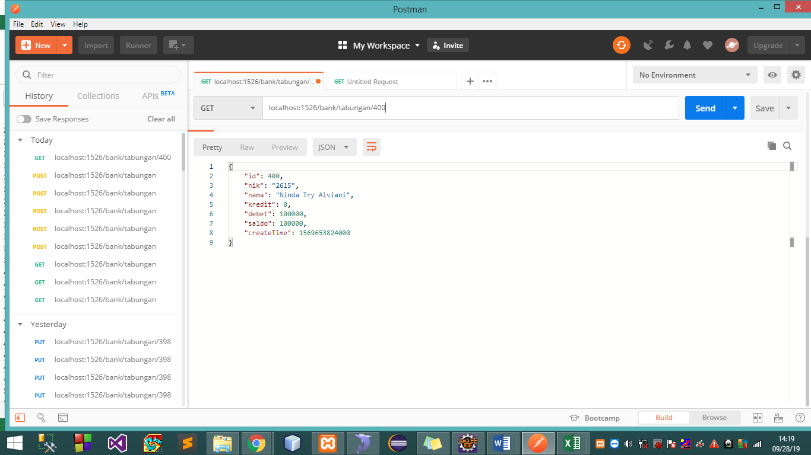
API
localhost:1526/bank/tabungan/400

PARAMETER


Response

API GET NIK
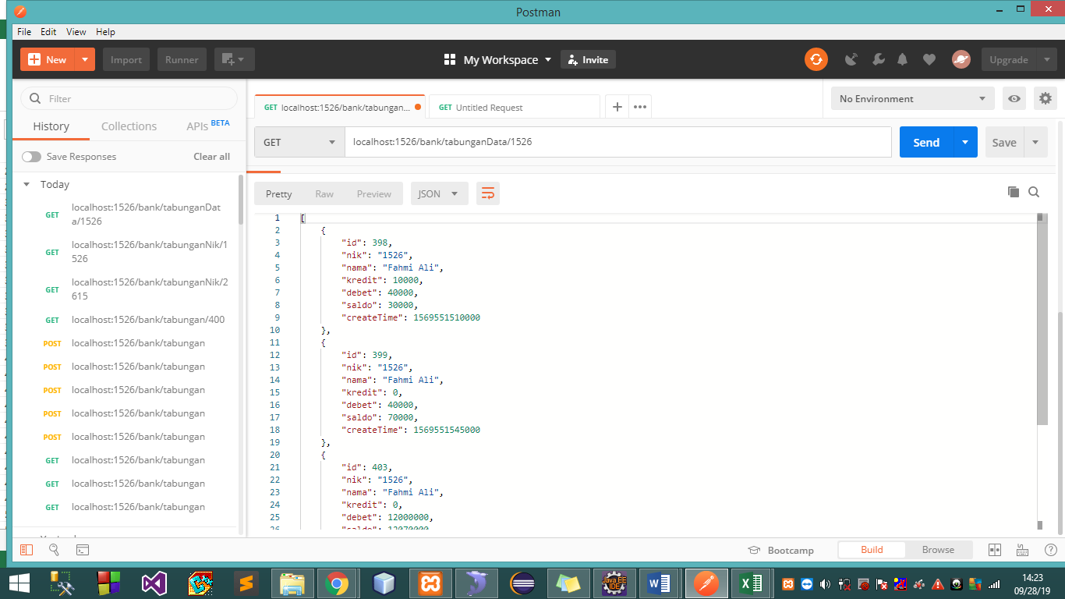
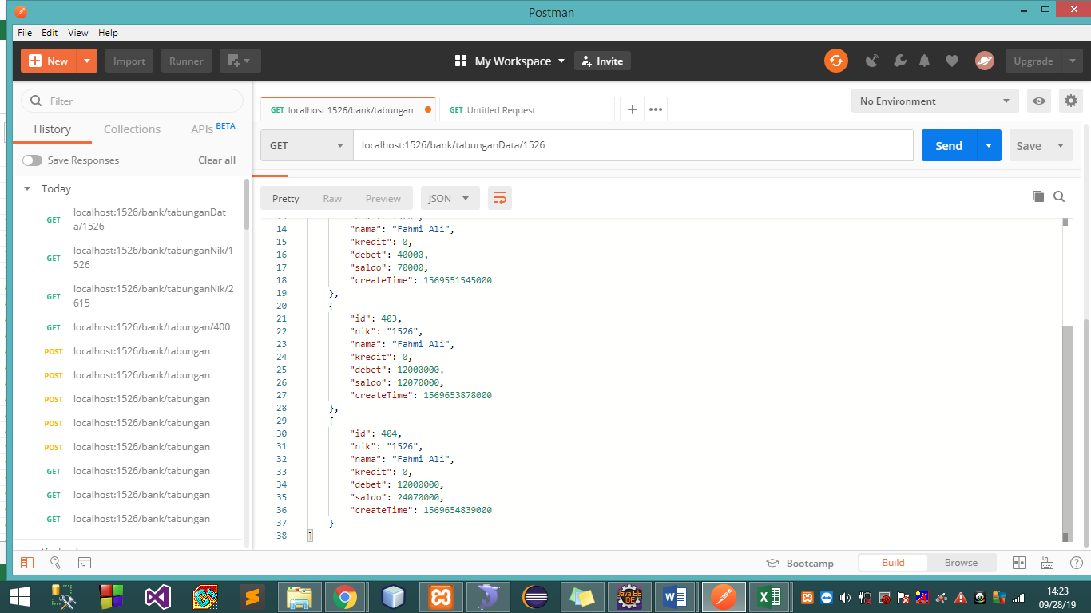
API
localhost:1526/bank/tabunganData/2615

PARAMETER

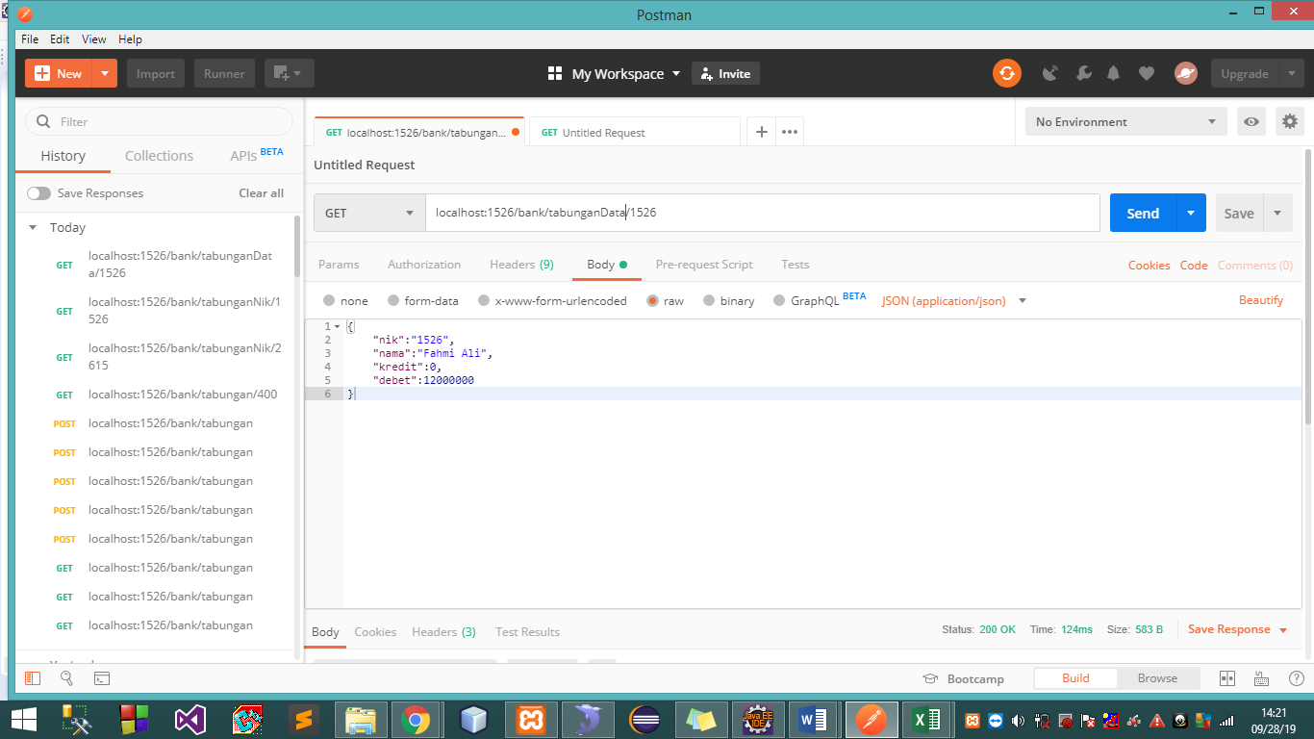

Response

API DELETE
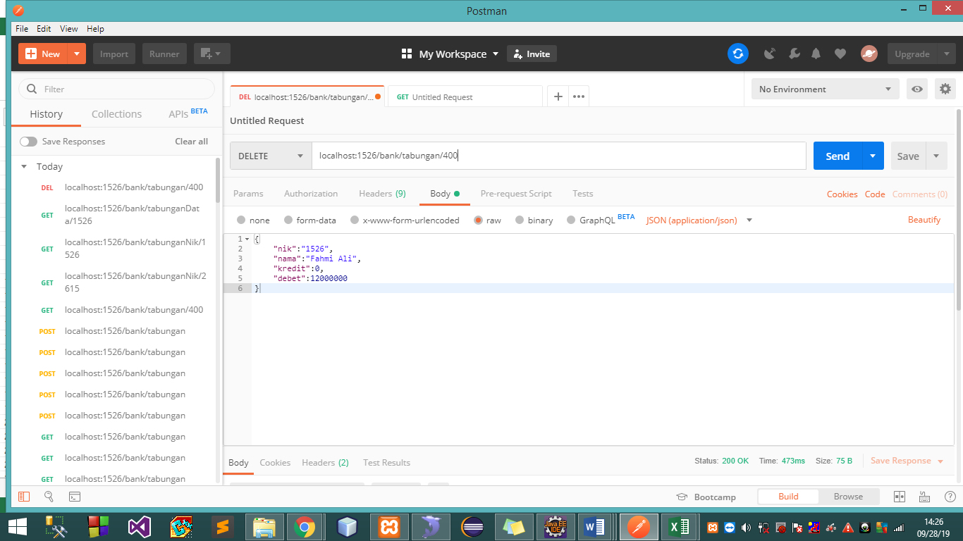
API
localhost:1526/bank/tabungan/400

PARAMETER

API UPDATE
API
localhost:1526/bank/tabungan/400

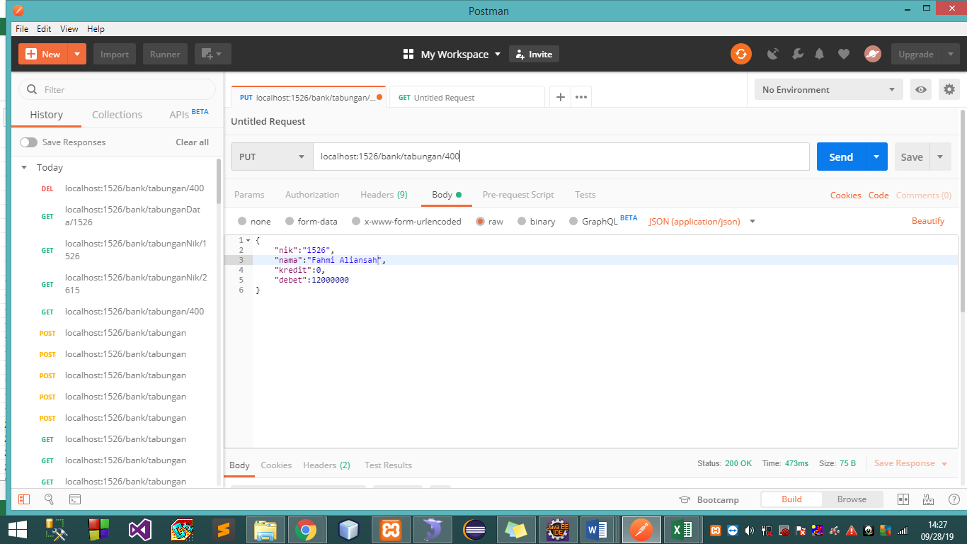
PARAMETER
API
localhost:1526/bank/tabungan/400

PARAMETER

Response

API GET ALL
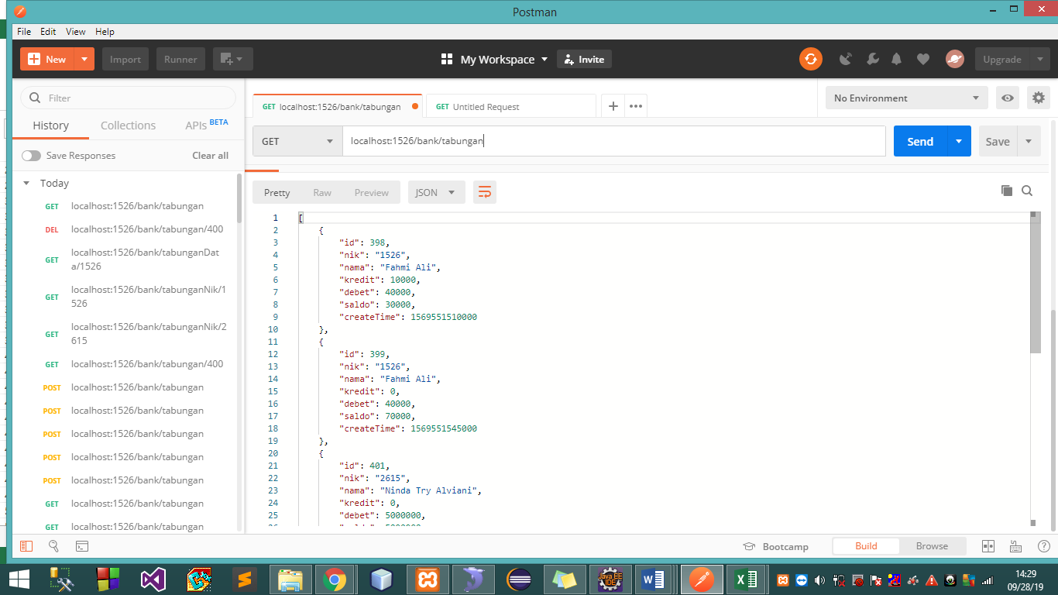
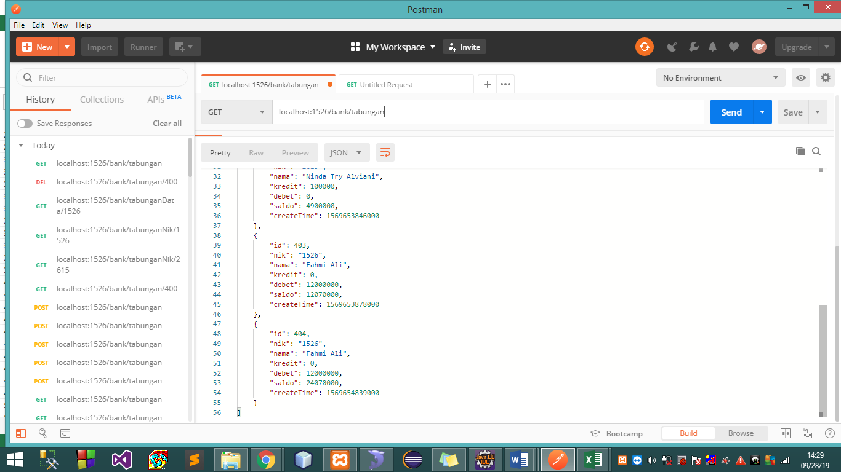
API
localhost:1526/bank/tabungan

PARAMETER



Response

