ClimbbyWatts
 | Input |  |  |  | Output
 |  |  |  |  |  |  |  |  |  |  | Formula
a | Elevation [m] | 1539 m |  | m | Pitch [%] | 7.68% |  |  |  |  | a/(b*1000)
b | Distance [km] | 20.03 km |  | n | System Weight [kg] | 91.0 kg |  |  |  |  | d+e
c | Time [hh:mm:ss] | 1:35:50 |  | o | CdA | 0.452 |  |  |  |  | i*j
d | Weight [kg] | 81.0 kg |  | p | Air Density [kg/m³] | 1.204 kg/m³ |  |  |  |  | ->
e | Bike and Accessories Weight [kg] | 10.0 kg
f | Windspeed [m/s] | 3.0 m/s |  | q | Speed [km/h] | 12.54 km/h |  |  |  |  | b/c
g | Temperature [°C] | 20.0 °C |  | r | VAM [m/h] | 963.5 m/h |  |  |  |  | a/c
h | Altitude [m] | 0 m
 |  |  |  |  | Forces Calculation | Backwind | Slight Backwind | Sidewind | Slight Headwind | Headwind
i | Frontal Area [m²] | 0.565 m² | Source |  | Wind Angle | 180° | 135° | 90° | 45° | 0°
j | Drag Coefficent [Cd] | 0.800 | Source | s | effective Windspeed | -3.00 m/s | -2.12 m/s | 0.00 m/s | 2.12 m/s | 3.00 m/s
k | Drivetrain Losses [%] | 4 % | Source
l | Coefficient of rolling resistance | 0.005 | Source | t | Gravity | 68.37 N | 68.37 N | 68.37 N | 68.37 N | 68.37 N | g*sin(arctan(m))*n
 |  |  |  | u | Rolling Resistance | 4.45 N | 4.45 N | 4.45 N | 4.45 N | 4.45 N | g*cos(arctan(m))*n*l
 |  |  |  | v | Air drag | 0.06 N | 0.50 N | 3.30 N | 8.55 N | 11.44 N | 0.5*o*p*(q/3.6+s)^2
Notes: Accelleration, braking and/or downhill sections are not calculated and regarded as zero. The frontal area, drag coefficient, drivetrain losses and the coefficient of rolling resistance are a good estimation but will change due to the gear used and the riding position as well es rider weight and height (frontal area is not calculated in this sheet). A climbing position on a road bike is assumed. Sources for the valueas are provided with the link behind the attached value |  |  |  | w | resulting Force | 72.88 N | 73.32 N | 76.12 N | 81.36 N | 84.25 N | t+u+w
 |  |  |  | x | required Power (w/o losses) | 254 W | 255 W | 265 W | 283 W | 293 W | w*q/3,6

 |  |  |  |  | required Power | 264 W | 266 W | 276 W | 295 W | 306 W | x/(1-k)
 |  |  |  |  | Effect of Wind [%] | 0.09% | 0.69% | 4.34% | 10.51% | 13.58% | v/(t+u+v)

Backwind
Sidewind (no wind)
Headwind

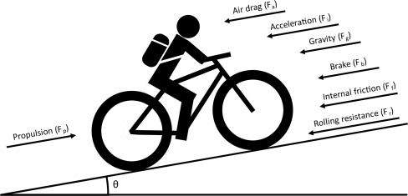

 |  |  |  |  | made by Fabian Streit using the linked sources for the Distortion Discord Server, 22.12.2022

