Dashboard
Automobile Trends Across Indian Market
 | Total
Manual | 14.00
Indian Driver's Choice : Automatic or Manual
Fuel Type :

Average Vehicle Metrics : Indian Car Matricks
Price
Mileage
Power
Torque
Engine Size
₹ 4.16 M
256.10
40.7
141.88
1812.21
(cc)
(km)
(hp)
(Nm)

 | Total
CNG | 14.00
Diesel | 538.00
Petrol | 603.00
Top 10 Popular Car Model in India:
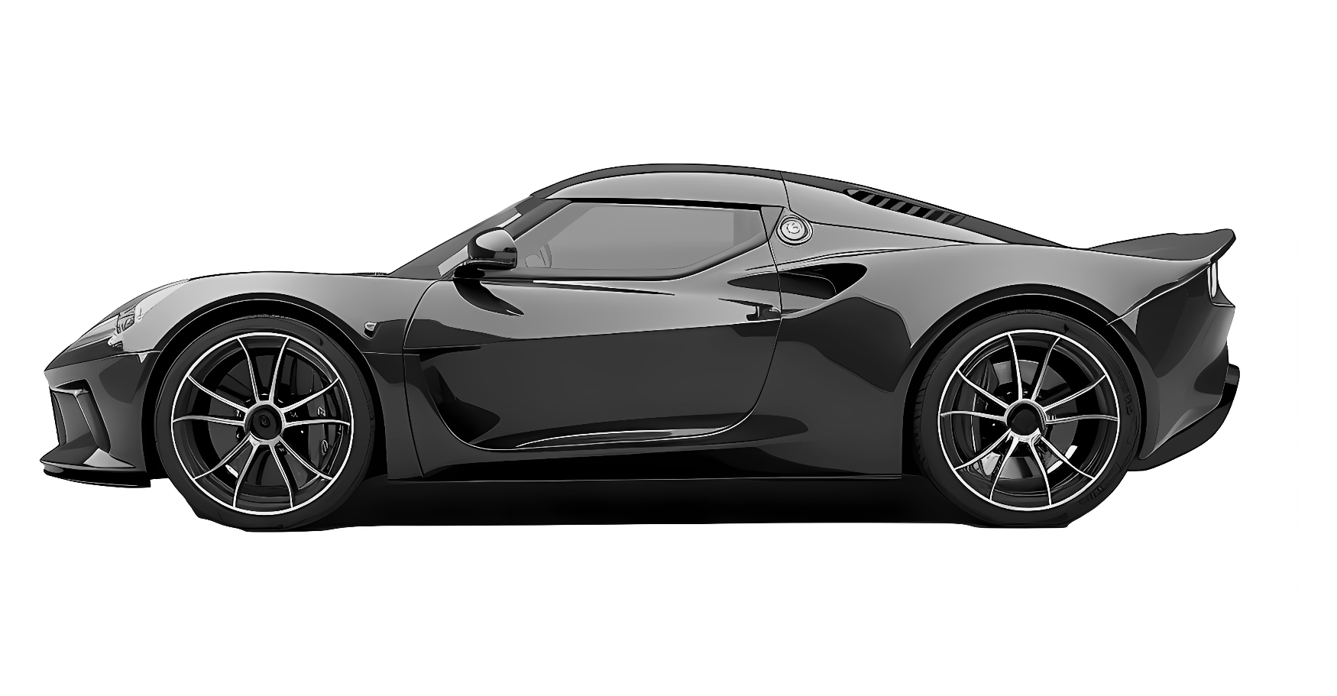
 | Total
Ford | 43.00
Honda | 64.00
Hyundai | 118.00
Mahindra | 106.00
Maruti Suzuki | 149.00
Renault | 36.00
Skoda | 43.00
Tata | 92.00
Toyota | 82.00
Volkswagen | 34.00

