INSTRUCTIONS
SL.No | COUNTRY CHECKER | Master LC/Contract No | Commodity Code | Incoterm Used | Country Code | Unit | Quantity | Invoice No | Invoice Date | Invoice Amount | CMT Amount | Frieght | Insurance | Other Charges | Name of Carrier/Vessel | Destination Port | Transport Doc Type | Transport Doc No | Transport Doc Date | Port of Shipment | Sector | Signatory | Remarks
1 | OK | AHSAN/01/2024 | 62121000 | FCA(4) | CANADA | Pieces | 1 | 123ASD1 | 2-Aug-2024 | 1235.00 |  |  |  |  |  | HAMBURGE,GERMANY | FCR | CTG124562 | 2024-09-02 | CHITTAGONG |  | Abul Hossain Jony
2 | CHECK COUNTRY NAME | AHSAN/01/2024 | 62121000 | FCA(4) | CANDA | Pieces | 2 | 123ASD2 | 2-Aug-2024 | 123.23 |  |  |  |  |  | HAMBURGE,GERMANY | FCR | CTG124563 | 2024-09-02 | SHAHAJALAL INT. AIRPORT |  | Abul Hossain Jony
3 | OK | AHSAN/01/2024 | 62121000 | FCA(4) | NETHERLANDS | Pieces | 3 | 123ASD3 | 2-Aug-2024 | 245.63 |  |  |  |  |  | HAMBURGE,GERMANY | FCR | CTG124564 | 2024-09-02 | CHITTAGONG |  | Abul Hossain Jony
4 | CHECK COUNTRY NAME | AHSAN/01/2024 | 62121000 | FCA(4) | NETHERLAND | Pieces | 4 | 123ASD4 | 2-Aug-2024 | 15487.21 |  |  |  |  |  | HAMBURGE,GERMANY | FCR | CTG124565 | 2024-09-02 | CHITTAGONG |  | Abul Hossain Jony
 |  |  |  |  |  |  |  |  |  | .

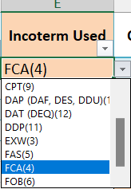
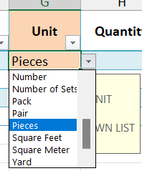
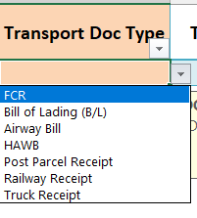
 |  |  |  |  | THIS COLOR MEANS DROP DOWN HERE
1 | FIRST GO TO LIST TAB

2 | FILL SIGNATORY FIELD

3 | DON'T WRITE IN TO YELLOW MARKED COLUMN

