Dashboard
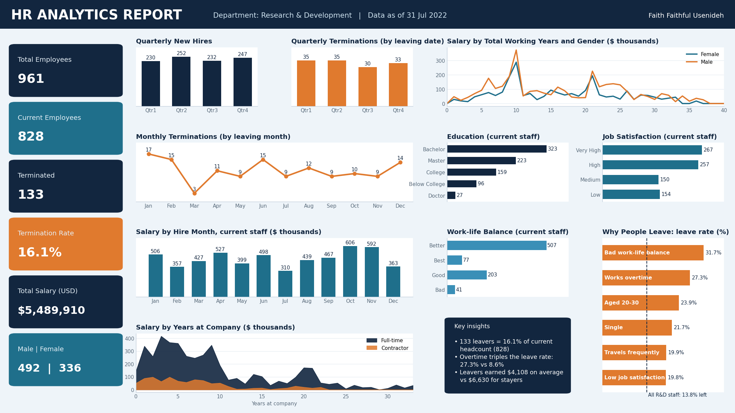
Corrected HR Analytics Dashboard (Research & Development). Open the 'Interactive Dashboard' sheet to switch departments.

Interactive Dashboard
HR ANALYTICS REPORT
Workforce, terminations and salary | Faith Faithful Usenideh

Department: | Research & Development |  | Employment: | All |  | Gender: | Female |  | Hire year: | 1992

Total Employees |  | Current Employees |  |  | Terminated |  |  | Termination Rate |  |  | Total Salary (USD) | Male (current) | Female (current)
0 |  | 0 |  |  | 0 |  |  | 0.0% |  |  | $0 | 0 | 0

Quarterly New Hires vs Terminations
 | New hires | Terminations
Qtr1 | 0 | 0
Qtr2 | 0 | 0
Qtr3 | 0 | 0
Qtr4 | 0 | 0
Monthly Terminations (by leaving month)
 | Terminations
Jan | 0
Feb | 0
Mar | 0
Apr | 0
May | 0
Jun | 0
Jul | 0
Aug | 0
Sep | 0
Oct | 0
Nov | 0
Dec | 0
Salary by Hire Month (current staff)
 | Salary of current staff hired
Jan | $0
Feb | $0
Mar | $0
Apr | $0
May | $0
Jun | $0
Jul | $0
Aug | $0
Sep | $0
Oct | $0
Nov | $0
Dec | $0

Education (current staff)
 | Employees
Doctor | 0
Below College | 0
College | 0
Master | 0
Bachelor | 0
Job Satisfaction (current staff)
 | Employees
Low | 0
Medium | 0
High | 0
Very High | 0
Work-life Balance (current staff)
 | Employees
Bad | 0
Good | 0
Better | 0
Best | 0

Salary by Years at Company: Full-time vs Contractor
 | Full-time | Contractor
0 | $0 | $0
1 | $0 | $0
2 | $0 | $0
3 | $0 | $0
4 | $0 | $0
5 | $0 | $0
6 | $0 | $0
7 | $0 | $0
8 | $0 | $0
9 | $0 | $0
10 | $0 | $0
11 | $0 | $0
12 | $0 | $0
13 | $0 | $0
14 | $0 | $0
15 | $0 | $0
16 | $0 | $0
17 | $0 | $0
18 | $0 | $0
19 | $0 | $0
20 | $0 | $0
21 | $0 | $0
22 | $0 | $0
23 | $0 | $0
24 | $0 | $0
25 | $0 | $0
26 | $0 | $0
27 | $0 | $0
28 | $0 | $0
29 | $0 | $0
30 | $0 | $0
31 | $0 | $0
32 | $0 | $0
33 | $0 | $0
34 | $0 | $0
35 | $0 | $0
36 | $0 | $0
37 | $0 | $0
Salary by Total Working Years and Gender
 | Female | Male
0 | $0 | $0
1 | $0 | $0
2 | $0 | $0
3 | $0 | $0
4 | $0 | $0
5 | $0 | $0
6 | $0 | $0
7 | $0 | $0
8 | $0 | $0
9 | $0 | $0
10 | $0 | $0
11 | $0 | $0
12 | $0 | $0
13 | $0 | $0
14 | $0 | $0
15 | $0 | $0
16 | $0 | $0
17 | $0 | $0
18 | $0 | $0
19 | $0 | $0
20 | $0 | $0
21 | $0 | $0
22 | $0 | $0
23 | $0 | $0
24 | $0 | $0
25 | $0 | $0
26 | $0 | $0
27 | $0 | $0
28 | $0 | $0
29 | $0 | $0
30 | $0 | $0
31 | $0 | $0
32 | $0 | $0
33 | $0 | $0
34 | $0 | $0
35 | $0 | $0
36 | $0 | $0
37 | $0 | $0
38 | $0 | $0
39 | $0 | $0
40 | $0 | $0

Why People Leave: leave rate by group
 | Leave rate
Overtime: Yes | 0.0%
Overtime: No | 0.0%
Work-life balance: Bad | 0.0%
Work-life balance: Better | 0.0%
Job satisfaction: Low | 0.0%
Job satisfaction: Very High | 0.0%
Age 20-30 | 0.0%
Age 40-50 | 0.0%
Single | 0.0%
Divorced | 0.0%
Travels frequently | 0.0%
Non-travel | 0.0%
Contractor | 0.0%
Full-time | 0.0%

