Metrics_Summary
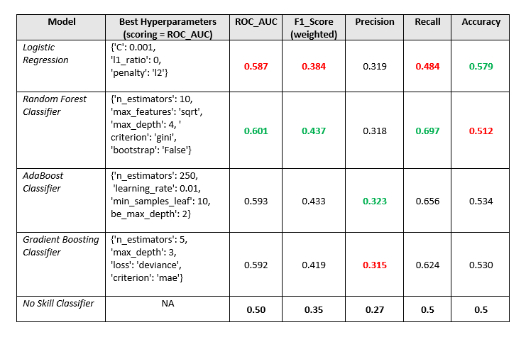

ROC_AUC&Precision_Recall
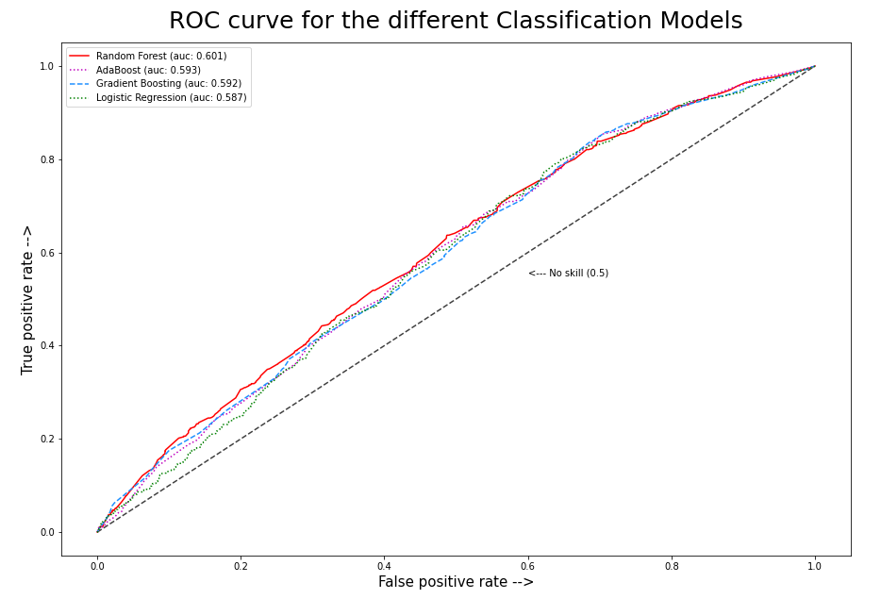
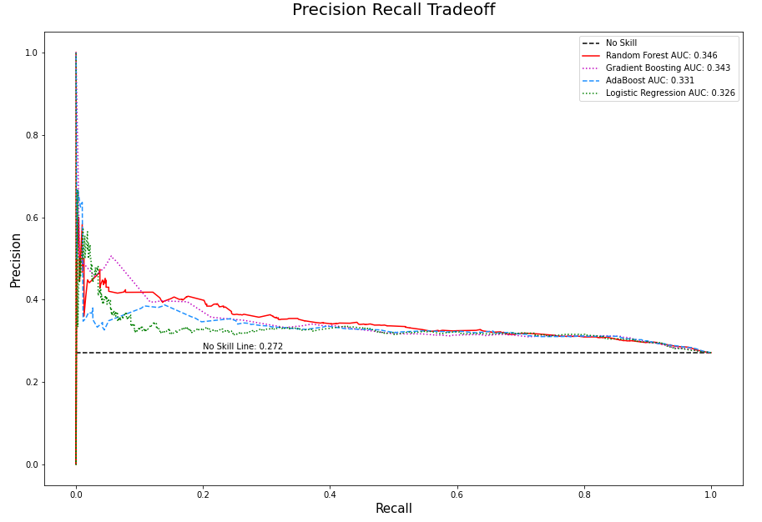

Classification_Reports
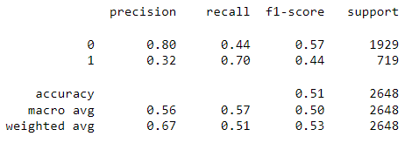
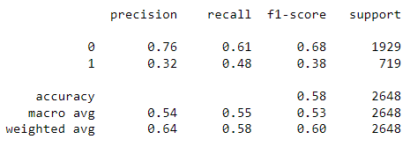
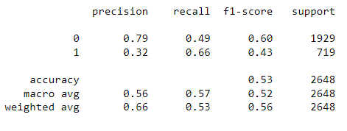
Re-Sampling:

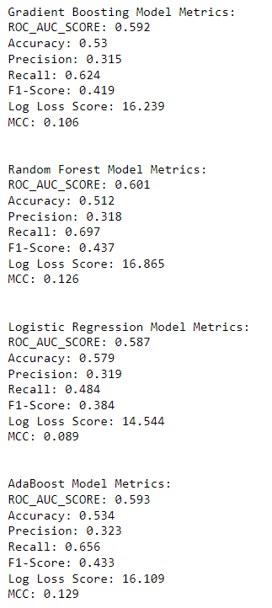
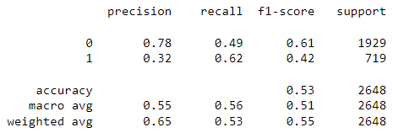
 | Dummy Classifier:
 | ROC_AUC_SCORE = 0.5
 | Accuracy = 0.5
 | Precision = 0.27
 | Recall = 0.5
 | F1-Score (weighted) = 0.35

