size_rank_quarterly
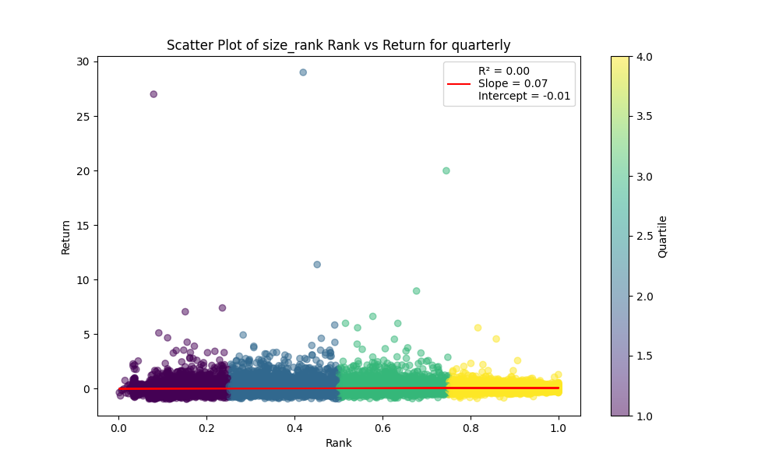
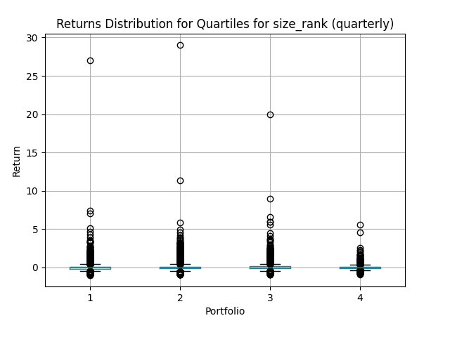
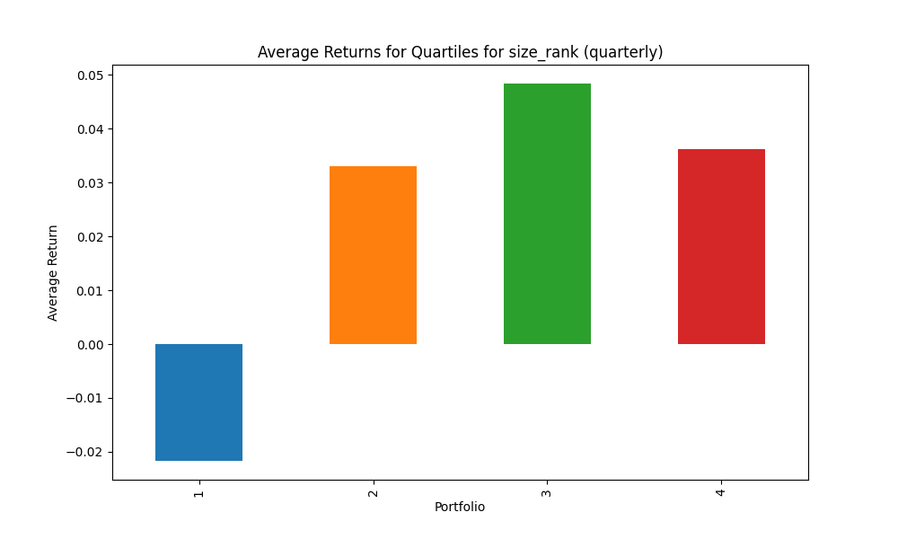
portfolio | mean | std | sharpe | mean_close
1 | -0.031709110572 | 0.15624686097 | -0.20294238473 | 657.62216893
2 | 0.040073766441 | 0.17773739389 | 0.22546615298 | 208.03447117
3 | 0.038046675597 | 0.16491588157 | 0.23070352736 | 501.56036958
4 | 0.046810831462 | 0.17031926702 | 0.27484166813 | 3410.9947063

Explanation of Key Metrics and Quartiles:
Factor: size_rank
Holding Period: quarterly
Quartile 1: Lowest ranked
Quartile 4: Highest ranked

Quartile 1 stats: | Factor Max: 0.25193199381761977 | Factor Min: 0.002577319587628866 | Factor Median: 0.12585499316005472 | Rank Max: 0.25193199381761977 | Rank Min: 0.002577319587628866 | Rank Median: 0.12585499316005472 | Count: 15415

Quartile 2 stats: | Factor Max: 0.5012815818381545 | Factor Min: 0.2519480519480519 | Factor Median: 0.37698742251910694 | Rank Max: 0.5012815818381545 | Rank Min: 0.2519480519480519 | Rank Median: 0.37698742251910694 | Count: 15362

Quartile 3 stats: | Factor Max: 0.7505535055350554 | Factor Min: 0.5012987012987012 | Factor Median: 0.6262886597938144 | Rank Max: 0.7505535055350554 | Rank Min: 0.5012987012987012 | Rank Median: 0.6262886597938144 | Count: 15319

Quartile 4 stats: | Factor Max: 1.0 | Factor Min: 0.7506493506493507 | Factor Median: 0.8762569648338137 | Rank Max: 1.0 | Rank Min: 0.7506493506493507 | Rank Median: 0.8762569648338137 | Count: 15430

size_rank_yearly
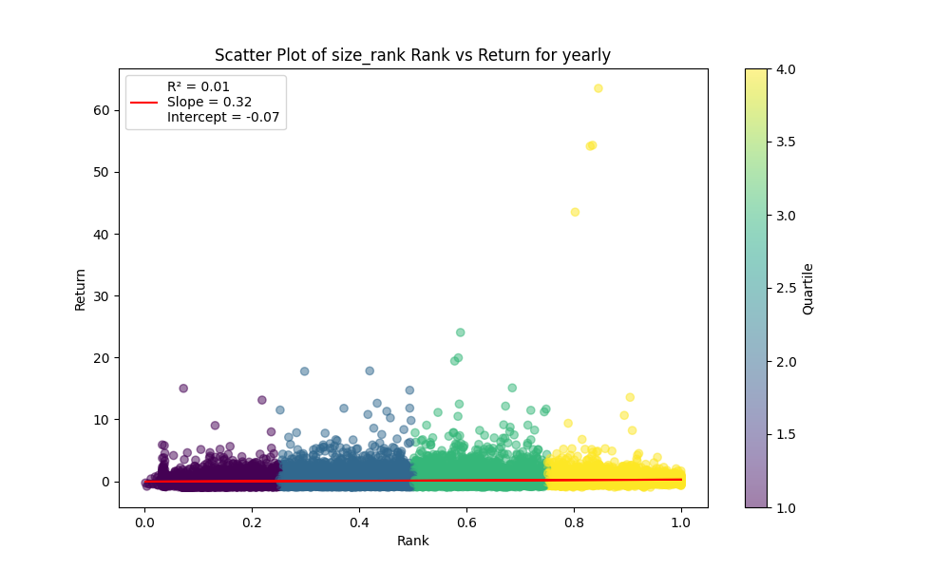
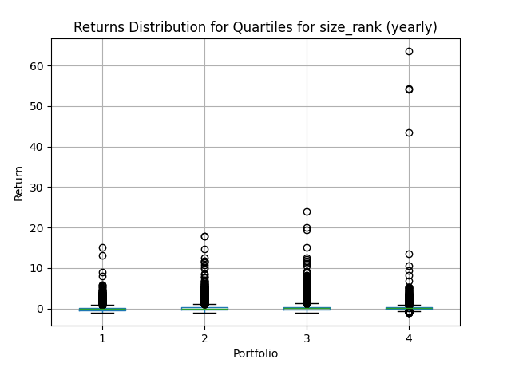
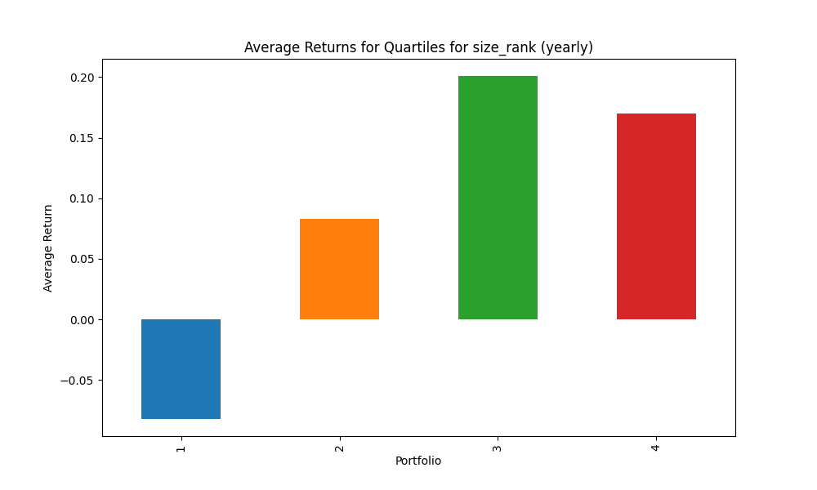
portfolio | mean | std | sharpe | mean_close
1 | -0.10027128064 | 0.28539167459 | -0.35134620092 | 657.62216893
2 | 0.12225806493 | 0.40228847598 | 0.30390645578 | 208.03447117
3 | 0.18679691294 | 0.49353344341 | 0.37848886521 | 501.56036958
4 | 0.1264702894 | 0.32238801284 | 0.39229215839 | 3410.9947063

Explanation of Key Metrics and Quartiles:
Factor: size_rank
Holding Period: yearly
Quartile 1: Lowest ranked
Quartile 4: Highest ranked

Quartile 1 stats: | Factor Max: 0.25193199381761977 | Factor Min: 0.002577319587628866 | Factor Median: 0.12585499316005472 | Rank Max: 0.25193199381761977 | Rank Min: 0.002577319587628866 | Rank Median: 0.12585499316005472 | Count: 15415

Quartile 2 stats: | Factor Max: 0.5012815818381545 | Factor Min: 0.2519480519480519 | Factor Median: 0.37698742251910694 | Rank Max: 0.5012815818381545 | Rank Min: 0.2519480519480519 | Rank Median: 0.37698742251910694 | Count: 15362

Quartile 3 stats: | Factor Max: 0.7505535055350554 | Factor Min: 0.5012987012987012 | Factor Median: 0.6262886597938144 | Rank Max: 0.7505535055350554 | Rank Min: 0.5012987012987012 | Rank Median: 0.6262886597938144 | Count: 15319

Quartile 4 stats: | Factor Max: 1.0 | Factor Min: 0.7506493506493507 | Factor Median: 0.8762569648338137 | Rank Max: 1.0 | Rank Min: 0.7506493506493507 | Rank Median: 0.8762569648338137 | Count: 15430

size_rank_2_years
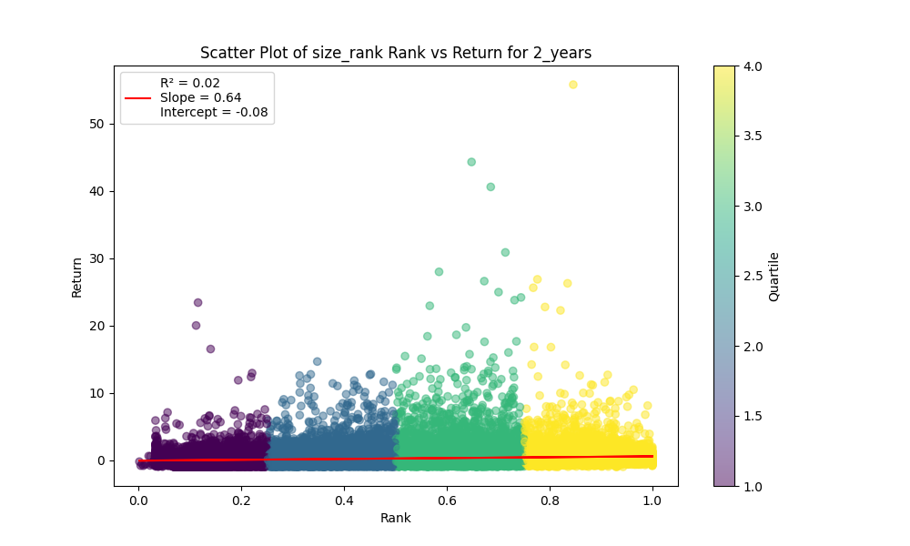
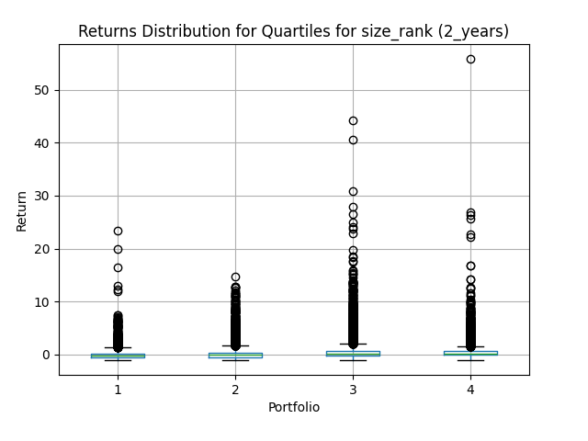
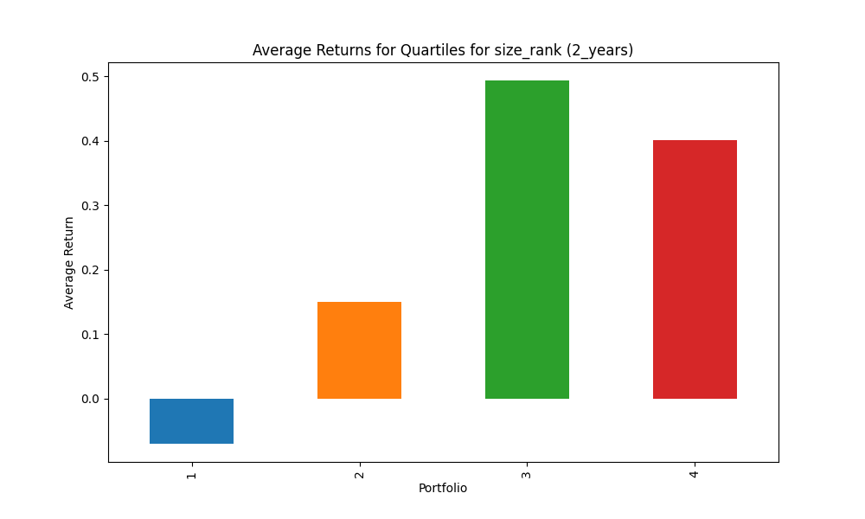
portfolio | mean | std | sharpe | mean_close
1 | -0.11784666954 | 0.41200814683 | -0.28602994976 | 657.62216893
2 | 0.22687864699 | 0.55067192583 | 0.41200329333 | 208.03447117
3 | 0.39446524353 | 0.672283471 | 0.58675433883 | 501.56036958
4 | 0.24620923665 | 0.41852651933 | 0.58827631054 | 3410.9947063

Explanation of Key Metrics and Quartiles:
Factor: size_rank
Holding Period: 2_years
Quartile 1: Lowest ranked
Quartile 4: Highest ranked

Quartile 1 stats: | Factor Max: 0.25193199381761977 | Factor Min: 0.002577319587628866 | Factor Median: 0.12585499316005472 | Rank Max: 0.25193199381761977 | Rank Min: 0.002577319587628866 | Rank Median: 0.12585499316005472 | Count: 15415

Quartile 2 stats: | Factor Max: 0.5012815818381545 | Factor Min: 0.2519480519480519 | Factor Median: 0.37698742251910694 | Rank Max: 0.5012815818381545 | Rank Min: 0.2519480519480519 | Rank Median: 0.37698742251910694 | Count: 15362

Quartile 3 stats: | Factor Max: 0.7505535055350554 | Factor Min: 0.5012987012987012 | Factor Median: 0.6262886597938144 | Rank Max: 0.7505535055350554 | Rank Min: 0.5012987012987012 | Rank Median: 0.6262886597938144 | Count: 15319

Quartile 4 stats: | Factor Max: 1.0 | Factor Min: 0.7506493506493507 | Factor Median: 0.8762569648338137 | Rank Max: 1.0 | Rank Min: 0.7506493506493507 | Rank Median: 0.8762569648338137 | Count: 15430

size_rank_3_years
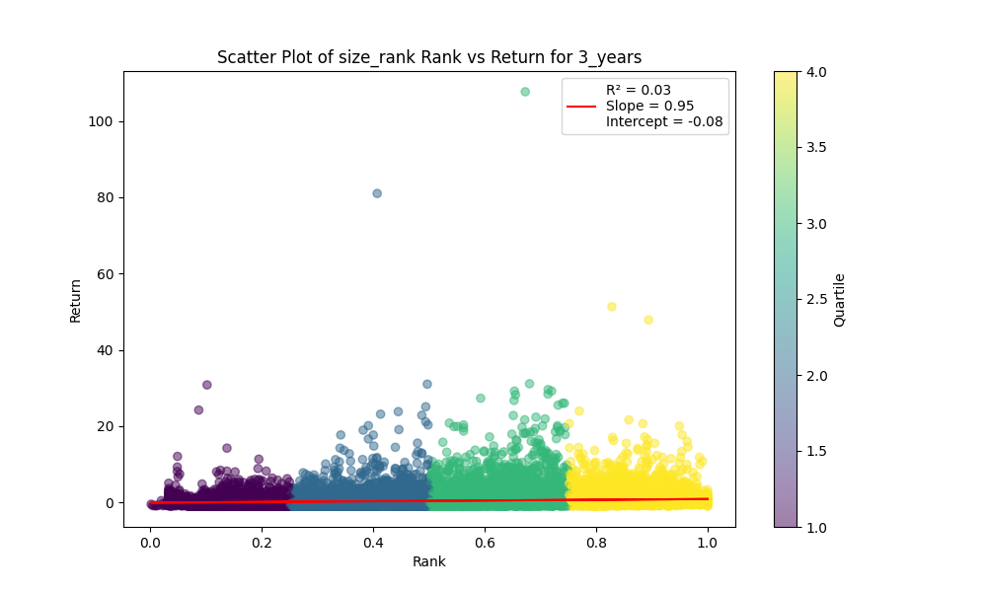
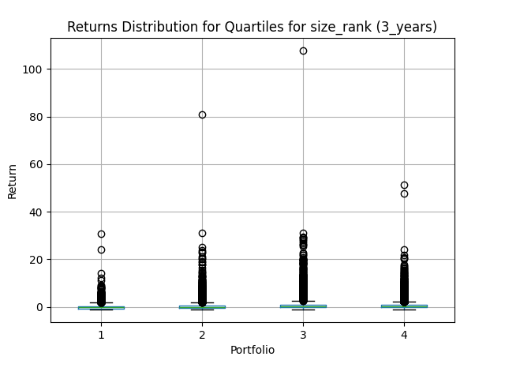
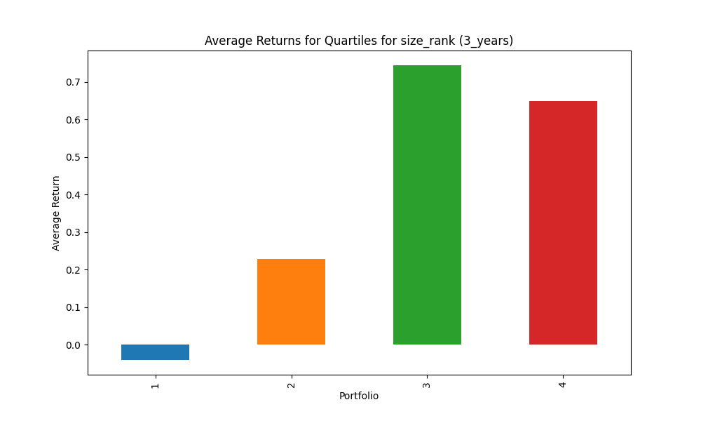
portfolio | mean | std | sharpe | mean_close
1 | -0.1536295042 | 0.41082290932 | -0.37395554318 | 657.62216893
2 | 0.35090217488 | 0.92377216638 | 0.3798579213 | 208.03447117
3 | 0.52891727035 | 0.80960177866 | 0.65330546979 | 501.56036958
4 | 0.38021482136 | 0.49517987571 | 0.76783173148 | 3410.9947063

Explanation of Key Metrics and Quartiles:
Factor: size_rank
Holding Period: 3_years
Quartile 1: Lowest ranked
Quartile 4: Highest ranked

Quartile 1 stats: | Factor Max: 0.25193199381761977 | Factor Min: 0.002577319587628866 | Factor Median: 0.12585499316005472 | Rank Max: 0.25193199381761977 | Rank Min: 0.002577319587628866 | Rank Median: 0.12585499316005472 | Count: 15415

Quartile 2 stats: | Factor Max: 0.5012815818381545 | Factor Min: 0.2519480519480519 | Factor Median: 0.37698742251910694 | Rank Max: 0.5012815818381545 | Rank Min: 0.2519480519480519 | Rank Median: 0.37698742251910694 | Count: 15362

Quartile 3 stats: | Factor Max: 0.7505535055350554 | Factor Min: 0.5012987012987012 | Factor Median: 0.6262886597938144 | Rank Max: 0.7505535055350554 | Rank Min: 0.5012987012987012 | Rank Median: 0.6262886597938144 | Count: 15319

Quartile 4 stats: | Factor Max: 1.0 | Factor Min: 0.7506493506493507 | Factor Median: 0.8762569648338137 | Rank Max: 1.0 | Rank Min: 0.7506493506493507 | Rank Median: 0.8762569648338137 | Count: 15430

size_rank_5_years
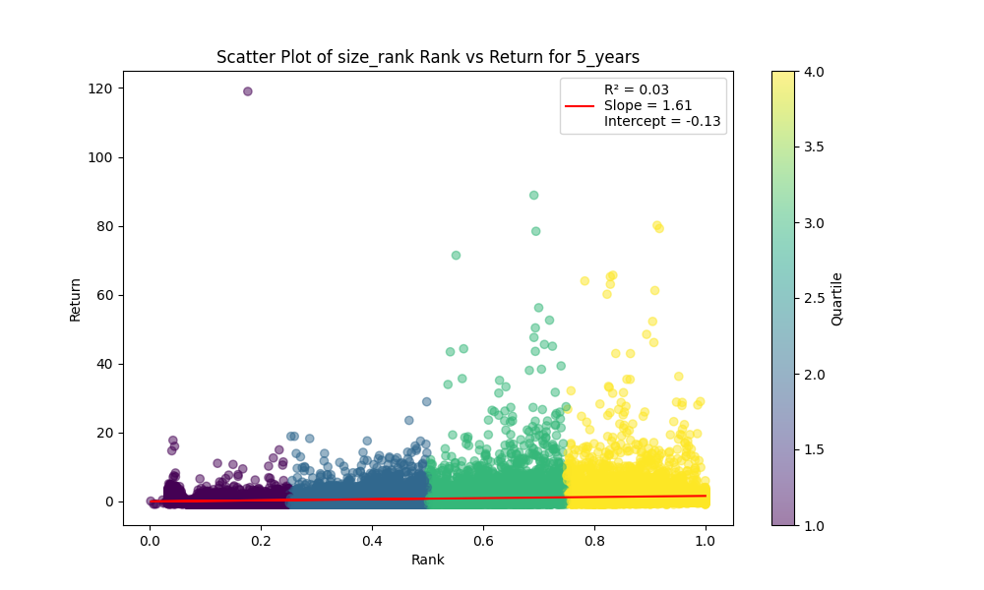
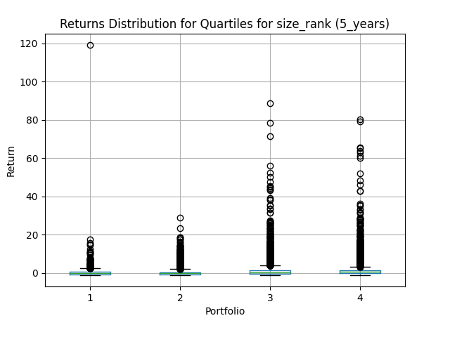
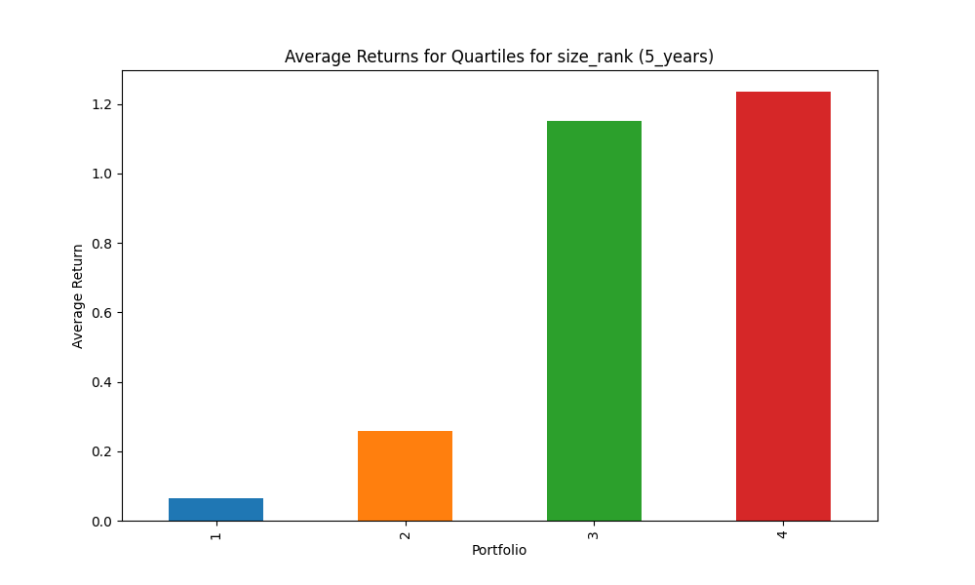
portfolio | mean | std | sharpe | mean_close
1 | -0.16366114632 | 0.42819897936 | -0.38220816539 | 657.62216893
2 | 0.38403548209 | 0.90268604832 | 0.42543637714 | 208.03447117
3 | 0.69852326603 | 0.81272903731 | 0.85947866258 | 501.56036958
4 | 0.73864894024 | 0.71337857384 | 1.0354235007 | 3410.9947063

Explanation of Key Metrics and Quartiles:
Factor: size_rank
Holding Period: 5_years
Quartile 1: Lowest ranked
Quartile 4: Highest ranked

Quartile 1 stats: | Factor Max: 0.25193199381761977 | Factor Min: 0.002577319587628866 | Factor Median: 0.12585499316005472 | Rank Max: 0.25193199381761977 | Rank Min: 0.002577319587628866 | Rank Median: 0.12585499316005472 | Count: 15415

Quartile 2 stats: | Factor Max: 0.5012815818381545 | Factor Min: 0.2519480519480519 | Factor Median: 0.37698742251910694 | Rank Max: 0.5012815818381545 | Rank Min: 0.2519480519480519 | Rank Median: 0.37698742251910694 | Count: 15362

Quartile 3 stats: | Factor Max: 0.7505535055350554 | Factor Min: 0.5012987012987012 | Factor Median: 0.6262886597938144 | Rank Max: 0.7505535055350554 | Rank Min: 0.5012987012987012 | Rank Median: 0.6262886597938144 | Count: 15319

Quartile 4 stats: | Factor Max: 1.0 | Factor Min: 0.7506493506493507 | Factor Median: 0.8762569648338137 | Rank Max: 1.0 | Rank Min: 0.7506493506493507 | Rank Median: 0.8762569648338137 | Count: 15430

value_rank_quarterly
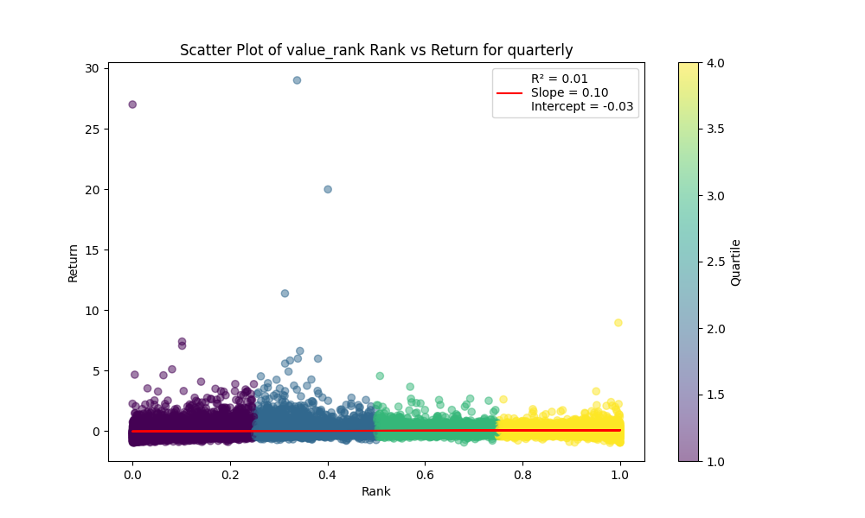
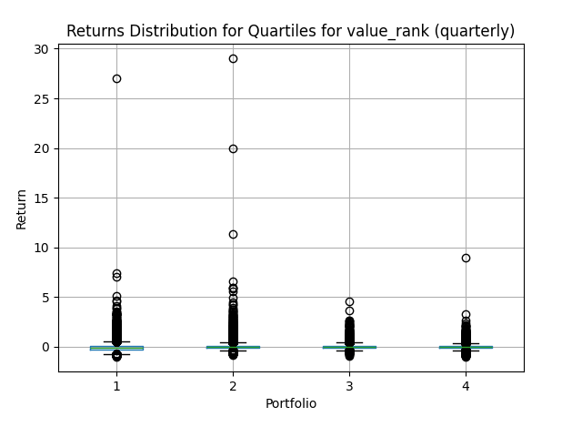
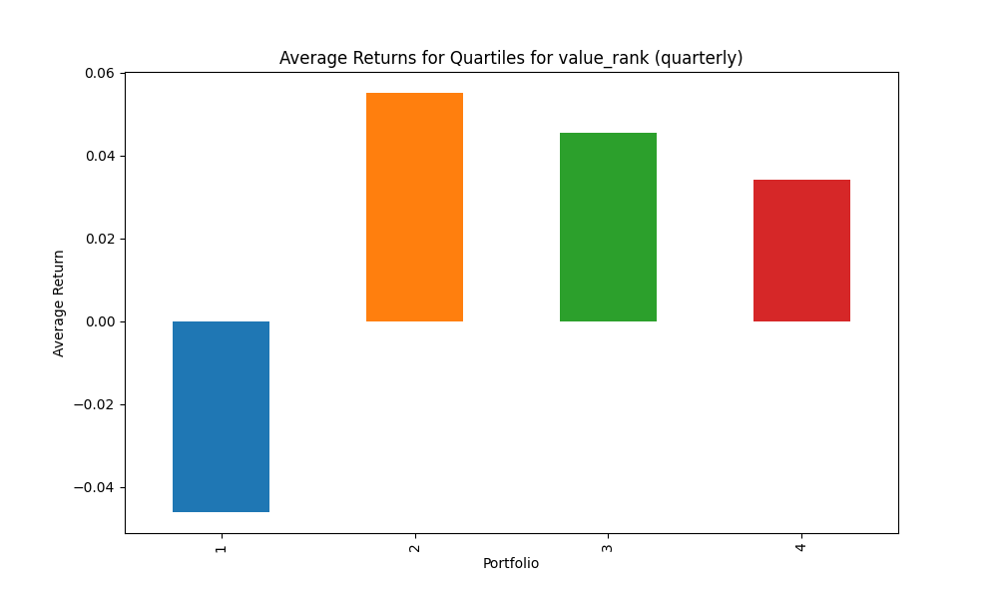
portfolio | mean | std | sharpe | mean_close
1 | -0.0419325131 | 0.20636168581 | -0.20319912068 | 373.59376917
2 | 0.025018938929 | 0.17699406311 | 0.14135467874 | 762.21566726
3 | 0.045651427878 | 0.18375865169 | 0.24843144777 | 163.53103684
4 | 0.039868183801 | 0.14186672003 | 0.28102562597 | 2366.3410784

Explanation of Key Metrics and Quartiles:
Factor: value_rank
Holding Period: quarterly
Quartile 1: Lowest ranked
Quartile 4: Highest ranked

Quartile 1 stats: | Factor Max: 0.25025536261491316 | Factor Min: 0.0003672420124862284 | Factor Median: 0.12582240401679434 | Rank Max: 0.25025536261491316 | Rank Min: 0.0003672420124862284 | Rank Median: 0.12582240401679434 | Count: 14836

Quartile 2 stats: | Factor Max: 0.5001836210062431 | Factor Min: 0.25031658927817646 | Factor Median: 0.379590395480226 | Rank Max: 0.5001836210062431 | Rank Min: 0.25031658927817646 | Rank Median: 0.379590395480226 | Count: 15020

Quartile 3 stats: | Factor Max: 0.75 | Factor Min: 0.5002110595187843 | Factor Median: 0.6261476312890195 | Rank Max: 0.75 | Rank Min: 0.5002110595187843 | Rank Median: 0.6261476312890195 | Count: 14831

Quartile 4 stats: | Factor Max: 1.0 | Factor Min: 0.7501055297593922 | Factor Median: 0.8759649708166315 | Rank Max: 1.0 | Rank Min: 0.7501055297593922 | Rank Median: 0.8759649708166315 | Count: 14992

value_rank_yearly
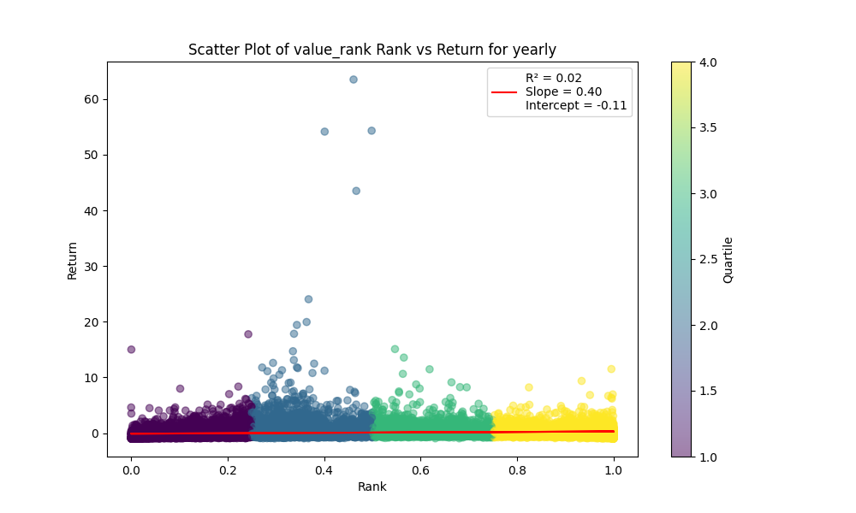
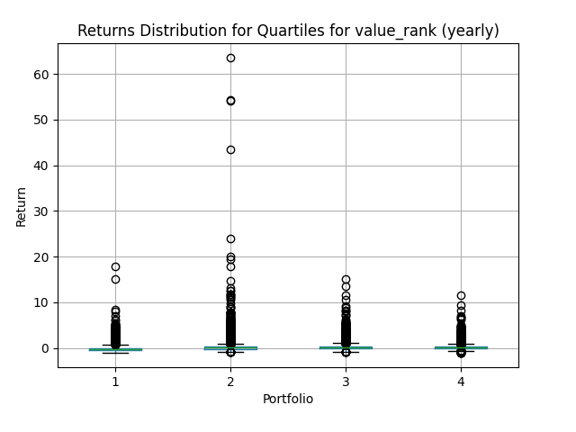
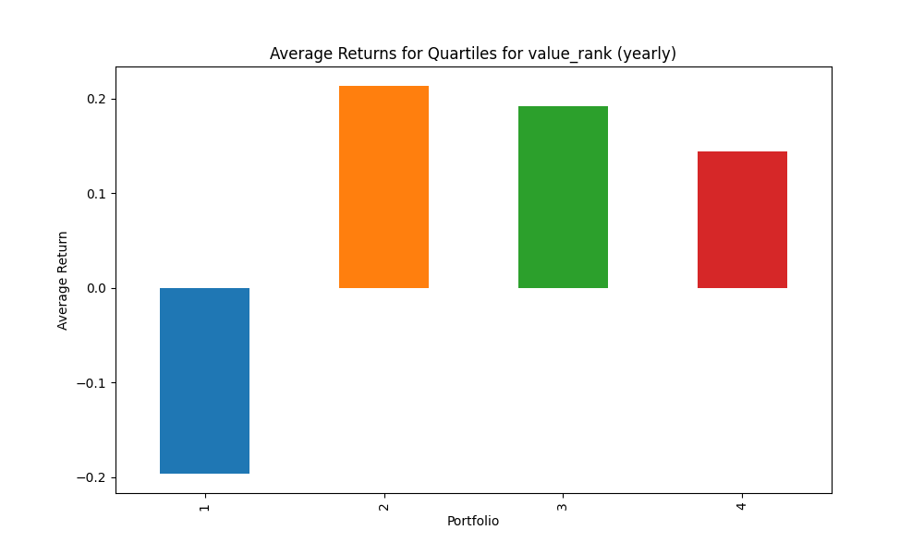
portfolio | mean | std | sharpe | mean_close
1 | -0.11863355415 | 0.47270963146 | -0.25096496085 | 373.59376917
2 | 0.12587514397 | 0.40683791728 | 0.30939875224 | 762.21566726
3 | 0.13727045058 | 0.44211608315 | 0.31048508709 | 163.53103684
4 | 0.15626647795 | 0.29273571095 | 0.5338141952 | 2366.3410784

Explanation of Key Metrics and Quartiles:
Factor: value_rank
Holding Period: yearly
Quartile 1: Lowest ranked
Quartile 4: Highest ranked

Quartile 1 stats: | Factor Max: 0.25025536261491316 | Factor Min: 0.0003672420124862284 | Factor Median: 0.12582240401679434 | Rank Max: 0.25025536261491316 | Rank Min: 0.0003672420124862284 | Rank Median: 0.12582240401679434 | Count: 14836

Quartile 2 stats: | Factor Max: 0.5001836210062431 | Factor Min: 0.25031658927817646 | Factor Median: 0.379590395480226 | Rank Max: 0.5001836210062431 | Rank Min: 0.25031658927817646 | Rank Median: 0.379590395480226 | Count: 15020

Quartile 3 stats: | Factor Max: 0.75 | Factor Min: 0.5002110595187843 | Factor Median: 0.6261476312890195 | Rank Max: 0.75 | Rank Min: 0.5002110595187843 | Rank Median: 0.6261476312890195 | Count: 14831

Quartile 4 stats: | Factor Max: 1.0 | Factor Min: 0.7501055297593922 | Factor Median: 0.8759649708166315 | Rank Max: 1.0 | Rank Min: 0.7501055297593922 | Rank Median: 0.8759649708166315 | Count: 14992

value_rank_2_years
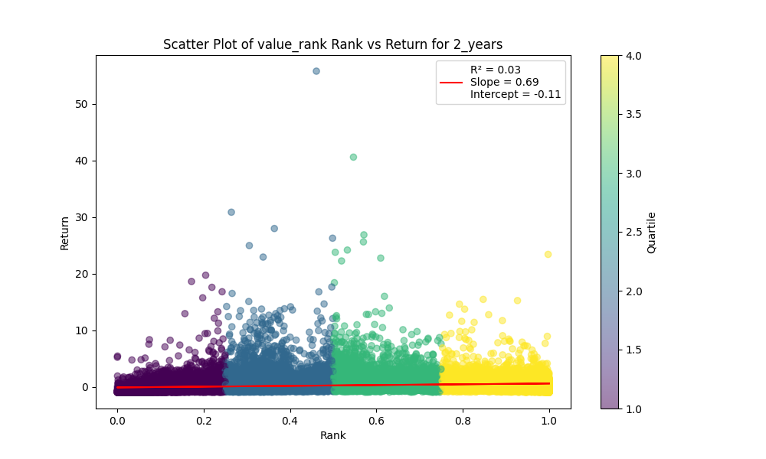
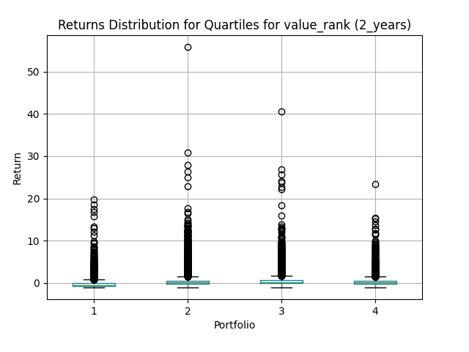
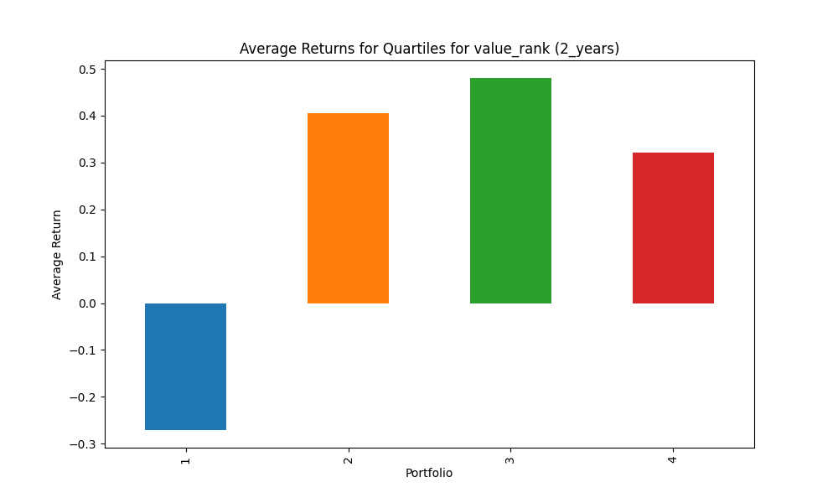
portfolio | mean | std | sharpe | mean_close
1 | -0.16494658056 | 0.61625997247 | -0.26765746264 | 373.59376917
2 | 0.25724160255 | 0.56771328414 | 0.45311887134 | 762.21566726
3 | 0.31880513653 | 0.61328133739 | 0.519835053 | 163.53103684
4 | 0.30783172447 | 0.38341332327 | 0.80287174647 | 2366.3410784

Explanation of Key Metrics and Quartiles:
Factor: value_rank
Holding Period: 2_years
Quartile 1: Lowest ranked
Quartile 4: Highest ranked

Quartile 1 stats: | Factor Max: 0.25025536261491316 | Factor Min: 0.0003672420124862284 | Factor Median: 0.12582240401679434 | Rank Max: 0.25025536261491316 | Rank Min: 0.0003672420124862284 | Rank Median: 0.12582240401679434 | Count: 14836

Quartile 2 stats: | Factor Max: 0.5001836210062431 | Factor Min: 0.25031658927817646 | Factor Median: 0.379590395480226 | Rank Max: 0.5001836210062431 | Rank Min: 0.25031658927817646 | Rank Median: 0.379590395480226 | Count: 15020

Quartile 3 stats: | Factor Max: 0.75 | Factor Min: 0.5002110595187843 | Factor Median: 0.6261476312890195 | Rank Max: 0.75 | Rank Min: 0.5002110595187843 | Rank Median: 0.6261476312890195 | Count: 14831

Quartile 4 stats: | Factor Max: 1.0 | Factor Min: 0.7501055297593922 | Factor Median: 0.8759649708166315 | Rank Max: 1.0 | Rank Min: 0.7501055297593922 | Rank Median: 0.8759649708166315 | Count: 14992

value_rank_3_years
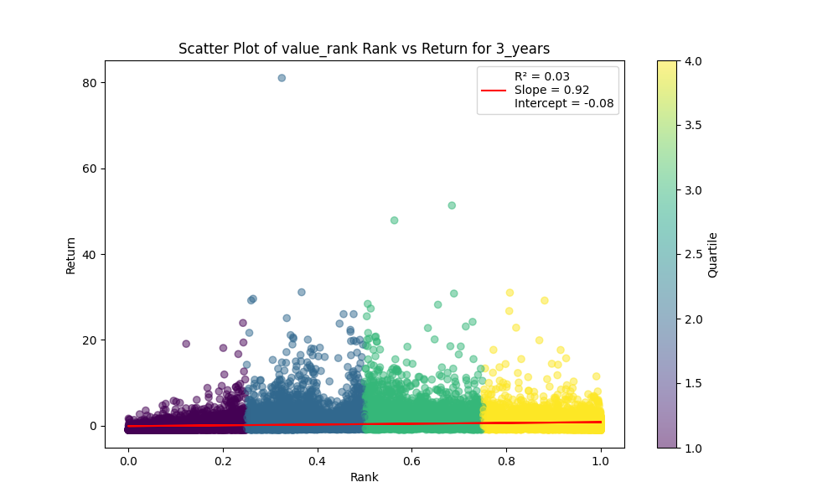
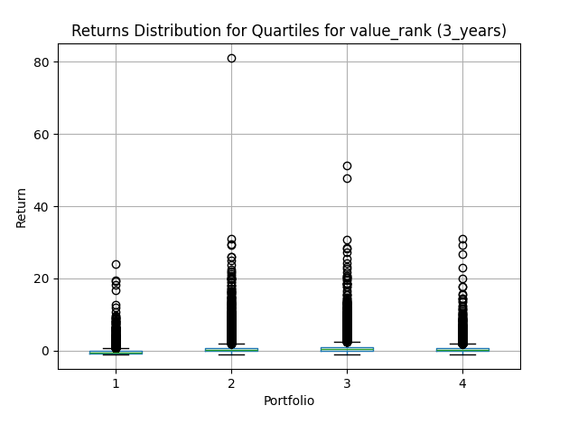
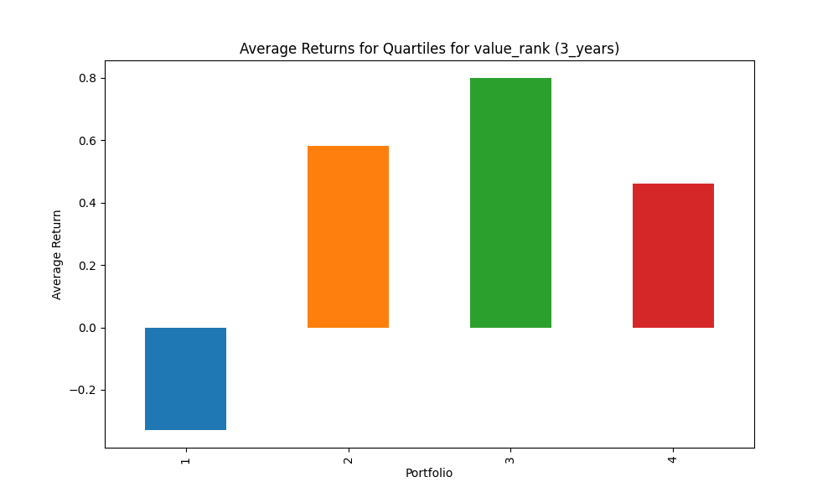
portfolio | mean | std | sharpe | mean_close
1 | -0.32406473953 | 0.49791319211 | -0.65084585961 | 373.59376917
2 | 0.34719615699 | 0.66957161254 | 0.51853476235 | 762.21566726
3 | 0.4899339877 | 0.80134117327 | 0.61139250552 | 163.53103684
4 | 0.4468423998 | 0.49141106783 | 0.9093047126 | 2366.3410784

Explanation of Key Metrics and Quartiles:
Factor: value_rank
Holding Period: 3_years
Quartile 1: Lowest ranked
Quartile 4: Highest ranked

Quartile 1 stats: | Factor Max: 0.25025536261491316 | Factor Min: 0.0003672420124862284 | Factor Median: 0.12582240401679434 | Rank Max: 0.25025536261491316 | Rank Min: 0.0003672420124862284 | Rank Median: 0.12582240401679434 | Count: 14836

Quartile 2 stats: | Factor Max: 0.5001836210062431 | Factor Min: 0.25031658927817646 | Factor Median: 0.379590395480226 | Rank Max: 0.5001836210062431 | Rank Min: 0.25031658927817646 | Rank Median: 0.379590395480226 | Count: 15020

Quartile 3 stats: | Factor Max: 0.75 | Factor Min: 0.5002110595187843 | Factor Median: 0.6261476312890195 | Rank Max: 0.75 | Rank Min: 0.5002110595187843 | Rank Median: 0.6261476312890195 | Count: 14831

Quartile 4 stats: | Factor Max: 1.0 | Factor Min: 0.7501055297593922 | Factor Median: 0.8759649708166315 | Rank Max: 1.0 | Rank Min: 0.7501055297593922 | Rank Median: 0.8759649708166315 | Count: 14992

value_rank_5_years
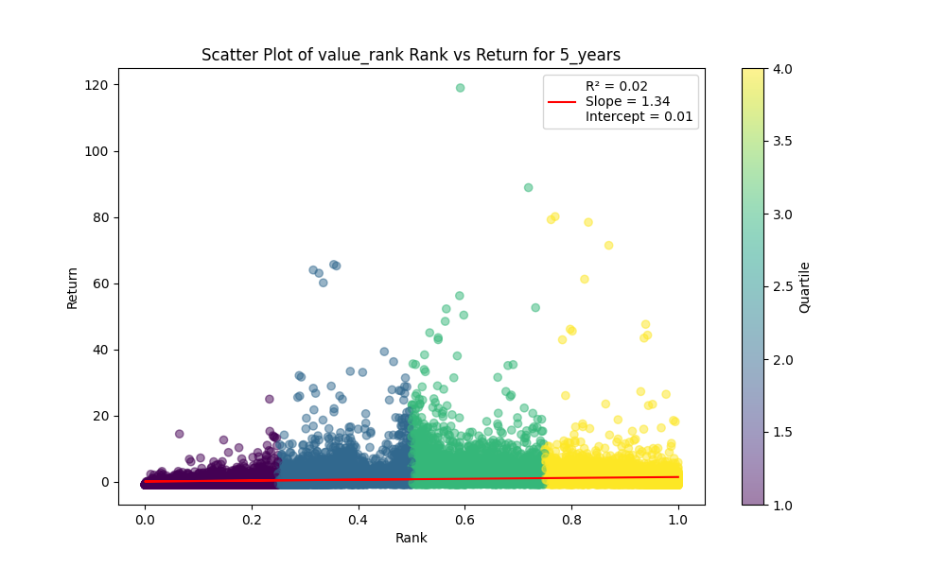
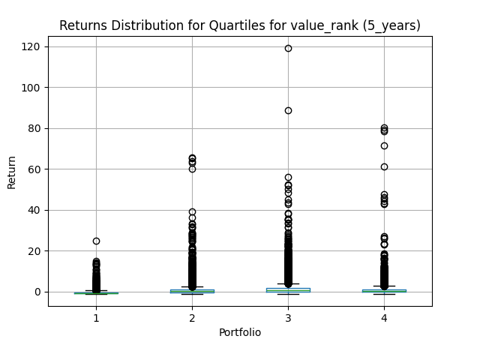
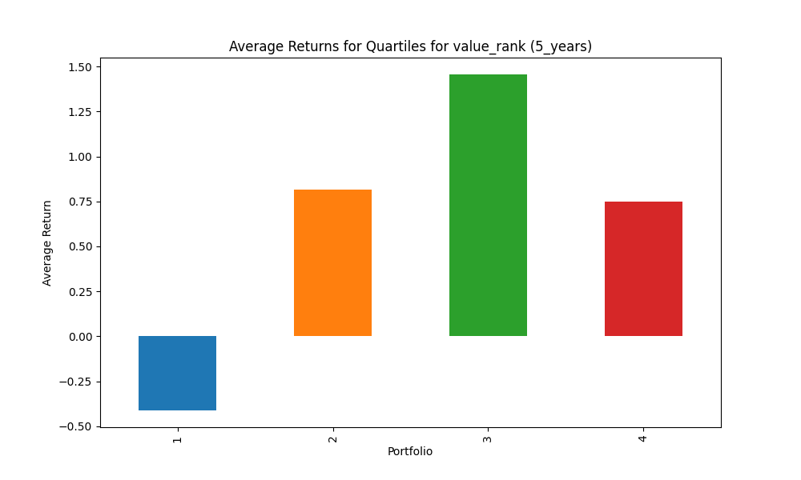
portfolio | mean | std | sharpe | mean_close
1 | -0.38659359384 | 0.49650507892 | -0.77862968629 | 373.59376917
2 | 0.48237452945 | 0.74499607222 | 0.64748600354 | 762.21566726
3 | 0.73908929313 | 0.82844343114 | 0.89214213711 | 163.53103684
4 | 0.68445260939 | 0.78130118494 | 0.87604194462 | 2366.3410784

Explanation of Key Metrics and Quartiles:
Factor: value_rank
Holding Period: 5_years
Quartile 1: Lowest ranked
Quartile 4: Highest ranked

Quartile 1 stats: | Factor Max: 0.25025536261491316 | Factor Min: 0.0003672420124862284 | Factor Median: 0.12582240401679434 | Rank Max: 0.25025536261491316 | Rank Min: 0.0003672420124862284 | Rank Median: 0.12582240401679434 | Count: 14836

Quartile 2 stats: | Factor Max: 0.5001836210062431 | Factor Min: 0.25031658927817646 | Factor Median: 0.379590395480226 | Rank Max: 0.5001836210062431 | Rank Min: 0.25031658927817646 | Rank Median: 0.379590395480226 | Count: 15020

Quartile 3 stats: | Factor Max: 0.75 | Factor Min: 0.5002110595187843 | Factor Median: 0.6261476312890195 | Rank Max: 0.75 | Rank Min: 0.5002110595187843 | Rank Median: 0.6261476312890195 | Count: 14831

Quartile 4 stats: | Factor Max: 1.0 | Factor Min: 0.7501055297593922 | Factor Median: 0.8759649708166315 | Rank Max: 1.0 | Rank Min: 0.7501055297593922 | Rank Median: 0.8759649708166315 | Count: 14992

profitability_rank_quarterly
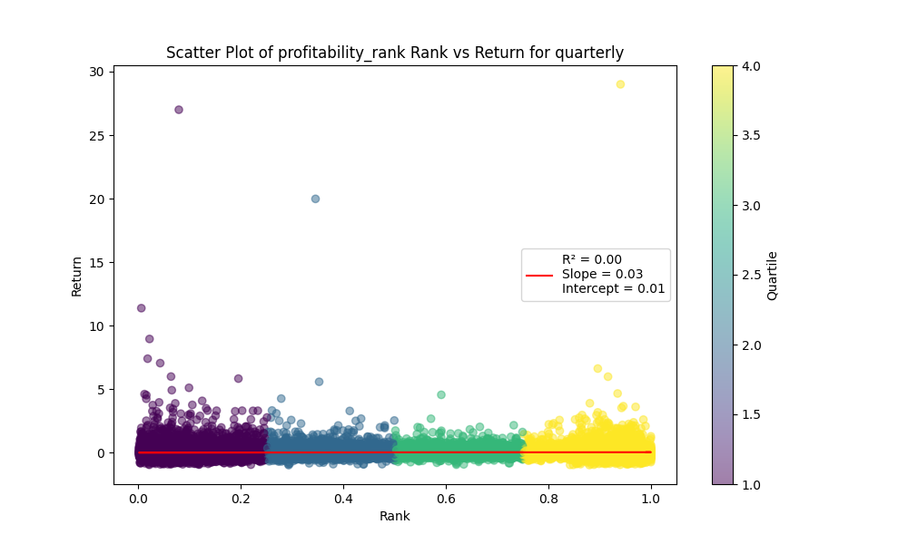
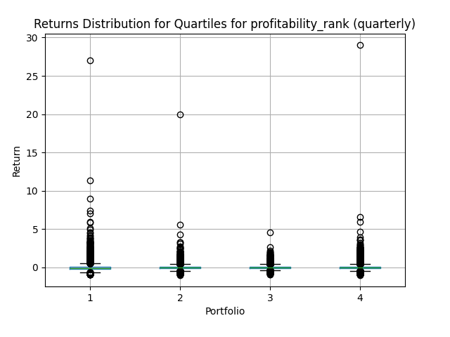
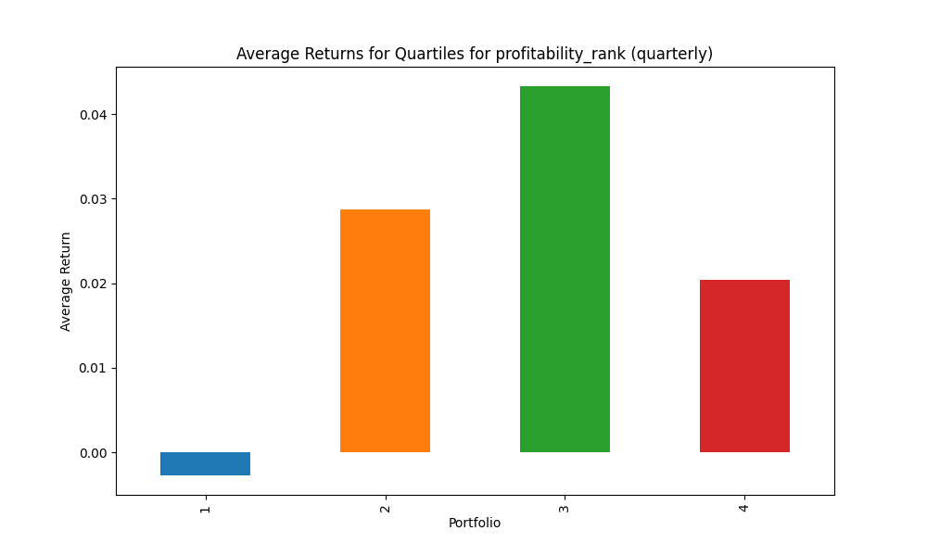
portfolio | mean | std | sharpe | mean_close
1 | 0.0027938811103 | 0.1710434757 | 0.016334333121 | 256.63499931
2 | 0.010651924013 | 0.17400845391 | 0.061214979927 | 176.62676622
3 | 0.043379966839 | 0.18639867699 | 0.23272679581 | 348.21737928
4 | 0.029241801529 | 0.18268570993 | 0.16006616796 | 2650.121719

Explanation of Key Metrics and Quartiles:
Factor: profitability_rank
Holding Period: quarterly
Quartile 1: Lowest ranked
Quartile 4: Highest ranked

Quartile 1 stats: | Factor Max: 0.25190839694656486 | Factor Min: 0.002544529262086514 | Factor Median: 0.1266926581953536 | Rank Max: 0.25190839694656486 | Rank Min: 0.002544529262086514 | Rank Median: 0.1266926581953536 | Count: 13132

Quartile 2 stats: | Factor Max: 0.5012722646310432 | Factor Min: 0.2519201228878648 | Factor Median: 0.3768996960486322 | Rank Max: 0.5012722646310432 | Rank Min: 0.2519201228878648 | Rank Median: 0.3768996960486322 | Count: 13101

Quartile 3 stats: | Factor Max: 0.7506361323155216 | Factor Min: 0.5012964563526361 | Factor Median: 0.6263016854135655 | Rank Max: 0.7506361323155216 | Rank Min: 0.5012964563526361 | Rank Median: 0.6263016854135655 | Count: 13054

Quartile 4 stats: | Factor Max: 1.0 | Factor Min: 0.750648228176318 | Factor Median: 0.8763440860215054 | Rank Max: 1.0 | Rank Min: 0.750648228176318 | Rank Median: 0.8763440860215054 | Count: 13169

profitability_rank_yearly
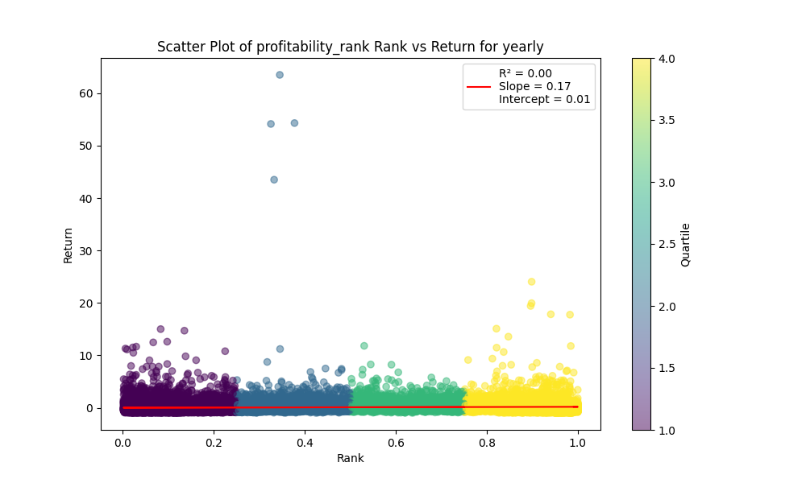
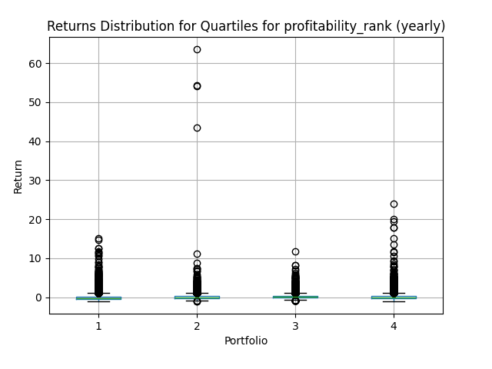
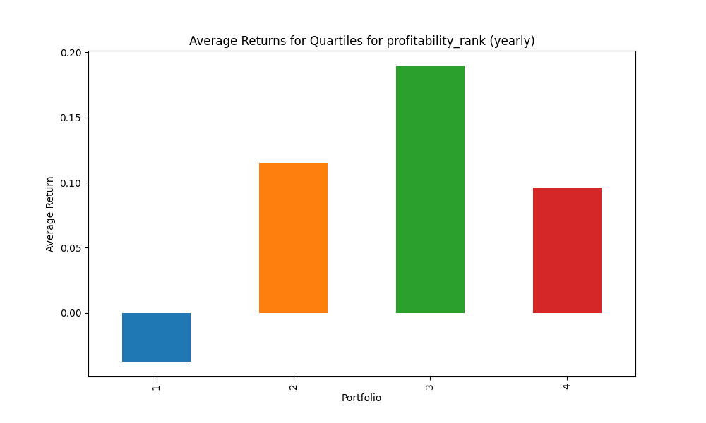
portfolio | mean | std | sharpe | mean_close
1 | 0.039021752414 | 0.39677758108 | 0.098346666432 | 256.63499931
2 | 0.028190276805 | 0.37866072175 | 0.074447322329 | 176.62676622
3 | 0.18059304351 | 0.49567817727 | 0.36433527194 | 348.21737928
4 | 0.12177248266 | 0.31363835417 | 0.3882576255 | 2650.121719

Explanation of Key Metrics and Quartiles:
Factor: profitability_rank
Holding Period: yearly
Quartile 1: Lowest ranked
Quartile 4: Highest ranked

Quartile 1 stats: | Factor Max: 0.25190839694656486 | Factor Min: 0.002544529262086514 | Factor Median: 0.1266926581953536 | Rank Max: 0.25190839694656486 | Rank Min: 0.002544529262086514 | Rank Median: 0.1266926581953536 | Count: 13132

Quartile 2 stats: | Factor Max: 0.5012722646310432 | Factor Min: 0.2519201228878648 | Factor Median: 0.3768996960486322 | Rank Max: 0.5012722646310432 | Rank Min: 0.2519201228878648 | Rank Median: 0.3768996960486322 | Count: 13101

Quartile 3 stats: | Factor Max: 0.7506361323155216 | Factor Min: 0.5012964563526361 | Factor Median: 0.6263016854135655 | Rank Max: 0.7506361323155216 | Rank Min: 0.5012964563526361 | Rank Median: 0.6263016854135655 | Count: 13054

Quartile 4 stats: | Factor Max: 1.0 | Factor Min: 0.750648228176318 | Factor Median: 0.8763440860215054 | Rank Max: 1.0 | Rank Min: 0.750648228176318 | Rank Median: 0.8763440860215054 | Count: 13169

profitability_rank_2_years
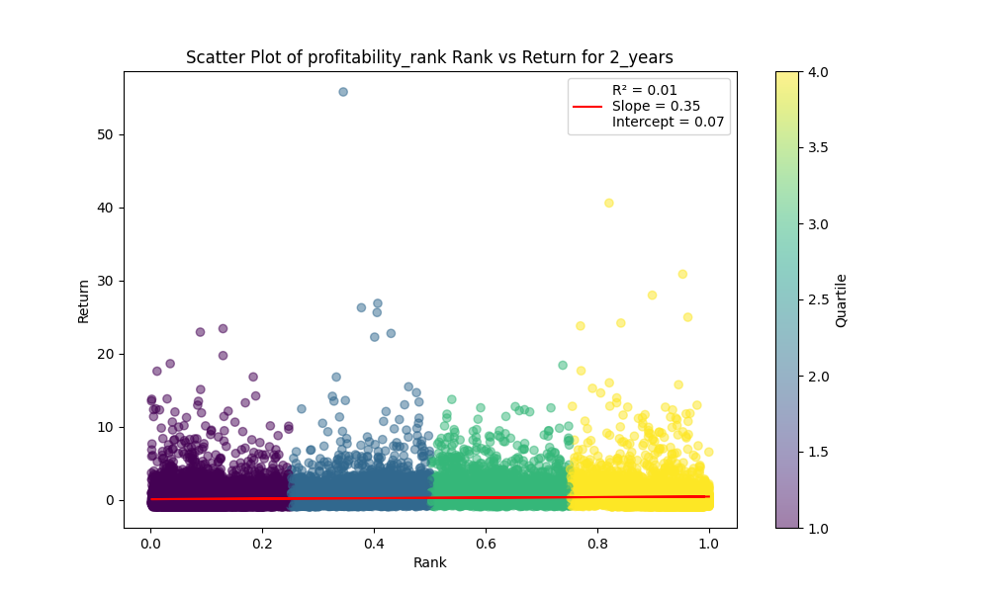
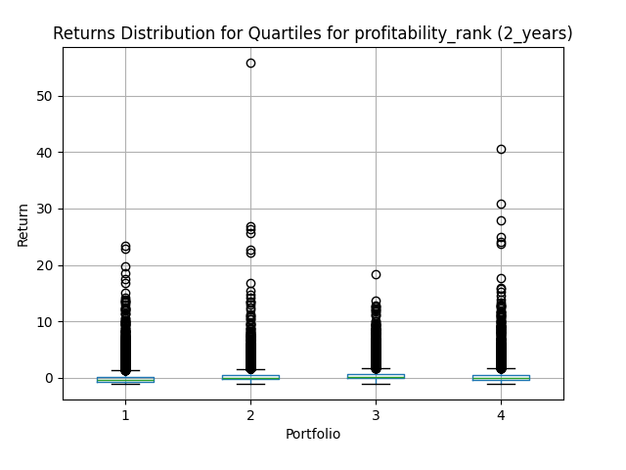
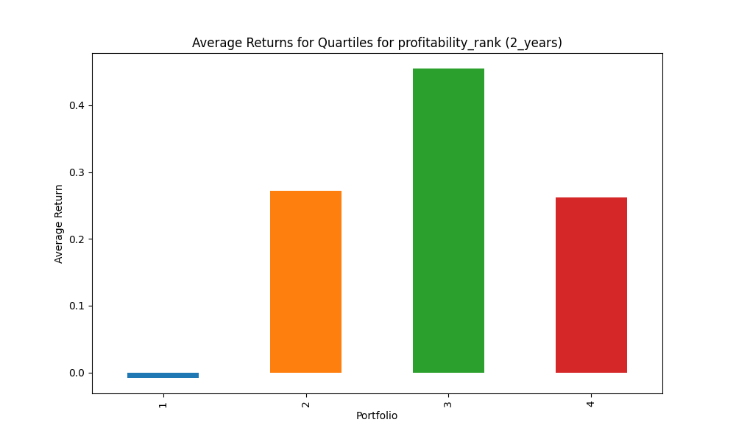
portfolio | mean | std | sharpe | mean_close
1 | 0.13346933717 | 0.6108472312 | 0.21849871842 | 256.63499931
2 | 0.071884690726 | 0.45217179024 | 0.15897650468 | 176.62676622
3 | 0.38381568565 | 0.61447809613 | 0.62462061393 | 348.21737928
4 | 0.28417303071 | 0.46229362132 | 0.61470246961 | 2650.121719

Explanation of Key Metrics and Quartiles:
Factor: profitability_rank
Holding Period: 2_years
Quartile 1: Lowest ranked
Quartile 4: Highest ranked

Quartile 1 stats: | Factor Max: 0.25190839694656486 | Factor Min: 0.002544529262086514 | Factor Median: 0.1266926581953536 | Rank Max: 0.25190839694656486 | Rank Min: 0.002544529262086514 | Rank Median: 0.1266926581953536 | Count: 13132

Quartile 2 stats: | Factor Max: 0.5012722646310432 | Factor Min: 0.2519201228878648 | Factor Median: 0.3768996960486322 | Rank Max: 0.5012722646310432 | Rank Min: 0.2519201228878648 | Rank Median: 0.3768996960486322 | Count: 13101

Quartile 3 stats: | Factor Max: 0.7506361323155216 | Factor Min: 0.5012964563526361 | Factor Median: 0.6263016854135655 | Rank Max: 0.7506361323155216 | Rank Min: 0.5012964563526361 | Rank Median: 0.6263016854135655 | Count: 13054

Quartile 4 stats: | Factor Max: 1.0 | Factor Min: 0.750648228176318 | Factor Median: 0.8763440860215054 | Rank Max: 1.0 | Rank Min: 0.750648228176318 | Rank Median: 0.8763440860215054 | Count: 13169

profitability_rank_3_years
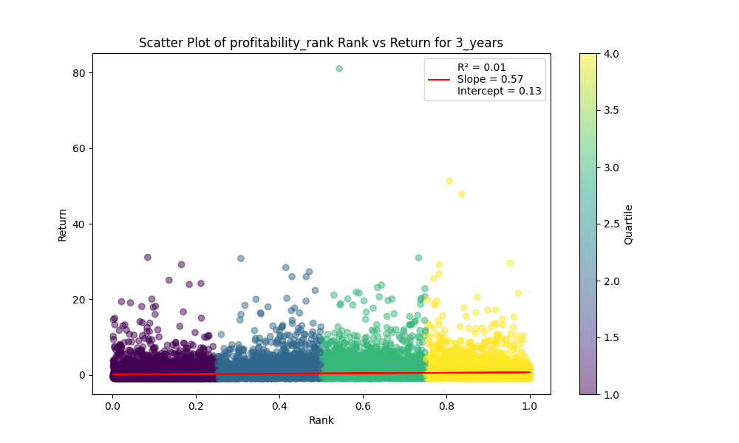
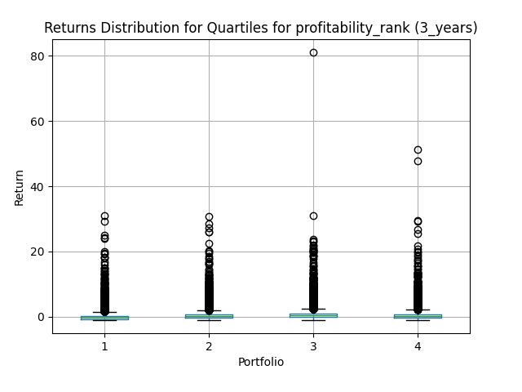
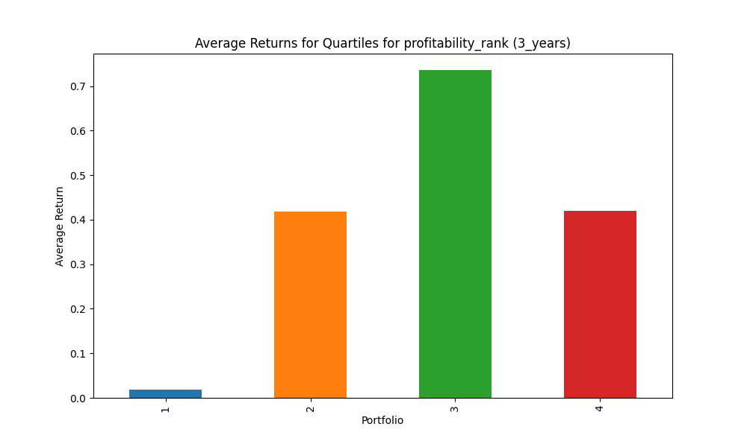
portfolio | mean | std | sharpe | mean_close
1 | 0.23831668899 | 1.0964697298 | 0.2173490818 | 256.63499931
2 | 0.10748870433 | 0.54238337079 | 0.19817846586 | 176.62676622
3 | 0.48481736187 | 0.71522443287 | 0.67785346752 | 348.21737928
4 | 0.44635671532 | 0.53994891173 | 0.82666471887 | 2650.121719

Explanation of Key Metrics and Quartiles:
Factor: profitability_rank
Holding Period: 3_years
Quartile 1: Lowest ranked
Quartile 4: Highest ranked

Quartile 1 stats: | Factor Max: 0.25190839694656486 | Factor Min: 0.002544529262086514 | Factor Median: 0.1266926581953536 | Rank Max: 0.25190839694656486 | Rank Min: 0.002544529262086514 | Rank Median: 0.1266926581953536 | Count: 13132

Quartile 2 stats: | Factor Max: 0.5012722646310432 | Factor Min: 0.2519201228878648 | Factor Median: 0.3768996960486322 | Rank Max: 0.5012722646310432 | Rank Min: 0.2519201228878648 | Rank Median: 0.3768996960486322 | Count: 13101

Quartile 3 stats: | Factor Max: 0.7506361323155216 | Factor Min: 0.5012964563526361 | Factor Median: 0.6263016854135655 | Rank Max: 0.7506361323155216 | Rank Min: 0.5012964563526361 | Rank Median: 0.6263016854135655 | Count: 13054

Quartile 4 stats: | Factor Max: 1.0 | Factor Min: 0.750648228176318 | Factor Median: 0.8763440860215054 | Rank Max: 1.0 | Rank Min: 0.750648228176318 | Rank Median: 0.8763440860215054 | Count: 13169

profitability_rank_5_years
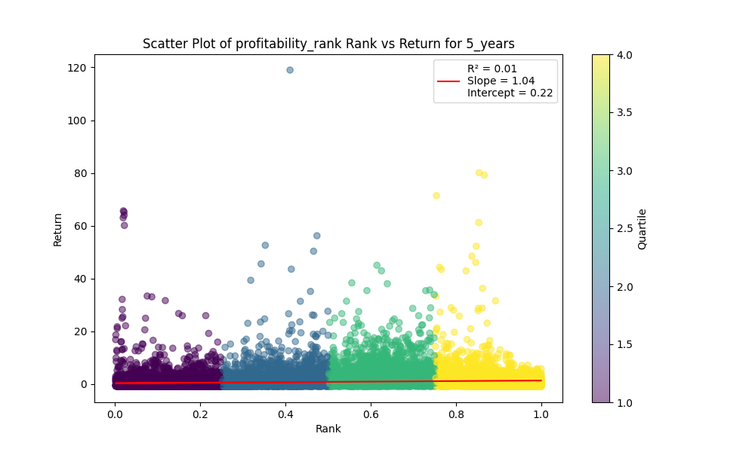
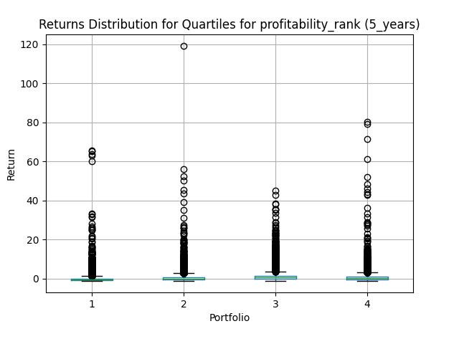
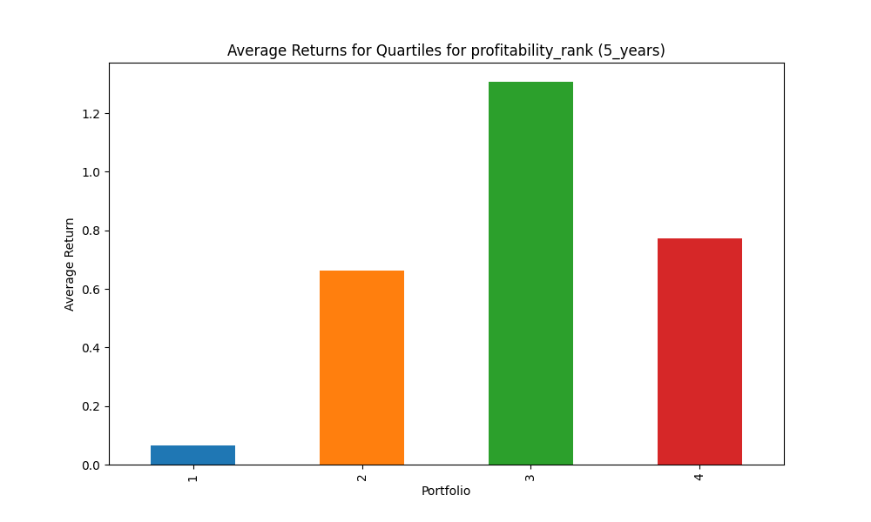
portfolio | mean | std | sharpe | mean_close
1 | 0.23832334644 | 0.87501108991 | 0.27236608677 | 256.63499931
2 | 0.16652621243 | 0.62332067735 | 0.26715977583 | 176.62676622
3 | 0.71504752035 | 0.81134372793 | 0.88131268627 | 348.21737928
4 | 0.84105398696 | 0.81265914977 | 1.0349406479 | 2650.121719

Explanation of Key Metrics and Quartiles:
Factor: profitability_rank
Holding Period: 5_years
Quartile 1: Lowest ranked
Quartile 4: Highest ranked

Quartile 1 stats: | Factor Max: 0.25190839694656486 | Factor Min: 0.002544529262086514 | Factor Median: 0.1266926581953536 | Rank Max: 0.25190839694656486 | Rank Min: 0.002544529262086514 | Rank Median: 0.1266926581953536 | Count: 13132

Quartile 2 stats: | Factor Max: 0.5012722646310432 | Factor Min: 0.2519201228878648 | Factor Median: 0.3768996960486322 | Rank Max: 0.5012722646310432 | Rank Min: 0.2519201228878648 | Rank Median: 0.3768996960486322 | Count: 13101

Quartile 3 stats: | Factor Max: 0.7506361323155216 | Factor Min: 0.5012964563526361 | Factor Median: 0.6263016854135655 | Rank Max: 0.7506361323155216 | Rank Min: 0.5012964563526361 | Rank Median: 0.6263016854135655 | Count: 13054

Quartile 4 stats: | Factor Max: 1.0 | Factor Min: 0.750648228176318 | Factor Median: 0.8763440860215054 | Rank Max: 1.0 | Rank Min: 0.750648228176318 | Rank Median: 0.8763440860215054 | Count: 13169

momentum_rank_quarterly
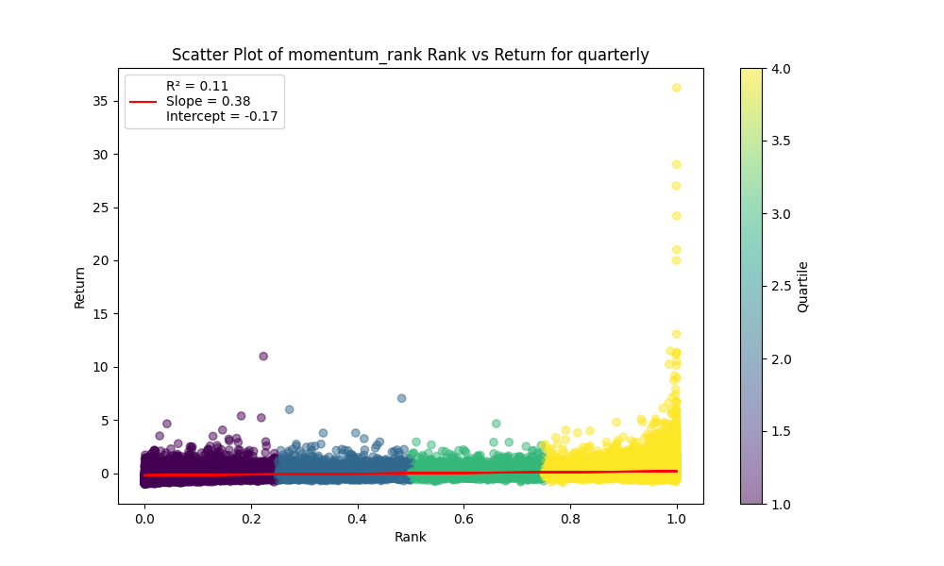
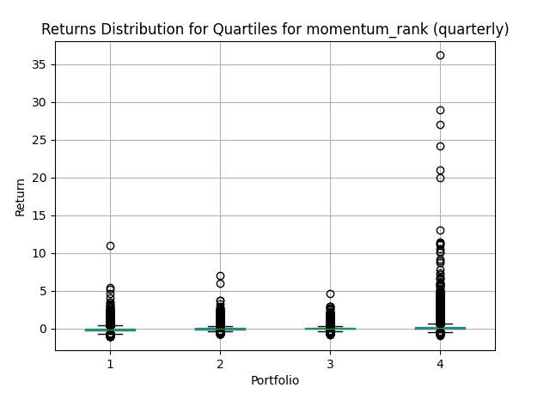
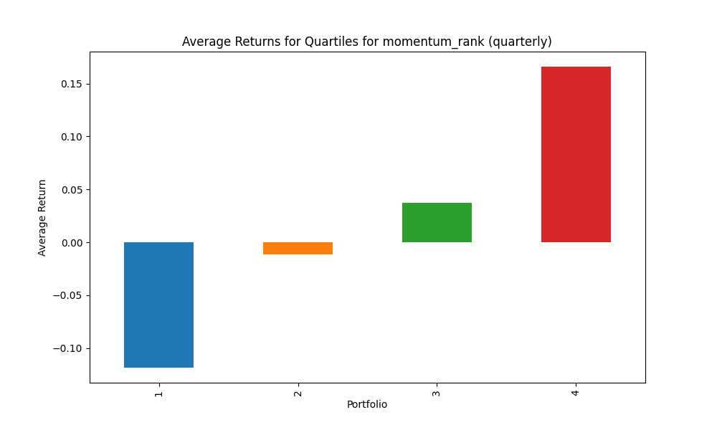
portfolio | mean | std | sharpe | mean_close
1 | -0.10805976798 | 0.10760517328 | -1.0042246547 | 13050.110648
2 | -0.0079604954549 | 0.088121850738 | -0.090335091561 | 6343.2169012
3 | 0.039704264579 | 0.084471597438 | 0.47003094274 | 4436.8373361
4 | 0.16291241962 | 0.117546206 | 1.3859436656 | 6419.2234411

Explanation of Key Metrics and Quartiles:
Factor: momentum_rank
Holding Period: quarterly
Quartile 1: Lowest ranked
Quartile 4: Highest ranked

Quartile 1 stats: | Factor Max: 0.2502639915522703 | Factor Min: 0.00036403349108117945 | Factor Median: 0.12541694462975317 | Rank Max: 0.2502639915522703 | Rank Min: 0.00036403349108117945 | Rank Median: 0.12541694462975317 | Count: 53572

Quartile 2 stats: | Factor Max: 0.5001820167455406 | Factor Min: 0.25027563395810365 | Factor Median: 0.3751879767259373 | Rank Max: 0.5001820167455406 | Rank Min: 0.25027563395810365 | Rank Median: 0.3751879767259373 | Count: 53598

Quartile 3 stats: | Factor Max: 0.75 | Factor Min: 0.500186776242062 | Factor Median: 0.6251668903755279 | Rank Max: 0.75 | Rank Min: 0.500186776242062 | Rank Median: 0.6251668903755279 | Count: 53612

Quartile 4 stats: | Factor Max: 1.0 | Factor Min: 0.750093388121031 | Factor Median: 0.8753056234718827 | Rank Max: 1.0 | Rank Min: 0.750093388121031 | Rank Median: 0.8753056234718827 | Count: 53704

momentum_rank_yearly
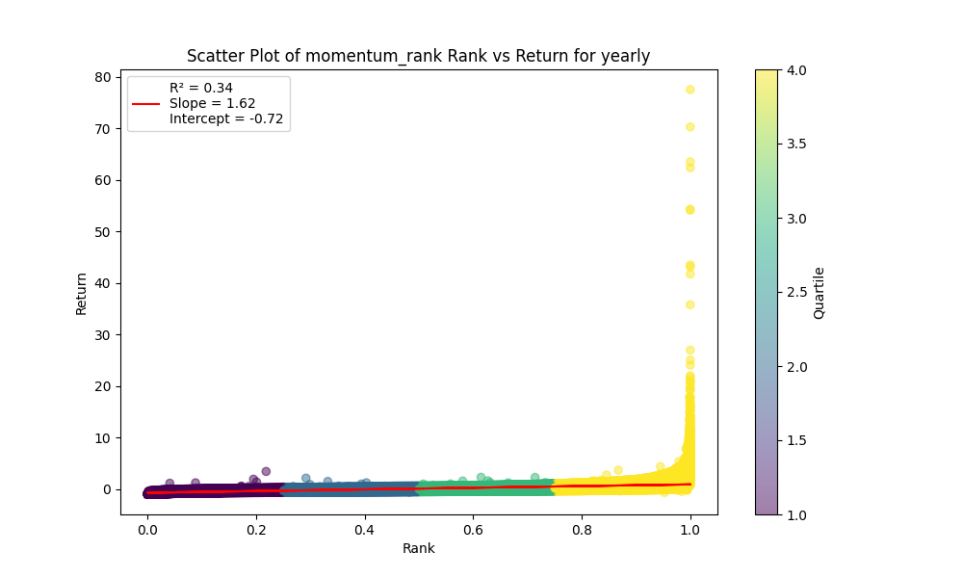
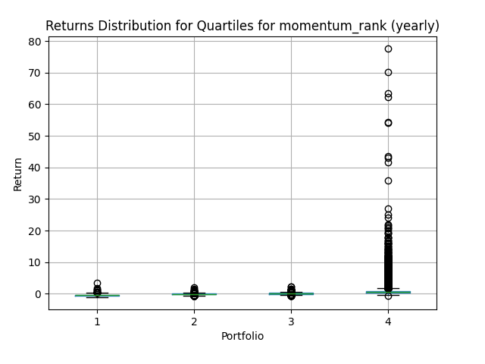

portfolio | mean | std | sharpe | mean_close
1 | -0.39419053309 | 0.17470370047 | -2.2563376278 | 13050.110648
2 | -0.062587836601 | 0.19609646814 | -0.31916860713 | 6343.2169012
3 | 0.14264959192 | 0.22322553464 | 0.63903796735 | 4436.8373361
4 | 0.77141069688 | 0.43875903763 | 1.7581648028 | 6419.2234411

Explanation of Key Metrics and Quartiles:
Factor: momentum_rank
Holding Period: yearly
Quartile 1: Lowest ranked
Quartile 4: Highest ranked

Quartile 1 stats: | Factor Max: 0.2502639915522703 | Factor Min: 0.00036403349108117945 | Factor Median: 0.12541694462975317 | Rank Max: 0.2502639915522703 | Rank Min: 0.00036403349108117945 | Rank Median: 0.12541694462975317 | Count: 53572

Quartile 2 stats: | Factor Max: 0.5001820167455406 | Factor Min: 0.25027563395810365 | Factor Median: 0.3751879767259373 | Rank Max: 0.5001820167455406 | Rank Min: 0.25027563395810365 | Rank Median: 0.3751879767259373 | Count: 53598

Quartile 3 stats: | Factor Max: 0.75 | Factor Min: 0.500186776242062 | Factor Median: 0.6251668903755279 | Rank Max: 0.75 | Rank Min: 0.500186776242062 | Rank Median: 0.6251668903755279 | Count: 53612

Quartile 4 stats: | Factor Max: 1.0 | Factor Min: 0.750093388121031 | Factor Median: 0.8753056234718827 | Rank Max: 1.0 | Rank Min: 0.750093388121031 | Rank Median: 0.8753056234718827 | Count: 53704

momentum_rank_2_years



portfolio | mean | std | sharpe | mean_close
1 | -0.33971995508 | 0.2576491663 | -1.3185369856 | 13050.110648
2 | 0.025730984688 | 0.2921885503 | 0.088062946552 | 6343.2169012
3 | 0.26026877503 | 0.34074733197 | 0.76381749938 | 4436.8373361
4 | 0.95701030377 | 0.64874160495 | 1.4751794805 | 6419.2234411

Explanation of Key Metrics and Quartiles:
Factor: momentum_rank
Holding Period: 2_years
Quartile 1: Lowest ranked
Quartile 4: Highest ranked

Quartile 1 stats: | Factor Max: 0.2502639915522703 | Factor Min: 0.00036403349108117945 | Factor Median: 0.12541694462975317 | Rank Max: 0.2502639915522703 | Rank Min: 0.00036403349108117945 | Rank Median: 0.12541694462975317 | Count: 53572

Quartile 2 stats: | Factor Max: 0.5001820167455406 | Factor Min: 0.25027563395810365 | Factor Median: 0.3751879767259373 | Rank Max: 0.5001820167455406 | Rank Min: 0.25027563395810365 | Rank Median: 0.3751879767259373 | Count: 53598

Quartile 3 stats: | Factor Max: 0.75 | Factor Min: 0.500186776242062 | Factor Median: 0.6251668903755279 | Rank Max: 0.75 | Rank Min: 0.500186776242062 | Rank Median: 0.6251668903755279 | Count: 53612

Quartile 4 stats: | Factor Max: 1.0 | Factor Min: 0.750093388121031 | Factor Median: 0.8753056234718827 | Rank Max: 1.0 | Rank Min: 0.750093388121031 | Rank Median: 0.8753056234718827 | Count: 53704

momentum_rank_3_years



portfolio | mean | std | sharpe | mean_close
1 | -0.29352411688 | 0.26588314185 | -1.1039591109 | 13050.110648
2 | 0.11269694951 | 0.30210575321 | 0.37303807794 | 6343.2169012
3 | 0.36188354059 | 0.37226267033 | 0.9721188006 | 4436.8373361
4 | 1.0601767828 | 0.71934060322 | 1.4738175185 | 6419.2234411

Explanation of Key Metrics and Quartiles:
Factor: momentum_rank
Holding Period: 3_years
Quartile 1: Lowest ranked
Quartile 4: Highest ranked

Quartile 1 stats: | Factor Max: 0.2502639915522703 | Factor Min: 0.00036403349108117945 | Factor Median: 0.12541694462975317 | Rank Max: 0.2502639915522703 | Rank Min: 0.00036403349108117945 | Rank Median: 0.12541694462975317 | Count: 53572

Quartile 2 stats: | Factor Max: 0.5001820167455406 | Factor Min: 0.25027563395810365 | Factor Median: 0.3751879767259373 | Rank Max: 0.5001820167455406 | Rank Min: 0.25027563395810365 | Rank Median: 0.3751879767259373 | Count: 53598

Quartile 3 stats: | Factor Max: 0.75 | Factor Min: 0.500186776242062 | Factor Median: 0.6251668903755279 | Rank Max: 0.75 | Rank Min: 0.500186776242062 | Rank Median: 0.6251668903755279 | Count: 53612

Quartile 4 stats: | Factor Max: 1.0 | Factor Min: 0.750093388121031 | Factor Median: 0.8753056234718827 | Rank Max: 1.0 | Rank Min: 0.750093388121031 | Rank Median: 0.8753056234718827 | Count: 53704

momentum_rank_5_years



portfolio | mean | std | sharpe | mean_close
1 | -0.15724981347 | 0.37829464406 | -0.41568078199 | 13050.110648
2 | 0.31459346704 | 0.41834359585 | 0.75199780792 | 6343.2169012
3 | 0.64952481493 | 0.44216133663 | 1.4689769573 | 4436.8373361
4 | 1.4477363418 | 0.82392697364 | 1.757117303 | 6419.2234411

Explanation of Key Metrics and Quartiles:
Factor: momentum_rank
Holding Period: 5_years
Quartile 1: Lowest ranked
Quartile 4: Highest ranked

Quartile 1 stats: | Factor Max: 0.2502639915522703 | Factor Min: 0.00036403349108117945 | Factor Median: 0.12541694462975317 | Rank Max: 0.2502639915522703 | Rank Min: 0.00036403349108117945 | Rank Median: 0.12541694462975317 | Count: 53572

Quartile 2 stats: | Factor Max: 0.5001820167455406 | Factor Min: 0.25027563395810365 | Factor Median: 0.3751879767259373 | Rank Max: 0.5001820167455406 | Rank Min: 0.25027563395810365 | Rank Median: 0.3751879767259373 | Count: 53598

Quartile 3 stats: | Factor Max: 0.75 | Factor Min: 0.500186776242062 | Factor Median: 0.6251668903755279 | Rank Max: 0.75 | Rank Min: 0.500186776242062 | Rank Median: 0.6251668903755279 | Count: 53612

Quartile 4 stats: | Factor Max: 1.0 | Factor Min: 0.750093388121031 | Factor Median: 0.8753056234718827 | Rank Max: 1.0 | Rank Min: 0.750093388121031 | Rank Median: 0.8753056234718827 | Count: 53704

volatility_rank_quarterly



portfolio | mean | std | sharpe | mean_close
1 | 0.016689143456 | 0.10545128145 | 0.15826401754 | 31378.790648
2 | 0.026886270861 | 0.10266860213 | 0.26187432481 | 83.245186641
3 | 0.027322572702 | 0.094308726344 | 0.28971415225 | 25.703972799
4 | 0.017410208094 | 0.08465292095 | 0.2056657691 | 9.2577311796

Explanation of Key Metrics and Quartiles:
Factor: volatility_rank
Holding Period: quarterly
Quartile 1: Lowest ranked
Quartile 4: Highest ranked

Quartile 1 stats: | Factor Max: 0.2502685284640172 | Factor Min: 0.00036403349108117945 | Factor Median: 0.12541694462975317 | Rank Max: 0.2502685284640172 | Rank Min: 0.00036403349108117945 | Rank Median: 0.12541694462975317 | Count: 53887

Quartile 2 stats: | Factor Max: 0.5001820167455406 | Factor Min: 0.2502732240437158 | Factor Median: 0.3752418374029376 | Rank Max: 0.5001820167455406 | Rank Min: 0.2502732240437158 | Rank Median: 0.3752418374029376 | Count: 53934

Quartile 3 stats: | Factor Max: 0.75 | Factor Min: 0.5002031694433158 | Factor Median: 0.6251696677367015 | Rank Max: 0.75 | Rank Min: 0.5002031694433158 | Rank Median: 0.6251696677367015 | Count: 53914

Quartile 4 stats: | Factor Max: 1.0 | Factor Min: 0.7501015847216579 | Factor Median: 0.8752969121140143 | Rank Max: 1.0 | Rank Min: 0.7501015847216579 | Rank Median: 0.8752969121140143 | Count: 54029

volatility_rank_yearly



portfolio | mean | std | sharpe | mean_close
1 | 0.14981547615 | 0.29638869271 | 0.50546960743 | 31378.790648
2 | 0.16277311374 | 0.28909318366 | 0.56304722125 | 83.245186641
3 | 0.10939313028 | 0.23657626393 | 0.46240112368 | 25.703972799
4 | 0.038247743934 | 0.19846512888 | 0.19271770386 | 9.2577311796

Explanation of Key Metrics and Quartiles:
Factor: volatility_rank
Holding Period: yearly
Quartile 1: Lowest ranked
Quartile 4: Highest ranked

Quartile 1 stats: | Factor Max: 0.2502685284640172 | Factor Min: 0.00036403349108117945 | Factor Median: 0.12541694462975317 | Rank Max: 0.2502685284640172 | Rank Min: 0.00036403349108117945 | Rank Median: 0.12541694462975317 | Count: 53887

Quartile 2 stats: | Factor Max: 0.5001820167455406 | Factor Min: 0.2502732240437158 | Factor Median: 0.3752418374029376 | Rank Max: 0.5001820167455406 | Rank Min: 0.2502732240437158 | Rank Median: 0.3752418374029376 | Count: 53934

Quartile 3 stats: | Factor Max: 0.75 | Factor Min: 0.5002031694433158 | Factor Median: 0.6251696677367015 | Rank Max: 0.75 | Rank Min: 0.5002031694433158 | Rank Median: 0.6251696677367015 | Count: 53914

Quartile 4 stats: | Factor Max: 1.0 | Factor Min: 0.7501015847216579 | Factor Median: 0.8752969121140143 | Rank Max: 1.0 | Rank Min: 0.7501015847216579 | Rank Median: 0.8752969121140143 | Count: 54029

volatility_rank_2_years



portfolio | mean | std | sharpe | mean_close
1 | 0.30220369729 | 0.44079192464 | 0.68559263542 | 31378.790648
2 | 0.32795042025 | 0.42737708038 | 0.76735612484 | 83.245186641
3 | 0.22823349576 | 0.37099835729 | 0.61518734862 | 25.703972799
4 | 0.054958793061 | 0.3065948508 | 0.17925543406 | 9.2577311796

Explanation of Key Metrics and Quartiles:
Factor: volatility_rank
Holding Period: 2_years
Quartile 1: Lowest ranked
Quartile 4: Highest ranked

Quartile 1 stats: | Factor Max: 0.2502685284640172 | Factor Min: 0.00036403349108117945 | Factor Median: 0.12541694462975317 | Rank Max: 0.2502685284640172 | Rank Min: 0.00036403349108117945 | Rank Median: 0.12541694462975317 | Count: 53887

Quartile 2 stats: | Factor Max: 0.5001820167455406 | Factor Min: 0.2502732240437158 | Factor Median: 0.3752418374029376 | Rank Max: 0.5001820167455406 | Rank Min: 0.2502732240437158 | Rank Median: 0.3752418374029376 | Count: 53934

Quartile 3 stats: | Factor Max: 0.75 | Factor Min: 0.5002031694433158 | Factor Median: 0.6251696677367015 | Rank Max: 0.75 | Rank Min: 0.5002031694433158 | Rank Median: 0.6251696677367015 | Count: 53914

Quartile 4 stats: | Factor Max: 1.0 | Factor Min: 0.7501015847216579 | Factor Median: 0.8752969121140143 | Rank Max: 1.0 | Rank Min: 0.7501015847216579 | Rank Median: 0.8752969121140143 | Count: 54029

volatility_rank_3_years



portfolio | mean | std | sharpe | mean_close
1 | 0.43160449983 | 0.5096467739 | 0.84686987525 | 31378.790648
2 | 0.45216185361 | 0.45777732538 | 0.98773318062 | 83.245186641
3 | 0.34026353357 | 0.40824967688 | 0.83346920483 | 25.703972799
4 | 0.032558712367 | 0.30156639416 | 0.1079653204 | 9.2577311796

Explanation of Key Metrics and Quartiles:
Factor: volatility_rank
Holding Period: 3_years
Quartile 1: Lowest ranked
Quartile 4: Highest ranked

Quartile 1 stats: | Factor Max: 0.2502685284640172 | Factor Min: 0.00036403349108117945 | Factor Median: 0.12541694462975317 | Rank Max: 0.2502685284640172 | Rank Min: 0.00036403349108117945 | Rank Median: 0.12541694462975317 | Count: 53887

Quartile 2 stats: | Factor Max: 0.5001820167455406 | Factor Min: 0.2502732240437158 | Factor Median: 0.3752418374029376 | Rank Max: 0.5001820167455406 | Rank Min: 0.2502732240437158 | Rank Median: 0.3752418374029376 | Count: 53934

Quartile 3 stats: | Factor Max: 0.75 | Factor Min: 0.5002031694433158 | Factor Median: 0.6251696677367015 | Rank Max: 0.75 | Rank Min: 0.5002031694433158 | Rank Median: 0.6251696677367015 | Count: 53914

Quartile 4 stats: | Factor Max: 1.0 | Factor Min: 0.7501015847216579 | Factor Median: 0.8752969121140143 | Rank Max: 1.0 | Rank Min: 0.7501015847216579 | Rank Median: 0.8752969121140143 | Count: 54029

volatility_rank_5_years



portfolio | mean | std | sharpe | mean_close
1 | 0.8622623477 | 0.66965705016 | 1.287617815 | 31378.790648
2 | 0.73589023642 | 0.5528970123 | 1.3309716277 | 83.245186641
3 | 0.62536991758 | 0.54789684246 | 1.1414008425 | 25.703972799
4 | 0.035497321312 | 0.32476285425 | 0.10930228272 | 9.2577311796

Explanation of Key Metrics and Quartiles:
Factor: volatility_rank
Holding Period: 5_years
Quartile 1: Lowest ranked
Quartile 4: Highest ranked

Quartile 1 stats: | Factor Max: 0.2502685284640172 | Factor Min: 0.00036403349108117945 | Factor Median: 0.12541694462975317 | Rank Max: 0.2502685284640172 | Rank Min: 0.00036403349108117945 | Rank Median: 0.12541694462975317 | Count: 53887

Quartile 2 stats: | Factor Max: 0.5001820167455406 | Factor Min: 0.2502732240437158 | Factor Median: 0.3752418374029376 | Rank Max: 0.5001820167455406 | Rank Min: 0.2502732240437158 | Rank Median: 0.3752418374029376 | Count: 53934

Quartile 3 stats: | Factor Max: 0.75 | Factor Min: 0.5002031694433158 | Factor Median: 0.6251696677367015 | Rank Max: 0.75 | Rank Min: 0.5002031694433158 | Rank Median: 0.6251696677367015 | Count: 53914

Quartile 4 stats: | Factor Max: 1.0 | Factor Min: 0.7501015847216579 | Factor Median: 0.8752969121140143 | Rank Max: 1.0 | Rank Min: 0.7501015847216579 | Rank Median: 0.8752969121140143 | Count: 54029

