Type A,B,C drugs (checked)
Type A drug | Virus | Target | Sentense | PMID | Notes | Type A drugs are those reported directly by literatures to interact with the target of SARS-CoV-2

Type B drug | Virus | Target | Sentense | PMID | Notes | Type B drugs are those reported directly by literatures to interact with the target of coronavirus (SARS, MERS)
Favipiravir (T-705) | RNA viruses（ such as influenza virus ,Paramyxoviridae) | RdRp | Favipiravir (T-705) , a pyrazine derivative , was shown to be an effective antiviral drug against RNA viruses , acting on RNA-dependent RNA polymerase (RdRp) . | 31477101
natural flavonoids | SARS-CoV | helicase | We also discuss the recent progress in the identification of novel chemical inhibitors of nsP13 in the context of our recent discovery of the strong inhibition of the SARS helicase by natural flavonoids , myricetin and scutellarein . | 22935448
myricetin

camostat | SARS-CoV, HCoV-NL63 | TMPRSS2 | This study shows that a commercial serine protease inhibitor (camostat) partially blocked infection by SARS-CoV and human coronavirus NL63 (HCoV-NL63) in HeLa cells expressing the receptor angiotensin-converting enzyme 2 (ACE2) and TMPRSS2 . | 22496216
ribavirin | RNA viruses | RdRp | Inhibition of host inosine monophosphate dehydrogenase and inhibition of RNA-dependent RNA polymerase (RdRp) of RNA viruses have been reported as the modes of action of ribavirin . | 12528471
chloroquine | host | cathepsin L | The mechanism for chloroquine's antiviral action likely is the inhibition of cathepsin L , a cellular enzyme that is essential for the processing of the viral fusion glycoprotein and the maturation of newly budding virions ." | 19264786
quercetin | SARS-CoV | 3CLpro | The 3C-like protease (3CLpro) of severe acute respiratory syndrome-associated coronavirus (SARS-CoV) is vital for SARS-CoV replication , and quercetin displays strong inhibition of 3CLpro [43] . | 30064445
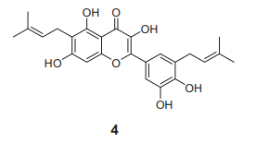
sitagliptin | MERS-CoV | DPP4 | Treatment with the DPP4 inhibitor sitagliptin reversed the effects of MERS-CoV S glycoprotein on macrophages | 28118607
The prenylated flavone derivative , 4 | SARS-CoV | PLpro | The prenylated flavone derivative , 4 , exhibited the highest inhibitory effects on SARS-CoV PLpro (IC50 = 3.7 μM) . | 28112000
6-mercaptopurine (6MP) | SARS-CoV | PLpro | In the search for effective therapeutics against severe acute respiratory syndrome (SARS) , 6-mercaptopurine (6MP) and 6-thioguanine (6TG) were found to be specific inhibitors for the SARS-coronavirus (CoV) papain-like protease (PLpro) , a cysteine protease with deubiquitinating and deISGylating activity . | 19374142
6-thioguanine (6TG)
adenosine deaminase | MERS-CoV | DPP4 | A DPP4 binding protein , adenosine deaminase , is considered as one of the major inhibitors of the S protein of MERS-CoV (Drosten , 2013) . | 30984127
Hexachlorophene | SARS-CoV, coronavirus | 3CLpro | Hexachlorophene inhibited the 3C-like protease activity of severe acute respiratory syndrome coronavirus and the in vitro replication of other coronaviruses , including murine hepatitis virus , bovine coronavirus , and human enteric coronavirus [35,36] . | 31027241
resveratrol | MERS-CoV | nucleocapsid protein expression | The results showed that resveratrol remarkably inhibited MERS nucleocapsid protein translation in a dose-dependent manner , especially in the concentration of 250 to 125 μM.Fig . | 28193191
Camostat mesylate | coronavirus | TMPRSS2 | Camostat mesylate inhibits activation of influenza A virus and coronavirus glycoproteins by the type II transmembrane serine protease TMPRSS2 [76–79] . | 26901159
Hexamethylene amiloride 14 | SARS-CoV | envelope protein | Hexamethylene amiloride 14 is a known inhibitor of the mammalian Na+/H+ exchanger [48] , and is also active against the HCV proton channel p7 , the HIV-1 Vpu ion channel and the SARS Coronavirus envelope protein ion channel activity [49] , [50] , [51] . | 23383318
Bananin and three of their derivatives | SARS-CoV | helicase | Recently , Tanner and coworkers have found that Bananin and three of their derivatives , Figure 25 , function as non-competitive SARS-CoV helicase inhibitors (with IC50 values in the micromolar range) at a site different from the ATP and nucleic acid binding site , causing inhibition probably through an allosteric mechanism [89] . | 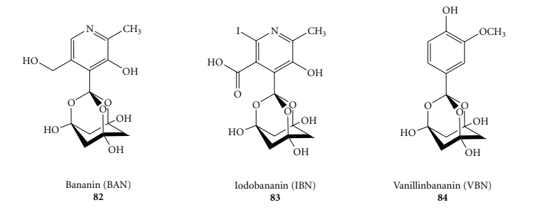 27516903 |  |  | 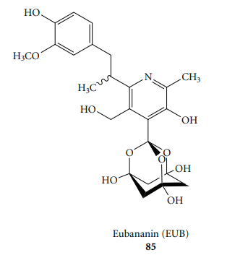
Inhibitor 1 (GRL-0068S), Inhibitors 2 (GRL-0617S), 3 (GRL-0667S) and 4 (GRL-0737S) |  | PLpro | Using high-throughput screening (HTS) and structure-based drug design, we have previously developed a series of non-covalent PLpro inhibitors that show promise as potential therapeutic agents.[11] Inhibitor 1 (GRL-0068S) has shown an inhibitory activity (IC50 value) of 0.29 µM and antiviral activity (EC50) of 5.2 µM (See Table 1 for inhibitor structures). Inhibitors 2 (GRL-0617S), 3 (GRL-0667S) and 4 (GRL-0737S) have exhibited inhibitory activities of 1.32 µM, 0.64 µM and 1.36 µM, with antiviral activities of 15 µM, 9.1 µM and 9.1 µM, respectively.[11a, 15] | 23788528
disulfiram | MERS-CoV | PLpro | Notably , disulfiram also acts as an allosteric inhibitor of MERS-CoV papain-like protease [47] . | 30562987
GRL0617 | SARS-CoV | PLpro | (9) inhibits SARS virus encoded papain-like protease (PLpro) (Ref. 58) | 22088887 | 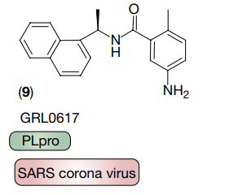
Aryl diketoacids (ADK) | SARS-CoV | helicase | Aryl diketoacids (ADK) selectively inhibit duplex DNA-unwinding activity of SARS coronavirus NTPase/helicase | 19233643
Ribavirin | HCV | RdRp | Binding of ribavirin triphosphate （RTP ）to the nucleotide binding site of the RNA polymerase prevents the binding of the correct nucleotides, leading to a reduction in viral replication or to the production of defective virions. To date, ribavirin and ribavirin plus various types of IFN have been the most common therapeutic interventions tried in patients with SARS and MERS | 21960835
Lopinavir | cronovirus | 3CLpro | Lopinavir (LPV) is a potent human immunodeficiency virus (HIV) protease inhibitor (PI) that is widely used for the therapeutic treatment of HIV infection as a coformulated combination with ritonavir (RTV). The inhibitory potency of HIV 1 protease inhibitors to cronovirus proteinase was as follows: LPV > RTV > APV > TPV > SQV. Lopinavir and Saquinavir were the most and the least powerful inhibitors of cronovirus proteinase, respectively. | 18520602
Griffithsin | HIV | Oligosaccharides on S protein | GRFT blocked CD4-dependent glycoprotein (gp) 120 binding to receptor-expressing cells and bound to viral coat glycoproteins (gp120, gp41, and gp160) in a glycosylation-dependent manner. | 15613479
P34 | HCOV-OC43 | N protein | PJ34 at 10 μM inhibits coronavirus replication and potently interferes with the RNA-binding activity of HCoV OC43 N protein by targeting the N-NTD ribonucleotide-binding pocket. | 24564608
N3 | CoV | 3CLpro | Here, we also present the cocrystal structure of IBV Mpro in complex with N3, a wide-spectrum inhibitor that we designed previously to target CoV Mpros | 18094151
E-64-D | Host | Cathepsin inhibitor | Cathepsin inhibitor E-64-D blocked MERS-CoV and SARS-CoV at the entry stage | 24841273
（R）-16 | SARS-CoV | 3CLpro | We found a known inhibitor of severe acute respiratory syndrome coronavirus (SARS-CoV) 3CLpro, (R)-16, to have inhibitor activity against PEDV 3CLpro, despite that SARS-3CLpro and PEDV 3CLpro share only 45.4% sequence identity | 27173881
TF2B | SARS | 3CLpro | Finally, this study has identified three compounds (TF2B, TF3 and tannic acid) that are effective 3CLPro inhibitors (IC50 ≤10 µM). These compounds are abundant in the extract of black tea. | 15937562
TF3 | SARS | 3CLpro | Finally, this study has identified three compounds (TF2B, TF3 and tannic acid) that are effective 3CLPro inhibitors (IC50 ≤10 µM). These compounds are abundant in the extract of black tea. | 15937562
tannic acid | SARS | 3CLpro | Finally, this study has identified three compounds (TF2B, TF3 and tannic acid) that are effective 3CLPro inhibitors (IC50 ≤10 µM). These compounds are abundant in the extract of black tea. | 15937562

Type C drug | Virus | Target | Sentense | PMID | Notes | Type B drugs are those reported directly by literatures to interact with the target of the virus other than coronavirus
JNJ-54257099 | HCV | RdRp | JNJ-54257099 (9) is a novel cyclic phosphate ester derivative that belongs to the class of 2'-deoxy-2'-spirooxetane uridine nucleotide prodrugs which are known as inhibitors of the HCV NS5B RNA-dependent RNA polymerase (RdRp) . | 27181575
PPNDS | human Norovirus | RdRp | PPNDS displayed below-micromolar inhibitory activity versus human Norovirus RdRp (IC50=0.45\u03bcM) , similarly to suramin and NF023 . | 24316032
suramin
NF023
2'(beta)-Hydroxyethylated adenosine | HCV | RdRp | 2'(beta)-Hydroxyethylated adenosine is a potent and selective inhibitor of hepatitis C virus (HCV) replication targeting the RNA-dependent RNA polymerase of HCV , NS5B. | 20183569
sofosbuvir | Zika virus | RdRp | Based on the pharmacological activity , inhibiting the HCV RNA-dependent RNA polymerase (RdRp or NS5 protein) , sofosbuvir is proposed for its effectiveness against Zika virus infection . | 28756928
Silymarin |  | RdRp | Silymarin but not silibinin inhibited genotype 2a NS5B RNA-dependent RNA polymerase (RdRp) activity at concentrations 5 to 10 times higher than required for anti-HCVcc effects . | 20512985
cisplatin |  | helicase | This is the first study to show the effect of various DNA-binding agents on the plant nuclear helicase and also first to demonstrate inhibition of any helicase by cisplatin . | 12051716
Tunicamycin |  | envelope protein | Tunicamycin , which blocks envelope protein glycosylation , prevents inhibition of Na+K+ATPase activity and the development of morphological changes in Sindbis virus-infected cells . | 2998024

