Data_BY
 |  | Transmission Loss = | 5% |  |  |  |  | INVCOST (MSGD2016/GW) |  |  |  |  |  |  | FIXOM (MSGD2016/GW) |  |  |  |  |  |  | VAROM (MSGD2016/PJ) |  |  |  |  |  |  | Installed Capacity (MW or MWac) - RESID
 | Code | Demand/Process Description | Heat Rate | Efficiency | AFA | Lifetime | Bound | 2018 | 2020 | 2030 | 2040 | 2050 | 2060 | 2070 | 2018 | 2020 | 2030 | 2040 | 2050 | 2060 | 2070 | 2018 | 2020 | 2030 | 2040 | 2050 | 2060 | 2070 | 2018 | 2020 | 2022 | 2024 | 2025 | 2026 | 2028 | 2030 | 2032 | 2034 | 2036 | 2038 | 2040 | 2042 | 2044 | 2046 | 2048 | 2050 | 2051 | 2052 | 2054 | 2056 | 2058 | 2060 | 2062 | 2064 | 2066 | 2068 | 2070
 | Main Grid
Process | PWRNGACCF01 | Natural gas-fired combined cycle plant F class | 2.0 | 0.5 | 0.8 | 25.0 | UP | 1,572.8 |  |  |  |  |  |  | 51.9 |  |  |  |  |  |  | 1.9 |  |  |  |  |  |  | 9,952.9 | 9,952.9 | 9,952.9 | 9,920.4 | 9,920.4 | 9,920.4 | 9,070.4 | 9,070.4 | 6,468.4 | 5,738.4 | 5,018.4 | 4,528.4 | 3,788.4 | 2,926.4 | 777.0 | 0.0 | 0.0 | 0.0 | 0.0 | 0.0 | 0.0 | 0.0 | 0.0 | 0.0 | 0.0 | 0.0 | 0.0 | 0.0 | 0.0
0 | PWRNGACCF02 | Natural gas-fired combined cycle plant F class (New additions) | 2.0 | 0.5 | 0.8 | 25.0 | NA | 1,572.8 |  |  |  |  |  |  | 51.9 |  |  |  |  |  |  | 1.9
Process | PWRNGACCF00 | Natural gas-fired combined cycle plant (OCGT) | 2.4 | 0.4 | 0.8 | 25.0 | FX | 1,611.4 |  |  |  |  |  |  | 51.0 |  |  |  |  |  |  | 1.9 |  |  |  |  |  |  | 180.0 | 180.0 | 180.0 | 180.0 | 180.0 | 0.0
Process | PWRBMCSTP00 | Biomass and coal co-fired steam turbine plant - 20%Biomass | 2.9 | 0.4 | 0.8 | 25.0 | FX | 4,915.7 |  |  |  |  |  |  | 135.3 |  |  |  |  |  |  | 1.5 |  |  |  |  |  |  | 133.5 | 133.5 | 133.5 | 133.5 | 133.5 | 133.5 | 133.5 | 133.5 | 133.5 | 133.5 | 133.5 | 0.0
Process | PWRWASWTE00 | Incineration Plant | 6.1 | 0.2 | 0.8 | 25.0 | NA | 12,386.5 |  |  |  |  |  |  | 359.0 |  |  |  |  |  |  | 3.1 |  |  |  |  |  |  | 180.0 | 180.0 | 132.0 | 132.0 | 132.0 | 132.0 | 132.0 | 0.0
SOL | PWRSOLLPV00 | Land Solar Plant (MWac) |  | 1.0 | 0.1 | 25.0 | UP | 2,902.6 | 1,453.5 | 993.8 |  | 890.0 |  |  | 25.8 | 26.5 | 18.1 |  | 16.3
 |  | ELE from CCGT-F (GWh)
Process | PWRNGACCF26 | Natural gas-fired combined cycle plant (OCGT) built from 2026 | 2.5 | 0.4 | 0.8 | 25.0 | FX | 670.0 |  |  |  |  |  |  | 27.0 |  |  |  |  |  |  | 1.1 |  |  |  |  |  |  |  |  |  |  | 0.0 | 500.0 |  |  |  |  |  |  |  |  |  |  |  | 500.0 | 0.0
Process | PWRNGACCH11 | Natural gas-fired combined cycle plant H class (retrofitting) | 1.8 | 0.6 | 0.8 | 20.0 | FX | 1,770.4 |  |  |  |  |  |  | 62.7 |  |  |  |  |  |  | 2.0

 | Embeded or Autoproducer
CHP | IRFNGACGP00 | Natural gas-fired industrial refinery cogen plant | 3.0 | 0.3 | 0.8 | 25.0 | FX | 1,740.4 |  |  |  |  |  |  | 49.0 |  |  |  |  |  |  | 2.0
CHP | IBMNGACGP00 | Natural gas-fired industrial biomedical cogen plant | 3.0 | 0.3 | 0.8 | 25.0 | FX | 1,740.4 |  |  |  |  |  |  | 49.0 |  |  |  |  |  |  | 1.9
SOL | BDESOLLPV00 | Land Solar (MWac) - Existing Building |  | 1.0 | 0.1 | 25.0 | FX | 2,902.6 | 1,453.5 | 993.8 |  | 890.0 |  |  | 25.8 | 26.5 | 18.1 |  | 16.3
SOL | BDNSOLLPV00 | Land Solar (MWac) - New Building |  | 1.0 | 0.1 | 25.0 | FX | 2,902.6 | 1,453.5 | 993.8 |  | 890.0 |  |  | 25.8 | 26.5 | 18.1 |  | 16.3
SOL | BDFSOLLPV00 | Land Solar (MWac) - Future New Building |  | 1.0 | 0.1 | 25.0 | FX | 2,902.6 | 1,453.5 | 993.8 |  | 890.0 |  |  | 25.8 | 26.5 | 18.1 |  | 16.3
SOL | WATSOLFPV00 | Floating Solar (MWac) - Water |  | 1.0 | 0.1 | 25.0 | FX | 3,425.1 | 2,180.3 | 1,264.6 |  | 981.1 |  |  | 30.5 | 32.7 | 19.0 |  | 14.7
SOL | TPASOLLPV00 | Land Solar (MWac) - PSA Port Facilities |  | 1.0 | 0.1 | 25.0 | FX | 2,902.6 | 1,453.5 | 993.8 |  | 890.0 |  |  | 25.8 | 26.5 | 18.1 |  | 16.3
SOL | TPJSOLLPV00 | Land Solar (MWac) - JP Port Facilities |  | 1.0 | 0.1 | 25.0 | FX | 2,902.6 | 1,453.5 | 993.8 |  | 890.0 |  |  | 25.8 | 26.5 | 18.1 |  | 16.3

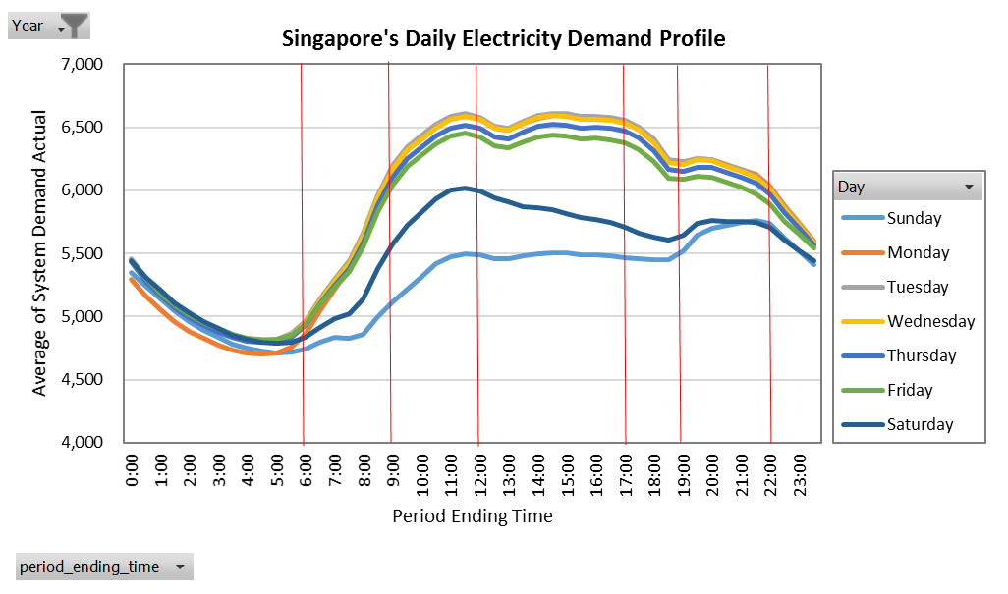
 |  | Refinery - Power Co-generation (AP)
 |  | Energ Inputs | NGA
 |  | Energy Outputs - Electricity | ELE
 |  | Energy Outputs - Heat | HET
 |  | Industry cogen plant (Heat Rate) | 3.0000
 |  | Autoproducer (ELEC / HEAT) | 0.6800

 |  | Refinery - Power Co-generation (AP)
 |  | Energ Inputs | NGA
 |  | Energy Outputs - Electricity | ELE
 |  | Energy Outputs - Heat | HET
 |  | Industry cogen plant (Heat Rate) | 3.0000
 |  | Autoproducer (ELEC / HEAT) | 0.6800

