Sheet1
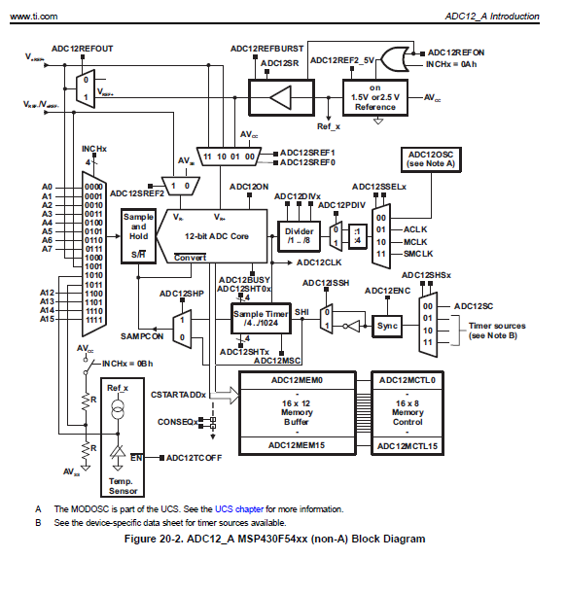
RINTERNAL | 1900 | Ω
REXTERNAL | 10100 | Ω
CINTERNAL | 2.50E-11 | F
fADC12OSC_HIGH | 5.40E+06 | Hz
Bits | 12 | bits

tMIN_SAMPLE | 3.50E-06 | s
tADC12OSC_HIGH | 1.85E-07 | s
Oscillator Periods | 18.92 | periods
SAMPLE PERIODS | 32 | periods
SAMPLE TIME | 5.93E-06 | S | shortest

fADC12OSC_LOW | 4.20E+06 | Hz
tADC12OSC_LOW | 2.38E-07 | s
SAMPLE TIME | 7.62E-06 | S | Longest

# ADC Measurements | 8
Total sample time | 6.10E-05 | s | longest

Conversion time
tCONVERSION | 2.41E-06 | s

Sample Time Settings
ADC12SHT_DIV

