Sheet1
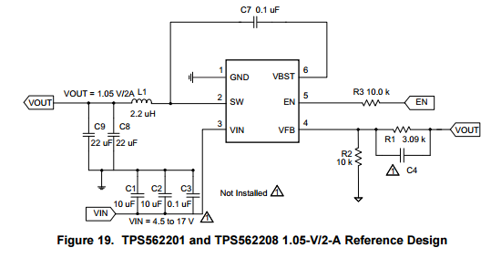
TPS562201 Design Calculations
TPS562201 Datasheet

Parameter | Value | Units | Notes
Input Voltage (Min) | 4.5 | V
Input Voltage (Max) | 17 | V
Output Voltage | 3.3 | V
Transient Response | 5.00% |  | 400mA load step
Input Ripple Voltage | 0.400 | V | Datasheet value
Output Ripple Voltage | 0.030 | V | Datasheet value
Output Current Rating | 0.5 | A
Operating Frequency | 580 | KHz | Datasheet value

Output Voltage Resistors
Parameter | Value | Units | Notes
R2 | 10000 | Ω | Enter Value
R1 | 32969 | Ω | Calculated
R1 Used | 33200 | Ω
Output Voltage | 3.318 | V

Output LC Filter Calculations
Parameter | Value | Units | Notes
L1 | 4.7 | uH | Datasheet
C8 + C9 | 41.0 | uF
FP | 11465 | Hz | Output Filter double pole, D-CAP2 frequency not published
IIP-P | 0.980 | A
IIPEAK | 0.990 | A
ILO(RMS) | 0.574 | A
ICO(RMS) | 0.283 | A

Input Capacitor
Parameter | Value | Units | Notes
C1 | 7.0 | uF | GRM32ER71H106KA12L, DC Bias
C2 | 7.0 | uF | GRM32ER71H106KA12L, DC Bias
C3 | 0.1 | uF
Minimum input Capacitance | PASS

Miscellaneous
Parameter | Value | Units | Notes
Bootstrap Cap C7 | 0.1 | uF

