Sheet1
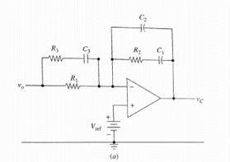
Circuit Details |  |  |  |  | Frequency Domain
Component | value | Unit | Value 2 | Unit 2 | Parameter | value | Unit | Value 2 | Unit 2
CIn | 4.70E-05 | F | 1 | Ω | FCO | 1.30E+04 | Hz
COut | 4.70E-05 | F | 1 | Ω | GainCO | -3.00E+00 | dB
L | 2.20E-05 | H | 6.90E-02 | Ω | PhaseCO | -1.72E+02 | Degrees
VOSC | 1.000 | V |  |  | FLC | = | F | 1 | Ω
FOSC | 666000.000 | Hz
R1 | 4750.000 | Ω
VP | 1.000 | V | 0.00E+00 | dB

Type III Compensation |  |  |  |  | Type III Compensation
Component | value | Unit | Value 2 | Unit 2 | Component | value | Unit | Value 2 | Unit 2
Gain | 3.000 | dB | 1.413 | V/V | R2 | 3335.748 | Ohms
ϴComp | 217.30 |  |  |  | C1 | 1.57E-08 | F | 0.016 | uF
K | 18.25 |  |  |  | C2 | 8.59E-10 | F | 0.859 | nF
 |  |  |  |  | C3 | 1.10E-08 | F | 0.011 | uF
 |  |  |  |  | R3 | 260.29 | Ω

