Fox1 MPPT Panel RTD Scaling
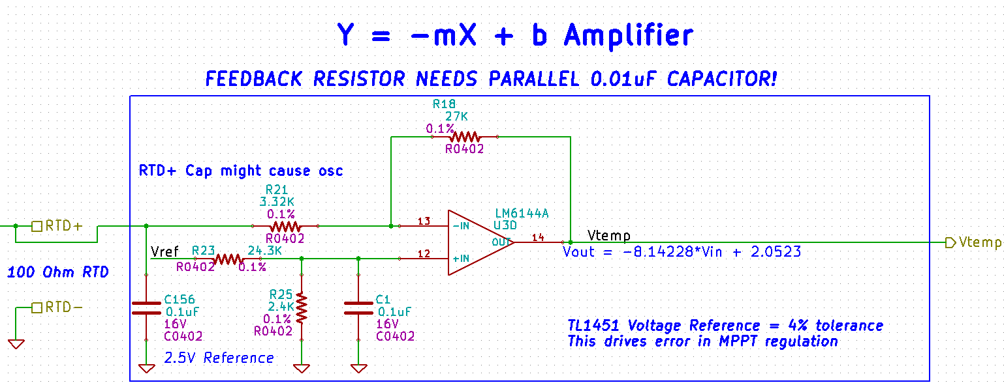
Parameter | Value | Units | Notes
ADC Bits | 2043 | bits
VTemp | 1.2469 | V
VRTD | 0.0989 | V | Backtracking through U3D
IRTD | 0.0010 | A | Hardware defined 1mA
RRTD | 98.910 | Ω | Backtracking through U3A, Ohms Law
Temperature | -2.737 | C | Cubic Fit

