Data
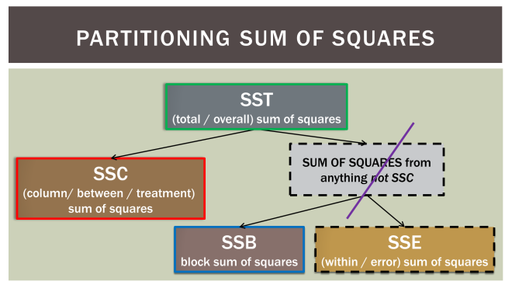
 | Sydney | Brisbane | Melbourne
Shopper 1 | 75 | 75 | 90 | 80 | Block Means |  | n = | N | 18
Shopper 2 | 70 | 70 | 70 | 70 |  |  | groups = | C | 3
Shopper 3 | 50 | 55 | 75 | 60 |  |  | blocks = | B | 6
Shopper 4 | 65 | 60 | 85 | 70
Shopper 5 | 80 | 65 | 80 | 75
Shopper 6 | 65 | 65 | 65 | 65
Mean | 67.5 | 65 | 77.5 | 70
 | Group Means

 | Total | Decomposition of Variance
 | SST | SSC | SSB | SSE |  | Critical Value | MSC/ | F= | 5.5263157895
 | 1750 | 525 | 750 | 475 |  | 4.1 | MSE |  |  | 187031250
df | N-1 | C-1 | B-1 | (C-1)(B-1)
 | 17 | 2 | 5 | 10 |  | Critical Value | MSB/ | F= | 3.1578947368
 | MST | MSC | MSB | MSE |  | 3.33 | MSE
 | 102.94117647 | 262.5 | 150 | 47.5

 |  | 31500 | 1852.9411765

Anova: Two-Factor Without Replication

SUMMARY | Count | Sum | Average | Variance
Shopper 1 | 3 | 240 | 80 | 75
Shopper 2 | 3 | 210 | 70 | 0
Shopper 3 | 3 | 180 | 60 | 175
Shopper 4 | 3 | 210 | 70 | 175
Shopper 5 | 3 | 225 | 75 | 75
Shopper 6 | 3 | 195 | 65 | 0

Sydney | 6 | 405 | 67.5 | 107.5
Brisbane | 6 | 390 | 65 | 50
Melbourne | 6 | 465 | 77.5 | 87.5

ANOVA
Source of Variation | SS | df | MS | F | P-value | F crit
Rows | 750 | 5 | 150 | 3.1578947368 | 0.057399161578 | 3.3258345304
Columns | 525 | 2 | 262.5 | 5.5263157895 | 0.024180654297 | 4.1028210151
Error | 475 | 10 | 47.5

Total | 1750 | 17

Anova: Two-Factor Without Replication

SUMMARY | Count | Sum | Average | Variance
Shopper 1 | 3 | 240 | 80 | 75
Shopper 2 | 3 | 210 | 70 | 0
Shopper 3 | 3 | 180 | 60 | 175
Shopper 4 | 3 | 210 | 70 | 175
Shopper 5 | 3 | 225 | 75 | 75
Shopper 6 | 3 | 195 | 65 | 0

Sydney | 6 | 405 | 67.5 | 107.5
Brisbane | 6 | 390 | 65 | 50
Melbourne | 6 | 465 | 77.5 | 87.5

ANOVA
Source of Variation | SS | df | MS | F | P-value | F crit
Rows | 750 | 5 | 150 | 3.1578947368 | 0.057399161578 | 3.3258345304
Columns | 525 | 2 | 262.5 | 5.5263157895 | 0.024180654297 | 4.1028210151
Error | 475 | 10 | 47.5

Total | 1750 | 17

Anova: Two-Factor Without Replication

SUMMARY | Count | Sum | Average | Variance
Shopper 1 | 3 | 240 | 80 | 75
Shopper 2 | 3 | 210 | 70 | 0
Shopper 3 | 3 | 180 | 60 | 175
Shopper 4 | 3 | 210 | 70 | 175
Shopper 5 | 3 | 225 | 75 | 75
Shopper 6 | 3 | 195 | 65 | 0

Sydney | 6 | 405 | 67.5 | 107.5
Brisbane | 6 | 390 | 65 | 50
Melbourne | 6 | 465 | 77.5 | 87.5

ANOVA
Source of Variation | SS | df | MS | F | P-value | F crit
Rows | 750 | 5 | 150 | 3.1578947368 | 0.057399161578 | 3.3258345304
Columns | 525 | 2 | 262.5 | 5.5263157895 | 0.024180654297 | 4.1028210151
Error | 475 | 10 | 47.5

Total | 1750 | 17

Anova: Two-Factor Without Replication

SUMMARY | Count | Sum | Average | Variance
Shopper 1 | 3 | 240 | 80 | 75
Shopper 2 | 3 | 210 | 70 | 0
Shopper 3 | 3 | 180 | 60 | 175
Shopper 4 | 3 | 210 | 70 | 175
Shopper 5 | 3 | 225 | 75 | 75
Shopper 6 | 3 | 195 | 65 | 0

Sydney | 6 | 405 | 67.5 | 107.5
Brisbane | 6 | 390 | 65 | 50
Melbourne | 6 | 465 | 77.5 | 87.5

ANOVA
Source of Variation | SS | df | MS | F | P-value | F crit
Rows/Blocks | 750 | 5 | 150 | 3.1578947368 | 0.057399161578 | 3.3258345304
Columns | 525 | 2 | 262.5 | 5.5263157895 | 0.024180654297 | 4.1028210151
Error | 475 | 10 | 47.5

Total | 1750 | 17

