Bug 1
Bug ID | 1
Bug Title | Validation message should display when logged in user tries to request for leave without sufficient balance in hrone portal.
Submitted Date | 2024-06-14
Tester | Fardeen
Assigned To | Dev
Priority | High
Severity | Major
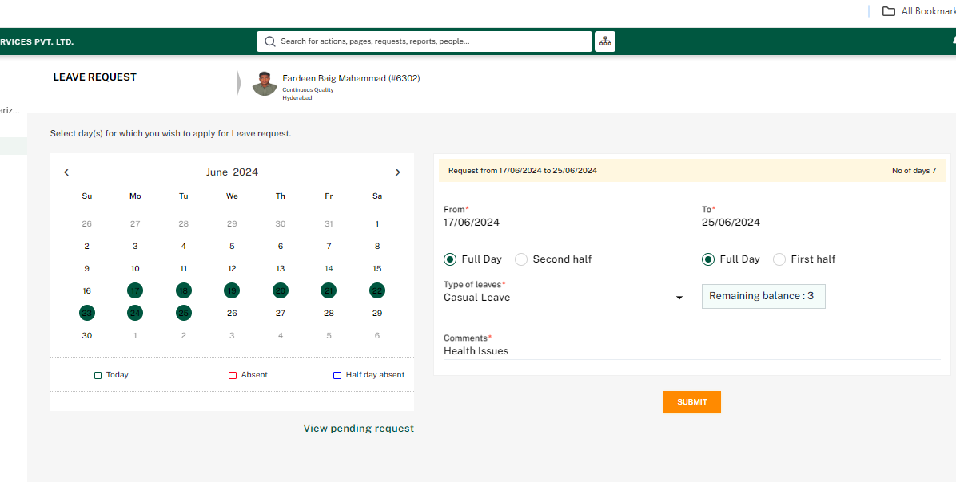
Steps to Reproduce: 1.Login to Hrone portal. 2.Navigate to Request >New Request > leave. 3.Select any dates consider for leave. 4.Click on 'Types of leave' dropdown and select the type of leave. 5.Provide the comments in 'Comments' field. 6.Click on 'Submit' button. Actual Result: No validation message is displayed. Expected Result:Validation message should display when user tries to request for leave without sufficient balance. Test Data: Test User: Fardeen Baig Mahammad Selected Leave Type: Causal Leave Available Leave Balance: 3 days Requested Leave Dates: 6/17/2024 - 6/25/2024 Note : User should be able to see the Validation message.
Screen shot:

Bug 2
Bug ID | 2
Bug Title | User should be able to delete the uploaded attachment in Snow request portal.
Submitted Date | 2024-06-14
Tester | Fardeen
Assigned To | Dev
Priority | High
Severity | Major
Steps to Reproduce: 1.Login to BSC-General Request -TGS Portal. 2.Click on 'add attachments' icon. 3.Select the file and click on 'open'. 4.Click on the delete modal icon. 5.Appear a confirmation popup and click on 'ok'. Actual Result:The attachment is not deleted. Expected Result:User should be able to delete the uploaded attachment. Test Data:Test User: Fardeen Baig Mahammad Request Type: BSC General Request Note:User should be able to delete the attachment.
Screen shot : | 