DDL
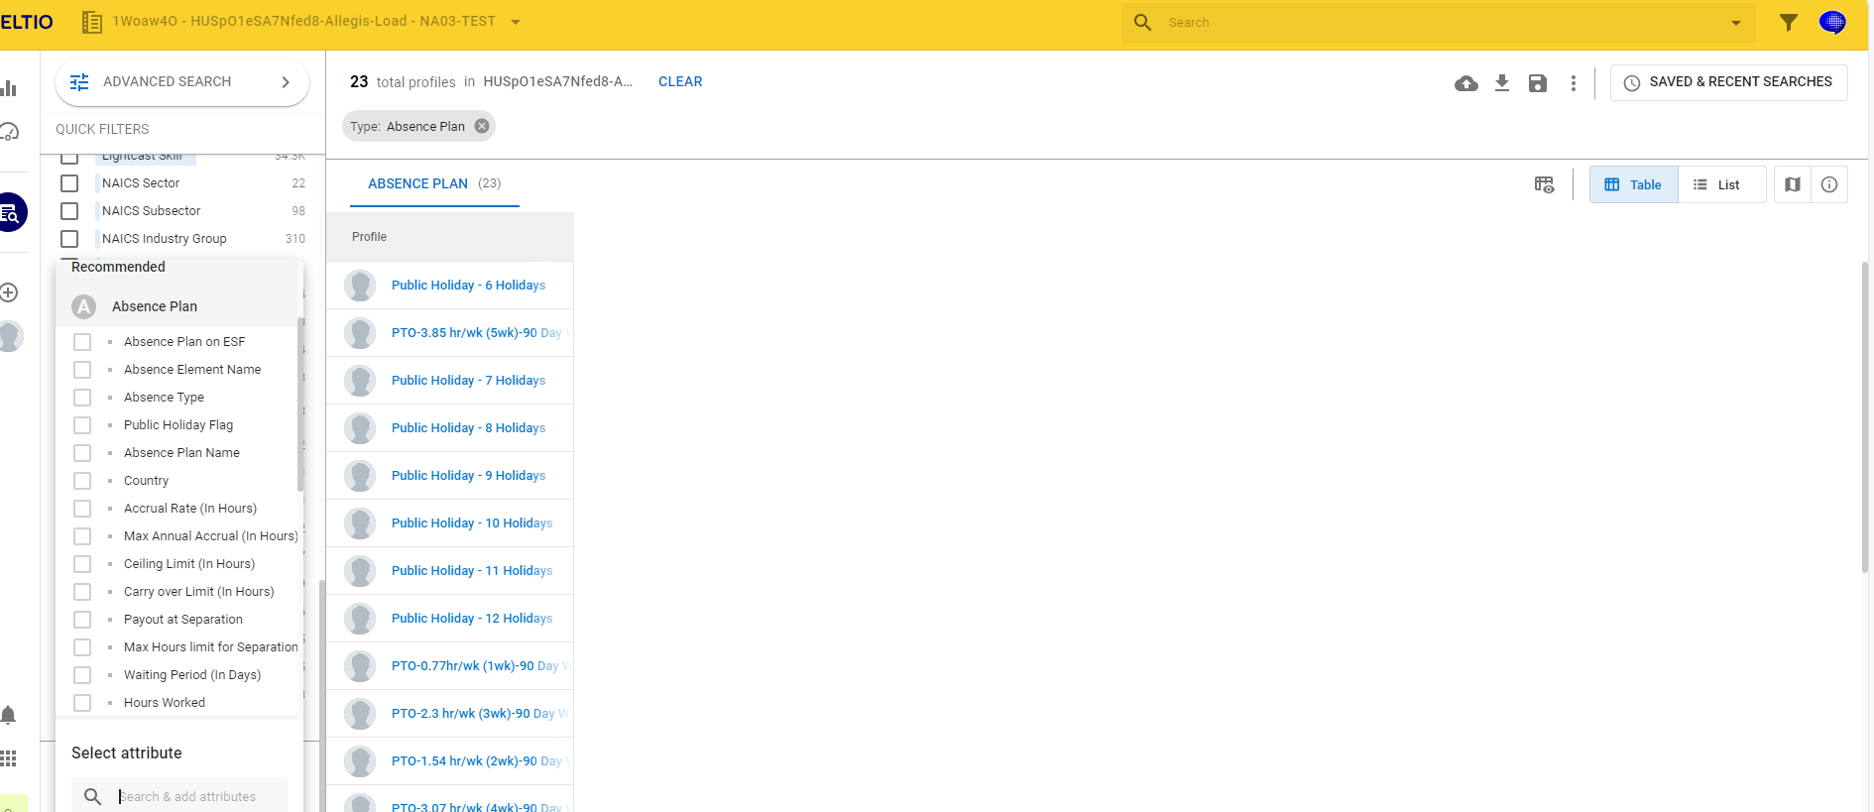
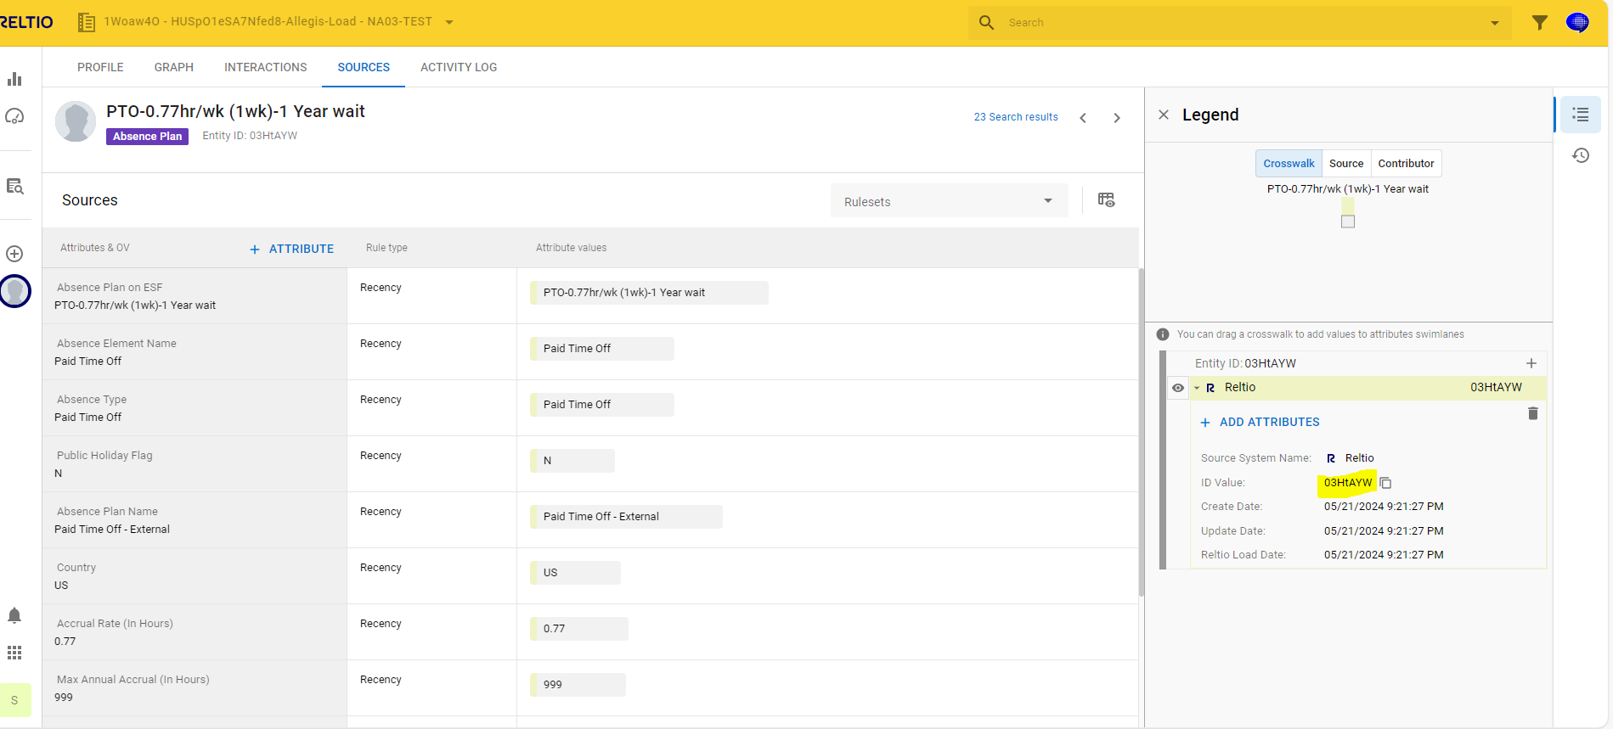
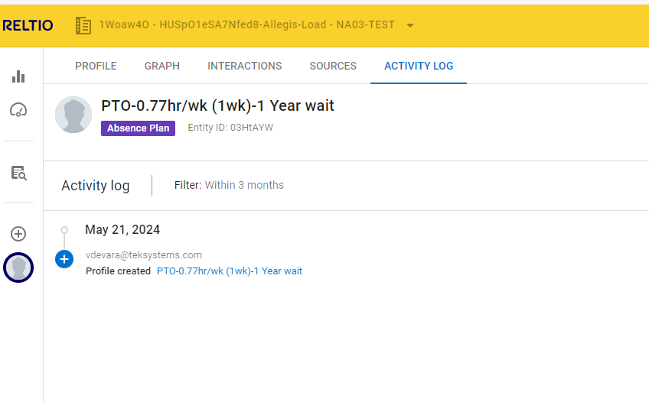
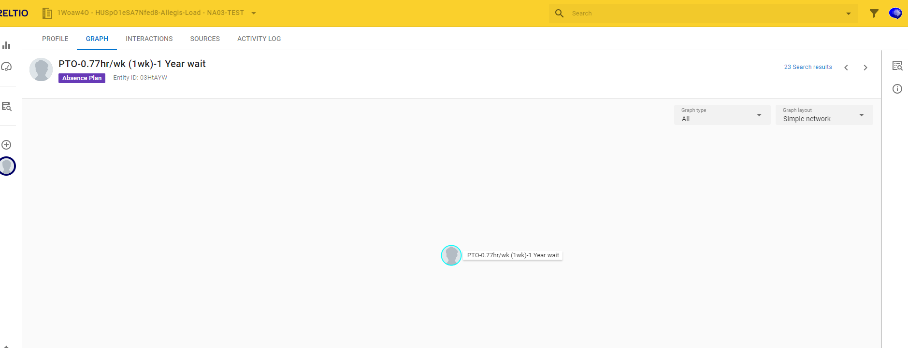
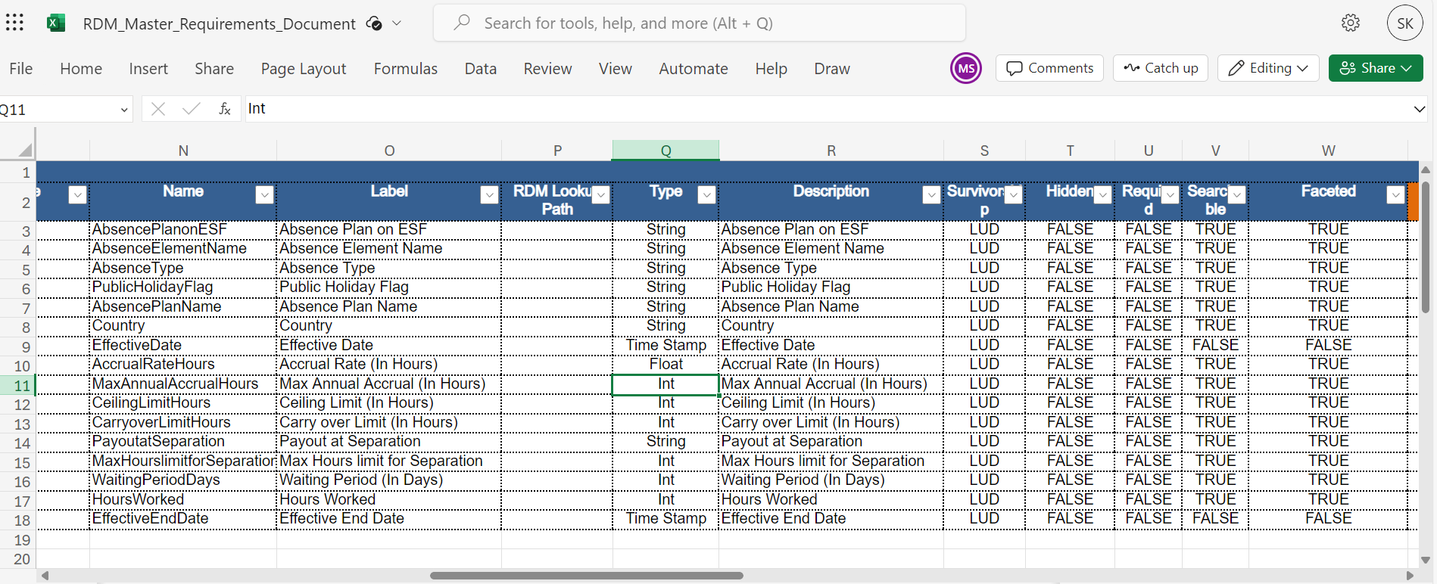

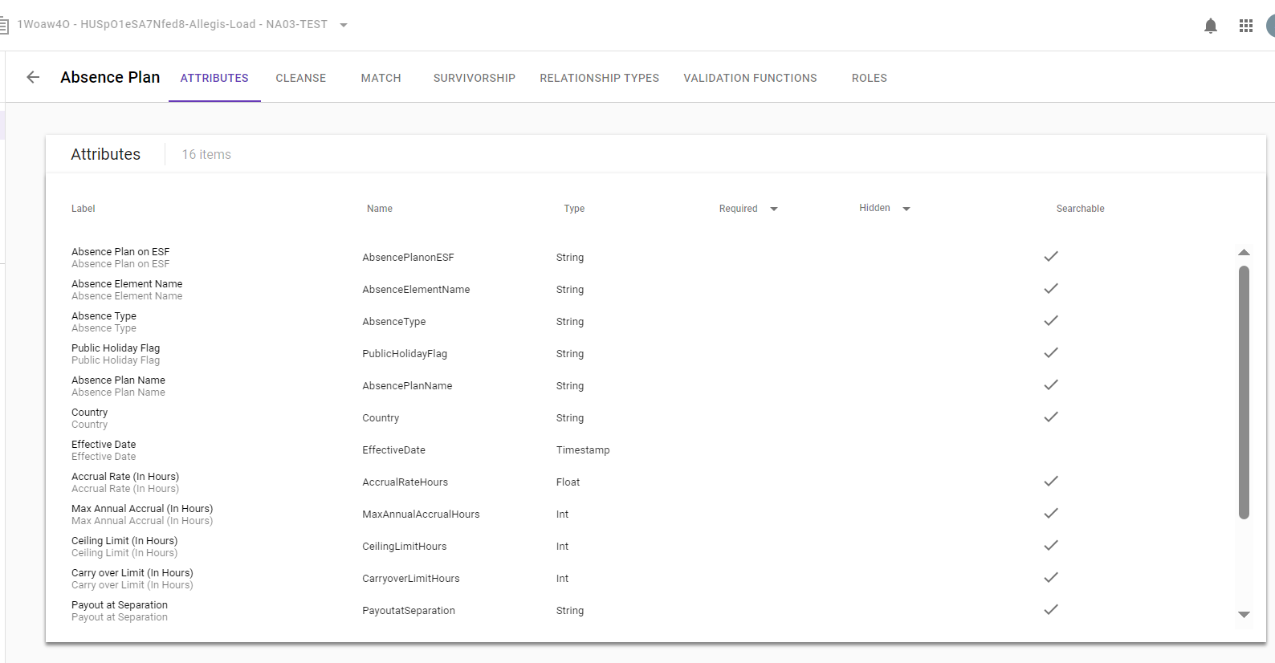

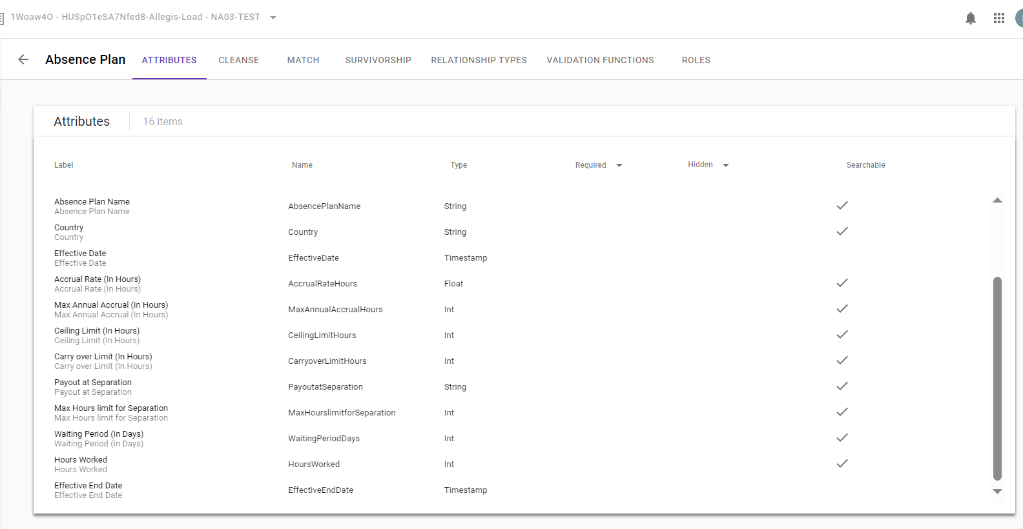

FACETED'

counts
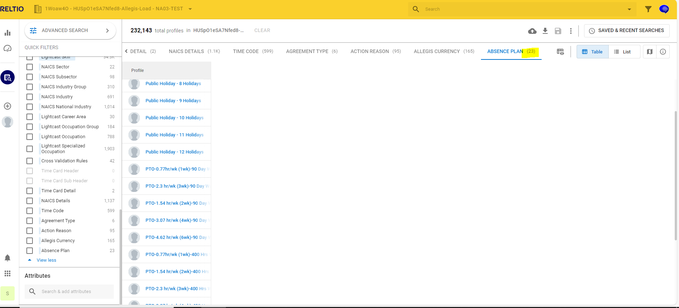

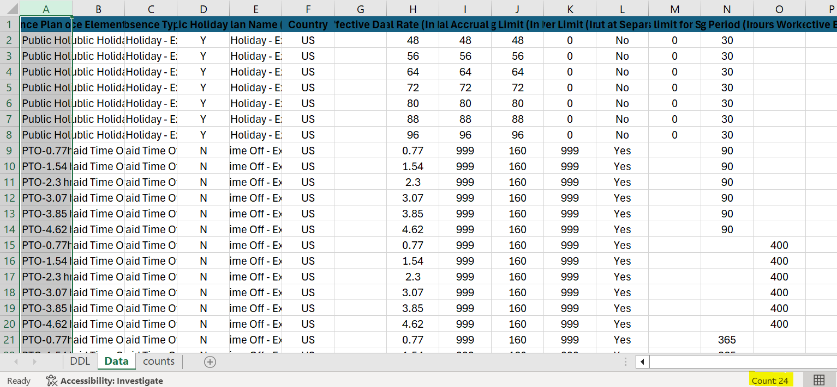

Data Validation
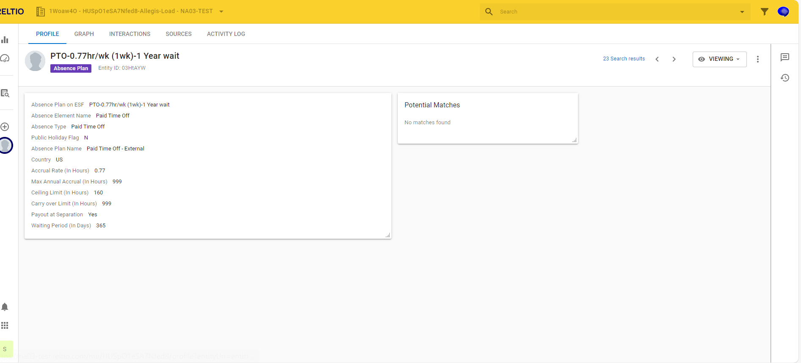
Absence Plan on ESF | PTO-0.77hr/wk (1wk)-1 Year wait
Absence Element Name | Paid Time Off
Absence Type | Paid Time Off
Public Holiday Flag | N
Absence Plan Name (In Fusion) | Paid Time Off - External
Country | US
Effective Date
Accrual Rate (In Hours) | 0.77
Max Annual Accrual (In Hours) | 999
Ceiling Limit (In Hours) | 160
Carry over Limit (In Hours) | 999
Payout at Separation | Yes
Max Hours limit for Separation
Waiting Period (In Days) | 365
Hours Worked
Effective End Date

API Validations
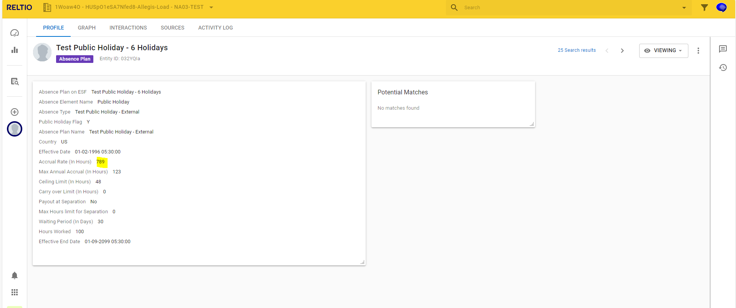
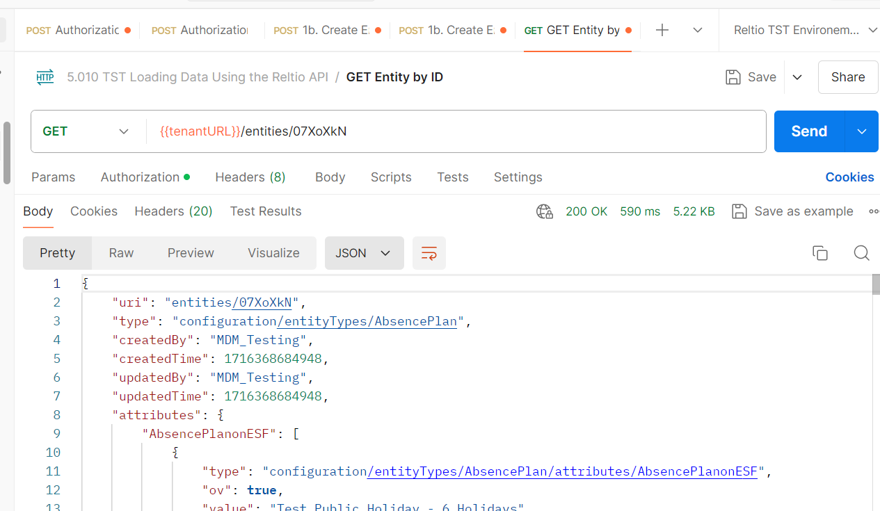
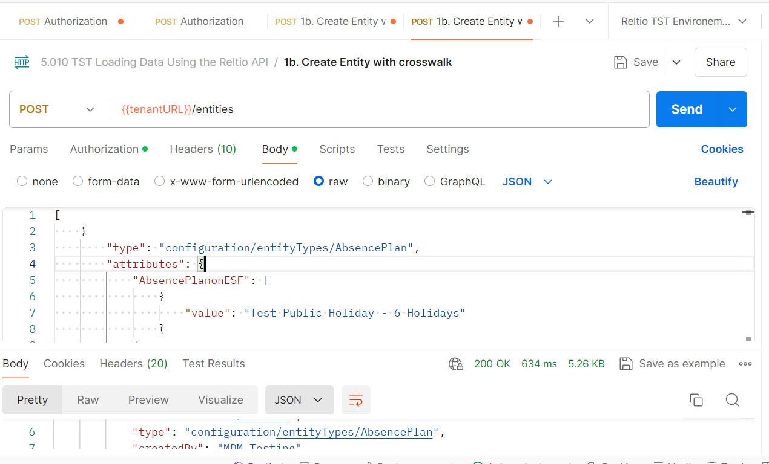

 | Update

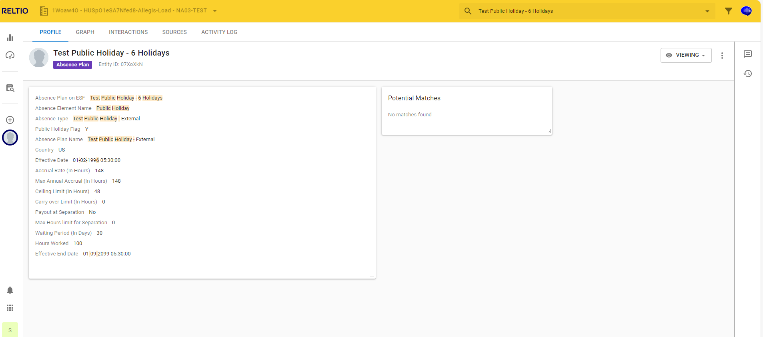
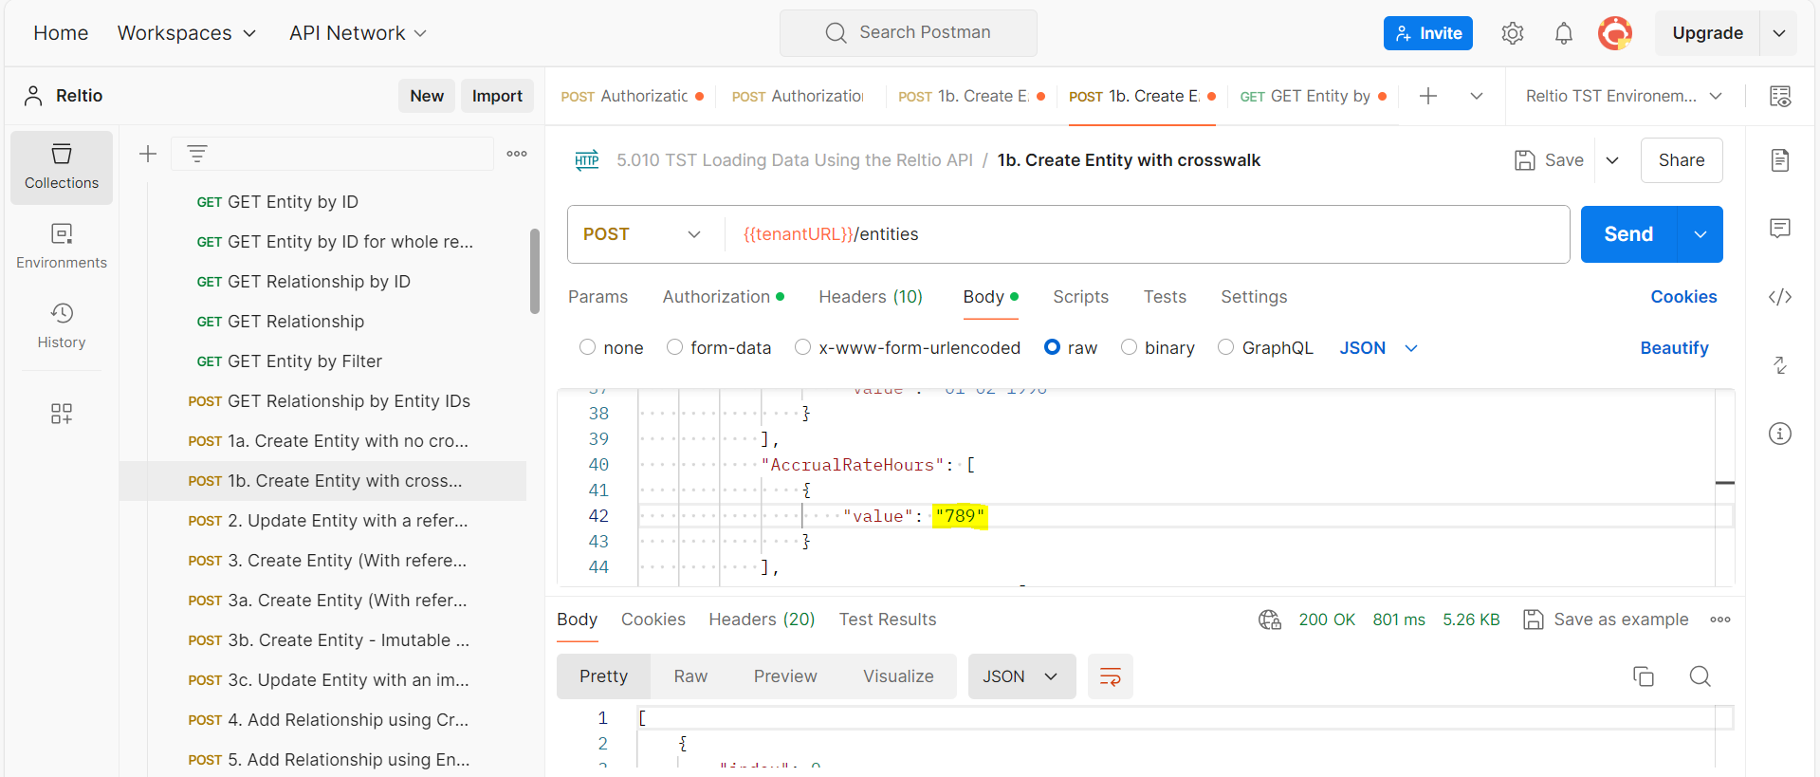

GET CALL

