Sales Dashboard

Sales Orders Dashboard


5


Total Sales




Sales by Product Category
 | Total
Furniture | 31.37%
Office Supplies | 28.45%
Technology | 40.17%

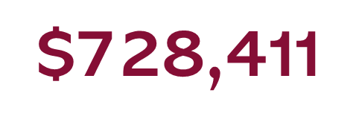



Top 5 Sub-category
 | Total
Accessories | $56,988
Binders | $41,055
Machines | $49,225
Phones | $46,162
Tables | $50,978

Sales by Region
 | Total
Central | $35,476
South | $53,523
West | $8,836

Sales by Year
 | Total
2014 | $322,897
2015 | $261,821
2016 | $292,255
2017 | $252,547
Sales vs Profit Over Time
 | Sum of Total Sales | Sum of Profit
January | $55,331 | $17,715
February | $9,838 | $3,339
March | $51,604 | $16,934
April | $55,767 | $22,292
May | $72,154 | $28,463
June | $109,667 | $38,592
July | $53,071 | $19,631
August | $56,570 | $20,336
September | $253,877 | $87,297
October | $75,852 | $25,282
November | $156,094 | $57,195
December | $179,695 | $64,031

Sheet2
Row Labels | Sum of Total Sales | Sum of Profit
January | $55,331 | $17,715
February | $9,838 | $3,339
March | $51,604 | $16,934
April | $55,767 | $22,292
May | $72,154 | $28,463
June | $109,667 | $38,592
July | $53,071 | $19,631
August | $56,570 | $20,336
September | $253,877 | $87,297
October | $75,852 | $25,282
November | $156,094 | $57,195
December | $179,695 | $64,031
Grand Total | $1,129,519 | $401,108

