Zinsser Data
Number of experiment | Requested Weight (mg) | Zinsser Calculated Weight (mg) | Actual Weight (mg) | Weight of solute (mg)
1 | 1150 | 1169 | 1161
2 | 1654 | 1750 | 1711
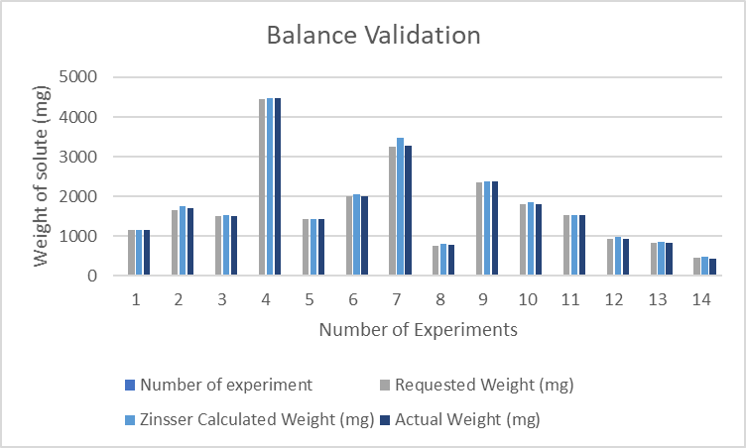
3 | 1498 | 1535 | 1503
4 | 4452 | 4481 | 4473
5 | 1422 | 1435 | 1425
6 | 1993 | 2046 | 2017
7 | 3254 | 3465 | 3276
8 | 752 | 803 | 776
9 | 2356 | 2390 | 2369
10 | 1797 | 1851 | 1805
11 | 1522 | 1541 | 1535
12 | 934 | 991 | 927
13 | 826 | 870 | 838
14 | 458 | 496 | 423

