sorting_filtering_screenshot
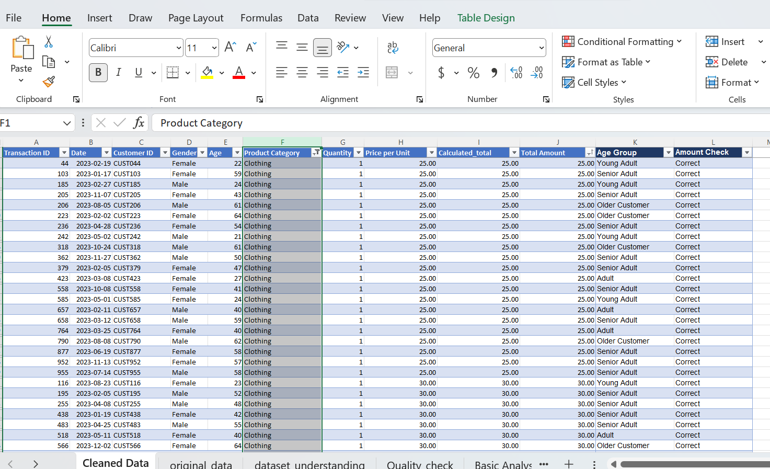
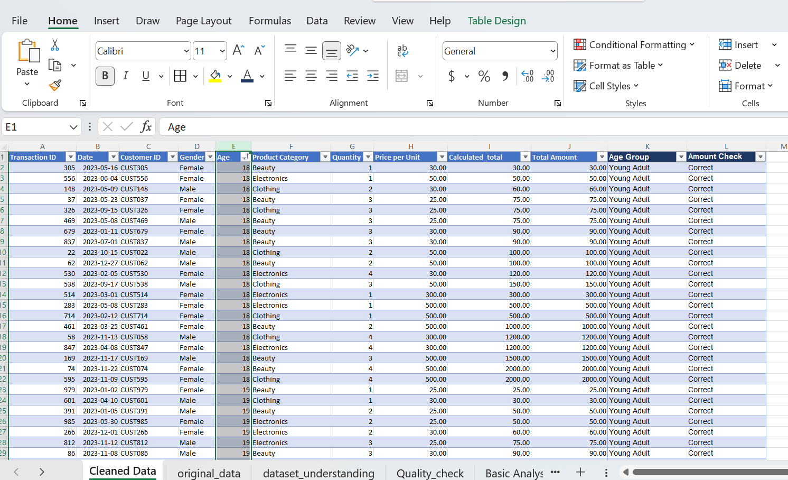
Q1&Q6: Sort by Total Amount (Highest to Lowest)? | Q4 : Filter: Female Only
Highest total amount | Filtered by Gender: Female(510 rows)
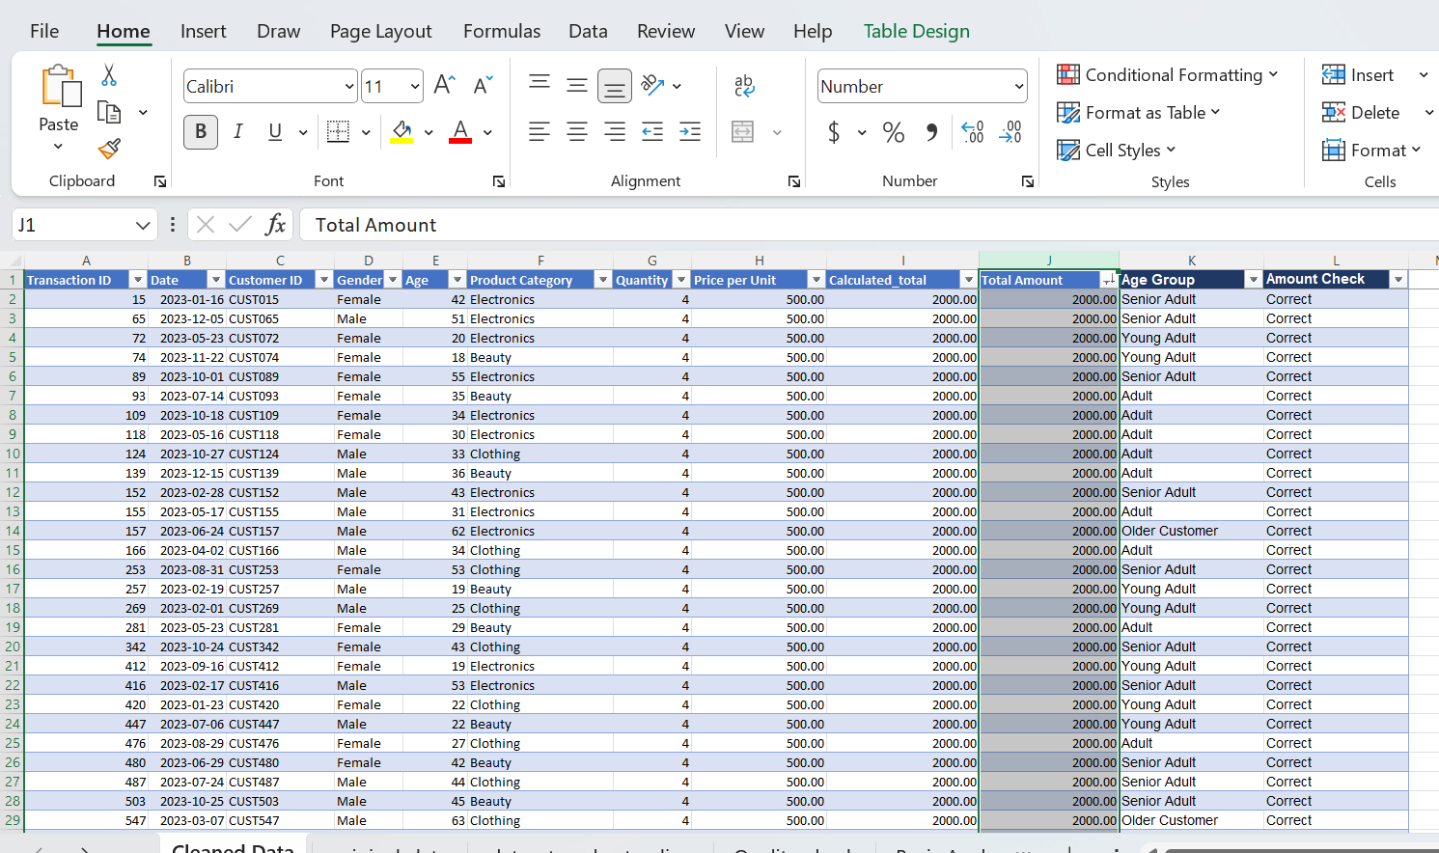

Q2 : Lowest Total Amount? | Q5 :Filter: Quantity > 2
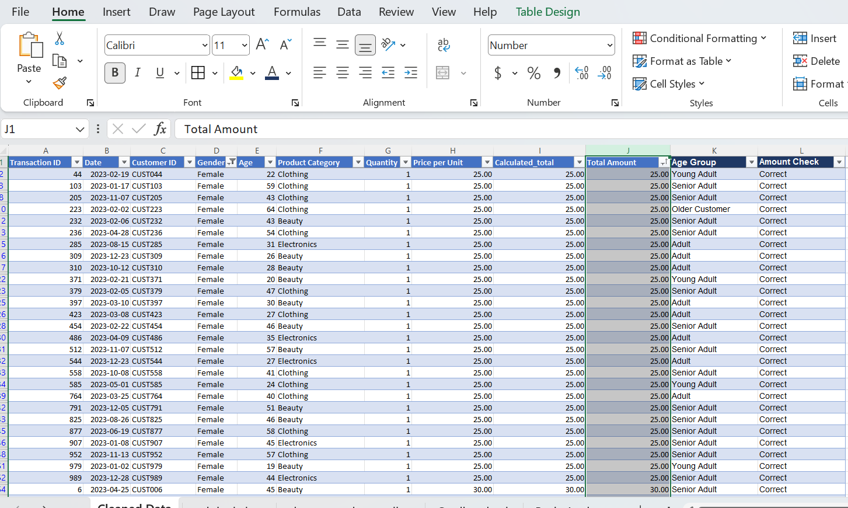
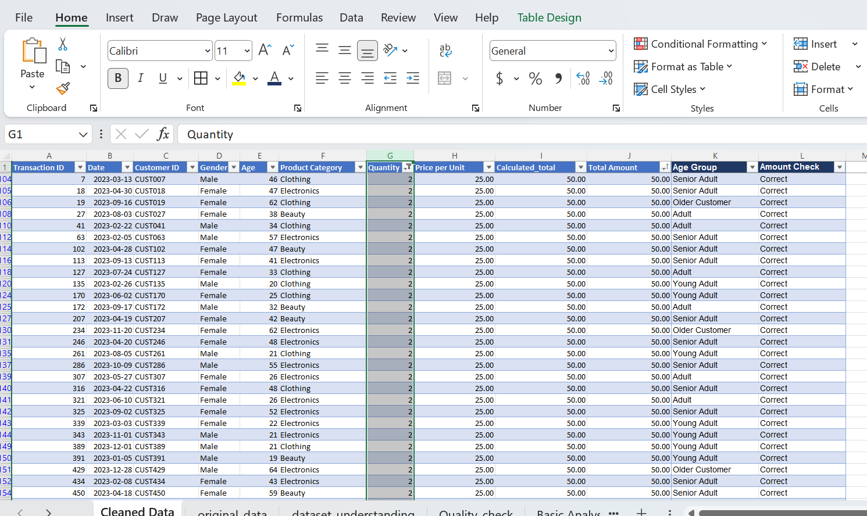

Q3 : Filter: Clothing Only | Q7 : Sort by Age (Youngest to Oldest)
Filtered by Product Category: Clothing (351 rows)

charts
Total Sales by Product Category | Total Sales by Gender
Total Salesby Gender
 | Sales by Gender
Male | 223160
Female | 232840
 | Total Sales
Beauty | 143515
Clothing | 155580
Electronics | 156905

Quantity Sold by Product Category | Total Sales by Age Group

Quantity by Product Category
 | Quantity by Product Category
Beauty | 771
Clothing | 894
Electronics | 849
 | Total Sales by Age Group
Young Adult | 84550
Adult | 144345
Senior Adult | 193880
Older Customer | 33225

Total Sales by Age Group

 | Total Sales by Age Group
Young Adult | 84550
Adult | 144345
Senior Adult | 193880
Older Customer | 33225

