Results
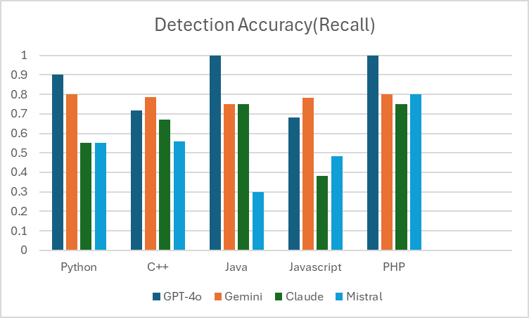
 |  | Response Time AVG
 | GPT-4o | Gemini | Claude | Mistral
Python | 7.197 | 3.492 | 13.5495 | 2.953
Javascript | 8.3735 | 3.2845 | 15.9985 | 2.981
Java | 8.545 | 2.9175 | 13.7495 | 2.2295
PHP | 5.2375 | 2.5325 | 11.907 | 2.121
C++ | 10.45 | 4.263 | 20.28 | 3.5175

Response Time(seconds)

 |  | Resource usage AVG
 | GPT-4o | Gemini | Claude | Mistral
Python | 12718489.6 | 118784 | 1052876.8 | 1034649.6
Javascript | 12767436.8 | 138854.4 | 1042841.6 | 1131110.4
Java | 12756992 | 86425.6 | 995942.4 | 1069465.6
PHP | 12777881.6 | 121651.2 | 1053696 | 1125580.8
C++ | 12786892.8 | 141107.2 | 1026662.4 | 1024875.2
Resource Usage

 |  | Precision
 | GPT-4o | Gemini | Claude | Mistral
Python | 0.591 | 0.424 | 0.5 | 0.45
C++ | 0.8 | 0.8 | 0.696 | 0.619
Java | 0.8 | 0.433 | 0.633 | 0.25
Javascript | 0.65 | 0.783 | 0.398 | 0.45
PHP | 0.916 | 0.733 | 0.75 | 0.25
Precision

 |  | Detection Accuracy AVG
 | Python | C++ | Java | Javascript | PHP
GPT-4o | 0.9 | 0.718 | 1 | 0.682 | 1
Gemini | 0.8 | 0.785 | 0.75 | 0.782 | 0.8
Claude | 0.55 | 0.671 | 0.75 | 0.382 | 0.75
Mistral | 0.55 | 0.559 | 0.3 | 0.483 | 0.8

