Normal asphalt
Normal asphalt review
Set Human decision to Keep, Exclude, or Unclear. Pending means not reviewed yet.

Sample ID | Image preview | Image ID | Source surface type | Source quality | Official training record | Width | Height | Human decision | Reviewer notes
SSV-001 | 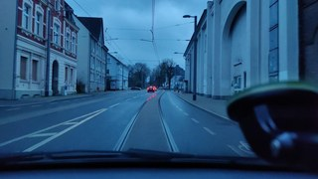 | ID 305512191335125 | asphalt | excellent | Yes | 1024 | 576 | Pending
SSV-002 | 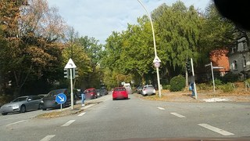 | ID 481820403162199 | asphalt | excellent | Yes | 1024 | 576 | Pending
SSV-003 | 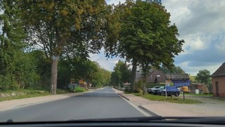 | ID 631338555782715 | asphalt | excellent | Yes | 1024 | 576 | Pending
SSV-004 | 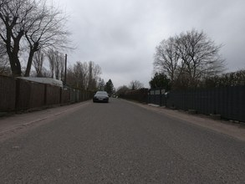 | ID 645107329912445 | asphalt | excellent | Yes | 1024 | 768 | Pending
SSV-005 | 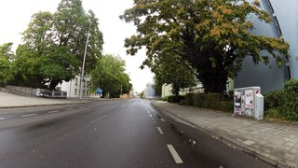 | ID 1131693973997862 | asphalt | excellent | Yes | 1024 | 576 | Pending
SSV-006 | 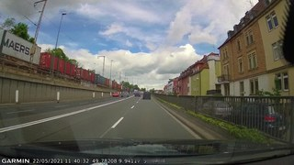 | ID 202306548442854 | asphalt | excellent | Yes | 1024 | 576 | Pending
SSV-007 | 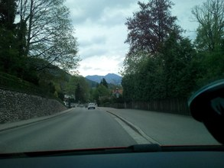 | ID 752516275441729 | asphalt | excellent | Yes | 1024 | 768 | Pending
SSV-008 | 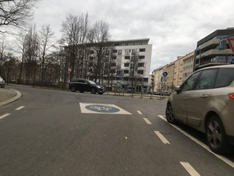 | ID 126427069922499 | asphalt | excellent | Yes | 1024 | 768 | Pending
SSV-009 | 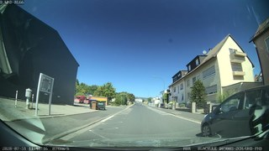 | ID 378337090152874 | asphalt | excellent | Yes | 1024 | 576 | Pending
SSV-010 | 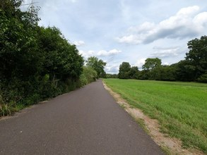 | ID 290534530245402 | asphalt | excellent | Yes | 1024 | 768 | Pending
SSV-011 | 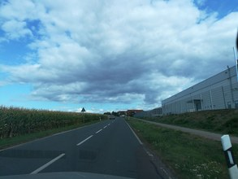 | ID 879992212914533 | asphalt | excellent | Yes | 1024 | 768 | Pending
SSV-012 | 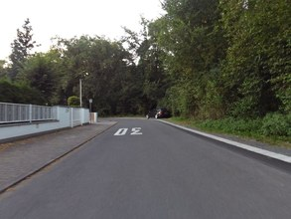 | ID 2994014337508968 | asphalt | excellent | Yes | 1024 | 768 | Pending
SSV-013 | 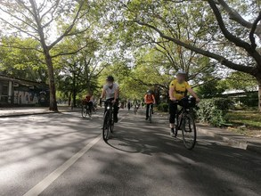 | ID 2660633590841922 | asphalt | excellent | Yes | 1024 | 768 | Pending
SSV-014 | 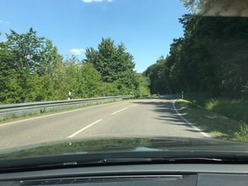 | ID 562786198038894 | asphalt | excellent | Yes | 1024 | 768 | Pending
SSV-015 | 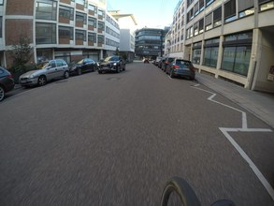 | ID 313191891433652 | asphalt | excellent | Yes | 1024 | 768 | Pending
SSV-016 | 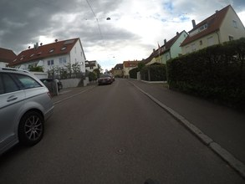 | ID 847315406140879 | asphalt | excellent | Yes | 1024 | 768 | Pending
SSV-017 | 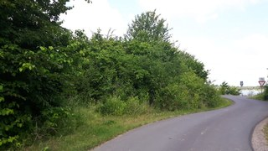 | ID 155083709889186 | asphalt | excellent | Yes | 1024 | 576 | Pending
SSV-018 | 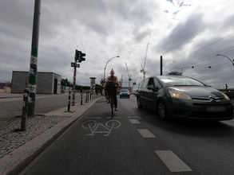 | ID 1778700352335380 | asphalt | excellent | Yes | 1024 | 768 | Pending
SSV-019 | 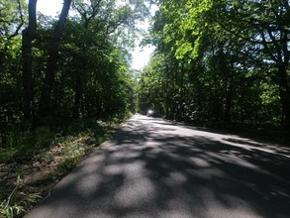 | ID 2629962573825008 | asphalt | excellent | Yes | 1024 | 768 | Pending
SSV-020 | 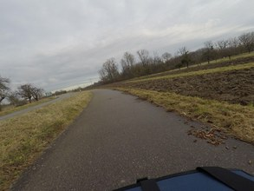 | ID 450855000019304 | asphalt | excellent | Yes | 1024 | 768 | Pending
SSV-021 | 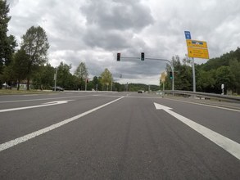 | ID 802322163710717 | asphalt | excellent | Yes | 1024 | 768 | Pending
SSV-022 | 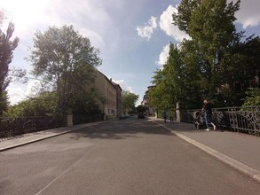 | ID 1061896178058744 | asphalt | excellent | Yes | 1024 | 768 | Pending
SSV-023 | 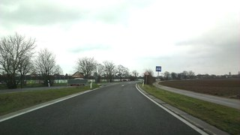 | ID 221105849346042 | asphalt | excellent | Yes | 1024 | 576 | Pending
SSV-024 | 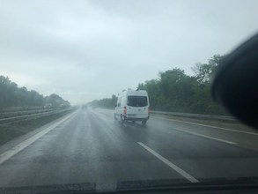 | ID 476995676720491 | asphalt | excellent | Yes | 1024 | 768 | Pending
SSV-025 | 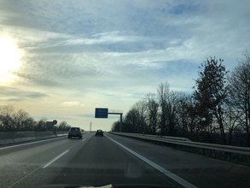 | ID 3696862880539552 | asphalt | excellent | Yes | 1024 | 768 | Pending
SSV-026 | 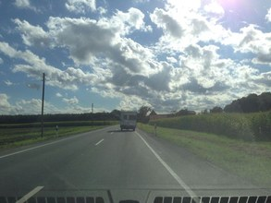 | ID 127089979410851 | asphalt | excellent | Yes | 1024 | 768 | Pending
SSV-027 | 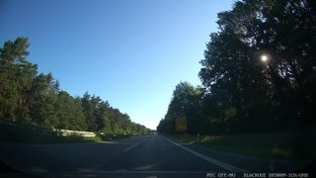 | ID 300679328256360 | asphalt | excellent | Yes | 1024 | 576 | Pending
SSV-028 | 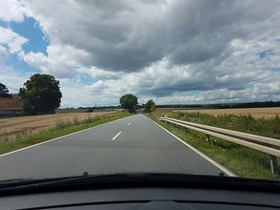 | ID 459530735134173 | asphalt | excellent | Yes | 1024 | 768 | Pending
SSV-029 | 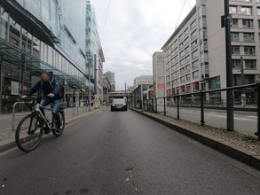 | ID 803638674575596 | asphalt | excellent | Yes | 1024 | 768 | Pending
SSV-030 | 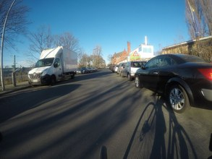 | ID 4325131910840890 | asphalt | excellent | Yes | 1024 | 768 | Pending
SSV-031 | 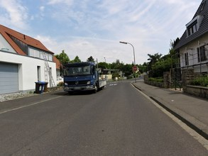 | ID 1933480840135390 | asphalt | excellent | Yes | 1024 | 768 | Pending
SSV-032 | 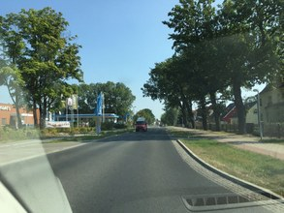 | ID 325264672537808 | asphalt | excellent | Yes | 1024 | 768 | Pending
SSV-033 | 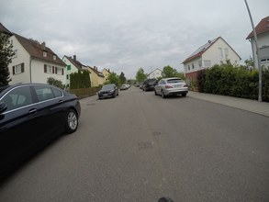 | ID 595421138087729 | asphalt | excellent | Yes | 1024 | 768 | Pending
SSV-034 | 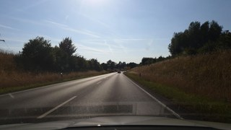 | ID 1465830627180636 | asphalt | excellent | Yes | 1024 | 576 | Pending
SSV-035 | 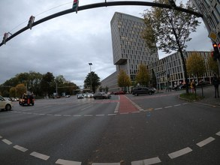 | ID 918908606618366 | asphalt | excellent | Yes | 1024 | 768 | Pending
SSV-036 | 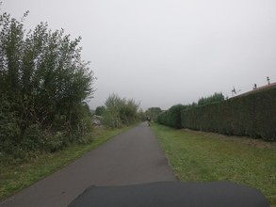 | ID 487444822582475 | asphalt | excellent | Yes | 1024 | 768 | Pending
SSV-037 | 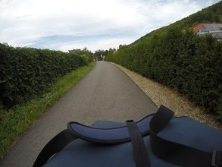 | ID 644858227600769 | asphalt | excellent | Yes | 1024 | 768 | Pending
SSV-038 | 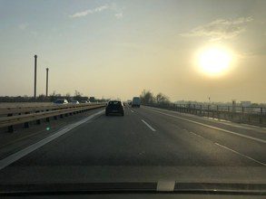 | ID 787188152186976 | asphalt | excellent | Yes | 1024 | 768 | Pending
SSV-039 | 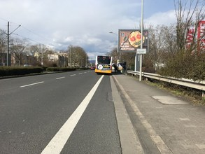 | ID 1056757964846846 | asphalt | excellent | Yes | 1024 | 768 | Pending
SSV-040 | 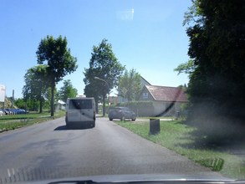 | ID 760286071349411 | asphalt | excellent | Yes | 1024 | 768 | Pending

Unpaved road
Unpaved road review
Set Human decision to Keep, Exclude, or Unclear. Pending means not reviewed yet.

Sample ID | Image preview | Image ID | Source surface type | Source quality | Official training record | Width | Height | Human decision | Reviewer notes
SSV-041 | 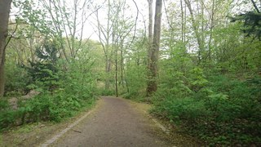 | ID 202384051529209 | unpaved | intermediate | Yes | 1024 | 576 | Pending
SSV-042 | 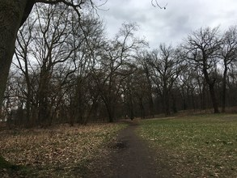 | ID 519991612743091 | unpaved | intermediate | Yes | 1024 | 768 | Pending
SSV-043 | 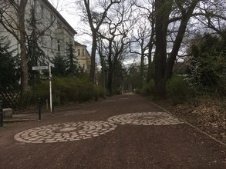 | ID 379198763415428 | unpaved | intermediate | Yes | 1024 | 768 | Pending
SSV-044 | 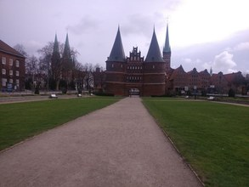 | ID 166268315424994 | unpaved | intermediate | Yes | 1024 | 768 | Pending
SSV-045 | 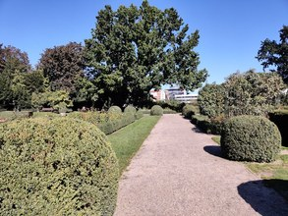 | ID 475162377093366 | unpaved | intermediate | Yes | 1024 | 768 | Pending
SSV-046 | 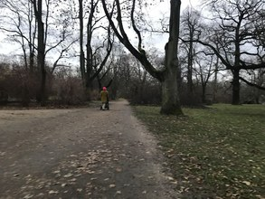 | ID 340394988756876 | unpaved | intermediate | Yes | 1024 | 768 | Pending
SSV-047 | 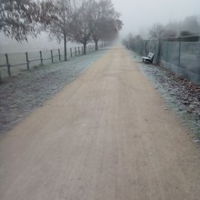 | ID 374072444016424 | unpaved | intermediate | Yes | 1024 | 1024 | Pending
SSV-048 | 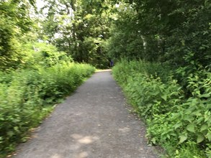 | ID 164140762185333 | unpaved | intermediate | Yes | 1024 | 768 | Pending
SSV-049 | 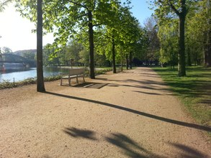 | ID 219088216650134 | unpaved | intermediate | Yes | 1024 | 768 | Pending
SSV-050 | 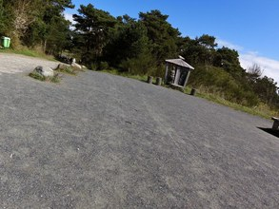 | ID 1946275238856744 | unpaved | intermediate | Yes | 1024 | 768 | Pending
SSV-051 |  | ID 515824996229527 | unpaved | intermediate | Yes | 1024 | 768 | Pending
SSV-052 |  | ID 374609283921395 | unpaved | intermediate | Yes | 1024 | 768 | Pending
SSV-053 |  | ID 2710108625956718 | unpaved | intermediate | Yes | 1024 | 768 | Pending
SSV-054 |  | ID 2566346346994539 | unpaved | intermediate | Yes | 1024 | 768 | Pending
SSV-055 |  | ID 182136720714018 | unpaved | intermediate | Yes | 1024 | 768 | Pending
SSV-056 |  | ID 820378338908148 | unpaved | intermediate | Yes | 1024 | 576 | Pending
SSV-057 |  | ID 968980484100475 | unpaved | intermediate | Yes | 1024 | 768 | Pending
SSV-058 |  | ID 141072781941498 | unpaved | intermediate | Yes | 1024 | 576 | Pending
SSV-059 |  | ID 241297767752883 | unpaved | intermediate | Yes | 1024 | 768 | Pending
SSV-060 |  | ID 466079967800986 | unpaved | intermediate | Yes | 1024 | 768 | Pending
SSV-061 |  | ID 539026700589823 | unpaved | bad | Yes | 1024 | 768 | Pending
SSV-062 |  | ID 1176851756317508 | unpaved | bad | Yes | 1024 | 576 | Pending
SSV-063 |  | ID 518603569323350 | unpaved | bad | Yes | 1024 | 768 | Pending
SSV-064 |  | ID 499905701052668 | unpaved | bad | Yes | 1024 | 768 | Pending
SSV-065 |  | ID 200101301935982 | unpaved | bad | Yes | 1024 | 768 | Pending
SSV-066 |  | ID 2933363020266599 | unpaved | bad | Yes | 1024 | 768 | Pending
SSV-067 |  | ID 314823426770955 | unpaved | bad | Yes | 1024 | 768 | Pending
SSV-068 |  | ID 256674196198519 | unpaved | bad | Yes | 1024 | 768 | Pending
SSV-069 |  | ID 246605586918424 | unpaved | bad | Yes | 1024 | 768 | Pending
SSV-070 |  | ID 3442420522646403 | unpaved | bad | Yes | 1024 | 896 | Pending
SSV-071 |  | ID 334570768194607 | unpaved | bad | Yes | 1024 | 768 | Pending
SSV-072 |  | ID 150805347008386 | unpaved | bad | Yes | 1024 | 576 | Pending
SSV-073 |  | ID 1124119258090227 | unpaved | bad | Yes | 1024 | 768 | Pending
SSV-074 |  | ID 3113026178947674 | unpaved | bad | Yes | 1024 | 768 | Pending
SSV-075 |  | ID 303618548032489 | unpaved | bad | Yes | 1024 | 768 | Pending
SSV-076 |  | ID 790071305723098 | unpaved | bad | Yes | 1024 | 768 | Pending
SSV-077 |  | ID 545741880121716 | unpaved | bad | Yes | 1024 | 768 | Pending
SSV-078 |  | ID 1030379461069890 | unpaved | bad | Yes | 1024 | 768 | Pending
SSV-079 |  | ID 563152015296375 | unpaved | bad | Yes | 1024 | 768 | Pending
SSV-080 |  | ID 254297096390528 | unpaved | bad | Yes | 1024 | 768 | Pending
SSV-081 |  | ID 263417145477211 | unpaved | very_bad | Yes | 1024 | 768 | Pending
SSV-082 |  | ID 525021055594235 | unpaved | very_bad | Yes | 1024 | 576 | Pending
SSV-083 |  | ID 480956173147309 | unpaved | very_bad | Yes | 1024 | 768 | Pending
SSV-084 |  | ID 1178978032768569 | unpaved | very_bad | Yes | 1024 | 768 | Pending
SSV-085 |  | ID 5708968529177922 | unpaved | very_bad | Yes | 1024 | 768 | Pending
SSV-086 |  | ID 915584787009824 | unpaved | very_bad | Yes | 1024 | 576 | Pending
SSV-087 |  | ID 1050699605738390 | unpaved | very_bad | Yes | 1024 | 768 | Pending
SSV-088 |  | ID 1467187510379945 | unpaved | very_bad | Yes | 1024 | 768 | Pending
SSV-089 |  | ID 482087259904683 | unpaved | very_bad | Yes | 1024 | 768 | Pending
SSV-090 |  | ID 253493867366858 | unpaved | very_bad | Yes | 1024 | 768 | Pending
SSV-091 |  | ID 1144217109323135 | unpaved | very_bad | Yes | 1024 | 768 | Pending
SSV-092 |  | ID 291500869259244 | unpaved | very_bad | Yes | 1024 | 768 | Pending
SSV-093 |  | ID 922503038537685 | unpaved | very_bad | Yes | 1024 | 768 | Pending
SSV-094 |  | ID 398936034442745 | unpaved | very_bad | Yes | 1024 | 768 | Pending
SSV-095 |  | ID 1286953845087423 | unpaved | very_bad | Yes | 1024 | 768 | Pending
SSV-096 |  | ID 1846079928903994 | unpaved | very_bad | Yes | 1024 | 576 | Pending
SSV-097 |  | ID 802720270362626 | unpaved | very_bad | Yes | 1024 | 768 | Pending
SSV-098 |  | ID 1433739943713089 | unpaved | very_bad | Yes | 1024 | 768 | Pending
SSV-099 |  | ID 146541577425658 | unpaved | very_bad | Yes | 1024 | 1365 | Pending
SSV-100 |  | ID 254846469903707 | unpaved | very_bad | Yes | 1024 | 576 | Pending

