Candidate review
StreetSurfaceVis shadow candidate review — round 2 |  |  |  |  |  |  | Source | https://zenodo.org/records/11449977
Choose Keep only when a visible shadow falls on the road surface. Exclude scenes that are merely dark, contain glare, or show shade only outside the road. |  |  |  |  |  |  | License | CC-BY-SA stated on the official Zenodo record; recheck before redistribution
 |  |  |  |  |  |  | Important | Similarity ranking proposes candidates. Only the Human decision column determines acceptance.
Candidate images | 48 | Keep | 21 | Exclude | 27
Pending | 0 | Unclear | 0

Candidate ID | Image ID | Image preview | Human decision | Reviewer notes | Similarity score | Original source label
SH-R2-C001 | SSV-4266076163452188 | 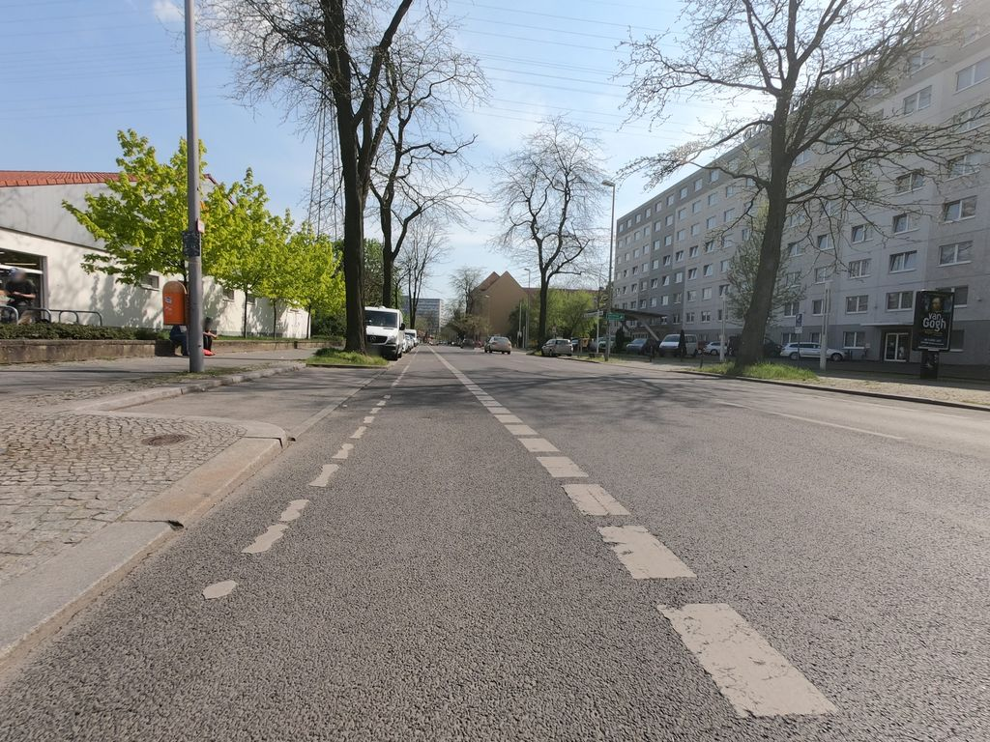 | Keep |  | 0.821 | Normal_asphalt
SH-R2-C002 | SSV-517395195973342 | 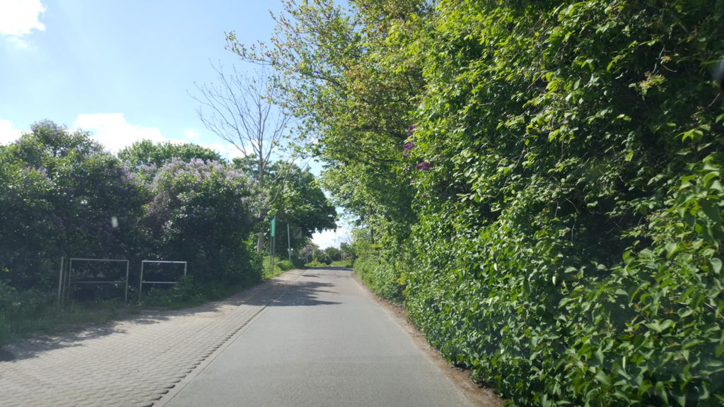 | Keep |  | 0.805 | Normal_asphalt
SH-R2-C003 | SSV-137572495610286 | 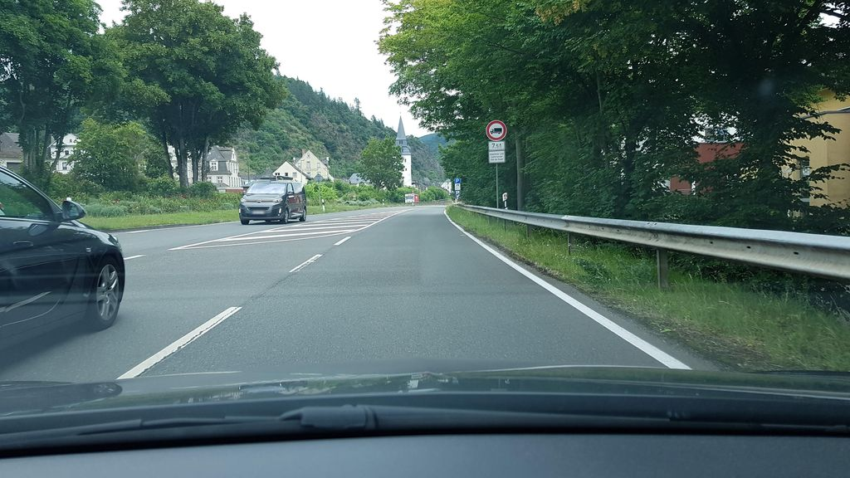 | Exclude |  | 0.799 | Normal_asphalt
SH-R2-C004 | SSV-275799264741940 | 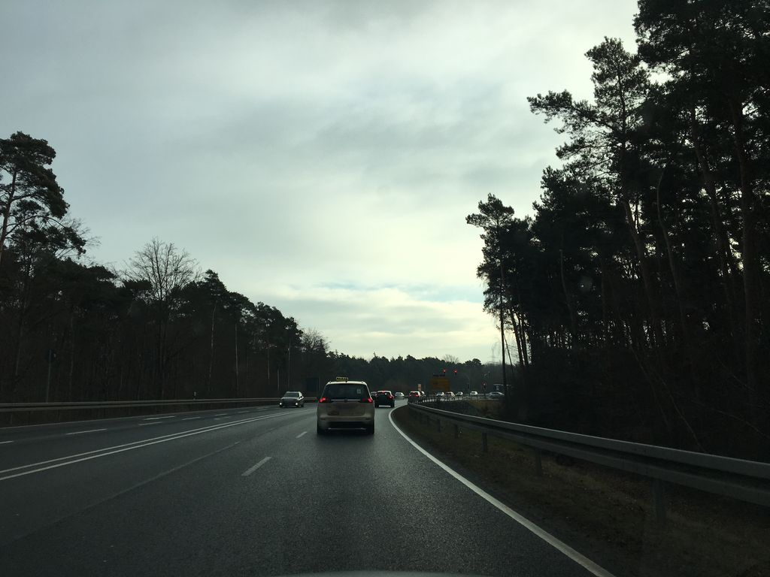 | Exclude |  | 0.797 | Normal_asphalt
SH-R2-C005 | SSV-472089687378315 | 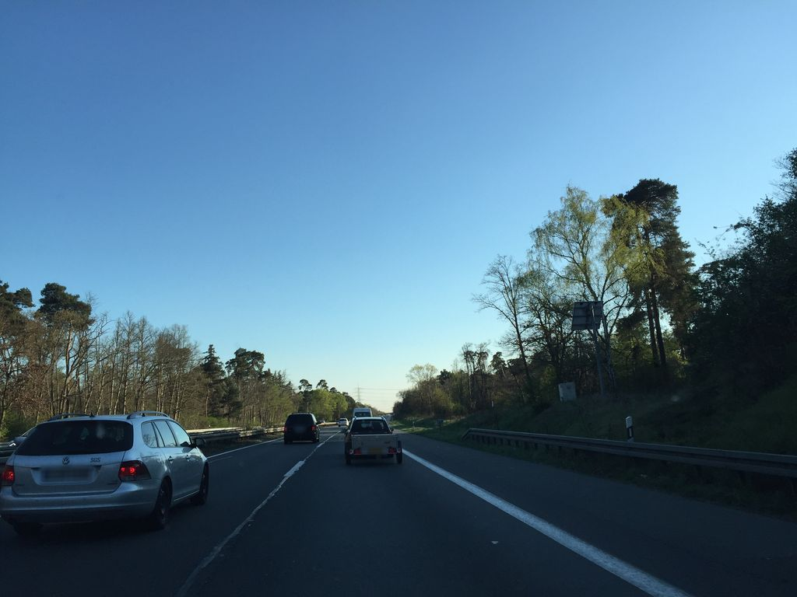 | Exclude |  | 0.795 | Normal_asphalt
SH-R2-C006 | SSV-325264672537808 | 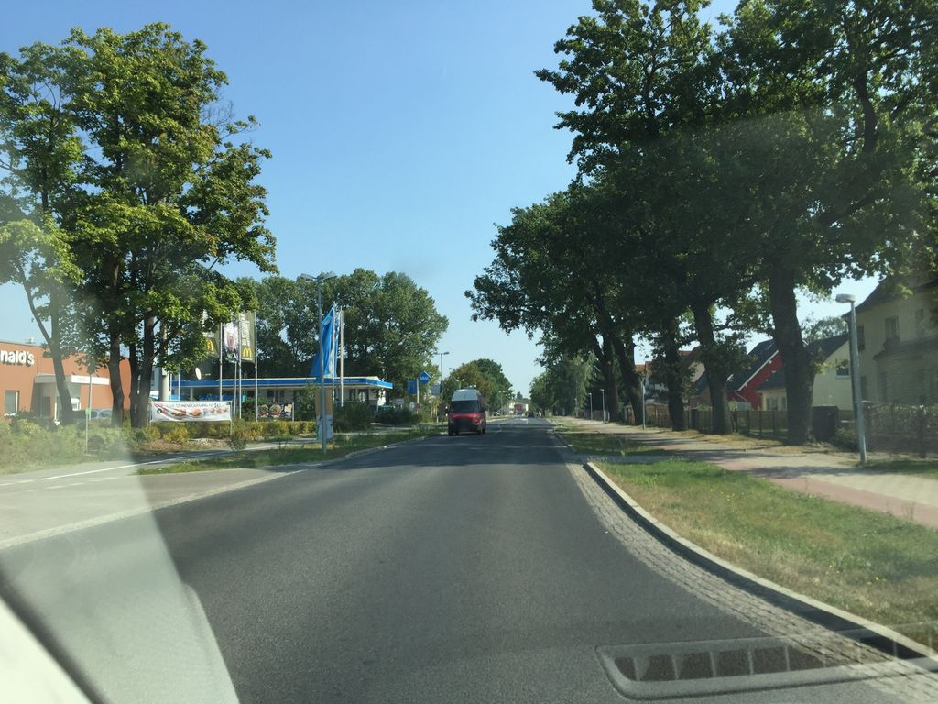 | Keep |  | 0.795 | Normal_asphalt
SH-R2-C007 | SSV-374158477689347 | 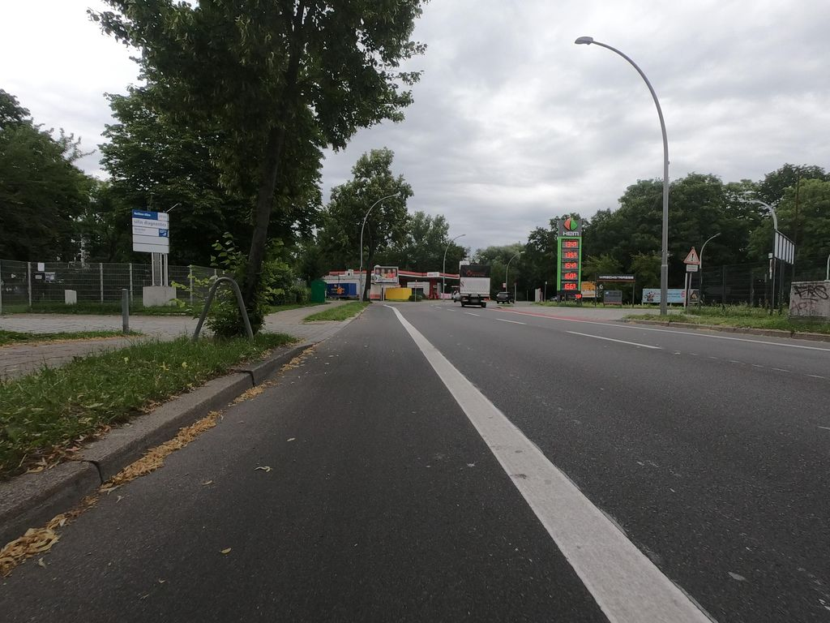 | Exclude |  | 0.793 | Normal_asphalt
SH-R2-C008 | SSV-1756746257838384 | 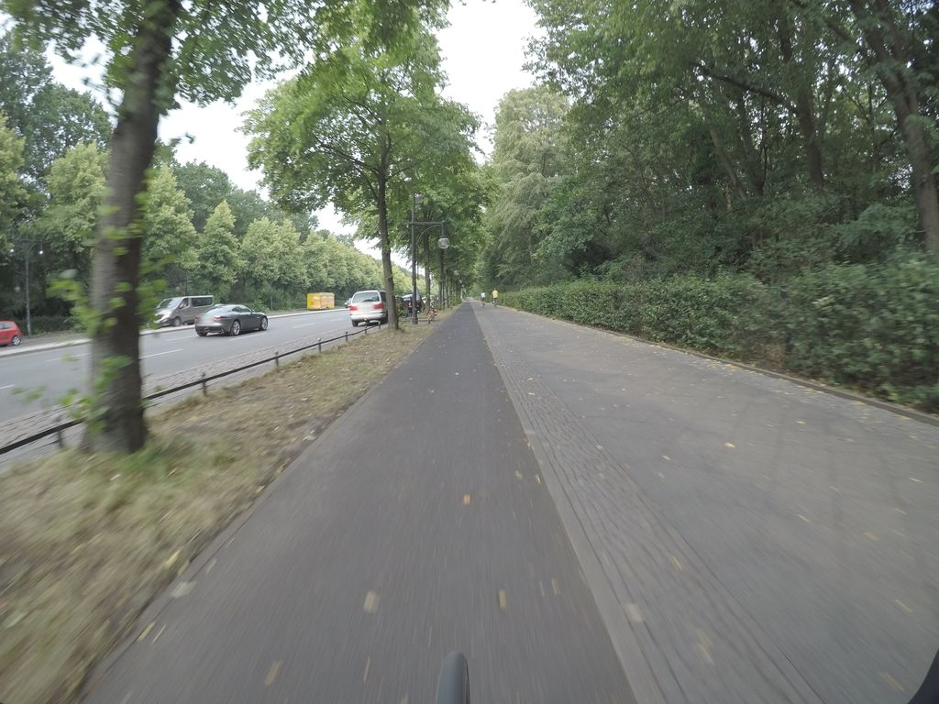 | Exclude |  | 0.793 | Normal_asphalt
SH-R2-C009 | SSV-6537893456277578 | 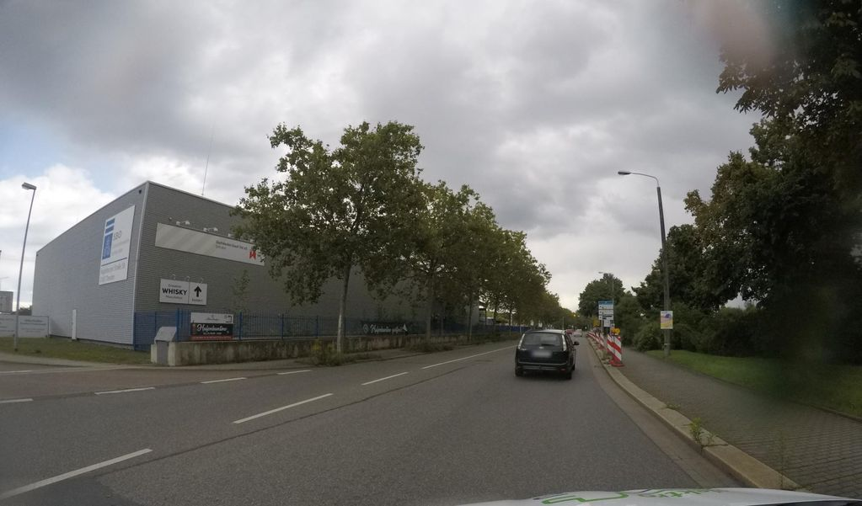 | Exclude |  | 0.792 | Normal_asphalt
SH-R2-C010 | SSV-522924508742548 | 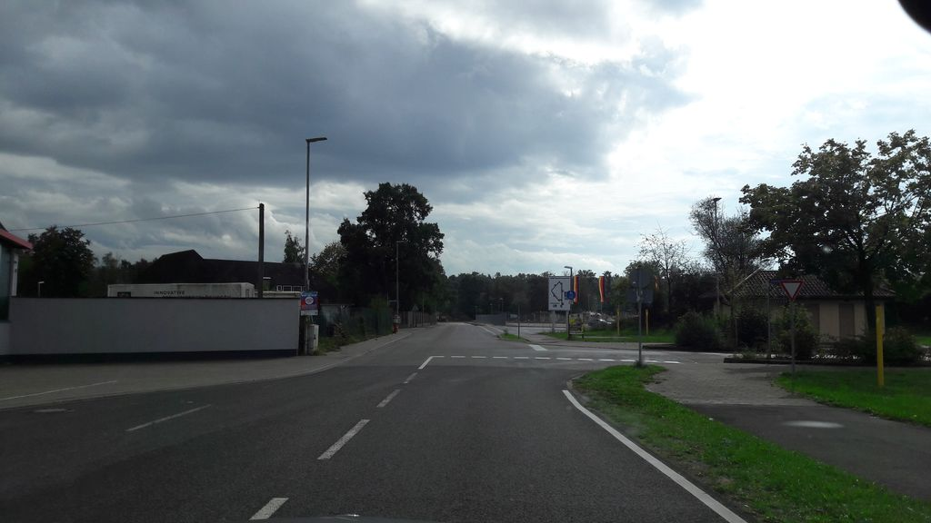 | Exclude |  | 0.791 | Normal_asphalt
SH-R2-C011 | SSV-562786198038894 | 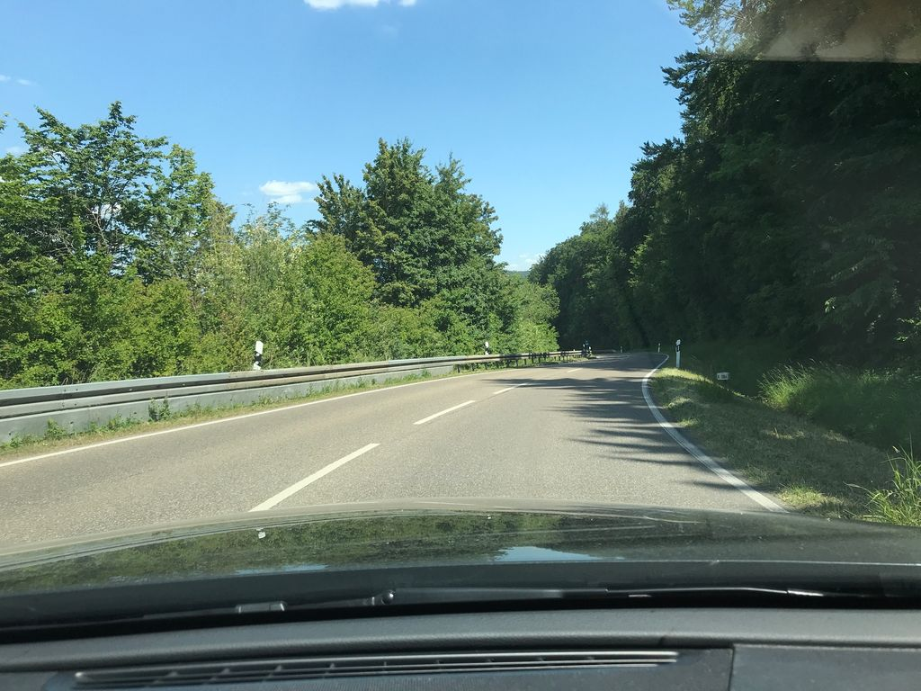 | Keep |  | 0.790 | Normal_asphalt
SH-R2-C012 | SSV-1120609728420959 | 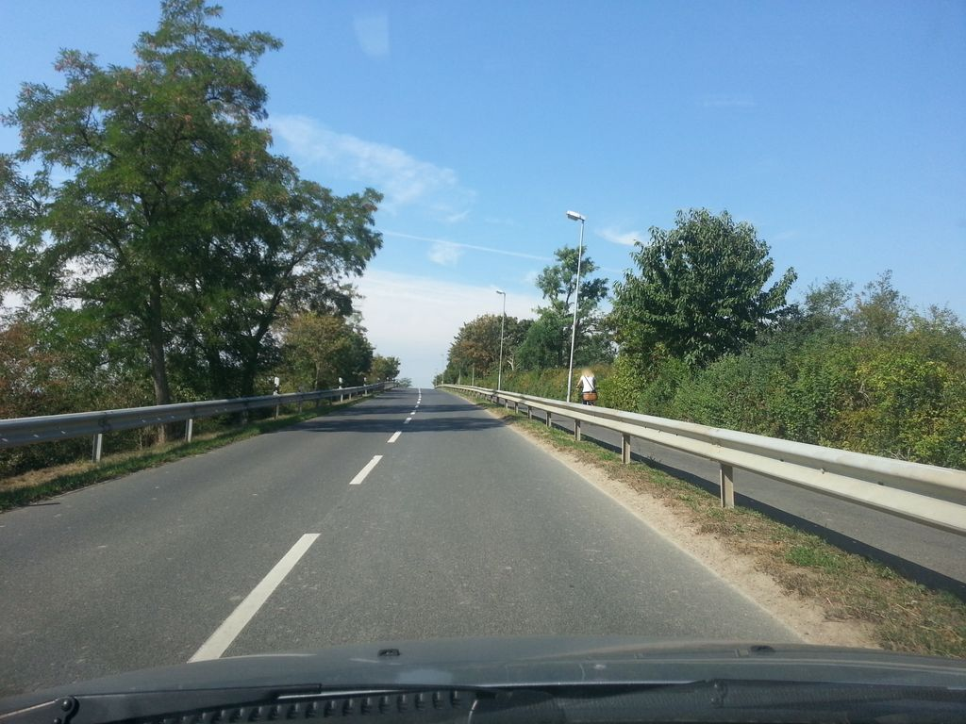 | Keep |  | 0.789 | Normal_asphalt
SH-R2-C013 | SSV-314571826842492 | 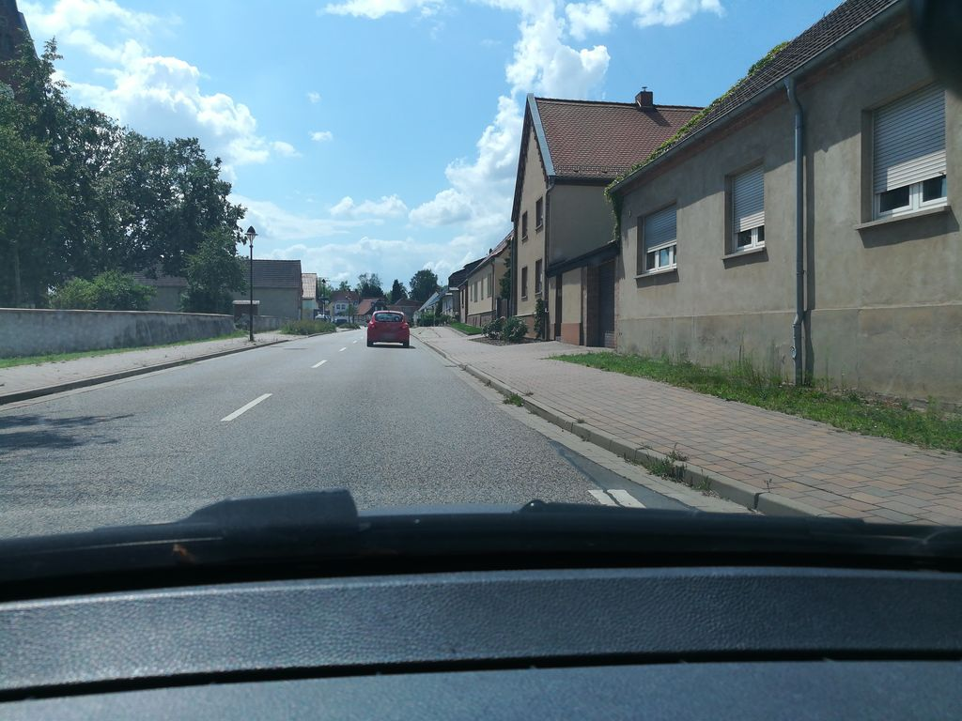 | Keep |  | 0.788 | Normal_asphalt
SH-R2-C014 | SSV-950620909539756 | 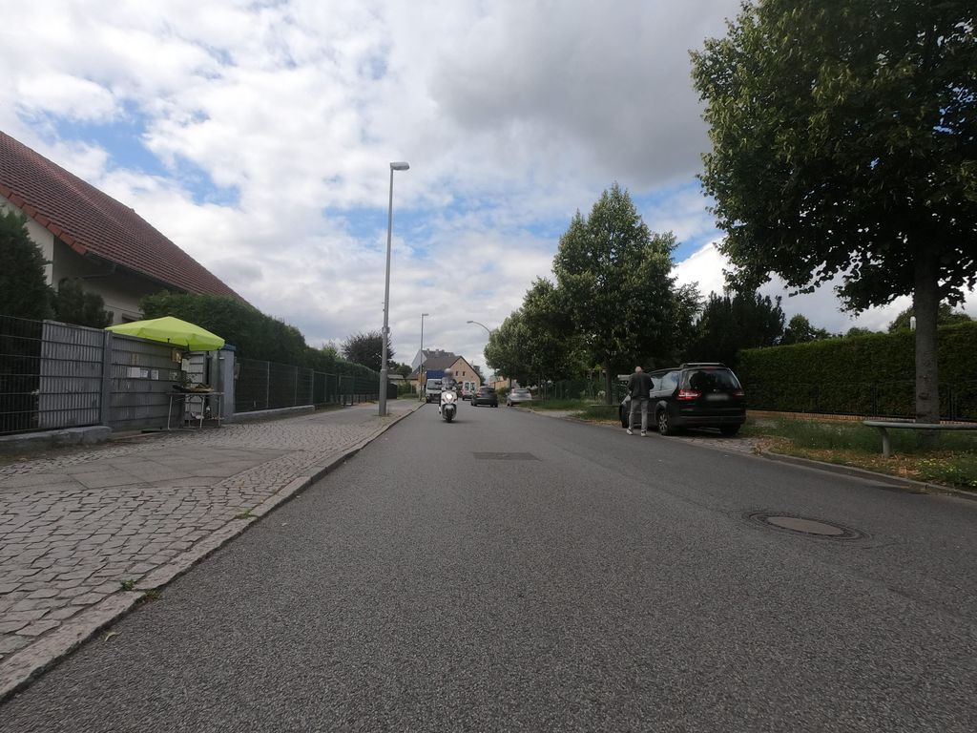 | Exclude |  | 0.788 | Normal_asphalt
SH-R2-C015 | SSV-1001853784055707 | 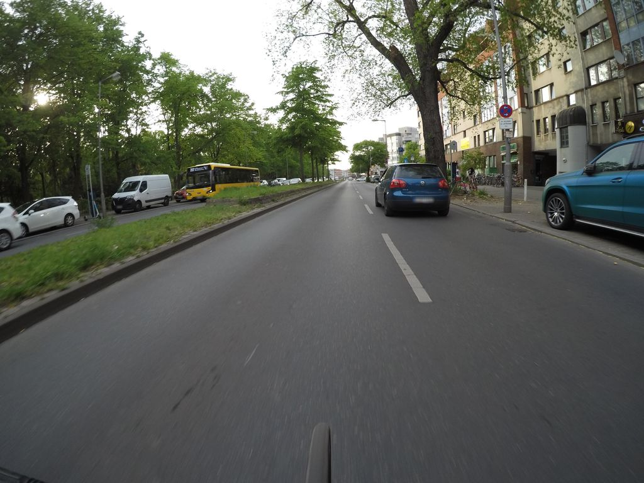 | Exclude |  | 0.787 | Normal_asphalt
SH-R2-C016 | SSV-359650306452787 | 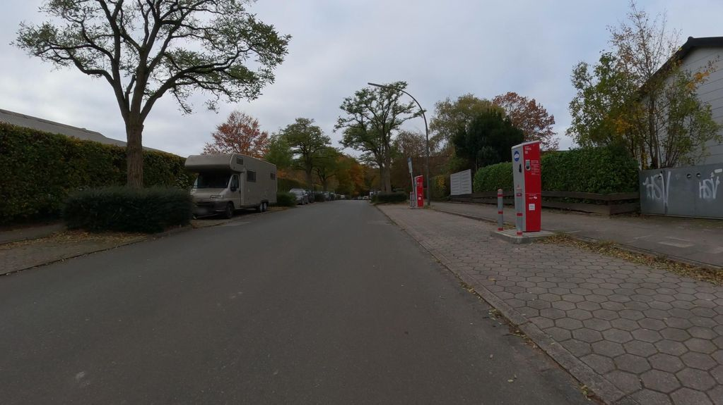 | Exclude |  | 0.786 | Normal_asphalt
SH-R2-C017 | SSV-331130671845439 | 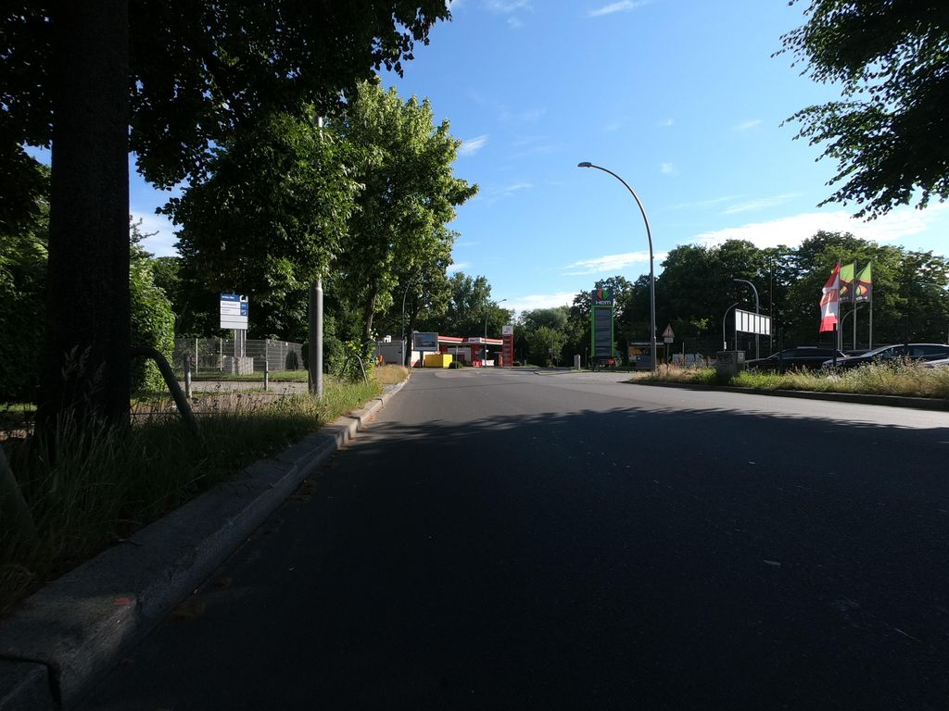 | Keep |  | 0.786 | Normal_asphalt
SH-R2-C018 | SSV-617432029699854 | 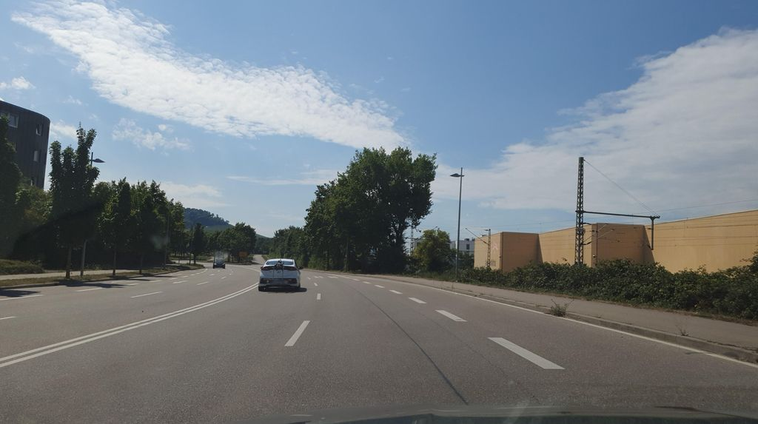 | Keep |  | 0.781 | Normal_asphalt
SH-R2-C019 | SSV-1031193767438321 | 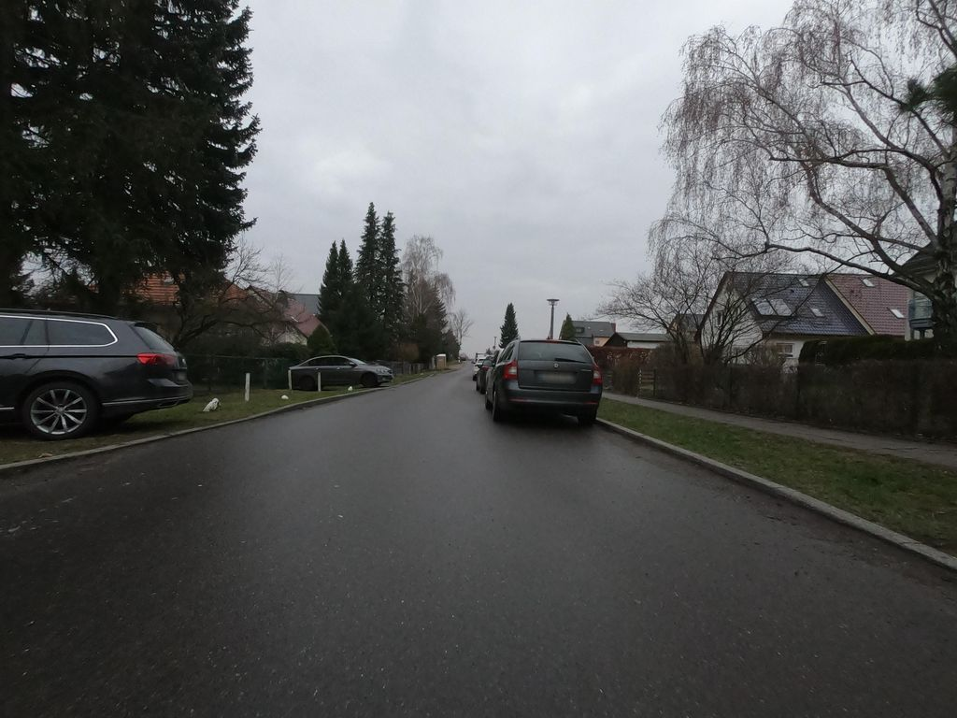 | Exclude |  | 0.781 | Normal_asphalt
SH-R2-C020 | SSV-155482263126376 | 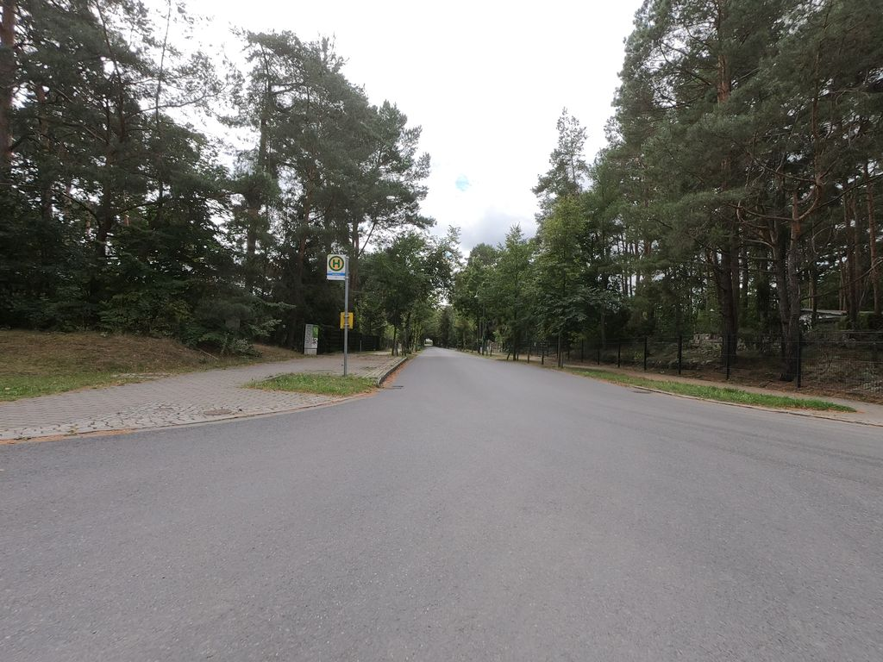 | Exclude |  | 0.779 | Normal_asphalt
SH-R2-C021 | SSV-299372698323550 | 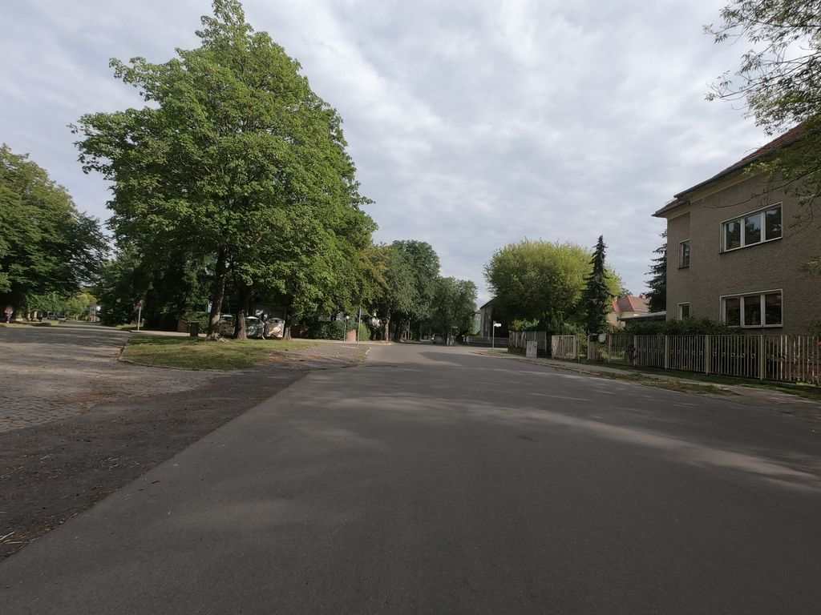 | Keep |  | 0.778 | Normal_asphalt
SH-R2-C022 | SSV-5603226599793791 | 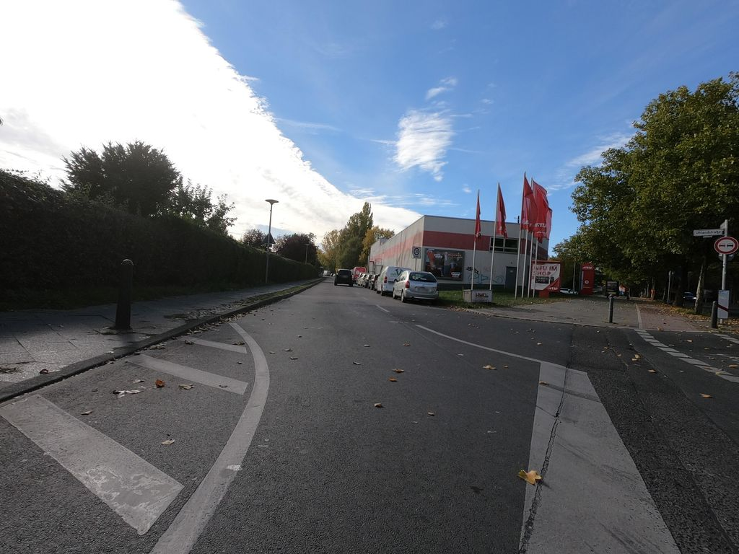 | Exclude |  | 0.778 | Normal_asphalt
SH-R2-C023 | SSV-1005162660302046 | 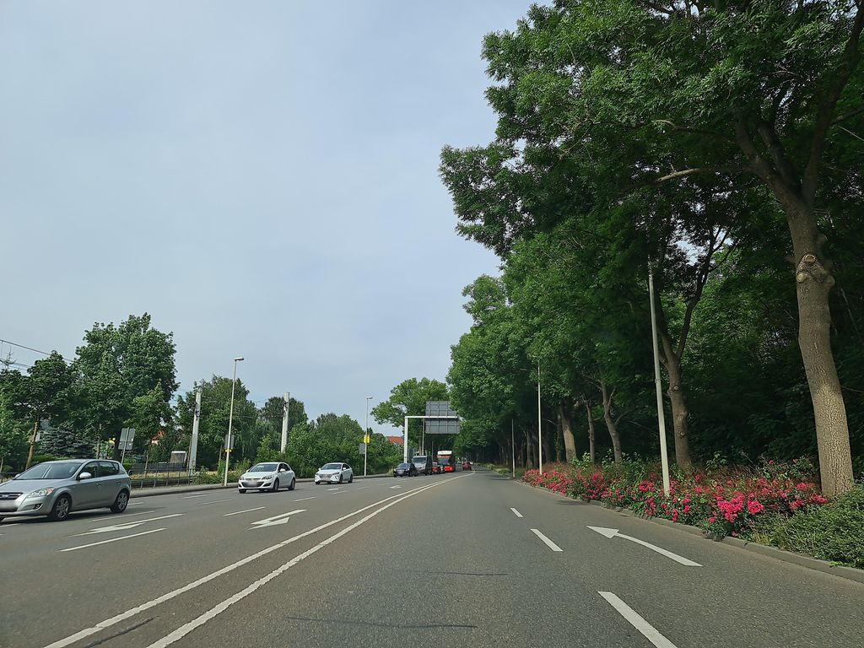 | Exclude |  | 0.777 | Normal_asphalt
SH-R2-C024 | SSV-514798999558623 | 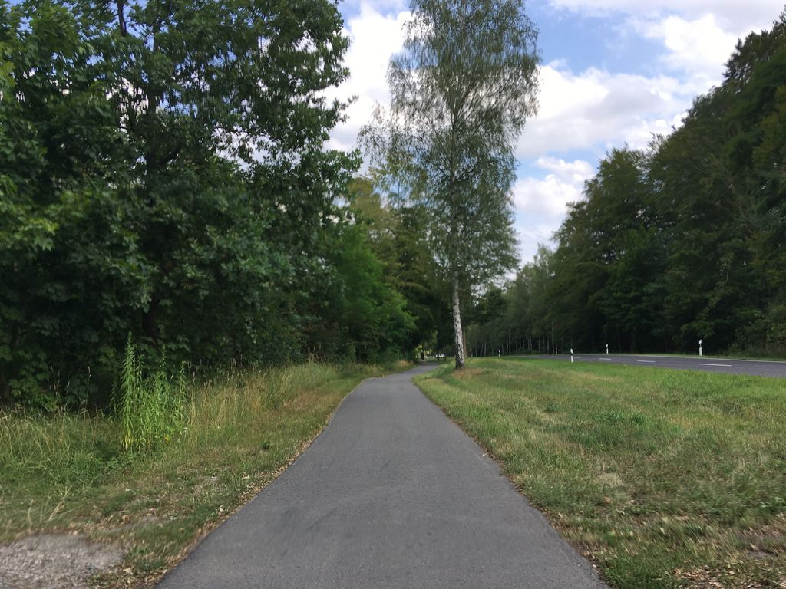 | Exclude |  | 0.777 | Normal_asphalt
SH-R2-C025 | SSV-209478385347306 | 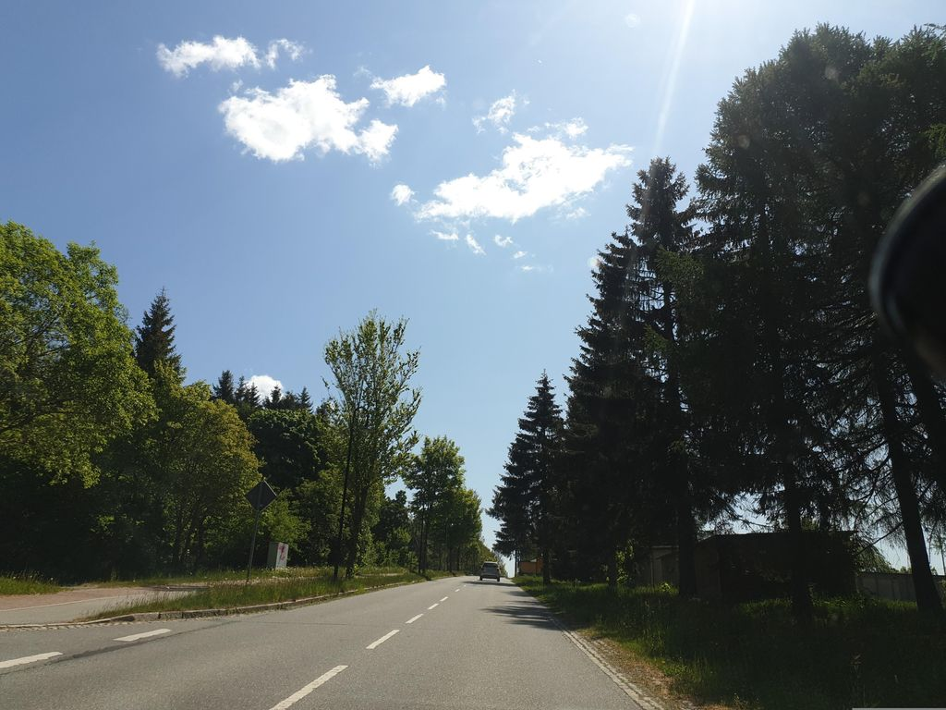 | Keep |  | 0.777 | Normal_asphalt
SH-R2-C026 | SSV-814503646838197 | 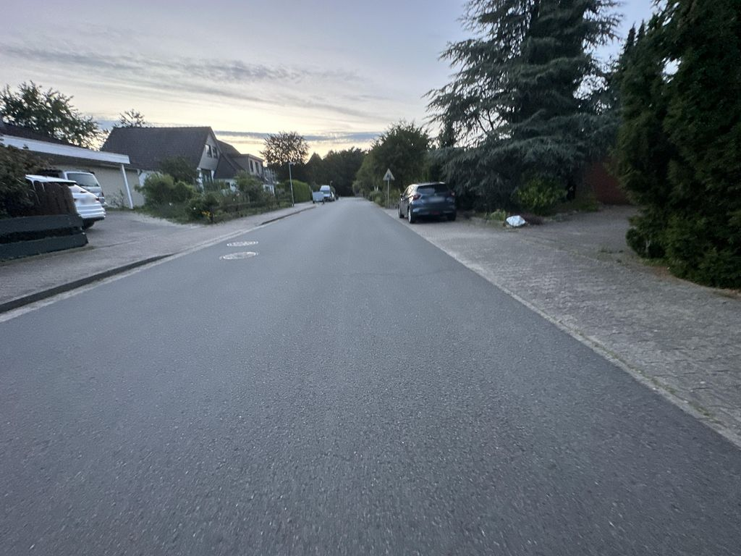 | Exclude |  | 0.776 | Normal_asphalt
SH-R2-C027 | SSV-1162687380862175 | 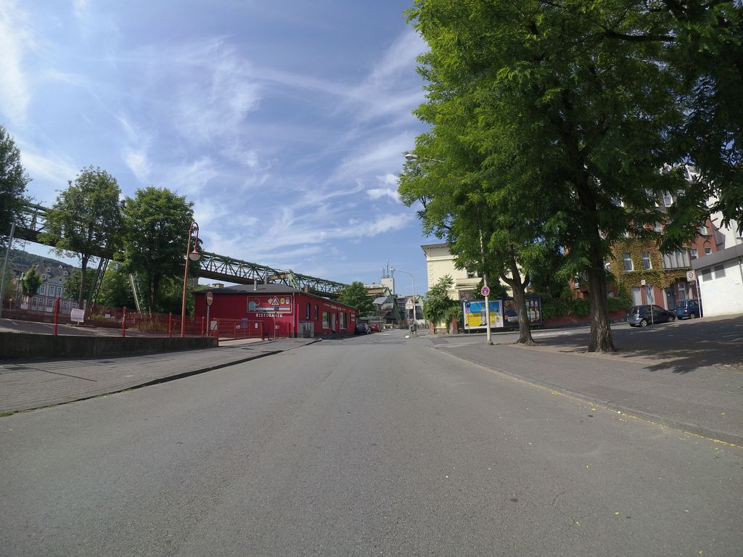 | Keep |  | 0.776 | Normal_asphalt
SH-R2-C028 | SSV-975617313315324 | 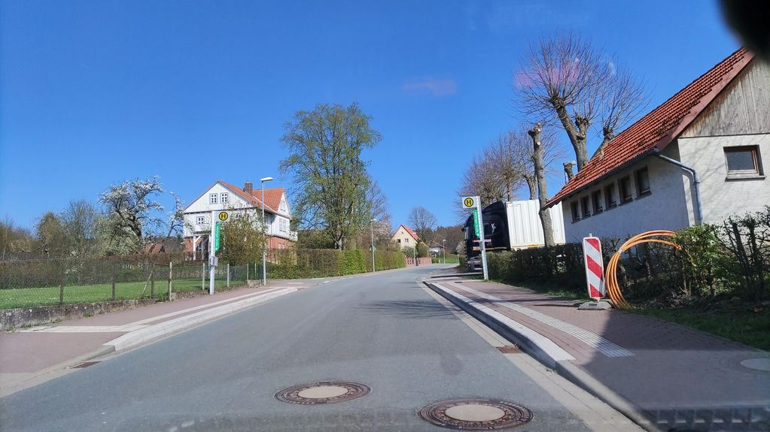 | Keep |  | 0.776 | Normal_asphalt
SH-R2-C029 | SSV-292440589826751 | 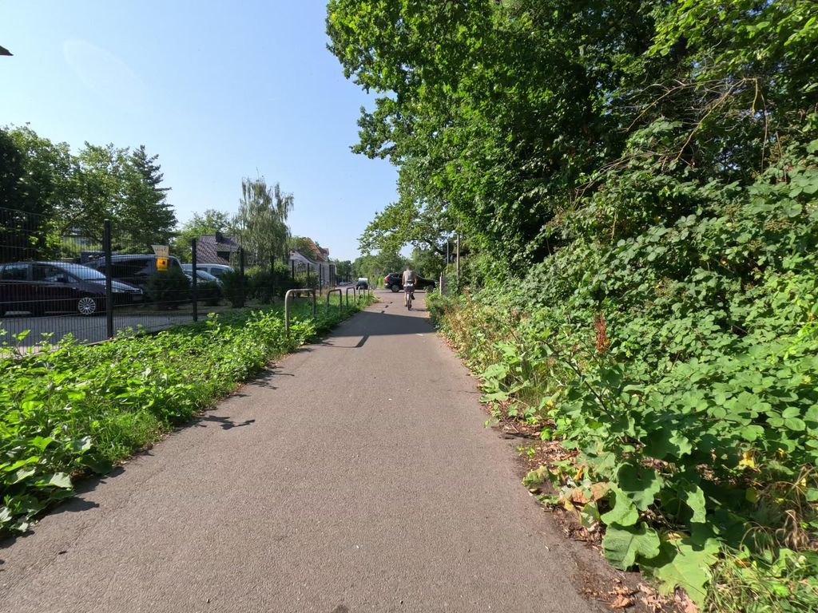 | Keep |  | 0.776 | Normal_asphalt
SH-R2-C030 | SSV-179819791791115 | 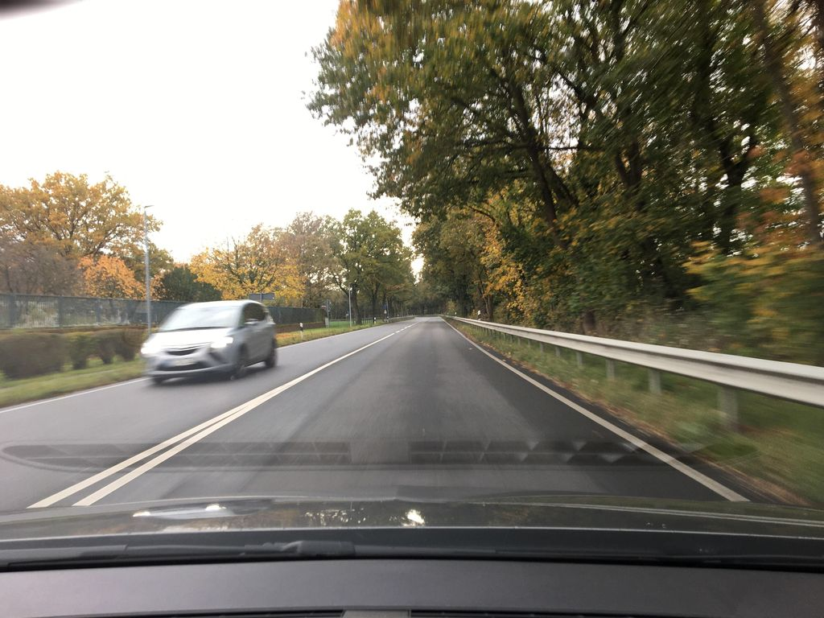 | Exclude |  | 0.775 | Normal_asphalt
SH-R2-C031 | SSV-310745784134112 | 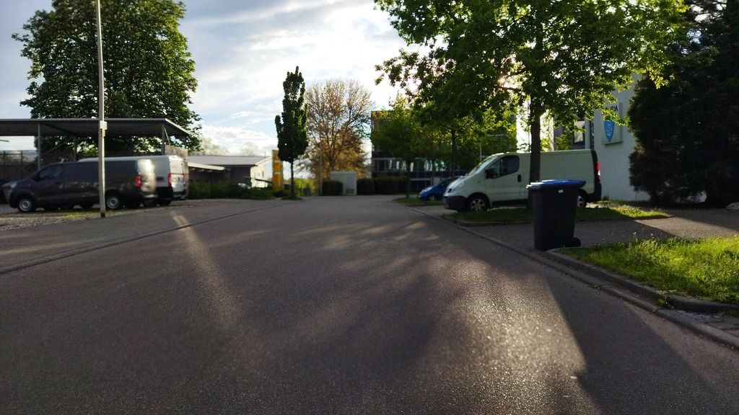 | Keep |  | 0.773 | Normal_asphalt
SH-R2-C032 | SSV-1518787851915135 | 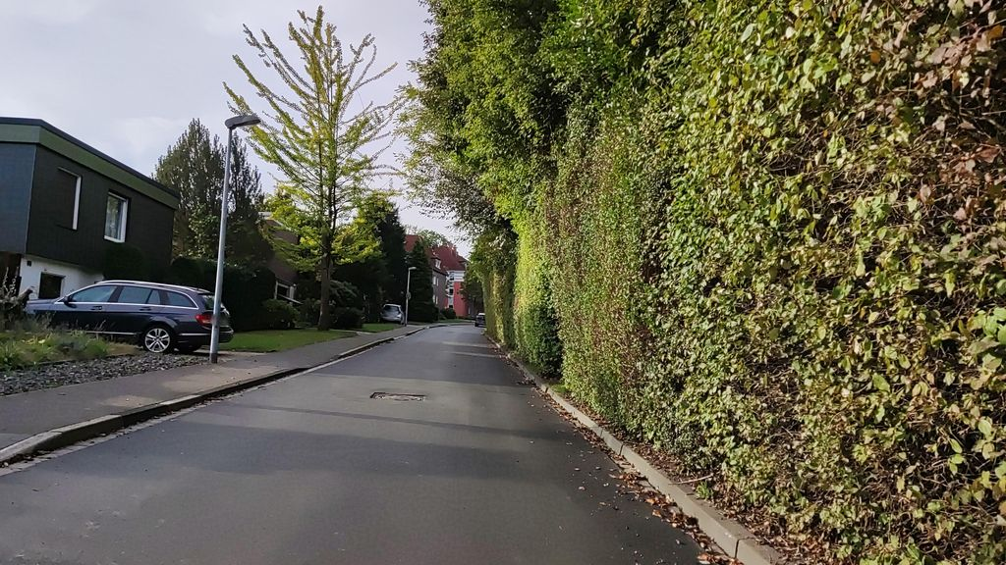 | Keep |  | 0.773 | Normal_asphalt
SH-R2-C033 | SSV-1951242921716100 | 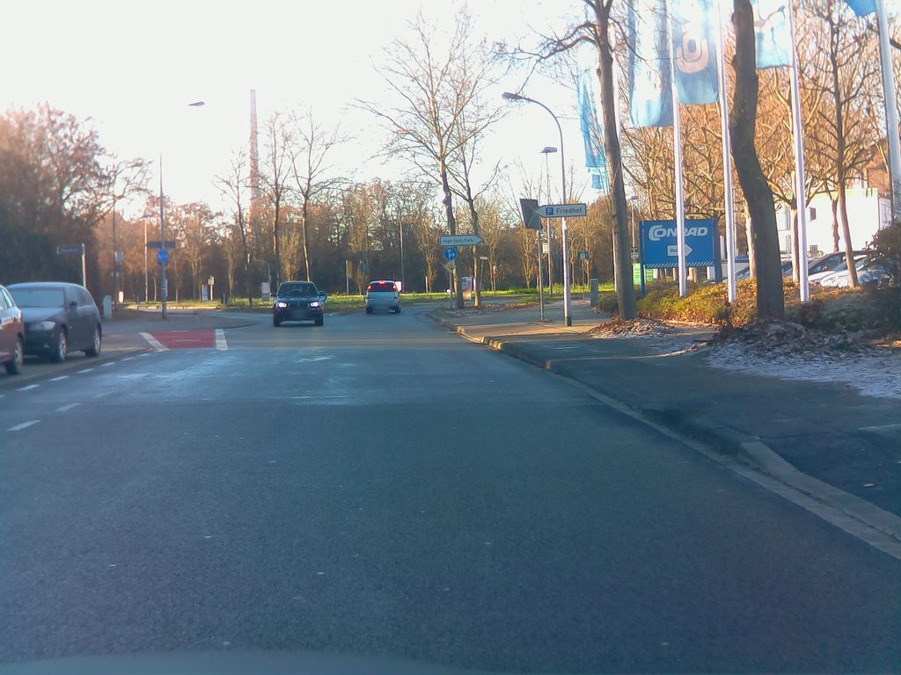 | Exclude |  | 0.773 | Normal_asphalt
SH-R2-C034 | SSV-118679946942391 | 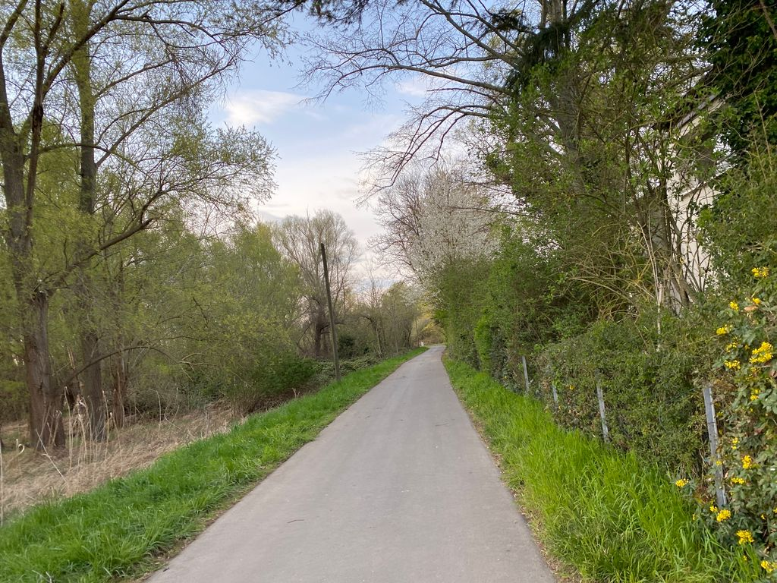 | Exclude |  | 0.772 | Normal_asphalt
SH-R2-C035 | SSV-373517124516992 | 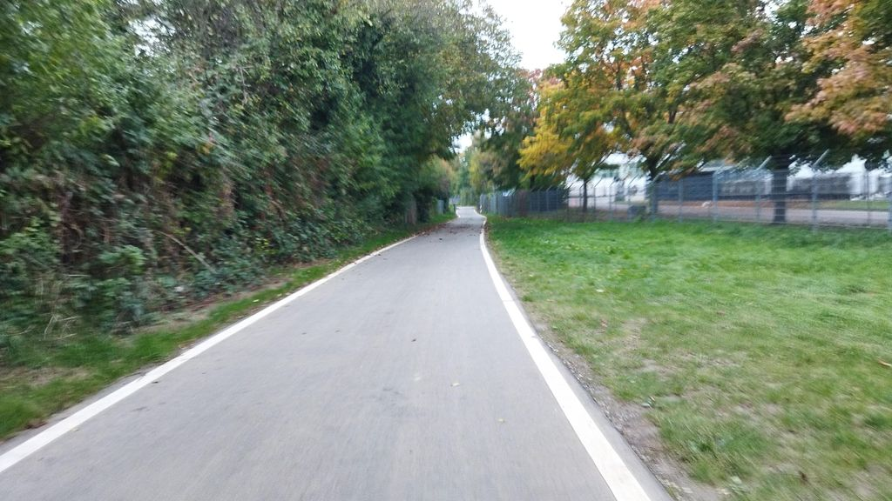 | Exclude |  | 0.772 | Normal_asphalt
SH-R2-C036 | SSV-956362611886219 | 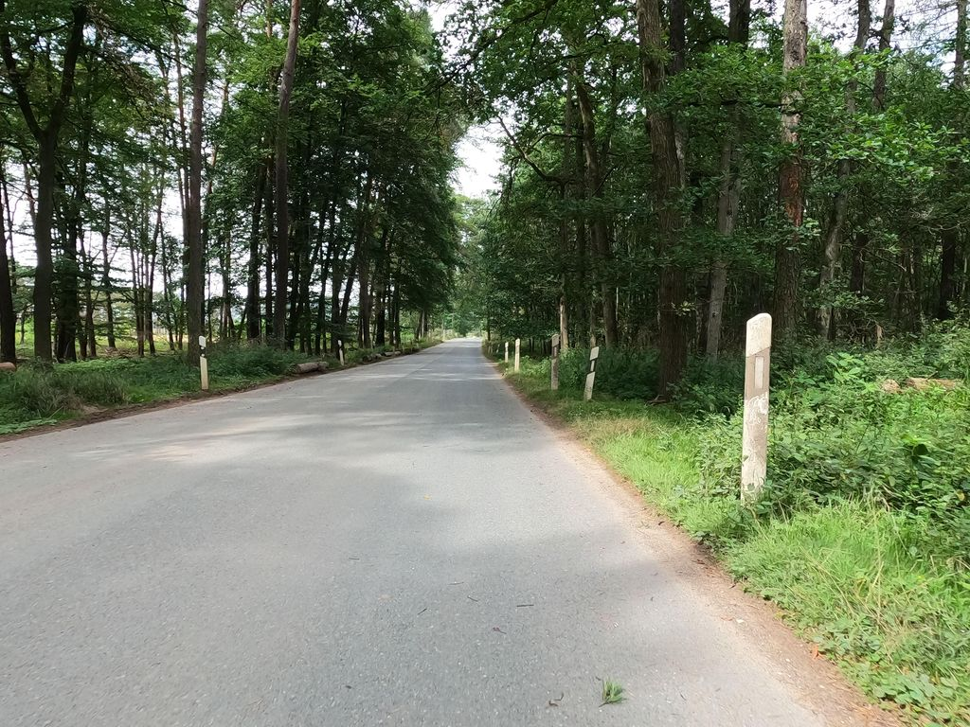 | Keep |  | 0.771 | Normal_asphalt
SH-R2-C037 | SSV-409167770877989 | 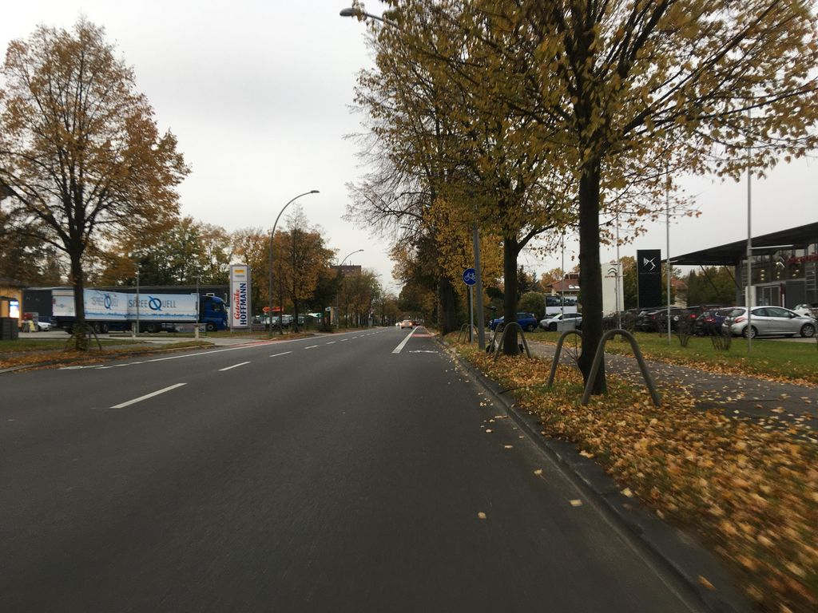 | Exclude |  | 0.770 | Normal_asphalt
SH-R2-C038 | SSV-204913651447887 | 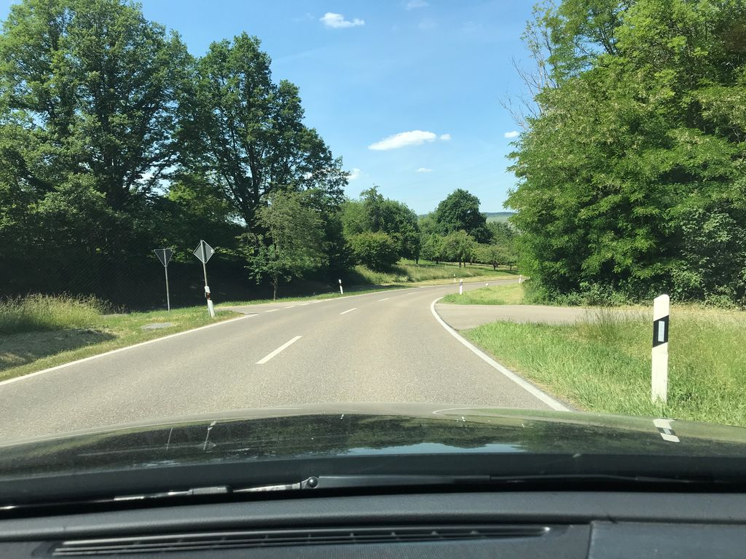 | Exclude |  | 0.770 | Normal_asphalt
SH-R2-C039 | SSV-657850198623869 | 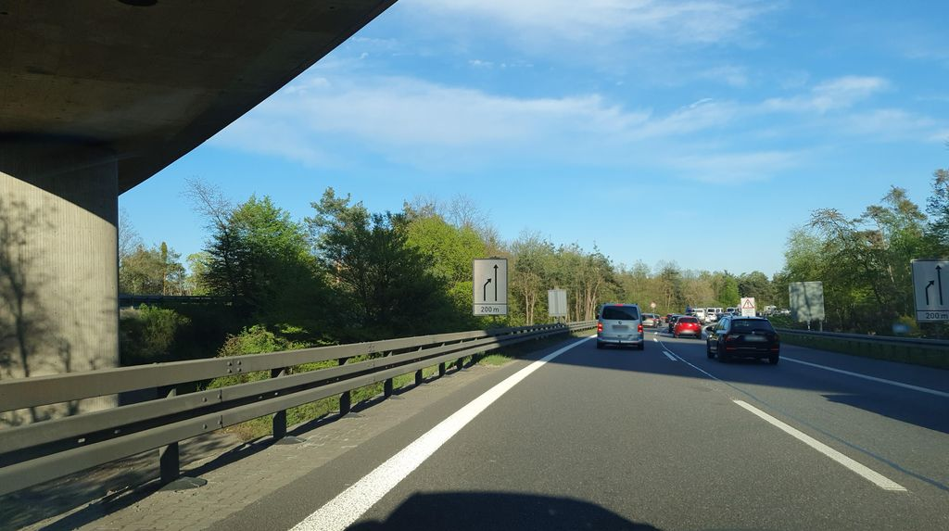 | Keep |  | 0.768 | Normal_asphalt
SH-R2-C040 | SSV-1070284307000174 | 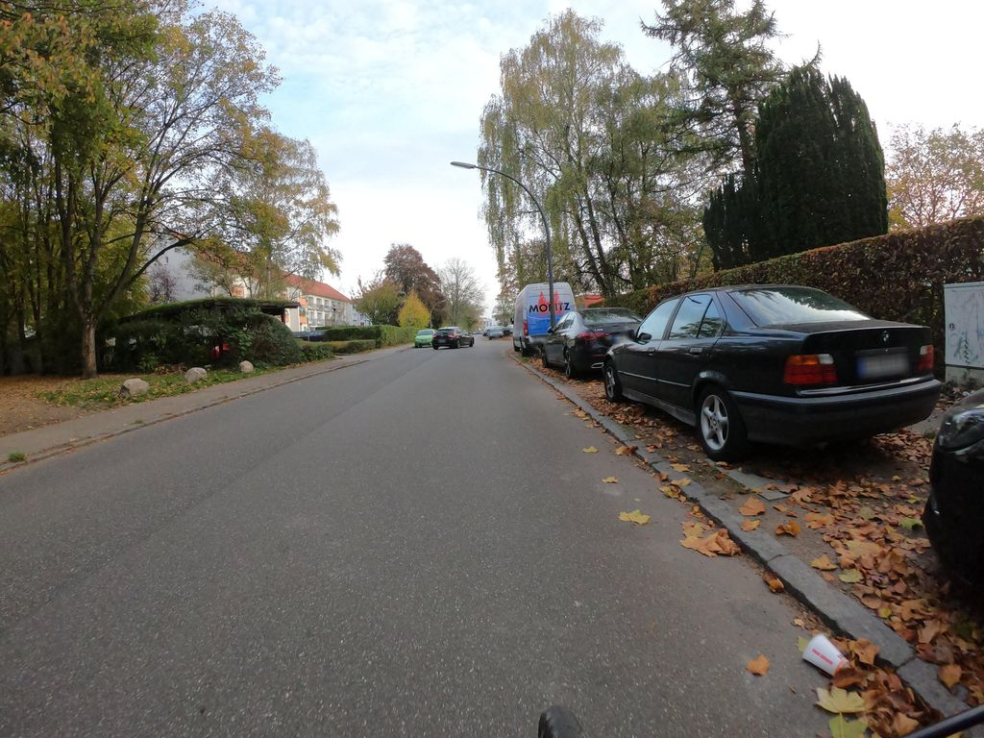 | Exclude |  | 0.768 | Normal_asphalt
SH-R2-C041 | SSV-2994014337508968 | 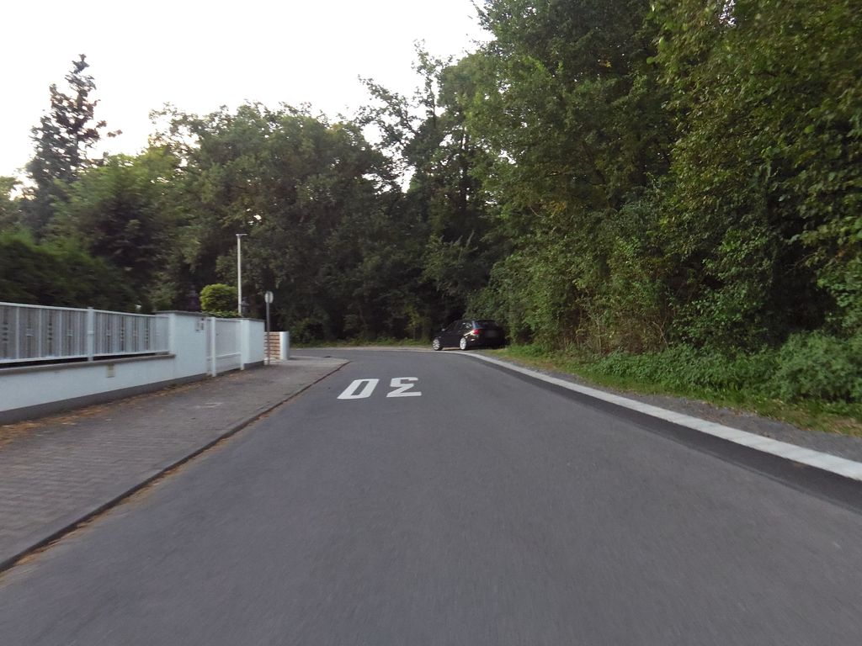 | Exclude |  | 0.765 | Normal_asphalt
SH-R2-C042 | SSV-494654009116788 | 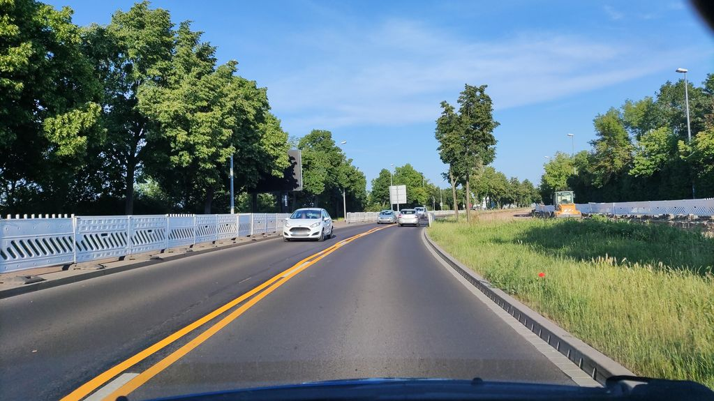 | Exclude |  | 0.765 | Normal_asphalt
SH-R2-C043 | SSV-495540371638099 | 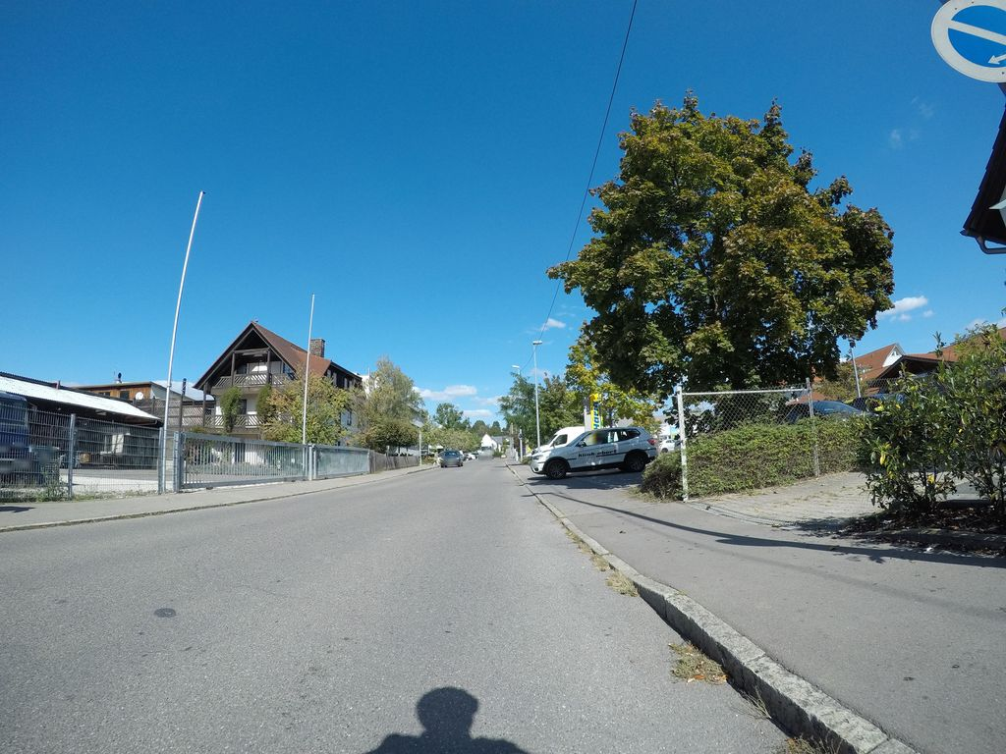 | Keep |  | 0.764 | Normal_asphalt
SH-R2-C044 | SSV-2913680268880834 | 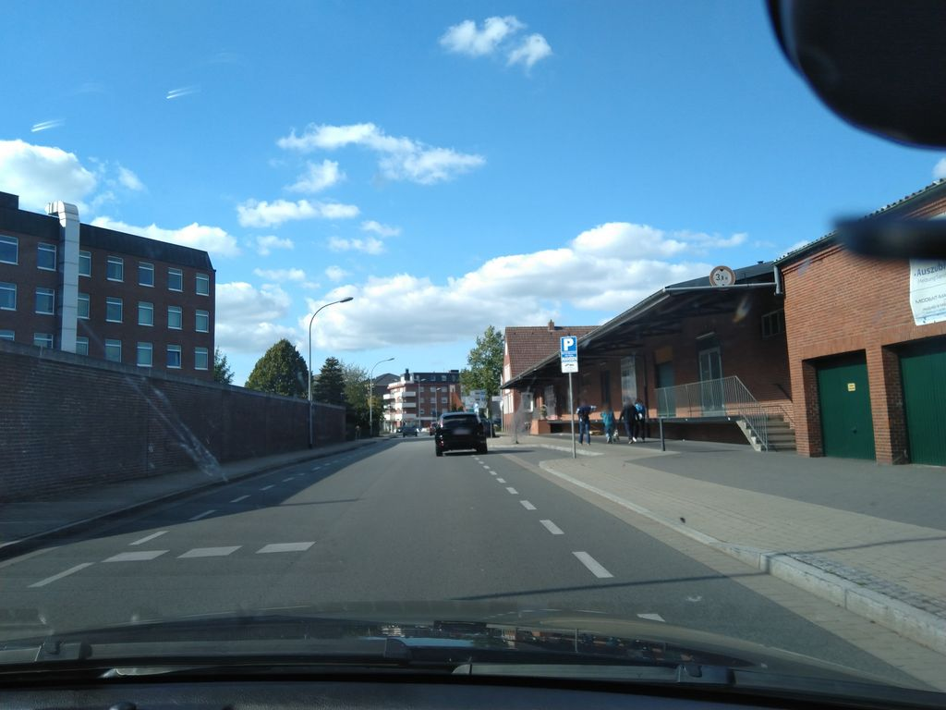 | Keep |  | 0.763 | Normal_asphalt
SH-R2-C045 | SSV-1912678515558699 | 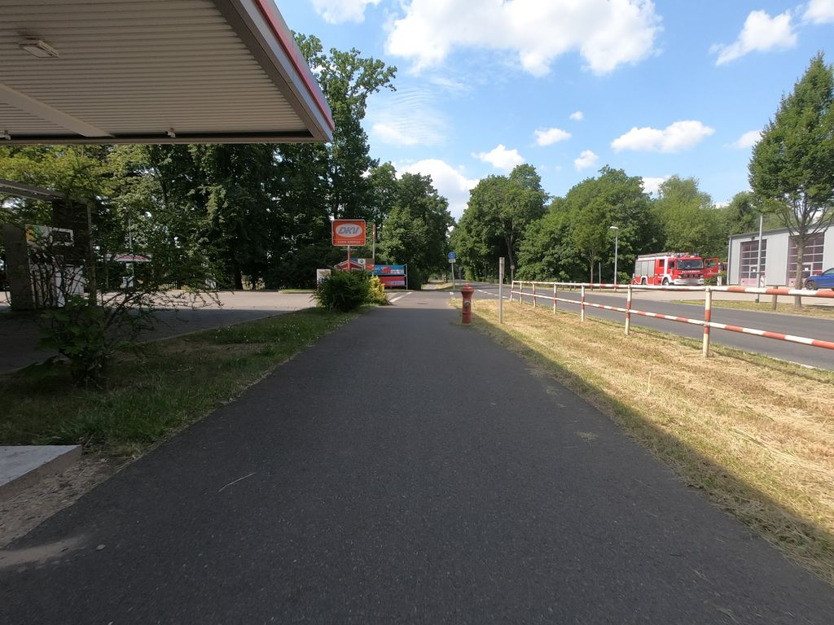 | Keep |  | 0.763 | Normal_asphalt
SH-R2-C046 | SSV-299423584975253 | 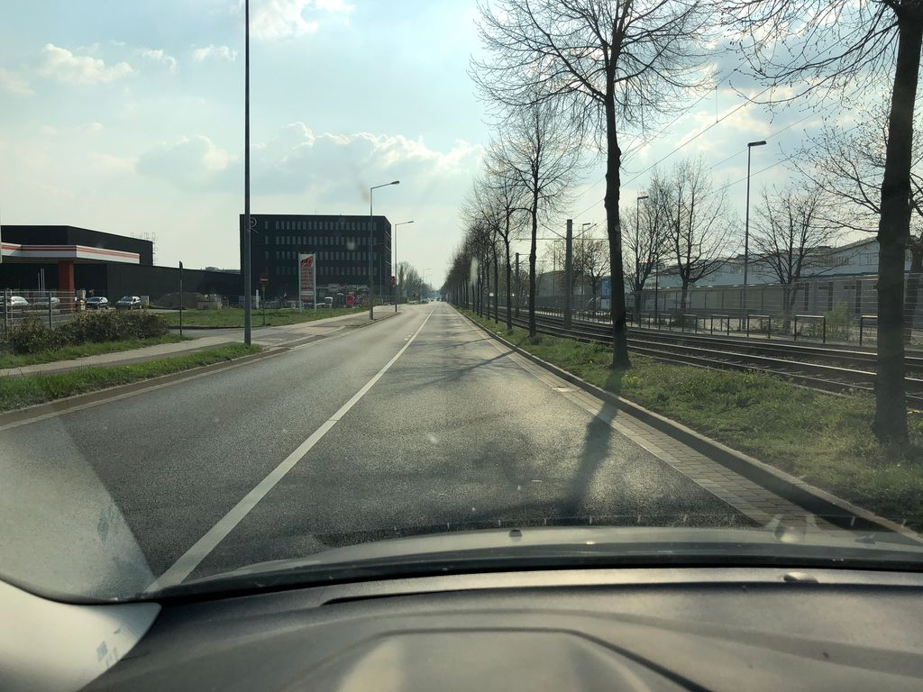 | Keep |  | 0.762 | Normal_asphalt
SH-R2-C047 | SSV-923339835172387 | 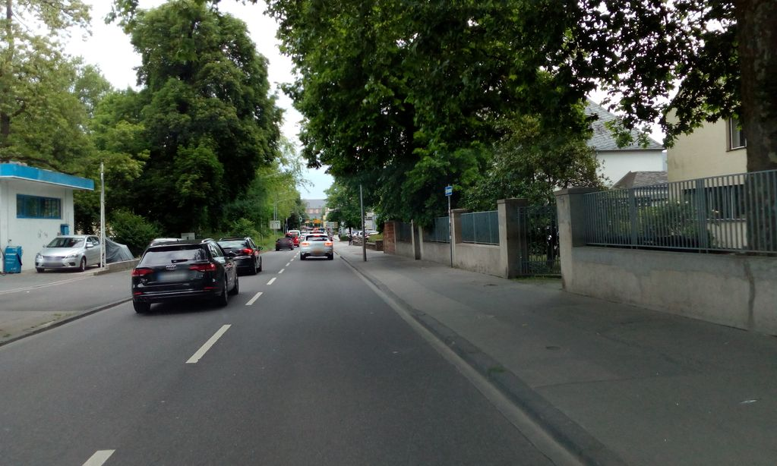 | Exclude |  | 0.760 | Normal_asphalt
SH-R2-C048 | SSV-171101224903399 | 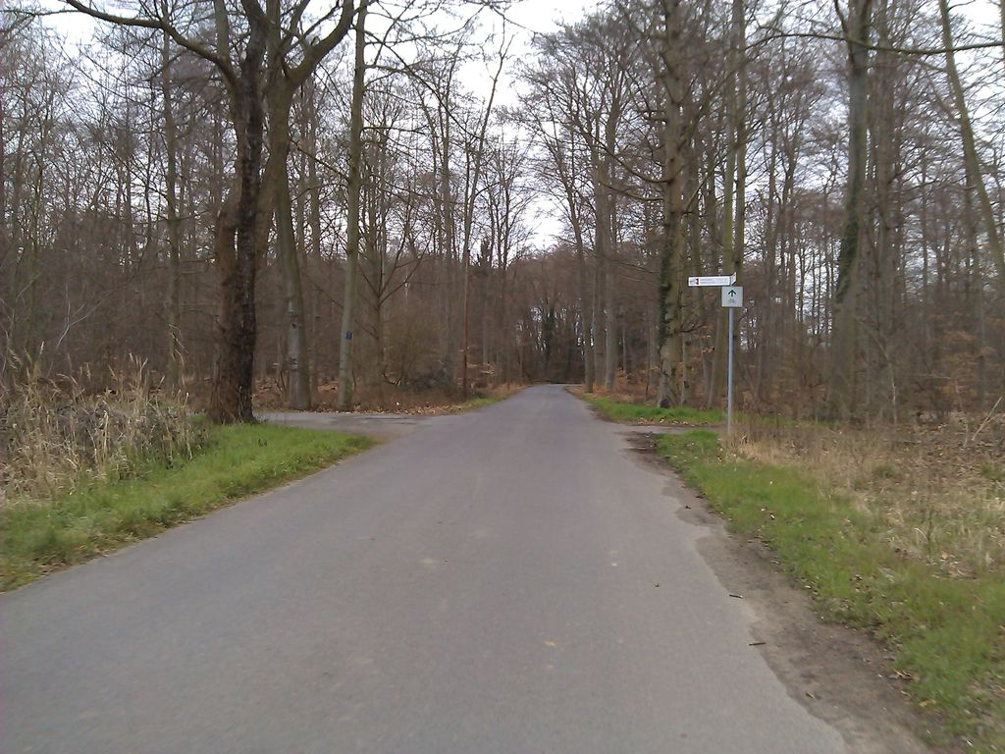 | Exclude |  | 0.759 | Normal_asphalt

